Quantum Tunneling
CH4 +H -> CH3 + H2

 | CH4 | H | CH3 | H2 | TST |  | E forward [Hartree] | E forward [kcal/mol] | E backward [Hartree] | E backward [kcal/mol]
SCF Energies [Hartree] | -40.5261 | -0.5003 | -39.8473 | -1.1785 | -41.0118 |  | 1.26654E-02 | 7.94755 | 1.69250E-02 | 10.62046
 | CH4 | H | CH3 | H2 | TST |  |  | E forward [kJ/mol] |  | E backward [kJ/mol]
ZPE [Hartree] | 0.0448 | 0.0000 | 0.0298 | 0.0102 | 0.0428 |  |  | 33.252547794 |  | 44.436011711

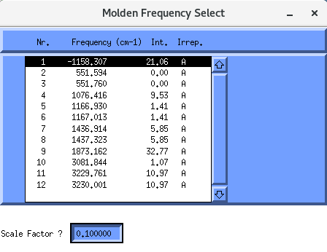
 |  |  | Temperature[K] | qtunn_Ia | qtunn_Ec |  | qtunn_Ia is the tunneling partition function, rate constant when tunnelling is include divided by
 |  |  | 300 | 3.900 | 4.396 |  | the rate constant when tunneling is neglected.
 |  |  | 400 | 2.032 | 2.223 |  | It indicates the contribution of tunneling to the reaction happening
 |  |  | 500 | 1.550 | 1.664 |  | At high temperature (high energy) the tunneling is not very relevant due to the particles already
 |  |  | 600 | 1.348 | 1.428 |  | having enough energy to jump
 |  |  | 700 | 1.241 | 1.304
 |  |  | 800 | 1.176 | 1.230
 |  |  | 900 | 1.133 | 1.181
 |  |  | 1000 | 1.101 | 1.147
 |  |  | 1100 | 1.077 | 1.122
 |  |  | 1200 | 1.057 | 1.103

NH3 + H -> NH2 + H2

 | NH3 | H | NH2 | H2 | TST |  | E forward [Hartree] | E forward [kcal/mol] | E backward [Hartree] | E backward [kcal/mol]
SCF Energies [Hartree] | -56.5670 | -0.5003 | -55.8854 | -1.1785 | -57.0531 |  | 1.16968E-02 | 7.33976 | 1.36598E-02 | 8.57154
 | NH3 | H | NH2 | H2 | TST |  |  | E forward [kJ/mol] |  | E backward [kJ/mol]
ZPE [Hartree] | 0.0344 | 0.0000 | 0.0190 | 0.0102 | 0.0320 |  |  | 30.709561631 |  | 35.86331745

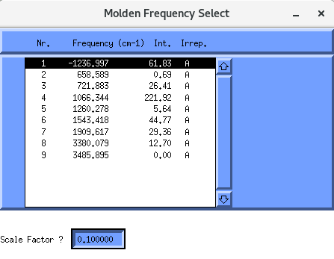
 |  |  |  | Temperature[K] | qtunn_Ia | qtunn_Ec
 |  |  |  | 300 | 4.508023 | 5.239305
 |  |  |  | 400 | 2.203093 | 2.470705
 |  |  |  | 500 | 1.631171 | 1.786855
 |  |  |  | 600 | 1.395554 | 1.504961
 |  |  |  | 700 | 1.272317 | 1.357811
 |  |  |  | 800 | 1.197842 | 1.269887
 |  |  |  | 900 | 1.147986 | 1.212545
 |  |  |  | 1000 | 1.111861 | 1.172777
 |  |  |  | 1100 | 1.083966 | 1.143907
 |  |  |  | 1200 | 1.061291 | 1.122196

DeltaG solvataz
We need to perform a calculation in gas phase and one in solution.
I'll use the aug-cc-pvDZ.

anion -> +1 electron
cation -> -1 electron
B3LYP/aug-cc-pvDZ

 | Molecule | E gas | E solv | DeltaG [Hartree] | DeltaG [kcal/mol] | DeltaG [kj/mol]
 | CH3O | -115.12656 | -115.04174 | 0.08482 | 53.222703895 | 222.68719
 | HO2 | -150.97334 | -151.10936 | -0.13601 | -85.348090985 | -357.10185
 | NH2 | -55.91805 | -56.03821 | -0.12015 | -75.396994997 | -315.46583
B3LYP/6-31+g(d,p)

 | Molecule | E gas | E solv | DeltaG [Hartree] | DeltaG [kcal/mol] | DeltaG [kj/mol]
 | CH3O | -115.11552 | -115.24554 | -0.13002 | -81.585889007 | -341.36056
 | HO2 | -150.95212 | -151.09426 | -0.14215 | -89.19655727 | -373.20408
 | NH2 | -55.90925 | -56.03582 | -0.12657 | -79.423644613 | -332.31359

pka H2SO4
Dissociation of sulphuric acid (H2SO4)
b3lyp/6-31+g(d,p)
1st step
H2​SO4​→H+ + HSO4−​
2nd step
HSO4− ​⇌ H+ + SO42−​
2 step since it is a diprotonic acid (2 H to donate)
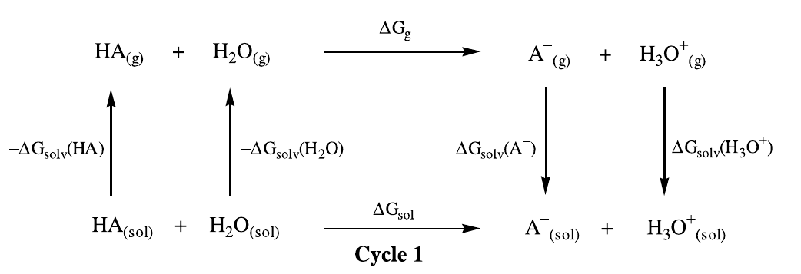

1st step
H2SO4 + H2O -> H3O+ + HSO4-

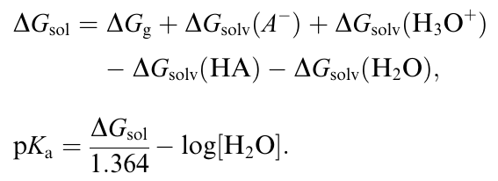
 | GAS PHASE |  |  |  |  |  |  |  | Using this cycle we can derive deltaGsol as the sum of all the other deltaGs
 | H2SO4 | H2O | H3O+ | HSO4- | DeltaG reaz [hartree] | [kcal/mol] | [kj/mol]
FREE ENERGIES | -700.09699 | -76.43040 | -76.69262 | -699.58156 | 0.25321 | 158.89241 | 664.81598

 | SOLV PHASE
 | H2SO4 | H2O | H3O+ | HSO4- |  |  |  |  | DeltaG solv HSO4- | DeltaG solv H3O+ | DeltaG solv H2SO4 | DeltaG solv H2O
FREE ENERGIES | -700.115015 | -76.444714 | -76.846485 | -699.686111 |  |  |  | hartree | -0.10455 | -0.15387 | -0.01802 | -0.01431
 |  |  |  |  |  |  |  | kcal/mol | -65.60450 | -96.55342 | -11.31006 | -8.98141
 | Not sure about H2SO4 geometry
 |  |  |  |  |  |  | R [kcal/molK] |  | Delta g sol |  | pka
SCF Energies
 |  |  |  |  |  |  | 1.99E-03 |  | 17.02596 |  | 7.96E+00

 | GAS PHASE
 | H2SO4 | H2O | H3O+ | HSO4- | DeltaG reaz [hartree] | [kcal/mol]
SCF Done | -700.10790 | -76.43405 | -76.70777 | -699.57770 | 0.25649 | 160.94567 |  |  |  | DeltaG solv HSO4- | DeltaG solv H3O+ | DeltaG solv H2SO4 | DeltaG solv H2O
 | SOLV PHASE |  |  |  |  |  |  |  | hartree | -0.10472 | -0.15449 | -0.01761 | -0.01401
 | H2SO4 | H2O | H3O+ | HSO4- |  |  |  |  | kcal/mol | -65.71117 | -96.94400 | -11.04974 | -8.79058
SCF Done | -700.12551261 | -76.448056333 | -76.862260107 | -699.68241511
Sum of electronic and thermal energies
 |  |  |  |  |  |  |  |  | R [kcal/molK] |  | Delta g sol |  | pka
 |  |  |  |  |  |  |  |  | 1.99E-03 |  | 18.13082 |  | 1.33E+01

 | GAS PHASE
 | H2SO4 | H2O | H3O+ | HSO4- | DeltaG reaz [hartree] | [kcal/mol]
Sum of electronic and | -700.06558 | -76.40992 | -76.67054 | -699.54898 | 0.25598 | 160.62808 |  |  |  | DeltaG solv HSO4- | DeltaG solv H3O+ | DeltaG solv H2SO4 | DeltaG solv H2O
thermal energies | SOLV PHASE |  |  |  |  |  |  |  | hartree | -0.10477 | -0.15394 | -0.01799 | -0.01430
 | H2SO4 | H2O | H3O+ | HSO4- |  |  |  |  | kcal/mol | -65.74380 | -96.59861 | -11.29061 | -8.97200
Sum of electronic and | -700.08357 | -76.424215 | -76.82448 | -699.653746
thermal energies |  |  |  |  |  |  |  |  | R [kcal/molK] |  | Delta g sol |  | pka
 |  |  |  |  |  |  |  |  | 1.99E-03 |  | 18.54827 |  | 1.36E+01

pka acetic acid
ACETIC ACID
CH₃CO₂H + H₂O ⇄ CH₃CO₂⁻ + H₃O⁺.

 | GAS PHASE
 | CH₃COOH | H2O | CH3CO2− | H3O+ | DeltaG reaz [hartree] | [kcal/mol] | DELTAGs
Sum of electronic and | -229.05176 | -76.40992 | -228.60629 | -76.67054 | 0.18485 | 115.99463 |  | CH₃COOH | H2O | CH3CO2− | H3O+2
thermal energies | SOLV PHASE |  |  |  |  |  | hartree | 0.00000 | -0.01430 | 0.00000 | -0.15394
 | CH₃COOH | H2O | CH3CO2− | H3O+ |  |  | kcal/mol | 0.00000 | -8.97200 | 0.00000 | -96.59861
Sum of electronic and | -229.051761 | -76.424215 | -228.606288 | -76.82448
thermal energies |  |  |  |  |  |  | R [kcal/molK] |  | Delta g sol |  | pka
 |  |  |  |  |  |  | 1.99E-03 |  | 28.36802 |  | 2.08E+01

 |  |  |  |  |  |  |  |  | 0.00000
 | GAS PHASE |  |  |  |  |  |  |  | 0.00000
 | CH₃COOH | H2O | CH3CO2− | H3O+ | DeltaG reaz [hartree] | [kcal/mol] | DELTAGs
SCF DONE | -229.11633 | -76.43405 | -228.65805 | -76.70777 | 0.18456 | 115.81274 |  | CH₃COOH | H2O | CH3CO2− | H3O+2
 | SOLV PHASE |  |  |  |  |  | hartree | 0.00000 | -0.01401 | 0.00000 | -0.15449
 | CH₃COOH | H2O | CH3CO2− | H3O+ |  |  | kcal/mol | 0.00000 | -8.79058 | 0.00000 | -96.94400
SCF DONE | -229.11633072 | -76.448056333 | -228.65804834 | -76.862260107
 |  |  |  |  |  |  | R [kcal/molK] |  | Delta g sol |  | pka
 |  |  |  |  |  |  | 1.99E-03 |  | 27.65932 |  | 2.03E+01

 | GAS PHASE
 | CH₃COOH | H2O | CH3CO2− | H3O+ | DeltaG reaz [hartree] | [kcal/mol] | DELTAGs
FREE ENERGY | -229.08159 | -76.43040 | -228.63569 | -76.69262 | 0.18369 | 115.26359 |  | CH₃COOH | H2O | CH3CO2− | H3O+
 | SOLV PHASE |  |  |  |  |  | hartree | 0.00000 | -0.01431 | 0.00000 | -0.15387
 | CH₃COOH | H2O | CH3CO2− | H3O+ |  |  | kcal/mol | 0.00000 | -8.98141 | 0.00000 | -96.55342
FREE ENERGY | -229.081589 | -76.444714 | -228.635688 | -76.846485
 |  |  |  |  |  |  | R [kcal/molK] |  | Delta g sol |  | pka
 |  |  |  |  |  |  | 1.99E-03 |  | 27.69158 |  | 2.03E+01

