Foglio1
TMS
Etere dimetilico (DME)
Chemical shift

Numero | Atomo Isotropico | Magnetic shielding |  | Numero | Atomo Isotropico | Magnetic shielding |  | Atomo | Chemical Shift | Sperimental Value
1 | Si | 4.060E+02 | Average H | 1 | O | 3.235E+02 | Average H | C | 6.008E+01 | 58?
2 | C | 1.927E+02 | 3.165E+01 | 2 | C | 1.325E+02 | 2.834E+01 | H | 3.315E+00 | 3.242E+00
3 | C | 1.926E+02 | Average C | 3 | C | 1.326E+02 | Average C
4 | H | 3.165E+01 | 1.926E+02 | 4 | H | 2.792E+01 | 1.326E+02
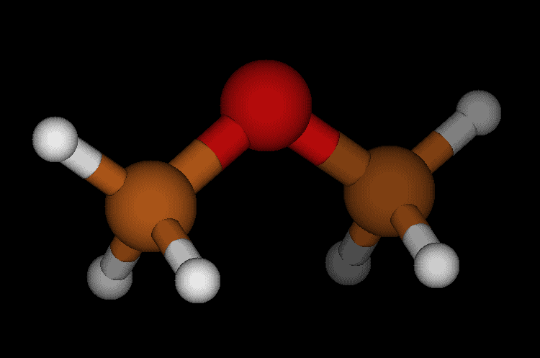
5 | H | 3.165E+01 |  | 5 | H | 2.855E+01
6 | H | 3.165E+01 |  | 6 | H | 2.855E+01
7 | H | 3.166E+01 |  | 7 | H | 2.792E+01
8 | H | 3.165E+01 |  | 8 | H | 2.854E+01
9 | H | 3.165E+01 |  | 9 | H | 2.854E+01
10 | C | 1.926E+02
11 | H | 3.165E+01
12 | H | 3.165E+01
13 | H | 3.165E+01
14 | C | 1.926E+02
15 | H | 3.165E+01
16 | H | 3.165E+01
17 | H | 3.165E+01

