Ethane
ETHANE
 | here critical points are only Bond Critical Points

Bond Critical Point

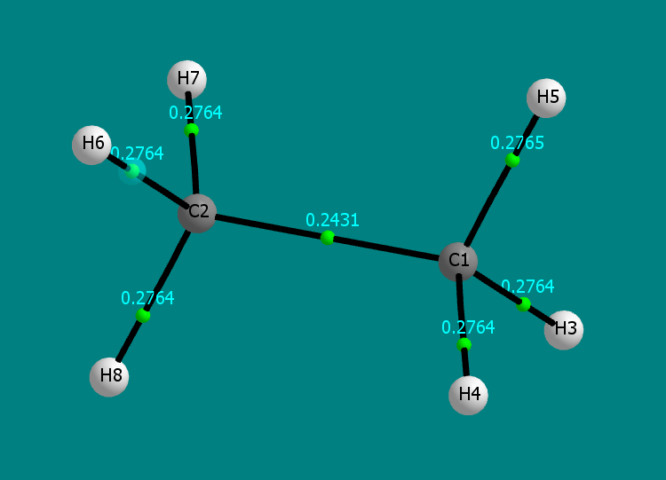
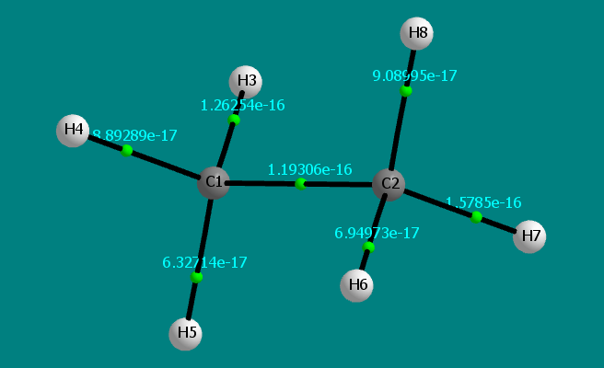
 |  | BCP are green points |  |  | here the numbers are the gradient of the
 |  | The number is the electron density rho |  |  | electron density
 |  |  |  |  | > almost zero

Molecular Graphs

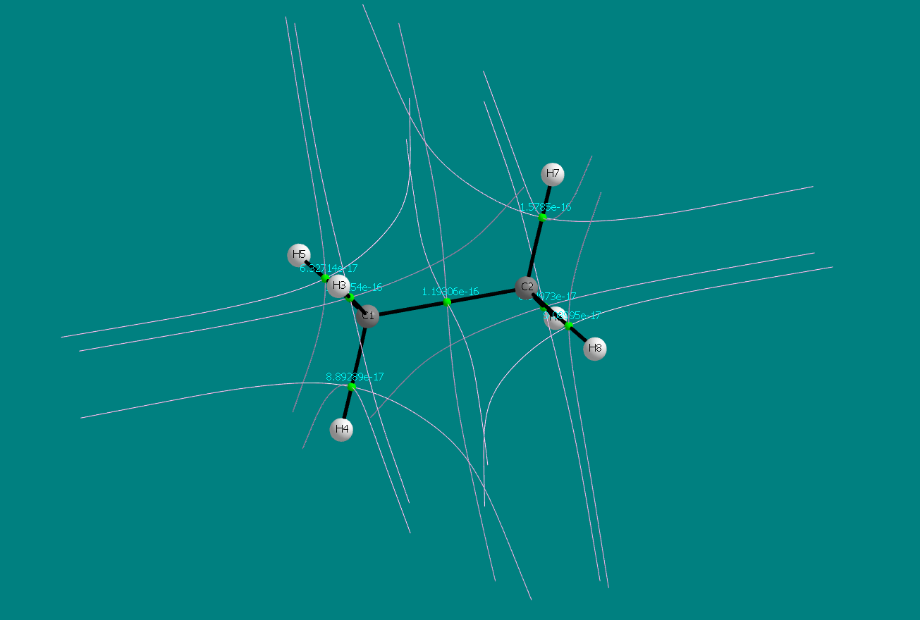
 |  |  | IAS EV lines

Order of C-C Bonds
Bond Ellipticity

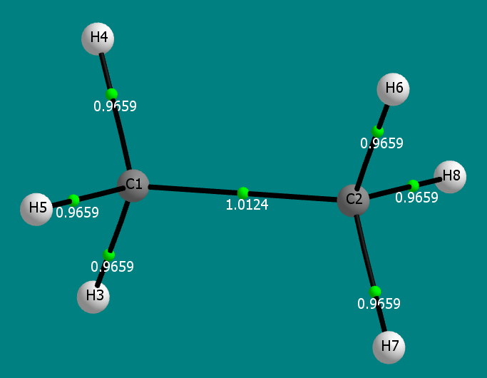
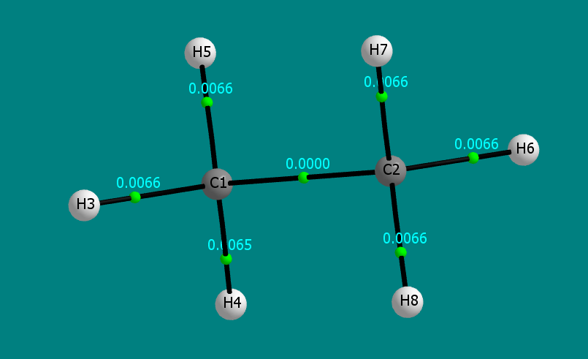

 |  |  |  | The C-C bond is a cylinder
the calculated order of the C-C bond is approximatevily 1, which is a value consistent with the theory |  |  |  | The C-H bond are a little more flatttened on one side

Benzene
Benzene

Critical points

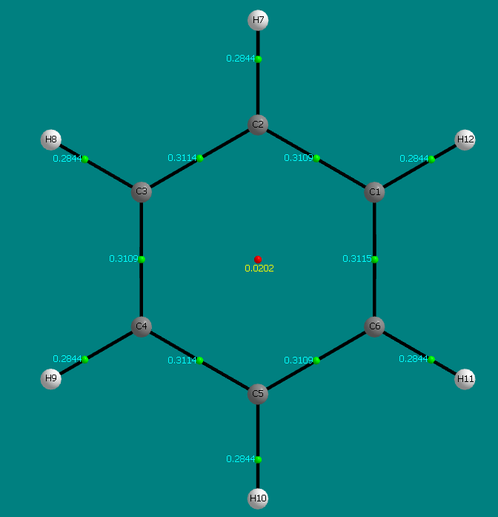
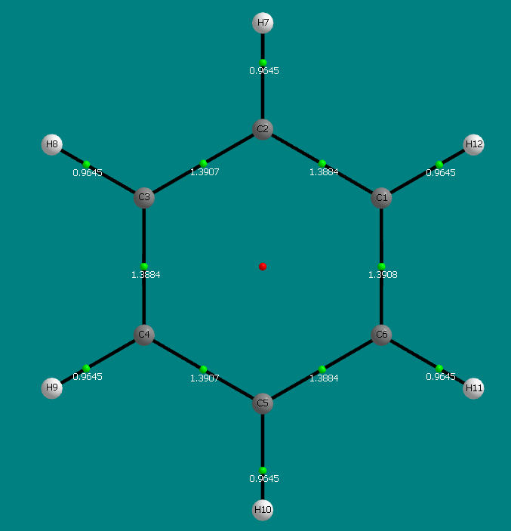
Green points are Bond Critical Points |  |  |  | Bond order

Red points are Ring Critical Points

The numbers are the rho density

Bond Ellipticity
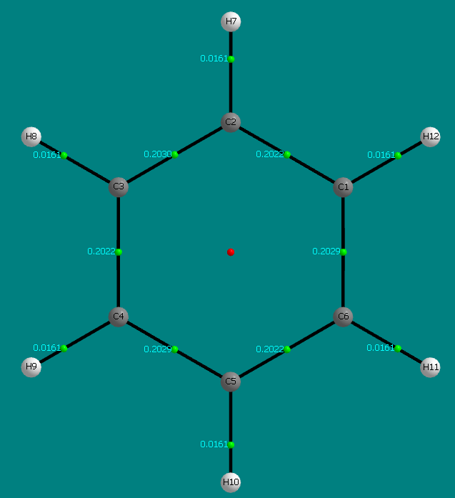

Molecular Graphs

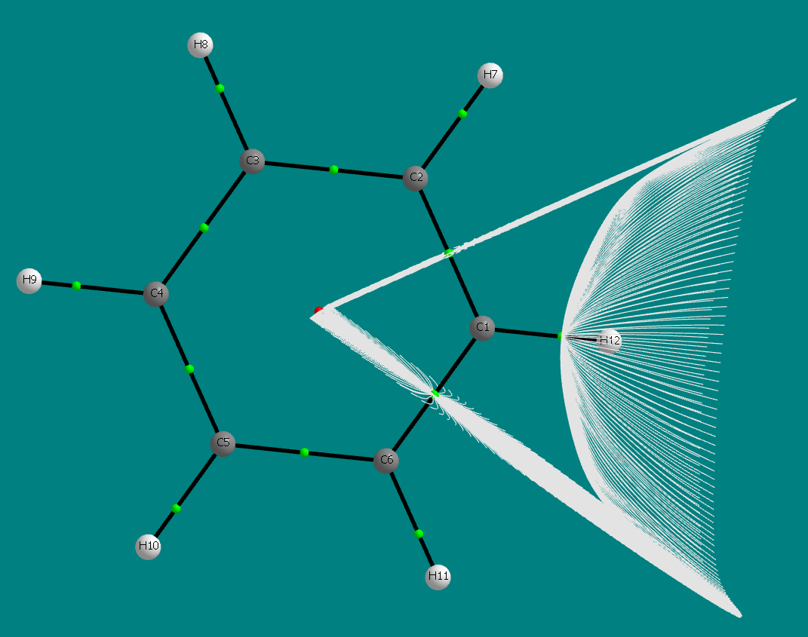
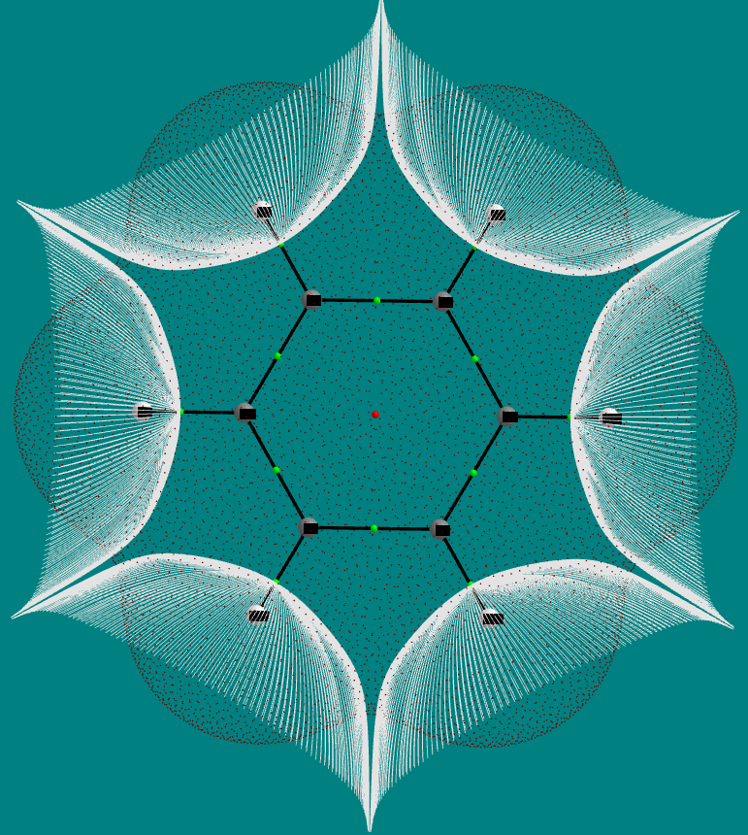
 | Interatomic surfaces of the hydrogens |  |  |  | Interatomic Surfaces for a Carbon
 |  |  |  |  | In carbon to carbon bonds are perpendicular to the bond path

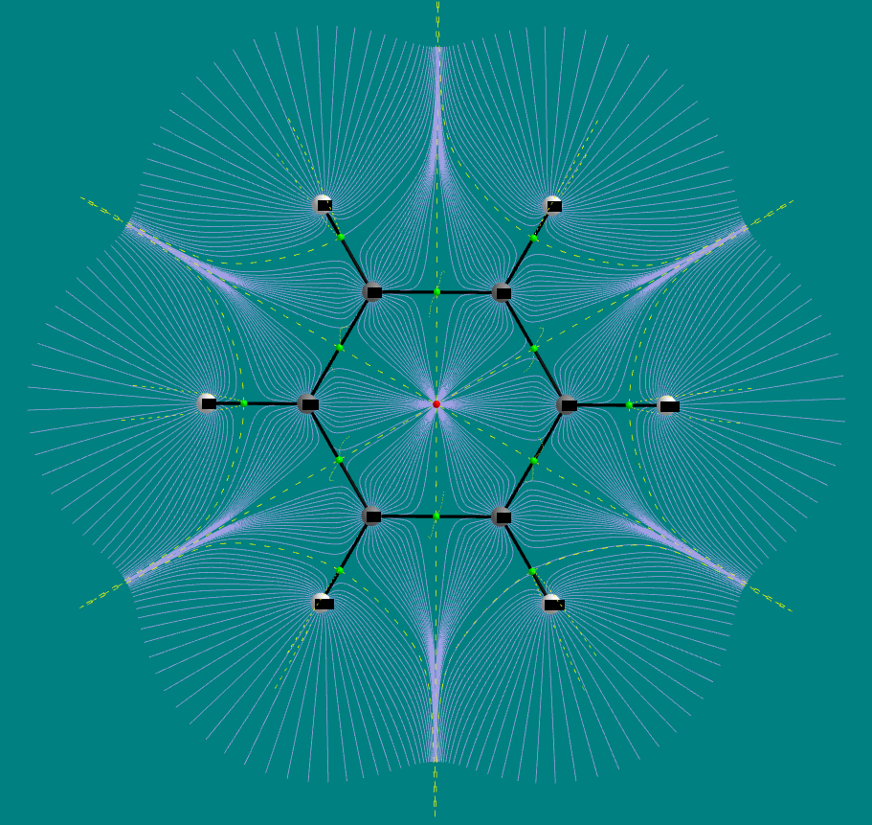
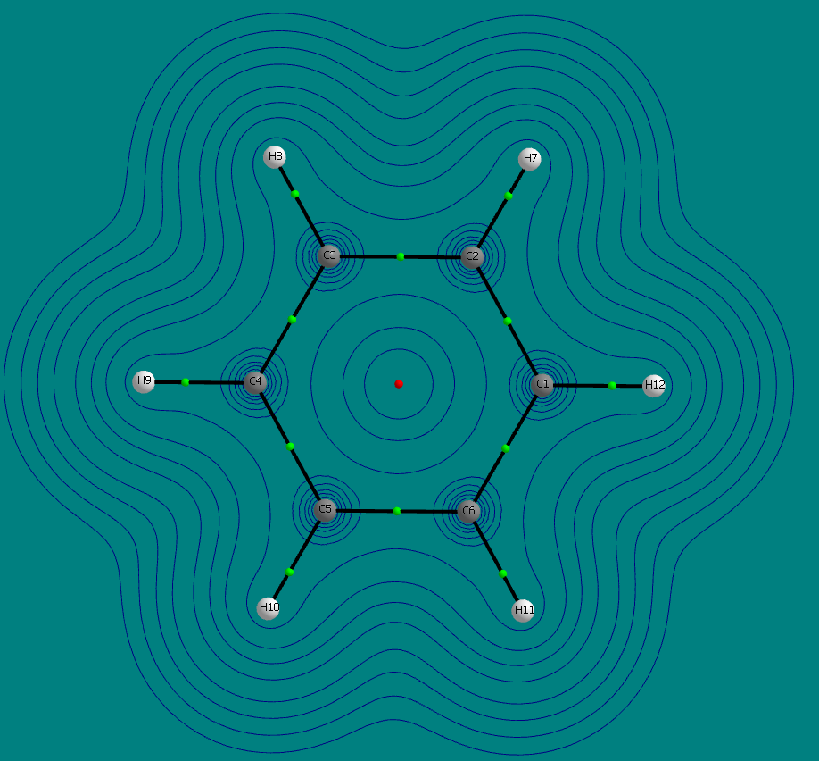
 |  |  | Basin Paths with interatomic surfaces eigenvector paths |  |  | Contours

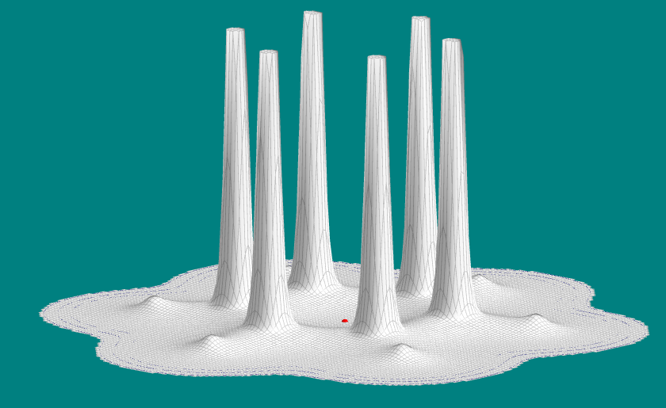
 |  | Relief Map

Water
Water

Critical points

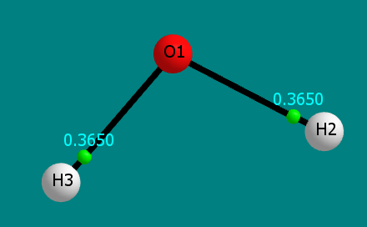
BCPs and their densities

Molecular graphs

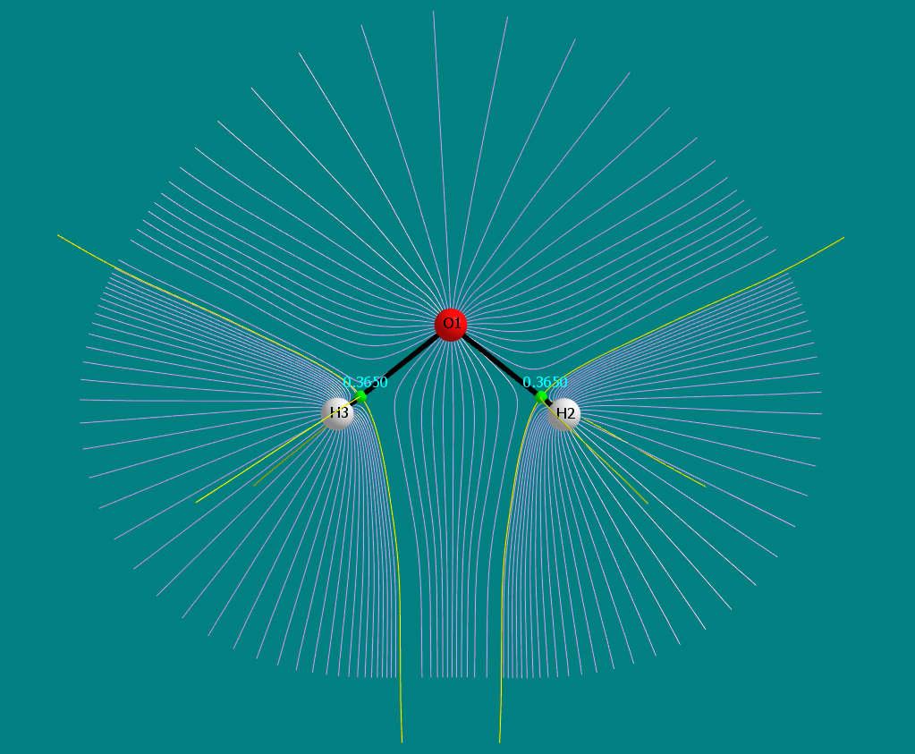

 | Interatomic Surfaces

H2
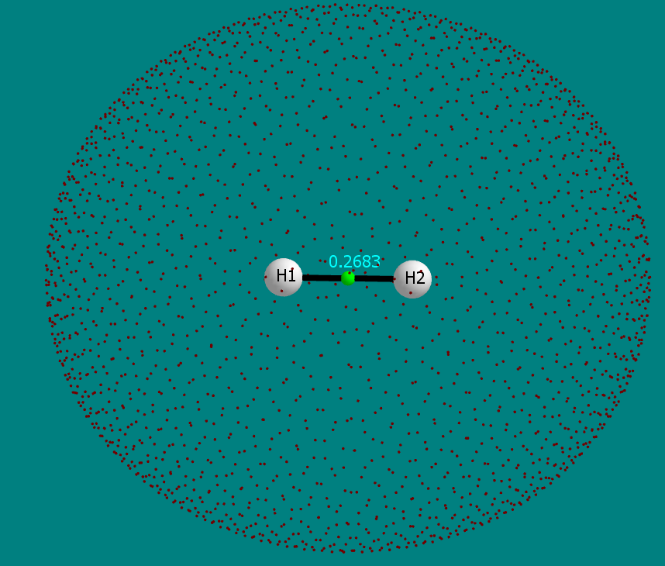
Hydrogen Molecule

Critical Points

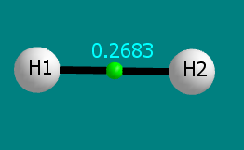
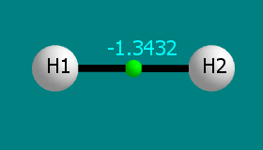
rho density | Laplacian of rho

Molecular Graphs

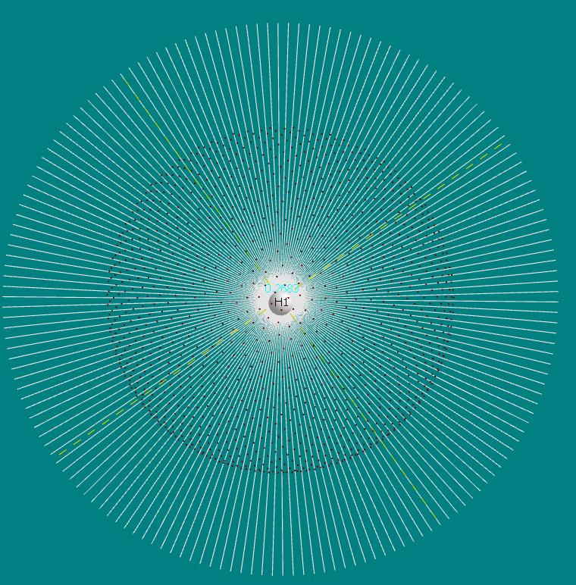
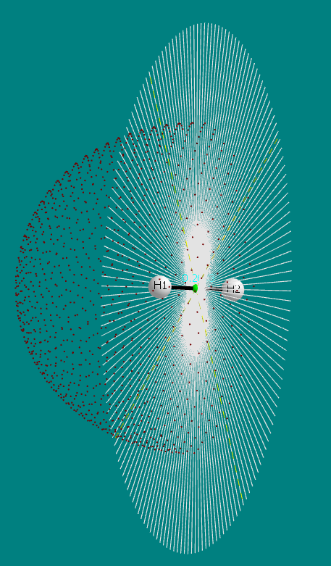
 |  | Symmetric Interatomic surfaces and atomic integration ray data

HF
HF

Critical Points

rho density |  |  | Laplacian of the density

Molecular Graphs

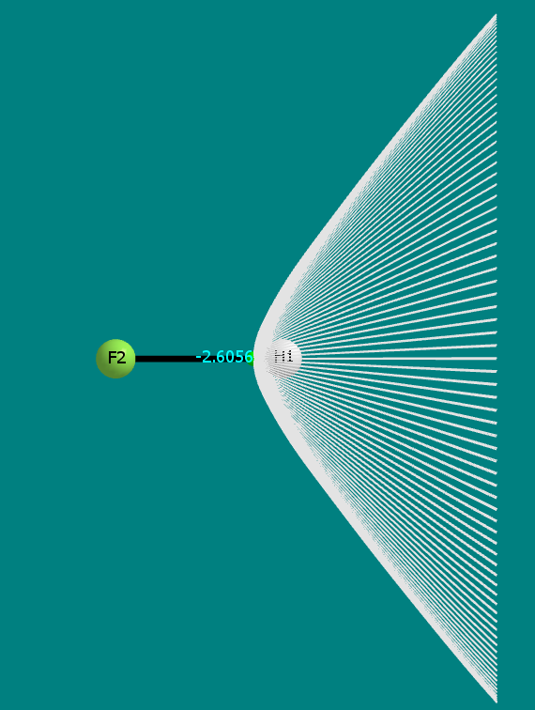
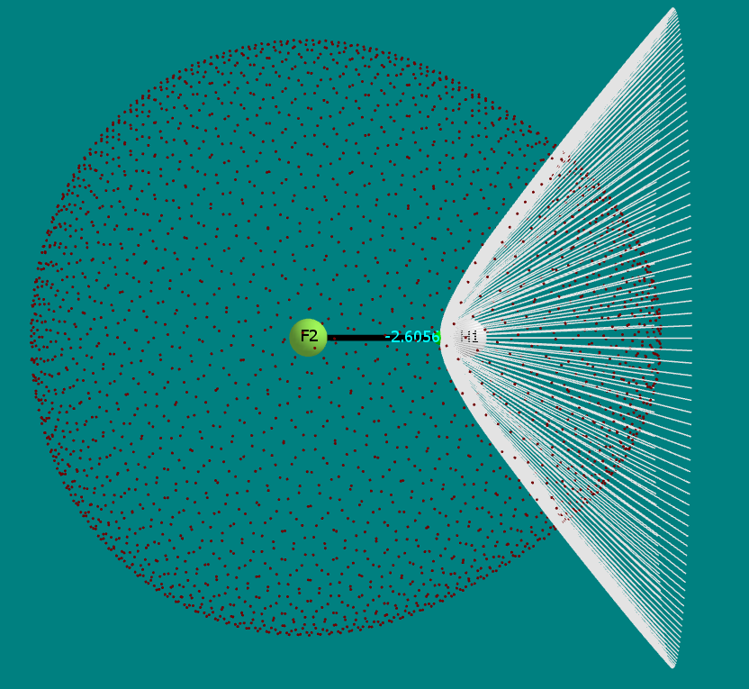
 | Interatomic surfaces

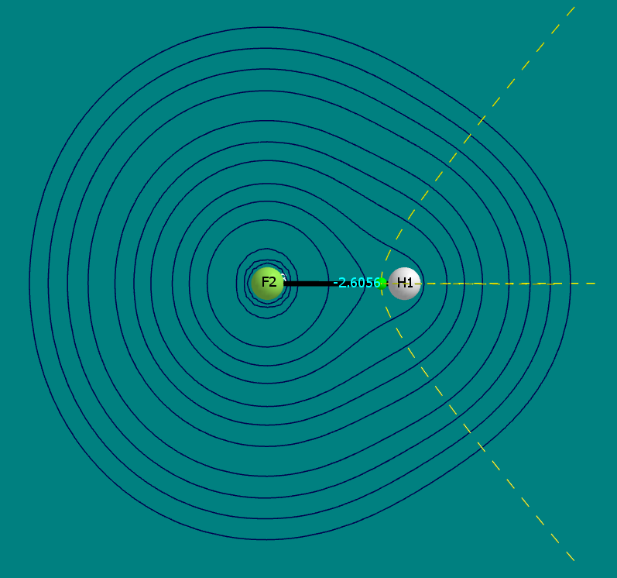
 |  | Contour Maps with Interatomic surfaces eigenvector paths

LiF
LiF

Critical Points

rho density |  |  | Laplacian of the density

Molecular Graphs

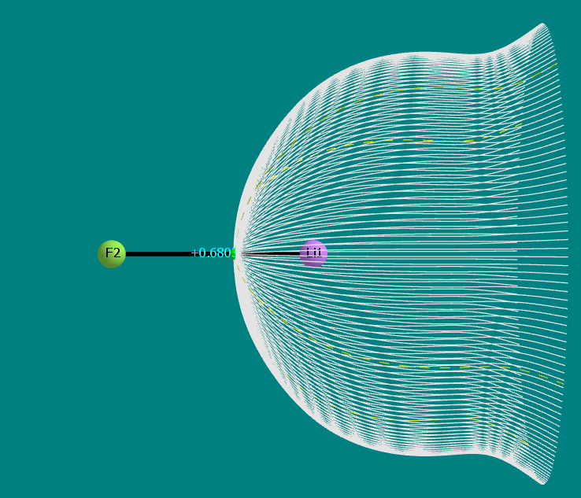
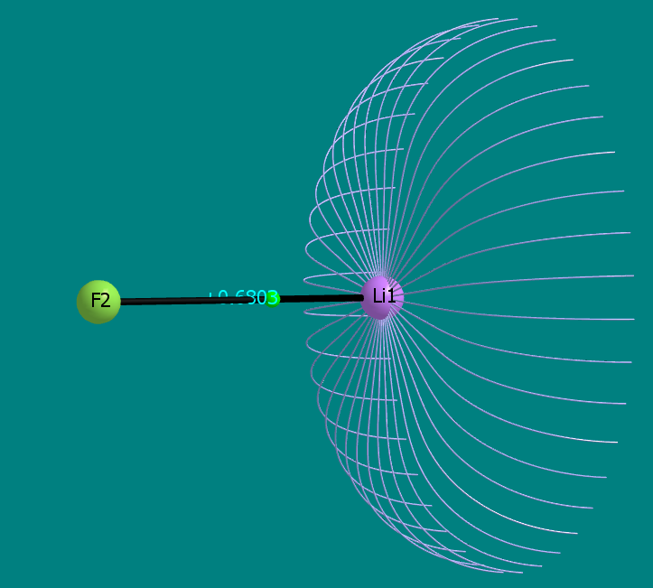
 | Interatomic Surface |  |  | Basin Path

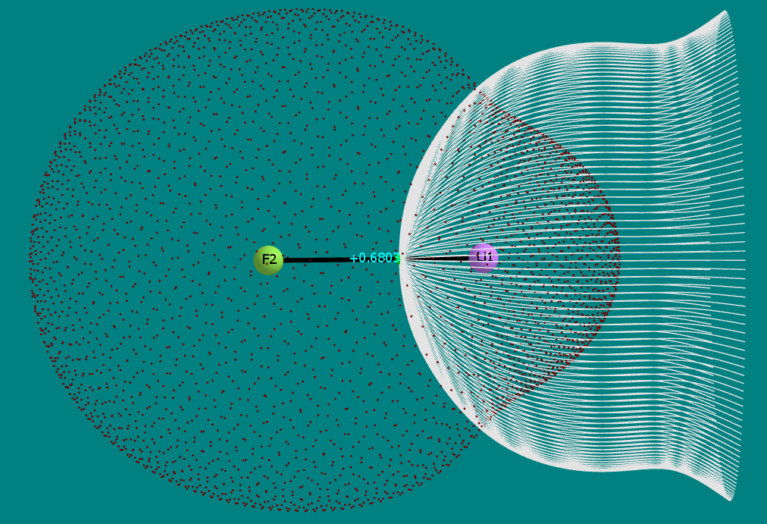
 |  | Atomic Integration Ray Data

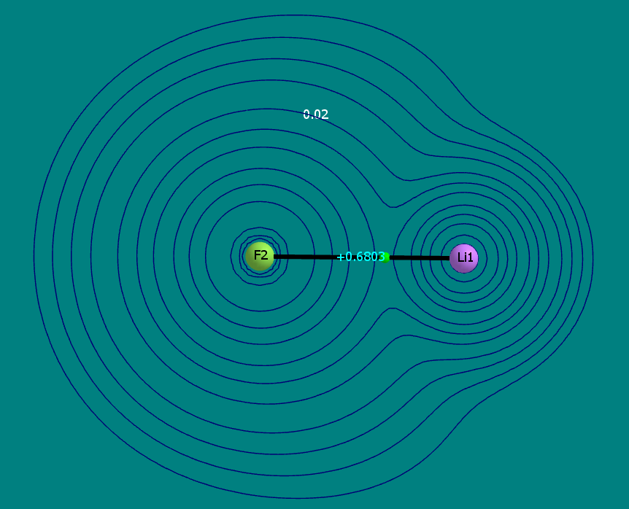
 |  |  |  |  | Contour Plot

