Sheet1
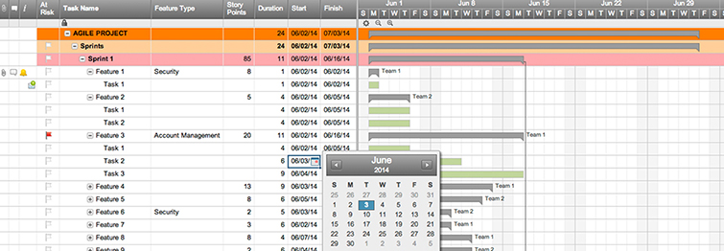
Agile Project Plan

Project Name | Stats-MLB
Project Manager | Ezequiel Mendez
Project Deliverable
Scope Statement

Start Date | 2017-08-16
End Date | 2017-09-01
Overall Progress | 20%

Task Name | Responsible | Start | End | Days | Status
Sprint 1 | Alex B. | 2016-09-03 | 2016-09-13 | 10 | Complete
Feature 1 | Frank C. | 2016-09-03 | 2016-09-07 | 4 | Complete
Feature 2 | Jacob S. | 2016-09-07 | 2016-09-12 | 5 | Complete
Feature 3 | Jacob S. | 2016-09-09 | 2016-09-13 | 4 | Overdue
Sprint 2 | Jacob S. | 2016-09-16 | 2016-09-24 | 8 | In progress
Feature 4 | Alex B. | 2016-09-16 | 2016-09-17 | 1 | In progress
Feature 5 | Frank C. | 2016-09-17 | 2016-09-21 | 4 | Not started
Feature 6 | Shari W. | 2016-09-22 | 2016-09-24 | 2 | Not started
Sprint 3 | Shari W. | 2016-09-25 | 2016-10-05 | 10 | Not started
Feature 7 | Alex B. | 2016-09-25 | 2016-09-29 | 4 | Not started
Feature 8 | Kennedy K. | 2016-09-24 | 2016-10-02 | 8 | Not started
Feature 9 | Jacob S. | 2016-10-02 | 2016-10-05 | 3 | Not started

Create an Agile Project Plan in Smartsheet

