Sheet1
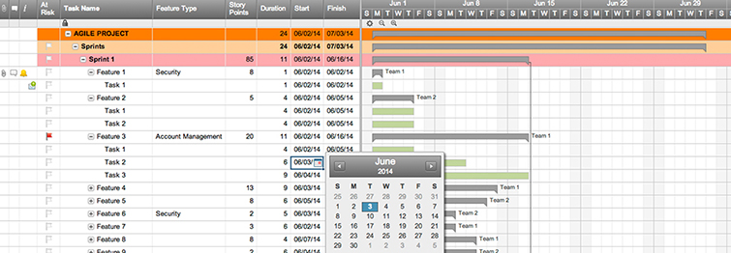
Agile Project Plan

Project Name | Stats-MLB
Project Manager | Ezequiel Mendez
Project Deliverable
Scope Statement

Start Date | 2017-08-19
End Date | 2017-09-01
Overall Progress | 20%

Task Name | Responsible | Start | End | Days | Status
Sprint 1 | Alex B. | 2017-08-22 | 2017-08-23 | 1 | Complete
1.1 Extract dat from team (22/8/17) | Frank C. | 2017-08-22 | 2017-08-23 | 1 | Complete
1.2 Create class / db model (23/8/17) | Jacob S. | 2017-08-22 | 2017-08-23 | 1 | Complete
1.3 Create MLB Serie Class (24/8/17) | Jacob S. | 2017-08-22 | 2017-08-23 | 1 | Overdue
Sprint 2 | Jacob S. | 2017-08-21 | 2017-08-24 | 3 | In progress
Create MLB Game Class (24/8/17) | Alex B. | 2017-08-21 | 2017-08-22 | 1 | In progress
2.1 . Align MLB Series per day (25/8/17) | Frank C. | 2017-08-23 | 2017-08-23 | 0 | Not started
2.2 Order schedule (26/8/17) | Shari W. | 2017-08-23 | 2017-08-24 | 1 | Not started
Sprint 3 | Shari W. | 2017-08-20 | 2017-08-20 | 0 | Not started
3.1 Creting of sheets depending of quantities and dates (27/8/17) | Alex B. | 2017-08-20 | 2017-08-21 | 1 | Not started
Extract MLB Stats | Kennedy K. | 2017-08-20 | 2017-08-20 | 0 | Not started
Extract MLB Schedule | Jacob S. | 2017-08-20 | 2017-08-20 | 0 | Not started
 |  | 2017-08-20 | 2017-08-20 | 1
 |  | 2017-08-20 | 2017-08-20 | 1
Extract MLB Schedule | Jacob S. | 2017-08-20 | 2017-08-20 | 0 | Not started
Extract MLB Series

Extract Pitchers (21/8/17 - 22/8/17)
Create an Agile Project Plan in Smartsheet

