dna_amp3020
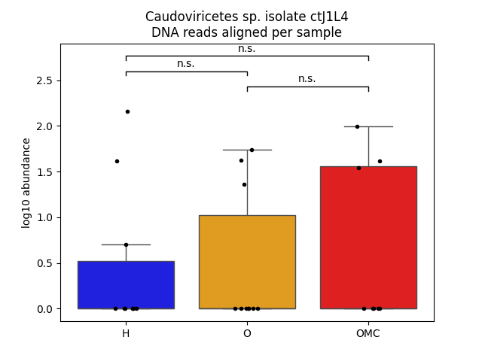
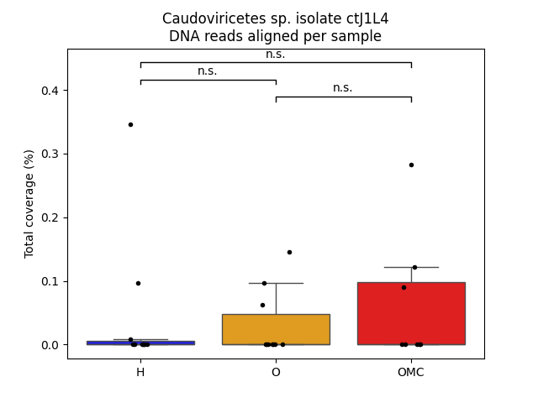
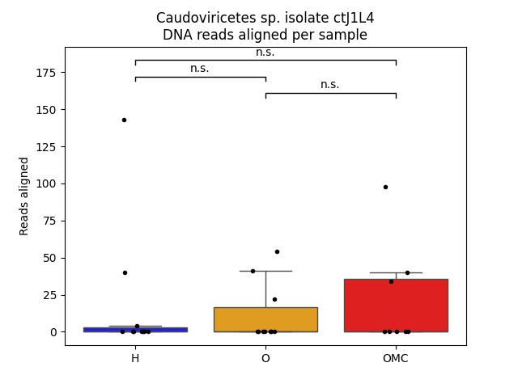
sample | reads | relative_abundance | log10 | coverage
H-10 | 0 | 0 | 0 | 0
H-118 | 0 | 0 | 0 | 0
H-119 | 143 | 6.97E-05 | 2.158362492 | 0.345941
H-120 | 4 | 2.04E-06 | 0.698970004 | 0.00840795
H-124 | 0 | 0 | 0 | 0
H-147 | 0 | 0 | 0 | 0
H-161 | 0 | 0 | 0 | 0
H-169 | 0 | 0 | 0 | 0
H-193 | 40 | 2.00E-05 | 1.612783857 | 0.0964639
H-314 | 0 | 0 | 0 | 0
O-121 | 54 | 1.74E-05 | 1.740362689 | 0.144999
O-122 | 22 | 1.30E-05 | 1.361727836 | 0.0631658
O-123 | 0 | 0 | 0 | 0
O-152 | 41 | 1.57E-05 | 1.62324929 | 0.0969798
O-39 | 0 | 0 | 0 | 0
O-418 | 0 | 0 | 0 | 0
O-420 | 0 | 0 | 0 | 0
O-434 | 0 | 0 | 0 | 0
O-445 | 0 | 0 | 0 | 0
O-90 | 0 | 0 | 0 | 0
OMC-124 | 0 | 0 | 0 | 0

OMC-125 | 98 | 3.78E-05 | 1.995635195 | 0.282653
OMC-126 | 40 | 1.76E-05 | 1.612783857 | 0.122446
OMC-288 | 34 | 5.53E-05 | 1.544068044 | 0.0904234
OMC-446 | 0 | 0 | 0 | 0
OMC-55 | 0 | 0 | 0 | 0
OMC-64 | 0 | 0 | 0 | 0
OMC-87 | 0 | 0 | 0 | 0

rna_amp3020
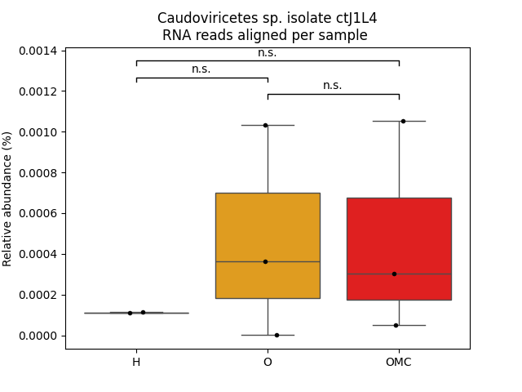
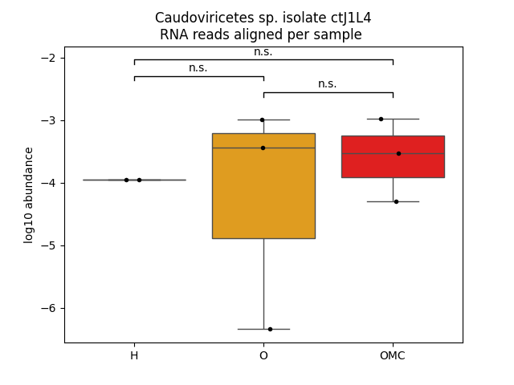
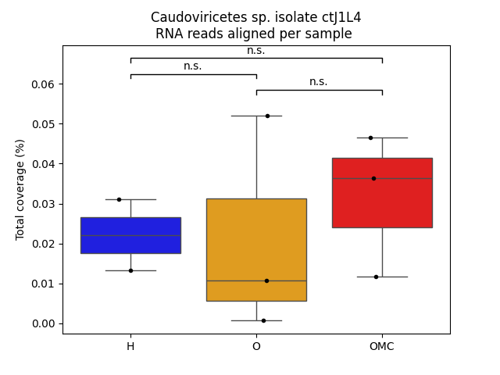
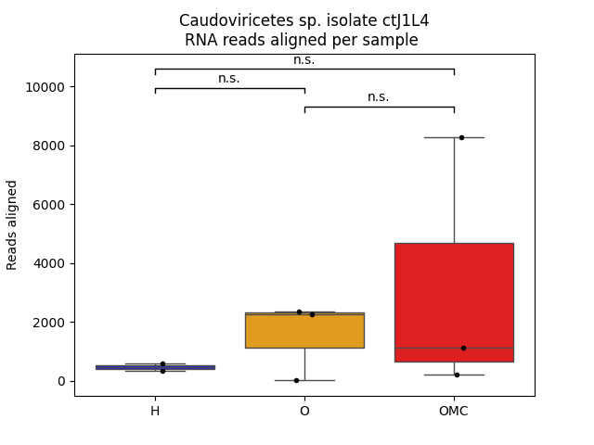
sample | reads | relative_abundance | log10 | coverage
H-015 | 593 | 0.000112483 | -3.948912058 | 0.0310213
O-024 | 2251 | 0.000364718 | -3.43804226 | 0.0519957
O-074 | 2356 | 0.001031385 | -2.986578994 | 0.0106845
O-090 | 5 | 4.59E-07 | -6.338419398 | 0.00066778
OMC-146 | 8265 | 0.001052644 | -2.977718461 | 0.046441
OMC-153 | 200 | 5.12E-05 | -4.290470914 | 0.0117772
H-164 | 319 | 0.000111596 | -3.952351464 | 0.0131735
OMC-258 | 1123 | 0.000301206 | -3.521136569 | 0.036394

