02_organ_avg
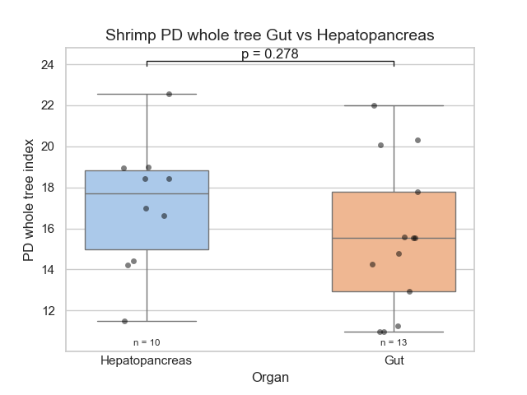
Organ | Seqs/Sample | PD_whole_tree Ave. | PD_whole_tree Err. | chao1 Ave. | chao1 Err. | goods_coverage Ave. | goods_coverage Err. | observed_otus Ave. | observed_otus Err. | shannon Ave. | shannon Err. | simpson Ave. | simpson Err.
Hepatopancreas | 4832 | 17.113 | 2.959 | 273.995 | 53.839 | 0.988 | 0.002 | 223.91 | 51.378 | 4.927 | 0.939 | 0.89 | 0.058
Intestino | 4832 | 15.543 | 3.502 | 274.435 | 45.316 | 0.986 | 0.002 | 204.877 | 53.746 | 4.41 | 0.962 | 0.869 | 0.055

03_genetics_avg
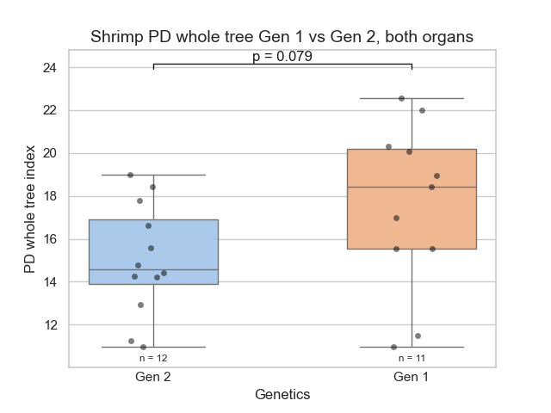
Genetics | Seqs/Sample | PD_whole_tree Ave. | PD_whole_tree Err. | chao1 Ave. | chao1 Err. | goods_coverage Ave. | goods_coverage Err. | observed_otus Ave. | observed_otus Err. | shannon Ave. | shannon Err. | simpson Ave. | simpson Err.
Gen 1 | 4832 | 17.538 | 3.689 | 294.106 | 55.339 | 0.987 | 0.002 | 236.927 | 60.419 | 5.045 | 0.988 | 0.898 | 0.056
Gen 2 | 4832 | 15.022 | 2.499 | 256.036 | 33.762 | 0.987 | 0.002 | 191.358 | 34.063 | 4.259 | 0.82 | 0.859 | 0.051

04_organ_genetics_avg
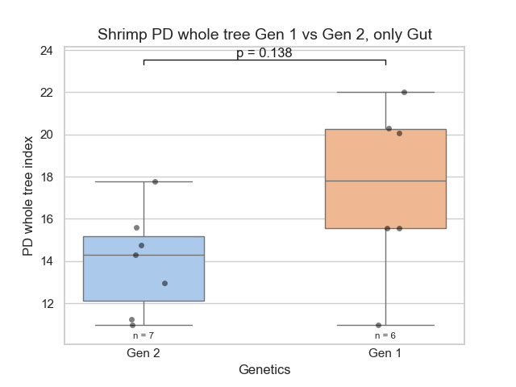
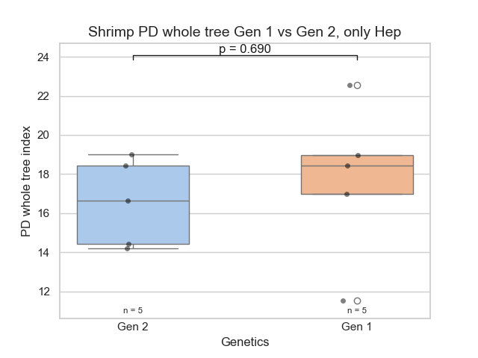
Organ/Genetics | Seqs/Sample | genetics_PD_whole_tree Ave. | genetics_PD_whole_tree Err. | genetics_chao1 Ave. | genetics_chao1 Err. | genetics_goods_coverage Ave. | genetics_goods_coverage Err. | genetics_observed_otus Ave. | genetics_observed_otus Err. | genetics_shannon Ave. | genetics_shannon Err. | genetics_simpson Ave. | genetics_simpson Err.
Hepatopancreas gen 1 | 4832 | 17.686 | 3.593 | 292.001 | 63.914 | 0.988 | 0.003 | 238.6 | 59.859 | 5.04 | 0.842 | 0.903 | 0.039
Hepatopancreas gen 2 | 4832 | 16.539 | 1.986 | 255.988 | 32.617 | 0.989 | 0.001 | 209.22 | 35.562 | 4.814 | 1.013 | 0.877 | 0.069
Gut gen 1 | 4832 | 17.413 | 3.763 | 295.86 | 46.943 | 0.987 | 0.001 | 235.533 | 60.846 | 5.049 | 1.094 | 0.895 | 0.067
Gut gen 2 | 4832 | 13.939 | 2.252 | 256.07 | 34.556 | 0.986 | 0.002 | 178.6 | 26.365 | 3.862 | 0.202 | 0.846 | 0.024

