Heatmap
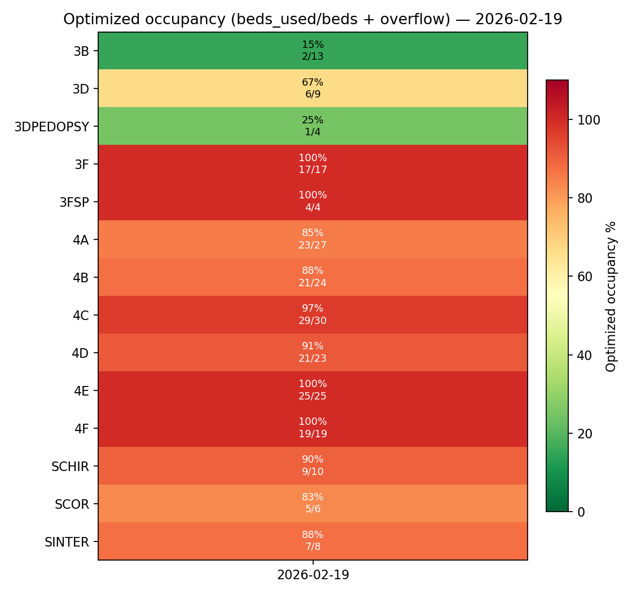
Optimized occupancy heatmap — 2026-02-19
Cell label shows: % and occ/beds (+overflow if any)

