AFTER_CREATING
DESARROLLO
AFTER_CREATING

2022-04-27
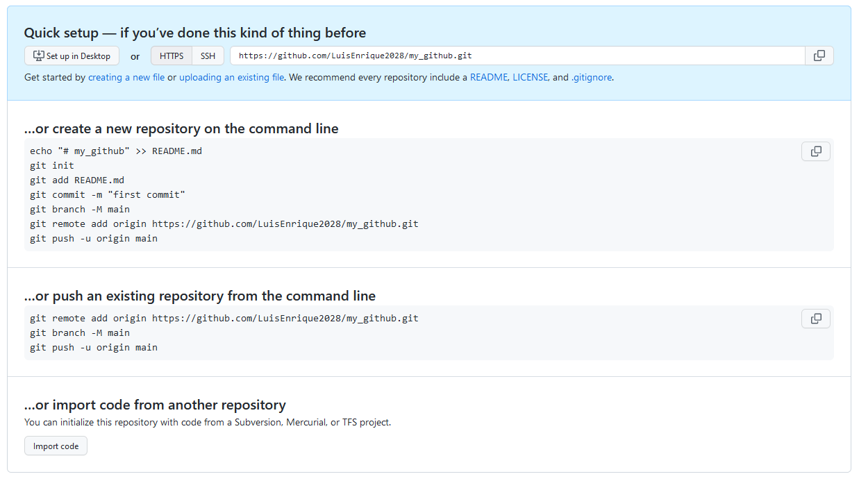
 | Quick setup — if you’ve done this kind of thing before
 | or

 | Get started by creating a new file or uploading an existing file. We recommend every repository include a README, LICENSE, and .gitignore.
 | …or create a new repository on the command line

 | echo "# my_github" >> README.md
 | git init
 | git add README.md
 | git commit -m "first commit"
 | git branch -M main
 | git remote add origin https://github.com/LuisEnrique2028/my_github.git
 | git push -u origin main

 | …or push an existing repository from the command line

 | git remote add origin https://github.com/LuisEnrique2028/my_github.git
 | git branch -M main
 | git push -u origin main

