Hoja1
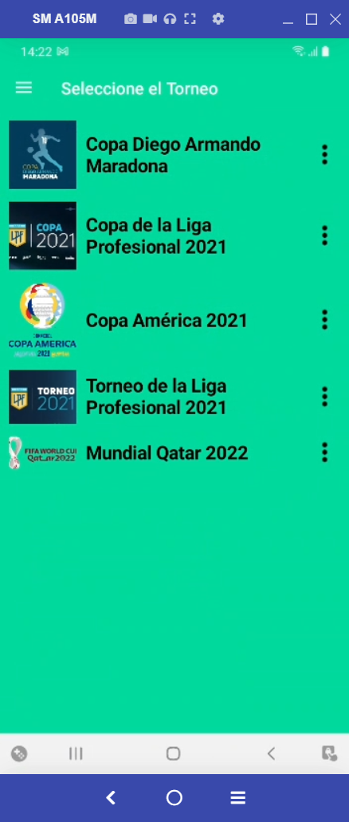
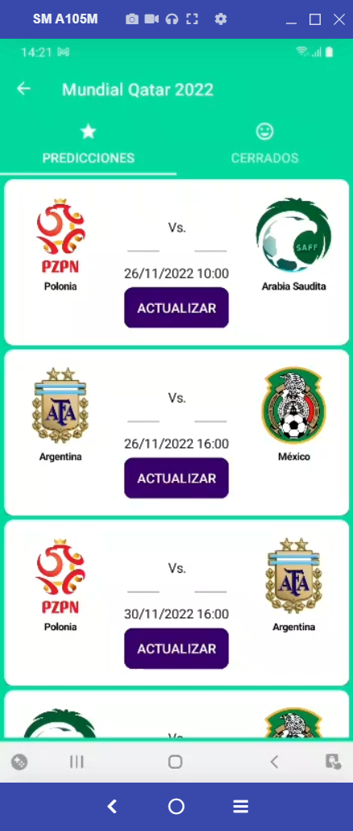
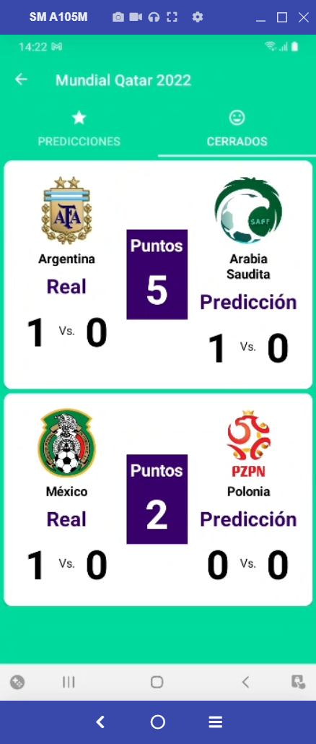
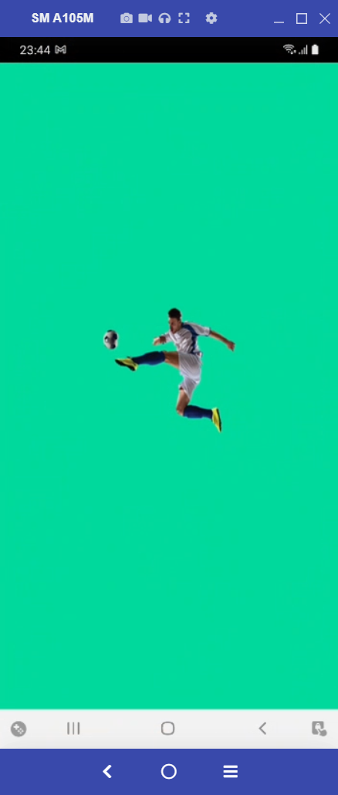

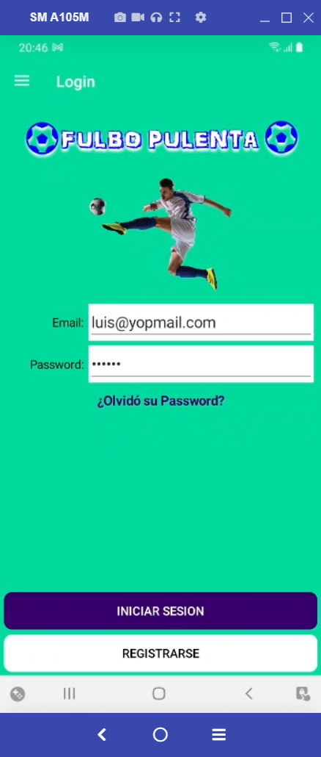
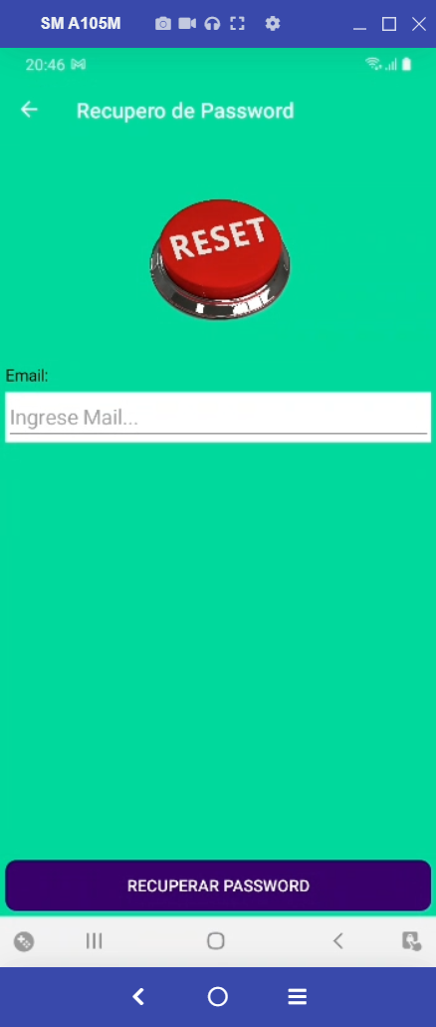
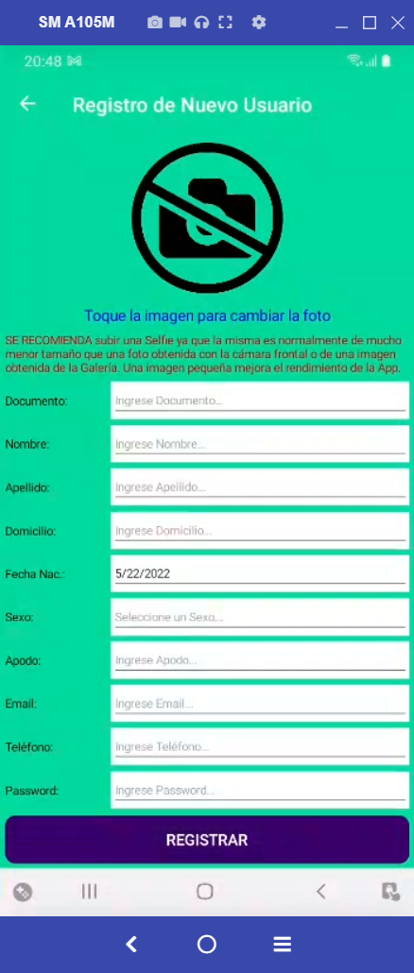
Splash |  |  |  | Splash |  | LoginPage | RememberPasswordPage | RegisterPage
LoginPage
RememberPasswordPage
RegisterPage
ModifyUserPage
ChangePasswordPage
TournamentsPage
TournamentTabbedPage
 | GroupsPage
 | MatchesPage
 | ClosedMatchesPage
SoccerMasterDetailPage
MyGroupsPage
AddGroupBetPage
InvitarPage
GroupBetPage
GroupBetPagePlayer
MyPredictionsPage
PredictionsTabbedPage
 | PredictionsForTournamentPage |  |  |  |  |  |  | TournamentTabbedPage
 | ClosedPredictionsForTournamentPage |  |  |  |  |  | TournamentsPage | GroupsPage | MatchesPage | ClosedMatchesPage

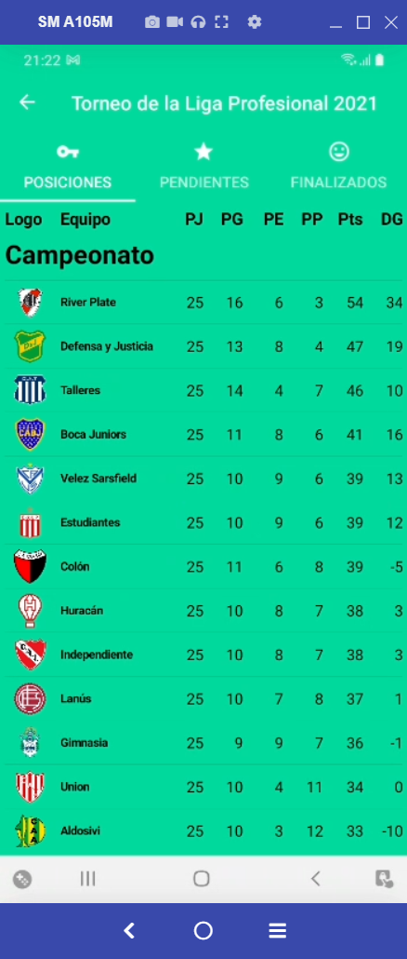

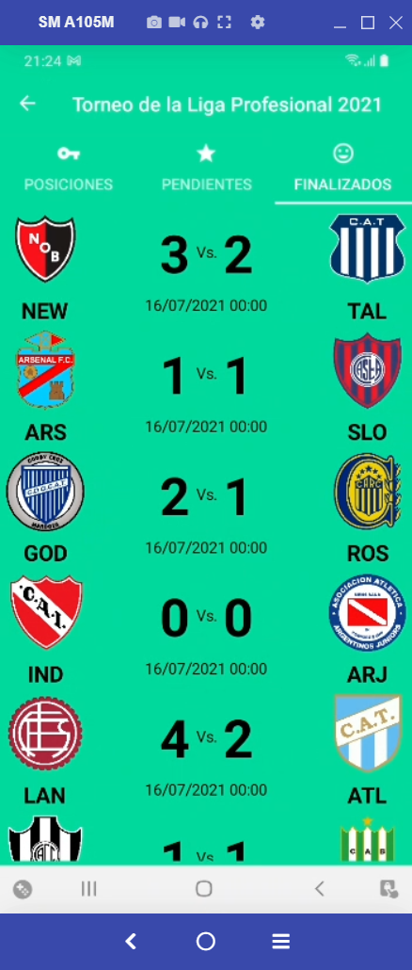
RulesPage

 |  | ChangePasswordPage | ModifyUserPage |  | SoccerMasterDetailPage |  | MyGroupsPage | AddGroupBetPage | InvitarPage | GroupBetPage | GroupBetPagePlayer
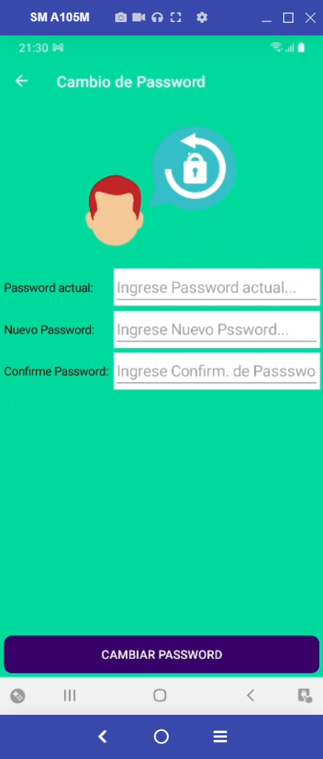
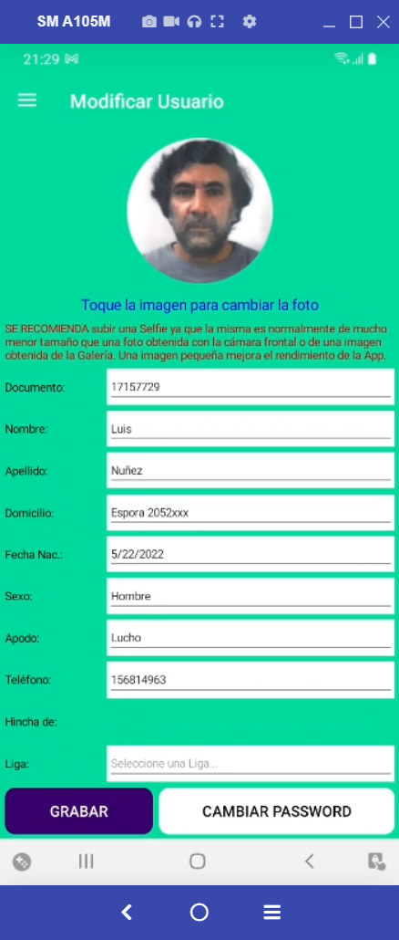
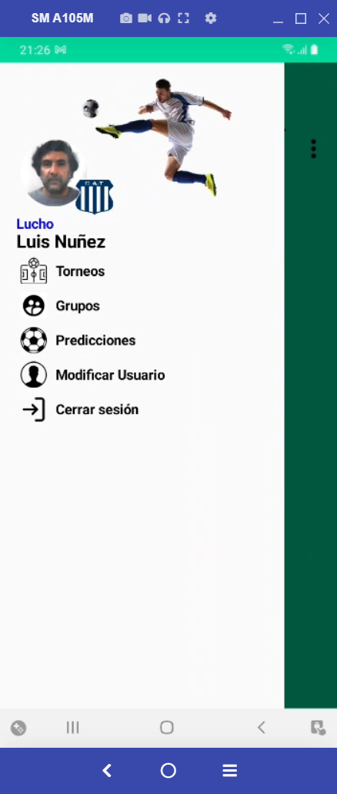
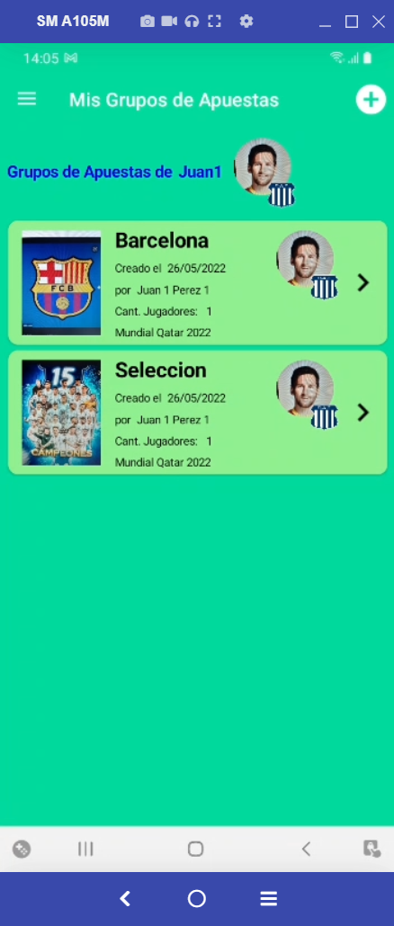
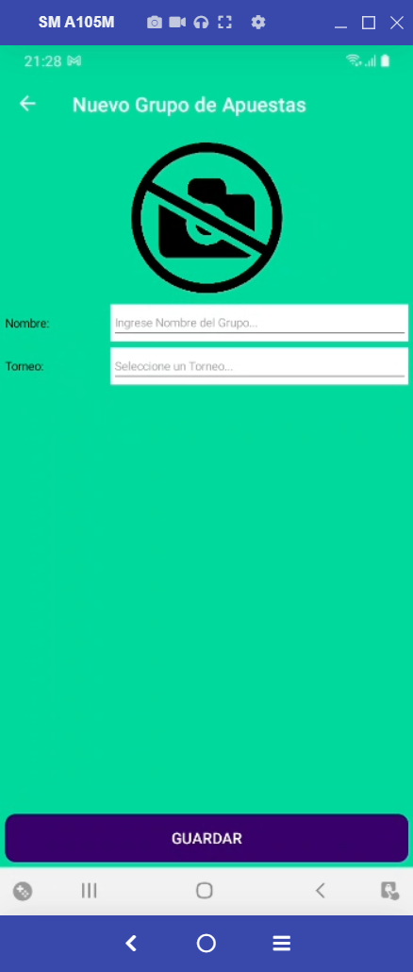
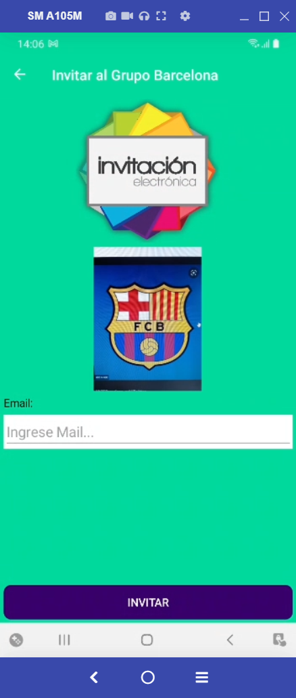
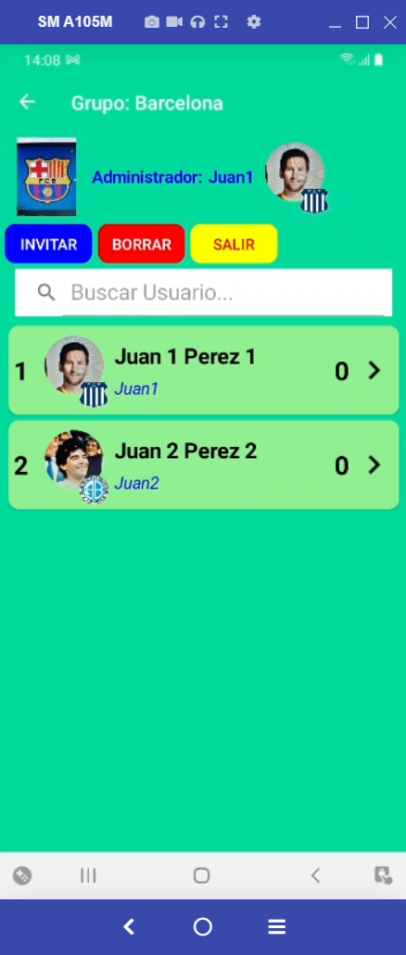

 |  |  |  |  |  |  |  | PredictionsTabbedPage
 |  |  |  |  |  |  | MyPredictionsPage | PredictionsForTournamentPage | ClosedPredictionsForTournamentPage

