Hoja1
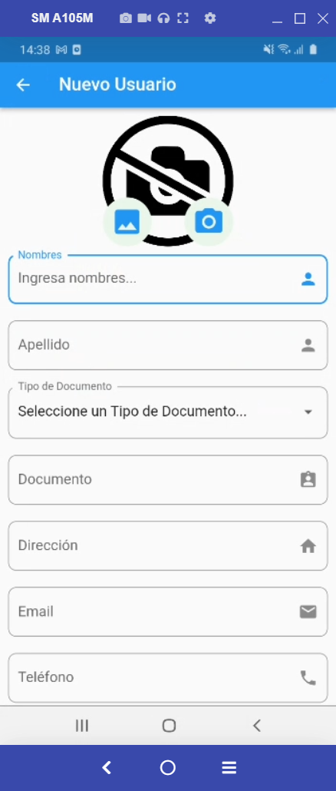
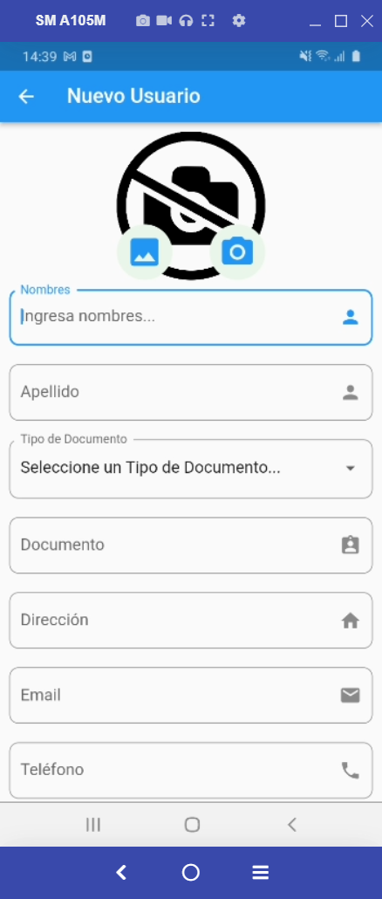
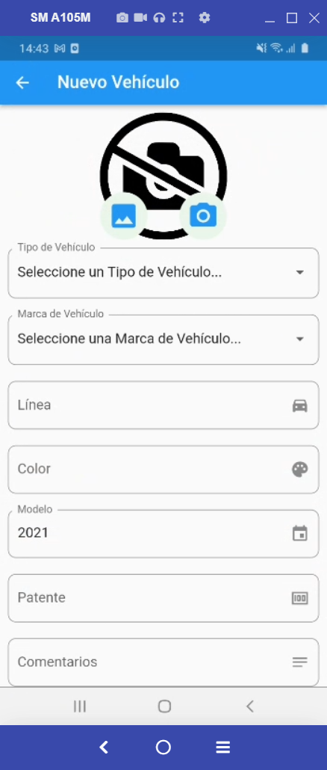
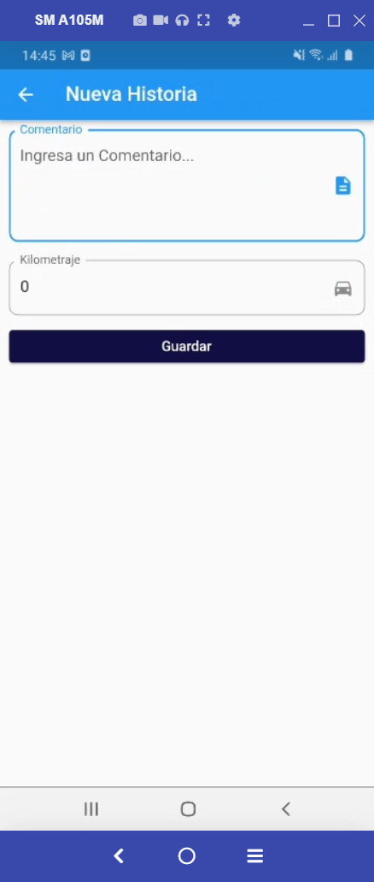
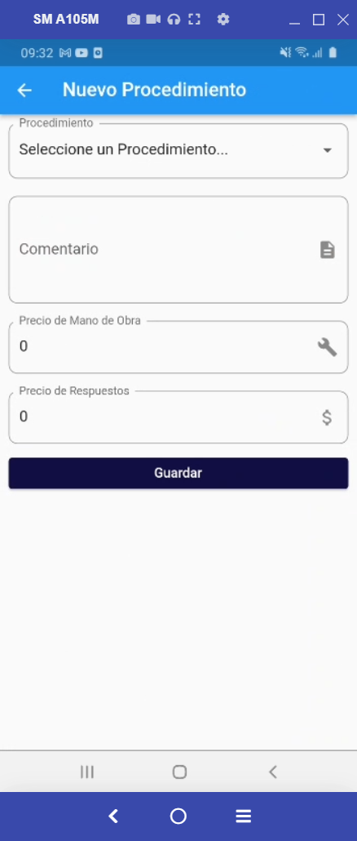
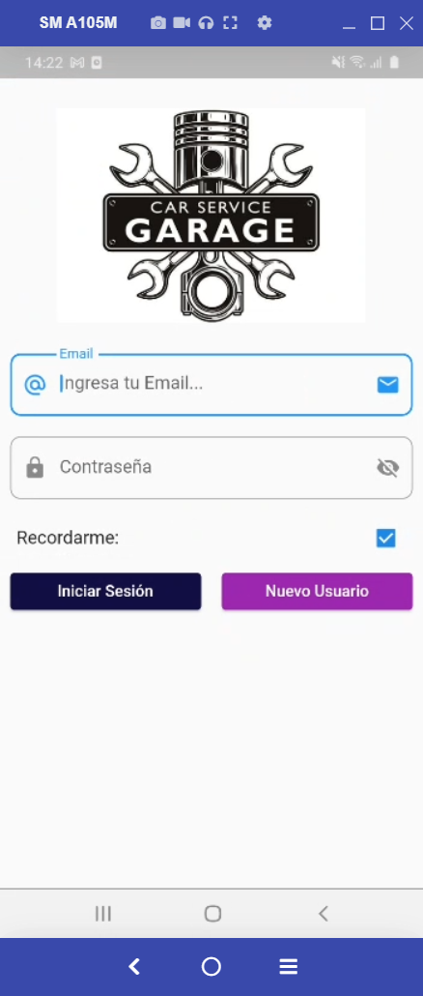
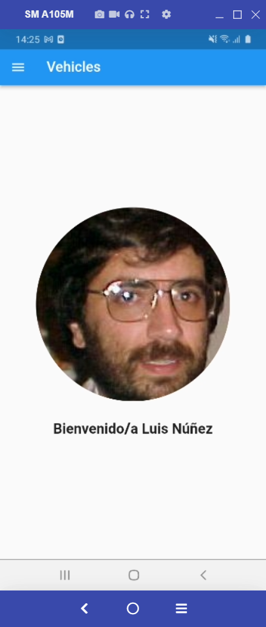
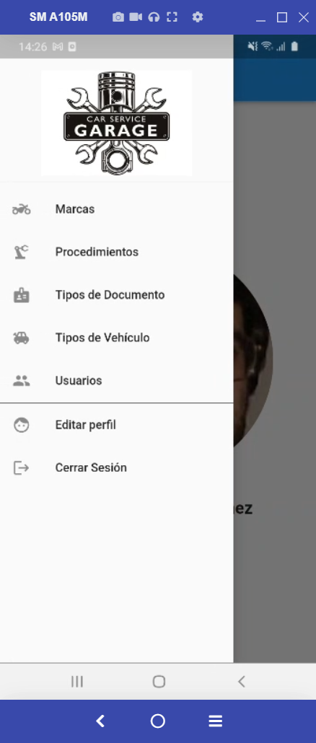
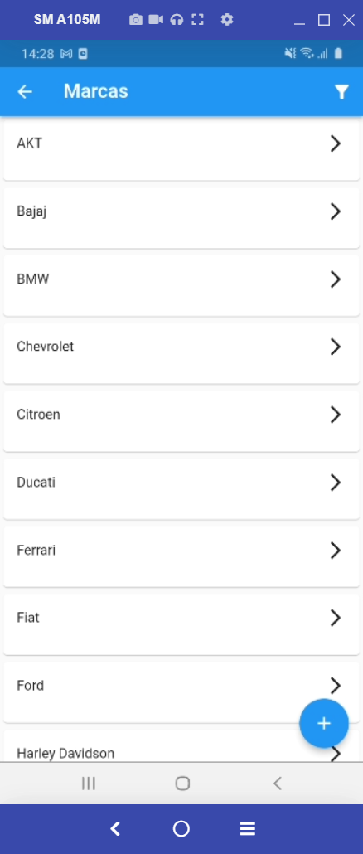

SCREEN
brands_screen.dart | login_screen.dart | home_screen.dart | brands_screen.dart | brand_screen.dart
brand_screen.dart
detail_screen.dart
display_picture_screen.dart
document_types_screen.dart
document_type_screen.dart
history_info_screen.dart
history_screen.dart
home_screen.dart
login_screen.dart
procedures_screen.dart
procedure_screen.dart
take_picture_screen.dart
users_screen.dart
user_info_screen.dart
user_screen.dart
vehicle_info_screen.dart
vehicle_screen.dart
vehicle_types_screen.dart
vehicle_type_screen.dart
wait_screen.dart

 |  |  | procedures_screen.dart | procedure_screen.dart
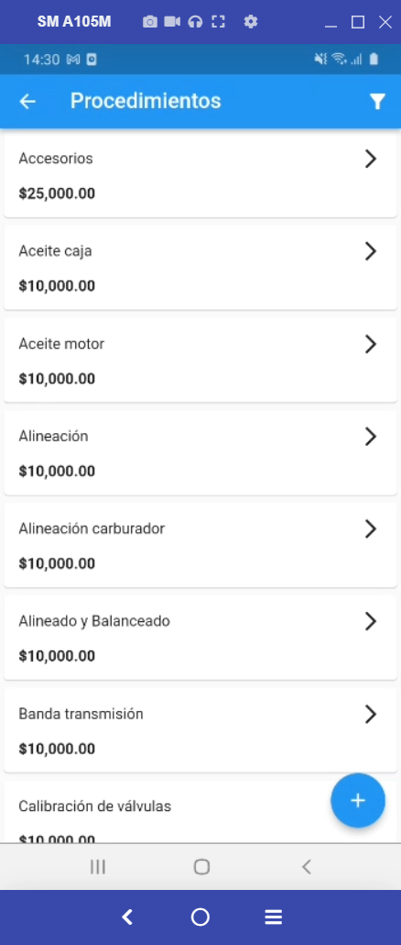
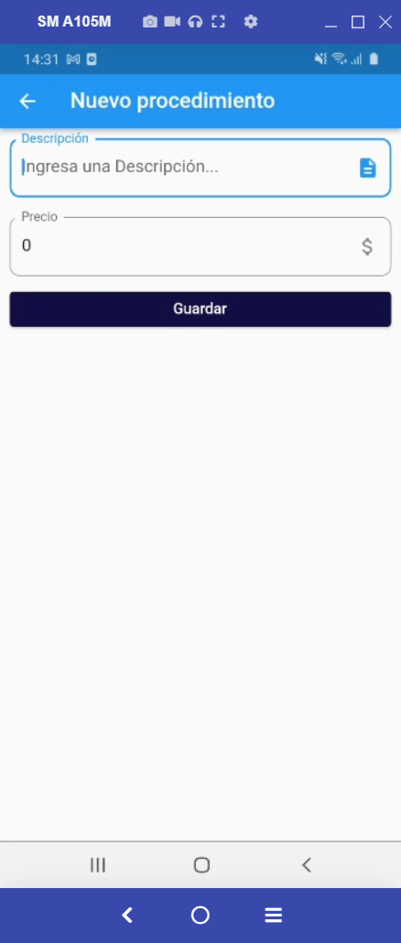

 |  |  | document_types_screen.dart | document_type_screen.dart
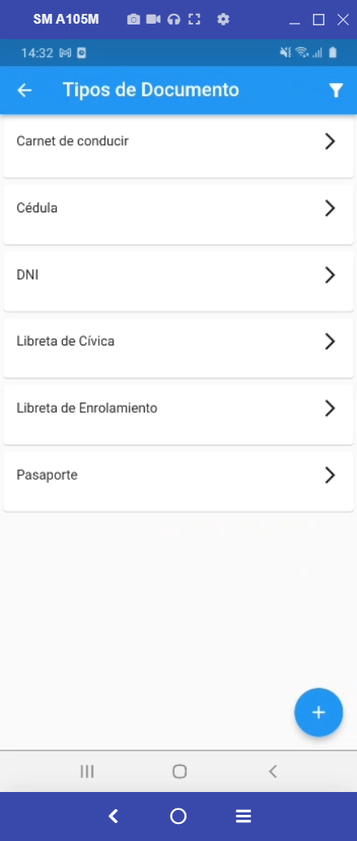


 |  |  | vehicle_types_screen.dart | vehicle_type_screen.dart
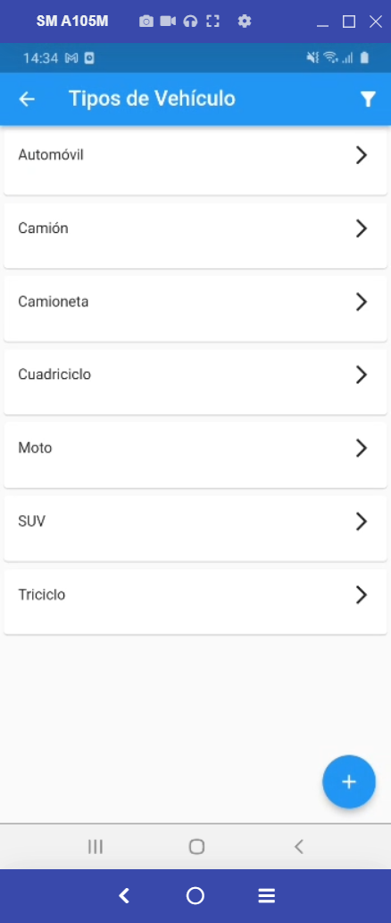


 |  |  | users_screen.dart |  |  | user_info_screen.dart |  |  | vehicle_info_screen.dart |  | history_info_screen.dart |  | detail_screen.dart
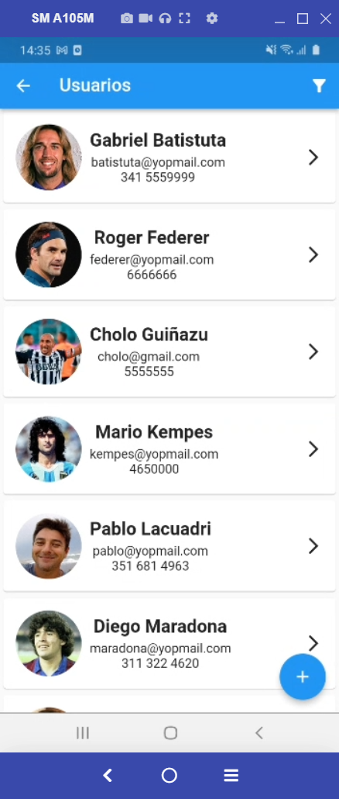
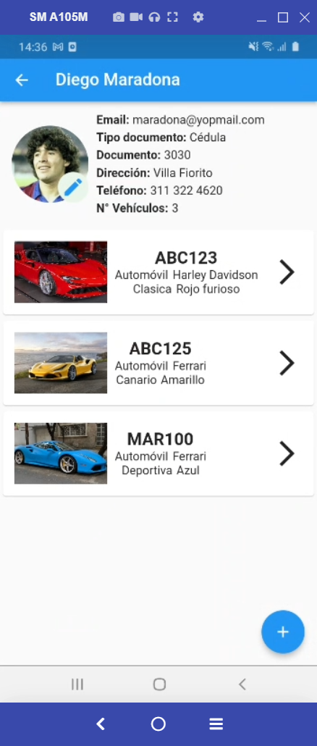
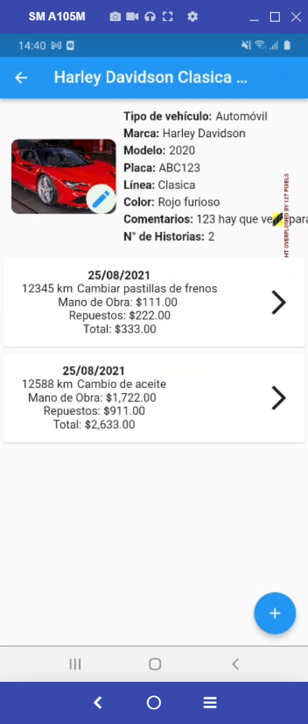
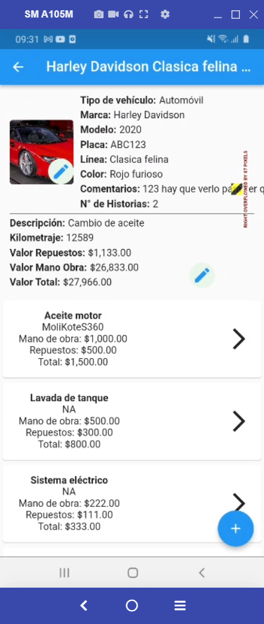
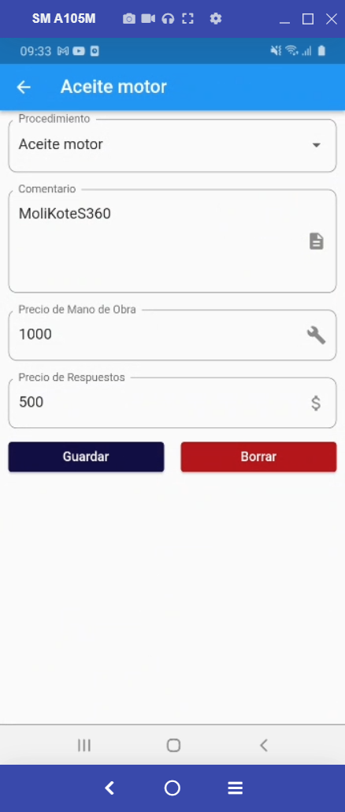

 |  |  |  | user_screen.dart | take_picture_screen.dart |  | vehicle_screen.dart | take_picture_screen.dart |  | history_screen.dart |  | detail_screen.dart

