Notes
Hybridization | Meaning
1 | Infertile hybrids
2 | Fertile hybrids, chromosomes do not recombine, so all progeny is from either parental
3 | Fertile and recombining hybrids
Quilodra´n CS, Montoya-Burgos JI, Currat M, 2020

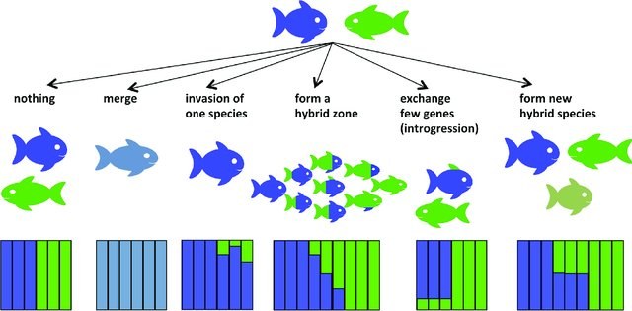
Outcomes
 |  | Species Fussion | Local Merging of species
 |  | Hybrid Speciation | Third hybrid species arises
 |  | Introgression | Gene Flow
 |  | Adaptive introgression | Introgression of adaptations
 |  | Reinforcement | Reinforcement of reproductive isolation
 |  | Local Extinction | One species goes exctinct in the contact zone
 |  | Genetic Swamping | Genetic integrity of one sp swamped by other
 |  | Hybrid Zone | Hybrid zone development
 |  | Rare hybridization | Nothing, i. e., small cases

Runemark, A., Vallejo-Marin, M., & Meier, J. I. (2019). Eukaryote hybrid genomes. PLoS genetics, 15(11), e1008404.

Roya Adavoudi and Małgorzata Pilot, 2022

Conservation Categories
Not Evaluated, Data Deficient, Least Concern, Near Threatened, Vulnerable, Endangered, Critically Endangered, Extinct in the Wild and Extinct.

