Optimización
 | Luis

CANDIDATES | Janina |  |  | CRITERIA | Cost of living |  |  | COUNTRY | USA
 | Luis |  |  |  | language difficulty
 | Enrique |  |  |  | possibilities to get a job in that country
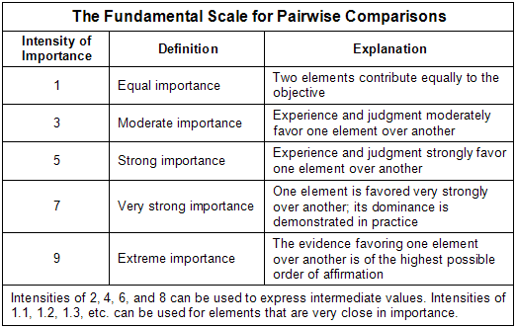
 |  |  |  |  |  |  | 8}0i{brf54t2w0A2Q

COMPARISONS

 |  |  |  |  |  | Cost of living | Janina | Luis | Enrique
COST OF LIVING | Janina | 1 | Luis | 7 |  | Janina | 1 | 0.14285714286 | 4
 | Luis | 6 | Enrique | 1 |  | Luis | 7 | 1 | 6
 | Enrique | 1 | Janina | 4 |  | Enrique | 0.25 | 0.16666666667 | 1

 | Cost of living |  | Janina | Luis | Enrique | Priority
 |  | Janina | 1 | 0.14285714286 | 4 | 0.0689
 |  | Luis | 7 | 1 | 6 | 0.6809
 |  | Enrique | 0.25 | 0.16666666667 | 1 | 0.2502
 |  |  |  |  | total | 1
 |  |  |  | is

 | bi |  |  |  |  | Language | Janina | Luis | Enrique
LANGUAGE | Janina | 6 | Luis | 1 |  | Janina | 1 | 6 | 0.33333333333
 | Luis | 1 | Enrique | 4 |  | Luis | 0.16666666667 | 1 | 0.25
 | Enrique | 3 | Janina | 1 |  | Enrique | 3 | 4 | 1

 | Language |  | Janina | Luis | Enrique | Priority
 |  | Janina | 1 | 6 | 0.33333333333 | 0.4378
 |  | Luis | 0.16666666667 | 1 | 0.25 | 0.0845
 |  | Enrique | 3 | 4 | 1 | 0.4777
 |  |  |  |  | Total | 1

 |  |  |  |  |  | Posibilities | Janina | Luis | Enrique
POSIBILITIES | Janina | 1 | Luis | 7 |  | Janina | 1 | 0.14285714286 | 0.2
 | Luis | 4 | Enrique | 1 |  | Luis | 7 | 1 | 4
 | Enrique | 5 | Janina | 1 |  | Enrique | 5 | 0.25 | 1

 | Posibilities |  | Janina | Luis | Enrique | Priority
 |  | Janina | 1 | 0.14285714286 | 0.2 | 0.0652
 |  | Luis | 7 | 1 | 4 | 0.6313
 |  | Enrique | 5 | 0.25 | 1 | 0.3035
 |  |  |  |  | Total | 1

