Sheet1
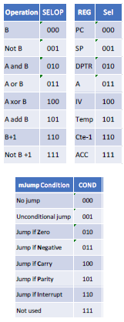
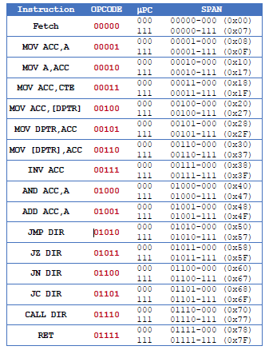
Instruction | OPCODE
Fetch | 00000000
MOV ACC, A | 00001000
MOV A, ACC | 00010000
MOV ACC, CTE | 00011000
MOV ACC, [DPTR] | 00100000
MOV DPTR, ACC | 00101000
MOV [DPTR], ACC | 00110000
INV ACC | 00111000
AND ACC, A | 01000000
ADD ACC, A | 01001000
JMP DIR | 01010000
JZ DIR | 01011000
JN DIR | 01100000
JC DIR | 01101000
CALL DIR | 01110000
RET | 01111000
OR ACC, A | 10001000
LSR ACC | 10010000
MSB ACC | 10011000
LS7 ACC | 10100000
HALT | 11111000

