Instruction
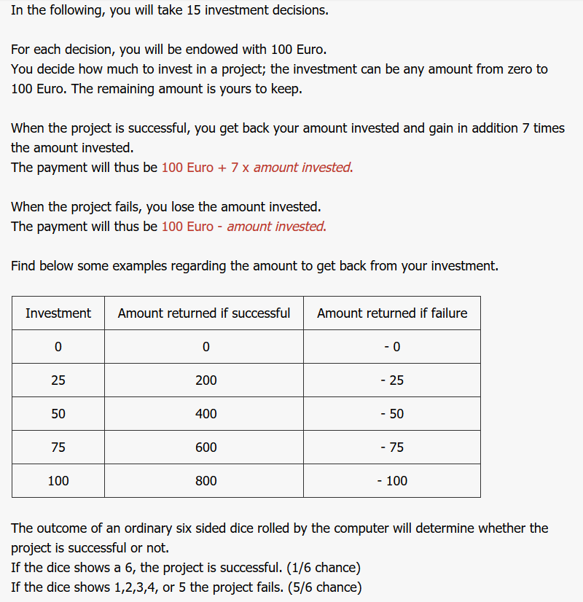

Treatments
Low Frequence - one decision for three periods
High Frequency - one decision for one period

