Sheet1
SALES/RENTAL |  | London Linen | Issued by:- | Lara
ORDER NUMBER | S851569 | TIBARD

Pattern Ref |  | 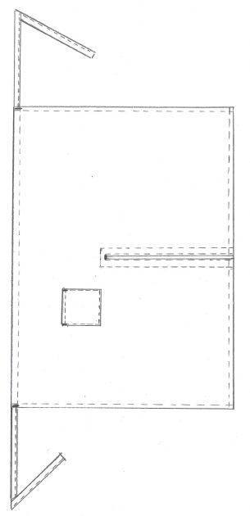 WIDE WAIST APRON WITH POCKET RIGHT SIDE AS WORN. CUT OUT CENTRE FRONT SPLIT/FACING SELF FABRIC WAIST TIES
AP0528 VARIENT APP0528PKT MARKER - APP0528PKT

DATE ISSUED | 2026-01-22 | DATE REQUIRED | 2026-02-20
QUANTITY |  | SNSAPP052803 | SIZE
250 |  | SNSAPP052803

 | NOTE; STAY TAPE TO BE ADDED TO THE ROW OF STITCHING AT THE TOP OF THE SPLIT TO SECURE
 |  | NO TIBARD BRANDING
EMBROIDERY

NONE

CUTTING |  |  | CODE | LOCATION
PATTERN | AP0528 VARIENT APP0528PKT MARKER - APP0528PKT
FABRIC | BLACK 65%POLYESTER 35% COTTON 195GSM |  | PC2003 | B11
SUPPLIERS | P AND R
RATING | 1.10M
MEASUREMENTS
WIDTH OF SKIRT | POCKET WIDTH X DEPTH | LENGTH FROM WAIST TO HEM
129CM | 16CM X 16CM | 94.5CM

TOLERANCE + OR - 1.5CM |  | TOLERANCE + OR - 1.5CM | TOLERANCE + OR - 1.5CM
TRIMS
THREAD | BLACK COATS EPIC 80'S
TIBARD PRINTED CARE LABEL | 65% POLYESTER 35% COTTON - 60 DEGREE WASH/ NO BLEACH/ 2 DOT IRON/TUMBLE DRY/ P DRY CLEAN SET LABEL 4CM DOWN FROM FINISHED RIGHT SIDE SEAM AS WORN
MANUFACTURING NOTES
MAKE WAIST TIES. FOLD IN HALF AND ENCLOSE RAW EDGES, BOX ONE END AND EDGESTITCH LONG EDGE.
DOUBLE TURN SIDE SEAMS AND TOPSTITCH 1CM
DOUBLE TURN TOP OF APRON AND TOPSTITCH 2CM. INSERT WAIST TIES. BACKTACK STITCHING OF WAIST TIES TO SECURE.
SET FACING TO SPLIT. TRIM INTO CORNERS AND TURN THROUGH. SET STAY TAPE (CUT AT 2.5CM)WITH STITCHING ACROSS TOP OF SPLIT TO SECURE. SPLIT 1CM WIDE AT TOP.
EDGESTITCH SPLIT OPENING.
TURN IN TO NEATEN FACING EDGE AND TOPSTITCH DOWN TO FORM 12MM TOPSTITCH OF SPLIT ALL ROUND.

DOUBLE TURN HEM AND TOPSTITCH 1CM.
SET POCKET HEM. DOUBLE TURN 1 + 2CM AND TOPSTITCH AT 2CM
SET POCKET TO RIGHT SIDE AS WORN. SET TOP OF POCKET 35CM IN FROM FINISHED SIDE SEAM AND 22CM DOWN FROM FINISHED TOP EDGE. NO TRIANGLE TACK AS POCKET TO BE BARTACKED.

FINISHING
BARTACK TOP OF SPLIT TO SECURE. 1 X LONG HORIZONTAL BARTACK (or 2 x SHORT BARTACK) SET ACROSS TOP OF SPLIT
BARTACK WAIST TIES X 2
BARTACK TOP OF POCKET X 2
CHECK,TRIM AND FOLD IN TENS.

CUTTER
MACHINIST
FINISHING
STORES

CREATED FOR SR1119 JH | Amended for SR1124 Jh 24/5/23 | CREATED FOR BULK 15/6/23 JH | jh 22/6/23 corrected to 1cm hem as sample approved
jh 20/6/24 Up-dated marker details re-AC

