sheet 1
SALES |  | CUSTOMER | Issued by:-
ORDER NUMBER | STOCK 1156 | WAGAMAMA | Processed by:- | GAIL

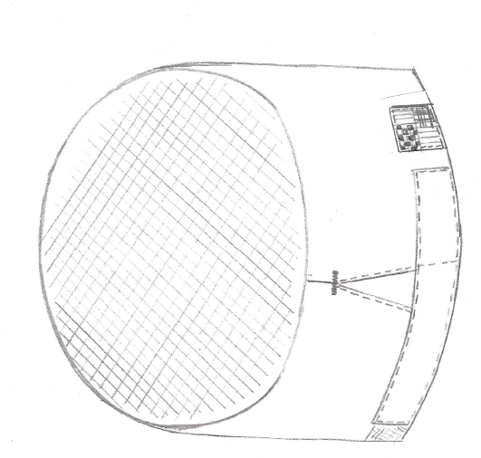
Pattern ref |  | REVISED LARGER FIT SKULL HAT MESH OVAL CROWN LONGER VELCRO FASTENED TAB AT CENTRE BACK FOR ADJUSTMENT. REVISED CUT LENGTH OF HOOK AND LOOP VELCRO.
HT0160 VARIENT WAG0160M
 |  | TIBARD TAX TAB SET TO RIGHT SIDE OF HAT AS WORN.

DATE ISSUED | 2026-09-14 | DATE REQUIRED | 2026-10-09
QUANTITY |  | WAGHTM016007 | ONE SIZE
 | 10 | WAGHTM016007

 | COMPOSITION ON CARE LABEL TO STATE 65% Recycled Polyester 35% Organic Cotton
 |  | LOGO SET AFTER MAKE-UP

Wagamama logo 3cm in white. (star also in white) POSITION OF LOGO TO BE FRONT OFF-CENTRE TO THE RIGHT SIDE OF HAT AS WORN. CENTRE OF LOGO SET 2.2CM UP FROM BOTTOM EDGE OF HAT. LOGO SET AFTER MAKE UP

 |  |  | 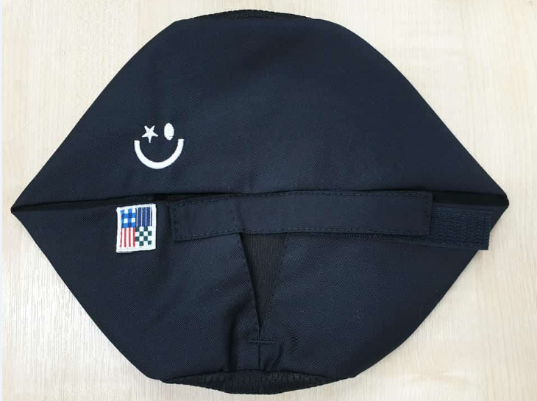 Image for logo position

CUTTING |  |  | CODE | LOCATION
PATTERN | HT0160 VARIENT WAG0160M
MAIN FABRIC | RED 65% POLYESTER/35% COTTON 200gsm Colour 111 |  | PC2X13307 | B11
SUPPLIERS | Tiajo
RATING | 0.12M
MESH FABRIC FOR CROWN | MESH 100% POLYESTER FABRIC RED |  | MESHPW31407
SUPPLIERS | PHILIP WHITFIELD & SONS
RATING | 0.04m
 |  | MEASUREMENTS
SIZE | ALL AROUND CAP FROM CENTRE BACK TO CENTRE BACK. TAB FLAT |  | DEPTH OF BAND | CROWN MEASUREMENTS
ONE SIZE | 60CM |  | 8CM | Front to back = 19.5cm
 |  |  |  | Side to side = 16.5cm
 | TOLERANCE + OR - 1CM |  | TOLERANCE + OR - 1CM
 |  | TRIMS
VELCRO BLACK - HOOK AND LOOP 16MM | 16MM WIDTH CUT AT 7CM LOOP 16MM WIDTH CUT AT 11CM HOOK
THREAD | RED COATS EPIC 80'S 03860 or 03855 - until stocks run out then use 03822
TIBARD TAX TAB | Tibard tax tab – Stitch in white thread on top and spool in thread to match hat. Set with green check of label to top of label. Set edge of label to bottom edge of hat and 1cm from secured end of tab. Fold in one side of label to neaten. Edgestitch all round.
CARE LABEL | TIBARD PRINTED - SET INTO CENTRE BACK CROWN
 | MAIN - 65% RECYCLED POLYESTER 35% ORGANIC COTTON MESH - 100% POLYESTER 60 DEG WASH/2 DOT IRON/ TUMBLE DRY /DO NOT BLEACH/P DRY CLEAN
 |  | MANUFACTURING NOTES
Make Velcro tab. Set loop Velcro 12mm from end of tab edge level with centre fold of tab. Edgestitch loop Velcro to tab. Bag out both ends. Edgestitch lower edge of tab to close tab.
Join centre back seam panel and notch into end of seam. Bag out slits.
Stitch along top edge to secure plies together and set care label/batch label.
5 thread join crown to panel . Notch = centre front and centre back.
Set Velcro tab to back of hat, right side as worn. Set tab so there is a 3.5cm gap between the end of the loop Velcro and the base of the hat split. This is to allow for adjustment. Edgestitch all round tab to secure to hat.
Edgestitch back split.
Set hook Velcro to back of hat. End of Velcro to be level with back split. Edgestitch all round Velcro,
Set Tibard tax tab. Stitch in white thread on top and spool in thread to match hat. Set with green check of label to top of label. Set edge of label to bottom edge of hat and 1cm from secured end of tab. Fold in side of label to neaten. Edgestitch all round.
 |  | FINISHING
BARTACK HORIZONTAL TOP OF SPLIT.
CHECK , TRIM AND FOLD.

CUTTER
MACHINIST
FINISHING
STORES

CREATED JH 25/09/23 SR1150
CREATED FOR TRIAL JH 3/10/23 |  | jh 16/10/23 CREATED FOR SR1158 SLIGHLTY SMALLER THAN SR1150
Approved for bulk 23/10/23 IM |  | JH RCR449 12/1/26 Amended to Tiajo red fabric colour 111 | JH 26/1/26 Amended composition label to 65% Recycled polyester/35% Organic cotton . RE- GW as want all care labels to read the same
JH 22/1/26 - Amended photo for embroidery position |  |  | JH 2/3/26 Amended fabric code from PC2007 to PC2X13307

