Sheet1
SALES/RENTAL |  | JALIN DESIGN | ISSUED BY
ORDER NUMBER |  | OLIVER HARVEY

MODEL FOHDENIM VARIENT APP0612 CUT IN LEATHER -1 LONG NECK STRAP .1 X SHORT STRAP WITH D RING LOOP. 1 X POCKET STRAP. 1 X SHORT BIB STRAP DISCARD RIGHT POCKET AS WORN |  | 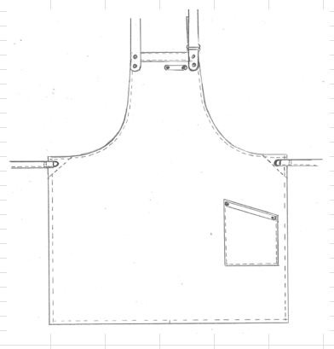 BIB APRON BIB TOP DETAIL SELF FABRIC WAIST TIES THROUGH LARGE EYELETS SLANT HIP POCKET SET TO LEFT SIDE AS WORN. LEATHER NECK STRAP WITH D RING LOOP NO TOWEL LOOP. STUD RE-INFORCEMENT PIECE TO BACK OF BIB TO HAVE LEATHER NECK STRAP AND LEATHER TRIM STUD FASTENED

DATE ISSUED |  | DATE REQUIRED
QUANTITY |  | OHAPP061268 | SIZE
 |  | OHAPP061268
 |  | SET EMBROIDERY TO POCKET PRE-MAKE UP
 |  | NO TAX TAB
 |  | OVERLOCK LOWER EDGE OF BIB RE-INFORCEMENT PIECE
 |  | NOTE:- SELF FABRIC WAIST TIES. (FABRIC NOT REVERSED FOR THIS STYLE).
NOTE THIS APRON TO BE CUT IN MULTIPLES OF 70 AND LEATHER STRAPS TO BE CUT IN CONJUNCTION WITH THE APRONS.
EMBROIDERY | 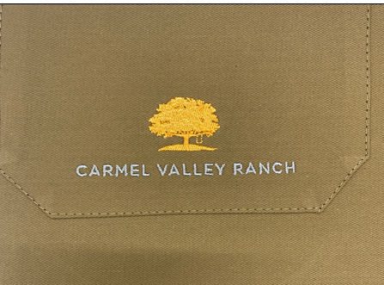 Carmel Valley Ranch Logo set to Left Pocket - Bottom Centre as worn.
CUTTING |  |  | CODE | LOCATION
PATTERN | MODEL FOHDENIM VARIENT APP0612 DISCARD RIGHT POCKET AS WORN CUT IN LEATHER -1 LONG NECK STRAP .1 X SHORT STRAP WITH D RING LOOP. 1 X POCKET STRAP. 1 X SHORT BIB STRAP
FABRIC | BISCUIT REF 2860 LAFCP300 300gms 55% COTTON 45% POLYESTER |  | PC9068 | B9
SUPPLIERS | UTEXBEL
RATING | 0.83M
MANUFACTURING
WIDTH (SKIRT) | ACROSS BIB |  | LENGTH FROM BIB TO HEM | Slant pocket - 25.5cm tall side - 18.5cm short side by 19.5cm wide
72CM | 26.5CM |  | 96CM
TOLERANCE + OR - 2CM | TOLERANCE + OR - 1CM | TOLERANCE + OR - 1.5CM | TOLERANCE + OR - 2CM
TRIMS
THREAD | COATS EPIC 80'S 08569 BISCUIT
OLIVER HARVEY WOVEN LABEL | SET 4CM DOWN FROM FINISHED TOP EDGE. SET TO RIGHT SIDE SEAM AS WORN.
OLIVER HARVEY CARE LABEL | Wash/care instructions 55% COTTON/45% POLYESTER - 70 DEGREE WASH/2 DOT IRON/P DRY CLEAN/ DO NOT BLEACH/TUMBLE DRY PLUS ADDITIONAL LABEL STATING "REMOVE LEATHER TRIM BEFORE WASH" SET 4CM DOWN FROM TOP OF RIGHT SIDE SEAM AS WORN. SET UNDERNEATH OH WOVEN LABEL.
LEATHER TRIM -LEATHERHIDE | 1 LONG NECK STRAP .1 X SHORT STRAP WITH D RING LOOP. 1 X POCKET STRAP. 1 X SHORT BIB STRAP
D RING BRONZE 30MM x 2 | SET THROUGH LEATHER STRAP WITH STUDS TO SECURE. SET TO LEFT SIDE OF BIB AS WORN.
ADDITIONAL PRINTED CARE LABEL | ADDITIONAL LABEL SET UNDERNEATH Oliver Harvey label to state "REMOVE NECK STRAP AND ALL LEATHER TRIMS BEFORE WASH"
BRONZE LARGE STUDS MALE PART SET TO APRON FEMALE PART SET TO LEATHER (USE MARKERS) | SET TO TOP OF BIB FOR STRAP (MALE STUD) USE MARKER. X 4 FOR SHORT BIB STRAP X 2 (MALE STUDS) USE MARKER FOR POCKET X 2 (MALE STUDS) USE MARKER
ANTIQUE BRASS EYELETS X 2 | 30E/R AB ANTIQUE BRASS EYELETS 30MM . SET TO TOP OF SIDE SEAM. CENTRE OF EYELET 3CM DOWN FROM TOP AND 3CM IN FROM SIDE SEAM - FINISHED. SET TO TOP EDGE OF BIB. CENTRE OF EYELET SET 3CM FROM SIDE OF BIB AND 3CM FROM TOP OF BIB.
MANUFACTURING NOTES
MAKE WAIST TIES. BAG OUT ENDS. EDGESTITCH ONE EDGE. (DO NOT REVERSE TIES)
OVERLOCK TOP EDGE OF POCKET AND LOWER EDGE OF BIB RE-INFORCEMENT PIECE
SET EYELET RE-INFORCEMENT PIECES AT EACH SIDE OF APRON. RIGHT SIDE OF FABRIC UPPERMOST.
NEATEN LOWER EDGE OF BIB RE-INFORCMENT PIECE. (RIGHT SIDE UPPERMOST) TURN 6MM AND TOPSTITCH 4MM. SET PIECE TO TOP OF APRON (WRONG SIDE OF APRON WITH WRONG SIDE UPPERMOST OF STUD RE-INFORCMENT PIECE) NOTE PIECE SLIGHLTY NARROWER THAN APRON SO IT FALLS INTO ARMHOLE TURNING.
DOUBLE TURN ARMHOLE AND TOPSTITCH 6MM. SINGLE TURN BIB TOP TO REDUCE BULK
SET BIB TOP TO APRON
STITCH DOWN BIB TOP AND EDGESTITCH ALL ROUND.
DOUBLE TURN SIDE SEAM AND HEM TO NEATEN AND TOPSTITCH 12MM. INSERT LABELS.
SET POCKET HEM - OVERLOCK TOP EDGE OF POCKET. TURN 1.7CM AND TOPSTITCH 1.5CM. SET THE POCKET TO THE LEFT SIDE AS WORN. SET SIDE OF POCKET 3.5CM FROM THE FINISHED SIDE SEAM AND 24CM UP FROM THE FINISHED HEM. EDGESTITCH IN POSITION. 2 STITCH TRIANGLE AT TOP OF POCKET TO SECURE.
NOTE APRON TO COME BACK AFTER EYELETS, TO HAVE WAIST TIES SET. SET TIE THROUGH EYELET 4CM AND STITCH DOWN TO SECURE. JOIN TO BE ON THE INSIDE AS WORN. BOXSTITCH TO 2 STTICH WIDE TO WIDTH OF STRAP.

FINISHING
SET EYELETS. SET CENTRE OF EYELET 3CM IN FROM SIDE SEAM AND 3CM DOWN FROM SIDE SEAM.
SET LEATHER TRIM -USE MARKERS - ATTACH LEATHER D RING FASTENING NECK STRAP. SET STRAP ACROSS TOP OF POCKET STUD FASTENED. SET SHORT STRAP STUD FASTENED ACROSS TOP OF BIB. TRIM, CHECK, PRESS AND FOLD.
TISSUE AND SET PRODUCT LABEL - Use an extra half sheet of tissue to cover the leather neck strap while packed.
CUTTER
MACHINIST
FINISHING
STORES
CREATED JH 19/1/26 FOR SR1319 USED ROUTING CARD FROM STOCK AS BASE OHAPP061203DEN |  |  | JH 21/9/26 Added logo Carmel Valley Ranch
APPROVED FOR BULK 4/6/26 JH

Sheet2
