Sheet1
SALES/RENTAL |  | CUSTOMER | Issued by:-
ORDER NUMBER |  | Bettys tea rooms

Pattern Ref |  | 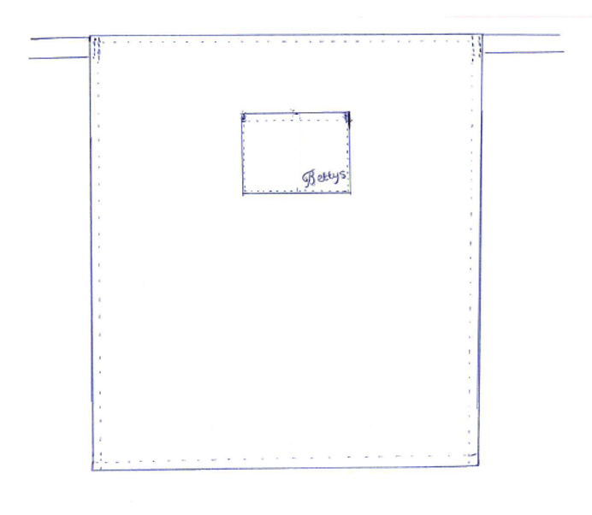 WAIST APRON WITH CENTRE POCKET NON TANGLE TIES. LOGO ON POCKET
MODEL - WAIST APRON VARIENT BETTY'S

DATE ISSUED |  | DATE REQUIRED
QUANTITY |  | BEAP300601 | SIZE

 |  | Pocket to be logo'd before make up
NOTE:- NO CENTRE DIVIDE TO POCKET. (TAKEN OFF 16/10/24)
EMBROIDERY

Bettys logo bottom left side of pocket when worn
POCKET TO BE LOGOD BEFORE MAKE UP

DESCRIPTION
WAIST APRON
POCKET SET CENTRALLY TO FRONT
NON TANGLE WAIST TIES
LOGO ON POCKET
CUTTING |  |  | CODE | LOCATION
PATTERN | MODEL - WAIST APRON VARIENT BETTY'S (WAIST APRON WITH WIDE POCKET 30CM X 26CM)
FABRIC | WHITE 3110 100% COTTON 255gsm |  | CO5001
SUPPLIERS | P AND R
RATING | 1.00M
MEASUREMENTS
WIDTH OF SKIRT | POCKET WIDTH X DEPTH | LENGTH FROM WAIST TO HEM | LENGTH OF SIDE SEAM
87CM | 28CM X 22CM | 98CM | 98CM

TOLERANCE + OR - 1.5CM | TOLERANCE + OR - 0.5CM | TOLERANCE + OR - 1.5CM | TOLERANCE + OR - 1.5CM
TRIMS
THREAD | COATS EPIC 80'S WHITE
CARE LABEL | CARE LABEL - 100% COTTON 50 DEGREE WASH/ DO NOT BLEACH/ 2 DOT IRON/DO NOT TUMBLE DRY/ DRY CLEAN SET LABEL 4CM DOWN FROM FINISHED RIGHT SIDE SEAM AS WORN
NON TANGLE TIES | WHITE NON TANGLE TIES. CUT 100 CM. HEAT SEALED AT ENDS.
MANUFACTURING NOTES
DOUBLE TURN HEM AND TOPSTITCH 12MM.
DOUBLE TURN SIDE SEAM AND TOPSTITCH 12MM. INSERT WAIST TIES -LEVEL TO TOP CUT EDGE. INSERT LABELS RIGHT SIDE SEAM AS WORN. SET 7CM DOWN FROM CUT EDGE.
DOUBLE TURN TOP EDGE AND TOPSTITCH 12MM. EDGESTITCH ACROSS ENDS OF WAIST TIE TO SECURE
LOGO THE POCKET BEFORE MAKE UP
SET HEM TO POCKET. 1CM DOUBLE TURNED.
EDGESTITCH POCKET TO FRONT. POCKET SET CENTRALLY TO WIDTH AND SET 20CM (8") DOWN FROM FINISHED TOP EDGE.
NOTE NO V TACK (TRIANGLE STITCH) AT TOP OF POCKETS AS THIS IS TO BE BARTACKED.

FINISHING
BARTACK VERTICAL AT TOP OF POCKET . TOTAL 2 BARTACKS PER APRON.
CHECK,TRIM, PRESS AND FOLD.

CUTTER
MACHINIST
FINISHING
STORES

CREATED FOR BETTYS - 23.2.18 - YL |  | JH 16/1/19 CORRECTED MODEL DETAILS RE AC
13/6/24 JH AMENDED FABRIC FROM CO2001 3113 TO CO5001 3110
17/10/24 Centre divide removed ref email from Di Buckley 16/10/24 JH

Sheet2
