Sentiment & semantic
Comparing Ordering
 | Nöldeke's Chronological Order
5 | 48
87 | 91
89 | 97
92 | 100
112 | 114
55 | 89
39 | 87
88 | 95
113 | 113
51 | 84
52 | 75
53 | 77
96 | 90
72 | 76
54 | 57
70 | 73
50 | 67
69 | 69
44 | 58
45 | 55
73 | 65
103 | 107
74 | 64
102 | 105
42 | 66
47 | 56
48 | 68
49 | 79
85 | 81
84 | 74
57 | 82
75 | 70
90 | 103
58 | 85
43 | 86
41 | 60
56 | 50
38 | 59
59 | 80
60 | 78
61 | 71
62 | 83
63 | 61
64 | 53
65 | 72
66 | 88
95 | 96
111 | 108
106 | 112
34 | 54
...
Book Vector Length vs Words per Book
Book Vector Length vs Verses per Book
 |  |  |  |  |  |  |  |  |  |  |  |  |  |  | Words/verse |  | Sum of word vector lengths |  | Avg word vector length
Book | Book number | Egyptian Standard Chronological Order | Nöldeke's Chronological Order | Place of Revelation | Avg | SD | Avg | SD | Avg | SD | Avg | SD | Avg | SD | Avg | SD | Avg | SD | Avg word vector length | SD
Al-Fatiha | 1 | 5 | 48 | Mecca | 1.354 | 0.265 | 0.301 | 0.082 | 0.270 | 0.120 | 72.9 | 8.2 | 7 | 0 | 10.4 | 1.2 | 670.9 | 102.9 | 9.206 | 1.753
Al-Baqarah | 2 | 87 | 91 | Medina | 14.599 | 3.752 | 0.158 | 0.077 | 0.168 | 0.089 | 12126.7 | 1119.0 | 286 | 0 | 42.4 | 3.9 | 104918.9 | 13276.5 | 8.652 | 1.355
Al Imran | 3 | 89 | 97 | Medina | 9.671 | 0.702 | 0.200 | 0.095 | 0.226 | 0.112 | 6904.0 | 578.8 | 200 | 0 | 34.5 | 2.9 | 61408.0 | 7629.6 | 8.895 | 1.333
An-Nisa | 4 | 92 | 100 | Medina | 16.701 | 1.090 | 0.208 | 0.081 | 0.244 | 0.094 | 7075.5 | 477.1 | 176 | 0 | 40.2 | 2.7 | 61040.1 | 6558.8 | 8.627 | 1.094
Al-Maidah | 5 | 112 | 114 | Medina | 10.805 | 0.689 | 0.128 | 0.097 | 0.159 | 0.117 | 5482.5 | 435.1 | 120 | 0 | 45.7 | 3.6 | 48031.1 | 5811.0 | 8.761 | 1.268
Al-Anam | 6 | 55 | 89 | Mecca | 9.960 | 0.751 | 0.079 | 0.050 | 0.087 | 0.061 | 6145.1 | 531.8 | 165 | 0 | 37.2 | 3.2 | 55457.2 | 7192.3 | 9.025 | 1.407
Al-Araf | 7 | 39 | 87 | Mecca | 10.733 | 0.827 | 0.029 | 0.051 | 0.063 | 0.065 | 6676.6 | 491.1 | 206 | 0 | 32.4 | 2.4 | 59624.1 | 6967.9 | 8.930 | 1.233
Al-Anfal | 8 | 88 | 95 | Medina | 9.904 | 0.551 | 0.131 | 0.115 | 0.163 | 0.136 | 2445.0 | 180.8 | 75 | 0 | 32.6 | 2.4 | 21057.6 | 2396.9 | 8.613 | 1.169
At-Tawbah | 9 | 113 | 113 | Medina | 14.939 | 0.912 | 0.148 | 0.100 | 0.169 | 0.106 | 5059.4 | 408.4 | 129 | 0 | 39.2 | 3.2 | 43405.9 | 5392.5 | 8.579 | 1.271
Yunus | 10 | 51 | 84 | Mecca | 8.798 | 0.619 | 0.164 | 0.065 | 0.192 | 0.074 | 3568.8 | 337.5 | 109 | 0 | 32.7 | 3.1 | 32710.4 | 4416.2 | 9.166 | 1.511
Hud | 11 | 52 | 75 | Mecca | 9.340 | 0.614 | 0.114 | 0.049 | 0.126 | 0.053 | 3793.5 | 268.1 | 123 | 0 | 30.8 | 2.2 | 34400.9 | 3693.1 | 9.068 | 1.166
Yusuf | 12 | 53 | 77 | Mecca | 13.912 | 1.234 | 0.166 | 0.066 | 0.223 | 0.080 | 3504.5 | 295.5 | 111 | 0 | 31.6 | 2.7 | 30354.2 | 3686.7 | 8.661 | 1.281
Ar-Rad | 13 | 96 | 90 | Medina | 7.459 | 0.448 | 0.207 | 0.095 | 0.223 | 0.117 | 1706.9 | 166.4 | 43 | 0 | 39.7 | 3.9 | 14869.1 | 2043.1 | 8.711 | 1.468
Ibrahim | 14 | 72 | 76 | Mecca | 6.125 | 0.467 | 0.104 | 0.061 | 0.131 | 0.083 | 1655.4 | 154.6 | 52 | 0 | 31.8 | 3.0 | 14971.6 | 1995.5 | 9.044 | 1.472
Al-Hijr | 15 | 54 | 57 | Mecca | 7.775 | 0.830 | 0.098 | 0.045 | 0.129 | 0.042 | 1379.5 | 149.7 | 99 | 0 | 13.9 | 1.5 | 12089.6 | 1728.5 | 8.764 | 1.573
An-Nahl | 16 | 70 | 73 | Mecca | 8.002 | 0.757 | 0.188 | 0.077 | 0.215 | 0.080 | 3689.3 | 362.9 | 128 | 0 | 28.8 | 2.8 | 32595.7 | 4540.3 | 8.835 | 1.507
Al-Isra | 17 | 50 | 67 | Mecca | 8.126 | 0.960 | 0.134 | 0.036 | 0.143 | 0.047 | 3166.9 | 331.4 | 111 | 0 | 28.5 | 3.0 | 27541.0 | 4187.5 | 8.697 | 1.605
Al-Kahf | 18 | 69 | 69 | Mecca | 9.574 | 0.615 | 0.111 | 0.040 | 0.149 | 0.047 | 3235.4 | 234.2 | 110 | 0 | 29.4 | 2.1 | 28051.9 | 3154.0 | 8.670 | 1.159
Word per Verse vs Quran Traditional Book Order
Semantic Density vs Quran Traditional Book Order
Sentiment vs Quran Traditional Book Order
Maryam | 19 | 44 | 58 | Mecca | 8.886 | 1.066 | 0.207 | 0.051 | 0.223 | 0.056 | 1968.0 | 206.1 | 98 | 0 | 20.1 | 2.1 | 17450.3 | 2649.1 | 8.867 | 1.635
Ta-Ha | 20 | 45 | 55 | Mecca | 10.440 | 0.672 | 0.062 | 0.027 | 0.062 | 0.039 | 2788.3 | 250.7 | 135 | 0 | 20.7 | 1.9 | 24559.8 | 3310.8 | 8.808 | 1.427
Al-Anbiya | 21 | 73 | 65 | Mecca | 8.502 | 0.732 | 0.115 | 0.042 | 0.137 | 0.052 | 2401.3 | 213.5 | 112 | 0 | 21.4 | 1.9 | 21328.9 | 2845.9 | 8.882 | 1.424
Al-Hajj | 22 | 103 | 107 | Medina | 7.425 | 0.585 | 0.104 | 0.069 | 0.166 | 0.070 | 2482.3 | 243.0 | 78 | 0 | 31.8 | 3.1 | 21511.5 | 3026.4 | 8.666 | 1.485
Al-Muminun | 23 | 74 | 64 | Mecca | 7.374 | 0.476 | 0.097 | 0.026 | 0.137 | 0.034 | 2097.6 | 199.5 | 118 | 0 | 17.8 | 1.7 | 18902.4 | 2611.5 | 9.011 | 1.511
An-Nur | 24 | 102 | 105 | Medina | 10.862 | 1.185 | 0.258 | 0.082 | 0.329 | 0.088 | 2525.6 | 244.5 | 64 | 0 | 39.5 | 3.8 | 22093.6 | 2908.3 | 8.748 | 1.429
Al-Furqan | 25 | 42 | 66 | Mecca | 7.076 | 0.628 | 0.123 | 0.042 | 0.141 | 0.047 | 1823.3 | 175.3 | 77 | 0 | 23.7 | 2.3 | 16251.2 | 2290.4 | 8.913 | 1.521
Ash-Shuara | 26 | 47 | 56 | Mecca | 10.802 | 0.480 | 0.042 | 0.032 | 0.067 | 0.034 | 2659.6 | 205.3 | 227 | 0 | 11.7 | 0.9 | 24357.3 | 2827.2 | 9.158 | 1.277
An-Naml | 27 | 48 | 68 | Mecca | 7.756 | 0.543 | 0.170 | 0.047 | 0.205 | 0.060 | 2299.9 | 200.1 | 93 | 0 | 24.7 | 2.2 | 20570.9 | 2620.7 | 8.944 | 1.380
Al-Qasas | 28 | 49 | 79 | Mecca | 9.188 | 0.679 | 0.127 | 0.062 | 0.126 | 0.073 | 2852.6 | 248.2 | 88 | 0 | 32.4 | 2.8 | 25625.9 | 3435.6 | 8.983 | 1.436
Al-Ankabut | 29 | 85 | 81 | Mecca | 7.222 | 0.744 | 0.154 | 0.062 | 0.141 | 0.071 | 1953.3 | 208.0 | 69 | 0 | 28.3 | 3.0 | 18027.3 | 2660.2 | 9.229 | 1.679
Ar-Rum | 30 | 84 | 74 | Mecca | 7.643 | 0.622 | 0.185 | 0.063 | 0.231 | 0.069 | 1640.3 | 191.4 | 60 | 0 | 27.3 | 3.2 | 14695.4 | 2341.3 | 8.959 | 1.769
Luqmaan | 31 | 57 | 82 | Mecca | 6.320 | 0.455 | 0.303 | 0.084 | 0.288 | 0.105 | 1044.3 | 106.2 | 34 | 0 | 30.7 | 3.1 | 9210.9 | 1334.8 | 8.820 | 1.561
As-Sajda | 32 | 75 | 70 | Mecca | 5.919 | 0.402 | 0.083 | 0.067 | 0.065 | 0.074 | 741.8 | 59.8 | 30 | 0 | 24.7 | 2.0 | 6693.2 | 849.8 | 9.023 | 1.357
Al-Ahzaab | 33 | 90 | 103 | Medina | 11.673 | 1.054 | 0.252 | 0.096 | 0.289 | 0.115 | 2502.6 | 240.5 | 73 | 0 | 34.3 | 3.3 | 21485.0 | 2934.8 | 8.585 | 1.434
Saba (surah) | 34 | 58 | 85 | Mecca | 6.642 | 0.346 | 0.164 | 0.053 | 0.145 | 0.054 | 1711.2 | 132.8 | 54 | 0 | 31.7 | 2.5 | 15406.7 | 1826.7 | 9.003 | 1.276
Faatir | 35 | 43 | 86 | Mecca | 6.996 | 0.480 | 0.206 | 0.071 | 0.205 | 0.084 | 1496.4 | 115.3 | 45 | 0 | 33.3 | 2.6 | 13108.4 | 1467.5 | 8.760 | 1.191
Yaseen | 36 | 41 | 60 | Mecca | 6.553 | 0.418 | 0.106 | 0.031 | 0.106 | 0.046 | 1485.8 | 128.6 | 83 | 0 | 17.9 | 1.5 | 13315.6 | 1738.3 | 8.962 | 1.404
As-Saaffaat | 37 | 56 | 50 | Mecca | 8.722 | 0.731 | 0.098 | 0.035 | 0.100 | 0.043 | 1858.2 | 213.2 | 182 | 0 | 10.2 | 1.2 | 16223.2 | 2576.2 | 8.731 | 1.710
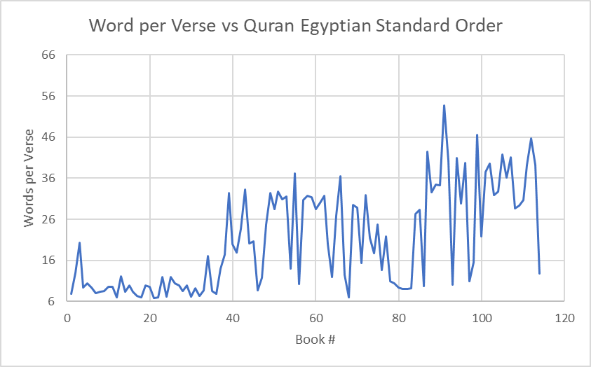
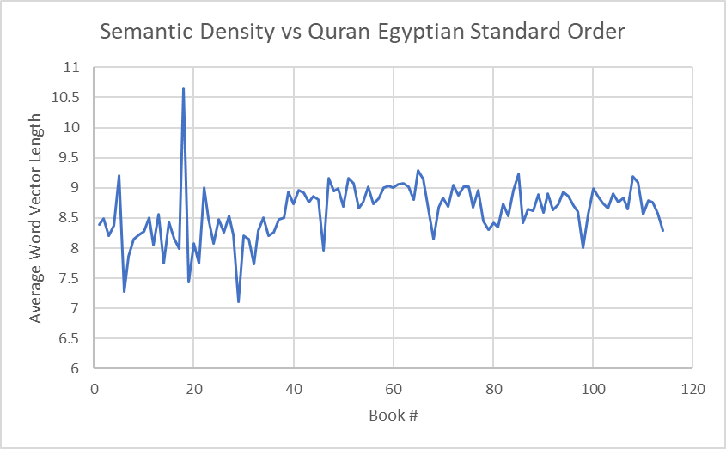
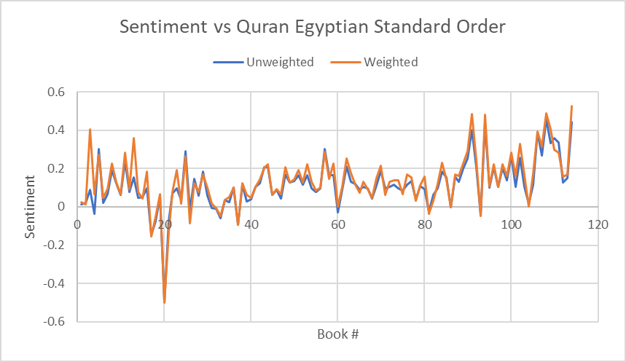
Saad | 38 | 38 | 59 | Mecca | 8.149 | 0.758 | 0.117 | 0.036 | 0.122 | 0.048 | 1529.0 | 149.9 | 88 | 0 | 17.4 | 1.7 | 13008.2 | 1837.7 | 8.508 | 1.463
Az-Zumar | 39 | 59 | 80 | Mecca | 8.272 | 0.457 | 0.164 | 0.086 | 0.224 | 0.100 | 2347.1 | 201.8 | 75 | 0 | 31.3 | 2.7 | 21193.6 | 2762.6 | 9.030 | 1.410
Ghafir | 40 | 60 | 78 | Mecca | 7.466 | 0.672 | -0.029 | 0.075 | 0.000 | 0.088 | 2425.1 | 246.7 | 85 | 0 | 28.5 | 2.9 | 21831.2 | 3278.9 | 9.002 | 1.633
Fussilat | 41 | 61 | 71 | Mecca | 6.143 | 0.646 | 0.089 | 0.072 | 0.104 | 0.087 | 1618.2 | 169.6 | 54 | 0 | 30.0 | 3.1 | 14653.1 | 2192.1 | 9.055 | 1.654
Ash_Shooraa | 42 | 62 | 83 | Mecca | 7.511 | 0.520 | 0.211 | 0.059 | 0.251 | 0.071 | 1676.4 | 174.3 | 53 | 0 | 31.6 | 3.3 | 15215.5 | 2372.7 | 9.076 | 1.701
Az-Zukhruf | 43 | 63 | 61 | Mecca | 6.837 | 0.542 | 0.132 | 0.043 | 0.175 | 0.053 | 1771.1 | 184.5 | 89 | 0 | 19.9 | 2.1 | 15981.7 | 2432.2 | 9.024 | 1.664
Ad-Dukhaan | 44 | 64 | 53 | Mecca | 5.994 | 0.539 | 0.121 | 0.051 | 0.116 | 0.058 | 707.0 | 75.9 | 59 | 0 | 12.0 | 1.3 | 6222.3 | 953.6 | 8.801 | 1.647
Al-Jaathiyah | 45 | 65 | 72 | Mecca | 6.542 | 0.488 | 0.091 | 0.061 | 0.073 | 0.070 | 998.9 | 80.8 | 37 | 0 | 27.0 | 2.2 | 9274.5 | 1105.8 | 9.285 | 1.338
Al-Ahqaaf | 46 | 66 | 88 | Mecca | 6.439 | 0.398 | 0.103 | 0.076 | 0.132 | 0.089 | 1274.7 | 99.6 | 35 | 0 | 36.4 | 2.8 | 11656.1 | 1394.9 | 9.144 | 1.307
Muhammad | 47 | 95 | 96 | Medina | 7.524 | 0.543 | 0.102 | 0.114 | 0.109 | 0.121 | 1132.6 | 90.0 | 38 | 0 | 29.8 | 2.4 | 10040.0 | 1232.8 | 8.865 | 1.297
Al-Fath | 48 | 111 | 108 | Medina | 7.935 | 0.574 | 0.335 | 0.081 | 0.282 | 0.091 | 1137.7 | 74.7 | 29 | 0 | 39.2 | 2.6 | 9994.9 | 1117.2 | 8.785 | 1.139
Al-Hujuraat | 49 | 106 | 112 | Medina | 6.263 | 0.494 | 0.390 | 0.103 | 0.394 | 0.115 | 650.4 | 46.4 | 18 | 0 | 36.1 | 2.6 | 5746.8 | 656.4 | 8.835 | 1.190
Qaaf | 50 | 34 | 54 | Mecca | 6.212 | 0.454 | 0.035 | 0.047 | 0.037 | 0.051 | 771.1 | 84.6 | 45 | 0 | 17.1 | 1.9 | 6563.1 | 1041.5 | 8.512 | 1.642
Adh-Dhaariyaat | 51 | 67 | 39 | Mecca | 5.276 | 0.467 | 0.096 | 0.031 | 0.092 | 0.038 | 748.1 | 89.9 | 60 | 0 | 12.5 | 1.5 | 6464.3 | 1073.8 | 8.641 | 1.771
At-Toor | 52 | 76 | 40 | Mecca | 5.618 | 0.514 | 0.116 | 0.046 | 0.170 | 0.053 | 668.8 | 64.3 | 49 | 0 | 13.6 | 1.3 | 5802.1 | 783.3 | 8.676 | 1.438
An-Najm | 53 | 23 | 28 | Mecca | 5.568 | 0.450 | 0.098 | 0.050 | 0.193 | 0.082 | 736.7 | 69.0 | 62 | 0 | 11.9 | 1.1 | 6254.0 | 896.6 | 8.489 | 1.454
Al-Qamar | 54 | 37 | 49 | Mecca | 7.516 | 0.737 | -0.094 | 0.064 | -0.095 | 0.069 | 770.4 | 84.1 | 55 | 0 | 14.0 | 1.5 | 6528.0 | 1024.9 | 8.473 | 1.620
Ar-Rahman | 55 | 97 | 43 | Medina | 11.321 | 1.007 | 0.104 | 0.107 | 0.105 | 0.106 | 851.3 | 110.7 | 78 | 0 | 10.9 | 1.4 | 7328.6 | 1231.4 | 8.609 | 1.830
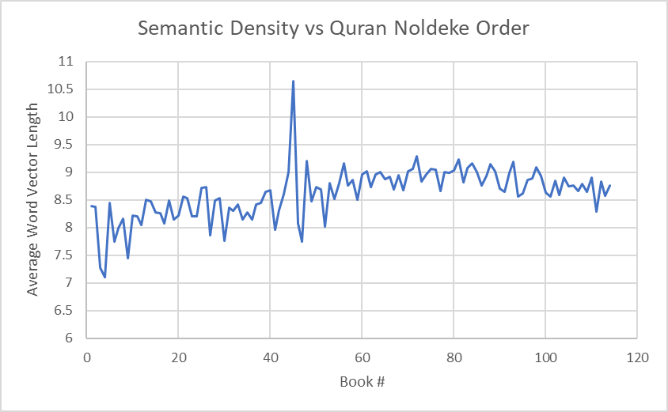
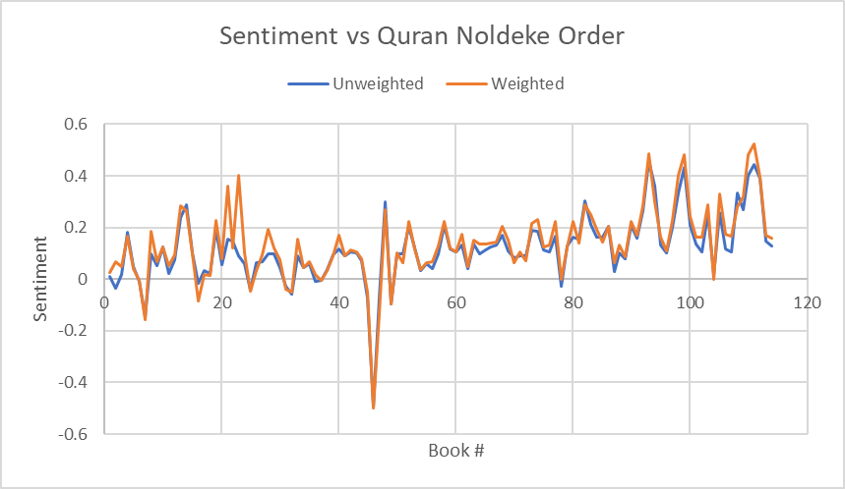
Al-Waqia | 56 | 46 | 41 | Mecca | 7.364 | 0.662 | 0.090 | 0.042 | 0.092 | 0.056 | 838.4 | 117.5 | 96 | 0 | 8.7 | 1.2 | 6678.8 | 1304.0 | 7.966 | 1.915
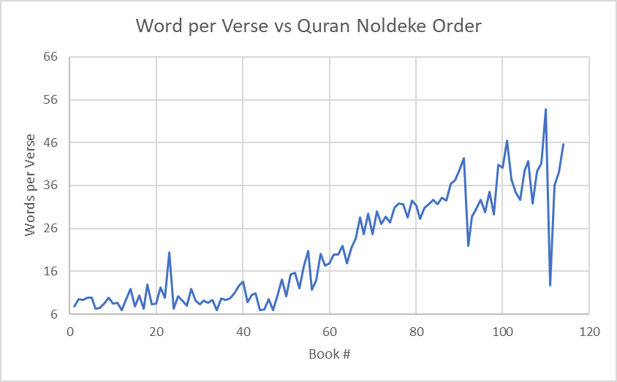
Al-Hadeed | 57 | 94 | 99 | Medina | 7.330 | 0.445 | 0.434 | 0.080 | 0.482 | 0.087 | 1184.6 | 84.5 | 29 | 0 | 40.8 | 2.9 | 10590.0 | 1139.9 | 8.940 | 1.154
Al-Mujadila | 58 | 105 | 106 | Medina | 6.683 | 0.610 | 0.117 | 0.133 | 0.173 | 0.134 | 918.9 | 59.8 | 22 | 0 | 41.8 | 2.7 | 8055.3 | 857.8 | 8.766 | 1.094
Al-Hashr | 59 | 101 | 102 | Medina | 6.051 | 0.542 | 0.105 | 0.128 | 0.162 | 0.150 | 898.8 | 60.7 | 24 | 0 | 37.5 | 2.5 | 7949.3 | 878.3 | 8.844 | 1.146
Al-Mumtahanah | 60 | 91 | 110 | Medina | 6.270 | 0.720 | 0.401 | 0.101 | 0.483 | 0.116 | 698.2 | 61.7 | 13 | 0 | 53.7 | 4.7 | 6217.9 | 781.7 | 8.906 | 1.369
As-Saff | 61 | 109 | 98 | Medina | 4.762 | 0.692 | 0.333 | 0.134 | 0.403 | 0.155 | 409.4 | 32.1 | 14 | 0 | 29.2 | 2.3 | 3720.3 | 471.7 | 9.088 | 1.355
Al-Jumuah | 62 | 110 | 94 | Medina | 3.972 | 0.703 | 0.360 | 0.116 | 0.298 | 0.145 | 337.6 | 39.1 | 11 | 0 | 30.7 | 3.6 | 2891.4 | 467.1 | 8.564 | 1.701
Al-Munafiqoon | 63 | 104 | 104 | Medina | 4.195 | 0.484 | 0.017 | 0.124 | 0.000 | 0.124 | 359.9 | 19.0 | 11 | 0 | 32.7 | 1.7 | 3205.0 | 281.8 | 8.904 | 0.913
At-Taghabun | 64 | 108 | 93 | Medina | 5.562 | 0.581 | 0.457 | 0.093 | 0.487 | 0.097 | 516.6 | 43.4 | 18 | 0 | 28.7 | 2.4 | 4744.3 | 564.2 | 9.183 | 1.337
At-Talaq | 65 | 99 | 101 | Medina | 5.759 | 0.815 | 0.137 | 0.186 | 0.161 | 0.227 | 558.4 | 53.1 | 12 | 0 | 46.5 | 4.4 | 4781.6 | 653.6 | 8.563 | 1.426
At-Tahreem | 66 | 107 | 109 | Medina | 4.761 | 0.489 | 0.269 | 0.093 | 0.317 | 0.096 | 493.7 | 50.0 | 12 | 0 | 41.1 | 4.2 | 4271.4 | 644.3 | 8.652 | 1.572
Al-Mulk | 67 | 77 | 63 | Mecca | 5.117 | 0.495 | 0.135 | 0.055 | 0.152 | 0.059 | 655.7 | 46.1 | 30 | 0 | 21.9 | 1.5 | 5876.2 | 650.9 | 8.962 | 1.176
Al-Qalam | 68 | 2 | 18 | Mecca | 4.880 | 0.479 | 0.022 | 0.035 | 0.014 | 0.046 | 673.2 | 69.6 | 52 | 0 | 12.9 | 1.3 | 5717.6 | 828.8 | 8.493 | 1.513
Al-Haaqqa | 69 | 78 | 38 | Mecca | 5.119 | 0.448 | 0.038 | 0.037 | 0.033 | 0.043 | 564.1 | 45.5 | 52 | 0 | 10.8 | 0.9 | 4765.2 | 592.8 | 8.447 | 1.253
Al-Maaarij | 70 | 79 | 42 | Mecca | 4.795 | 0.324 | 0.107 | 0.035 | 0.112 | 0.045 | 460.1 | 59.0 | 44 | 0 | 10.5 | 1.3 | 3823.8 | 698.4 | 8.311 | 1.855
Nooh | 71 | 71 | 51 | Mecca | 4.103 | 0.406 | 0.098 | 0.070 | 0.062 | 0.091 | 428.8 | 31.2 | 28 | 0 | 15.3 | 1.1 | 3724.7 | 438.2 | 8.687 | 1.201
Al-Jinn | 72 | 40 | 62 | Mecca | 4.371 | 0.417 | 0.040 | 0.099 | 0.047 | 0.107 | 558.3 | 66.3 | 28 | 0 | 19.9 | 2.4 | 4877.7 | 838.5 | 8.736 | 1.826
Al-Muzzammil | 73 | 3 | 23 | Mecca | 4.444 | 0.535 | 0.091 | 0.060 | 0.403 | 0.066 | 407.5 | 41.4 | 20 | 0 | 20.4 | 2.1 | 3342.8 | 503.5 | 8.203 | 1.491
Al-Muddaththir | 74 | 4 | 2 | Mecca | 4.928 | 0.535 | -0.036 | 0.042 | 0.067 | 0.113 | 527.9 | 69.3 | 56 | 0 | 9.4 | 1.2 | 4424.0 | 831.2 | 8.380 | 1.920
Al-Qiyamah | 75 | 31 | 36 | Mecca | 4.886 | 0.409 | -0.007 | 0.056 | 0.017 | 0.068 | 370.6 | 57.2 | 40 | 0 | 9.3 | 1.4 | 3019.0 | 618.9 | 8.147 | 2.090
Al-Insaan | 76 | 98 | 52 | Medina | 5.351 | 0.567 | 0.204 | 0.051 | 0.223 | 0.048 | 482.4 | 46.3 | 31 | 0 | 15.6 | 1.5 | 3865.6 | 540.7 | 8.014 | 1.359
Al-Mursalaat | 77 | 33 | 32 | Mecca | 6.009 | 0.565 | -0.059 | 0.056 | -0.049 | 0.069 | 433.1 | 56.4 | 50 | 0 | 8.7 | 1.1 | 3594.1 | 615.9 | 8.298 | 1.786
An-Naba | 78 | 80 | 33 | Mecca | 5.030 | 0.564 | 0.091 | 0.033 | 0.156 | 0.069 | 375.5 | 45.2 | 40 | 0 | 9.4 | 1.1 | 3161.8 | 563.4 | 8.420 | 1.811
An-Naaziaat | 79 | 81 | 31 | Mecca | 4.764 | 0.551 | -0.026 | 0.044 | -0.038 | 0.051 | 417.8 | 55.3 | 46 | 0 | 9.1 | 1.2 | 3490.4 | 647.0 | 8.355 | 1.903
Abasa | 80 | 24 | 17 | Mecca | 4.526 | 0.468 | 0.035 | 0.030 | 0.017 | 0.046 | 303.9 | 43.1 | 42 | 0 | 7.2 | 1.0 | 2454.8 | 478.3 | 8.077 | 1.947
At-Takweer | 81 | 7 | 27 | Mecca | 4.077 | 0.604 | 0.066 | 0.040 | 0.094 | 0.076 | 231.8 | 39.3 | 29 | 0 | 8.0 | 1.4 | 1821.6 | 439.1 | 7.858 | 2.316
Al-Infitar | 82 | 82 | 26 | Mecca | 3.124 | 0.440 | 0.062 | 0.061 | 0.032 | 0.079 | 172.8 | 22.3 | 19 | 0 | 9.1 | 1.2 | 1508.6 | 266.5 | 8.730 | 1.910
Al-Mutaffifeen | 83 | 86 | 37 | Mecca | 4.416 | 0.557 | -0.004 | 0.045 | -0.003 | 0.057 | 350.4 | 38.8 | 36 | 0 | 9.7 | 1.1 | 2950.7 | 453.9 | 8.420 | 1.596
Al-Inshiqaaq | 84 | 83 | 29 | Mecca | 3.090 | 0.516 | 0.096 | 0.049 | 0.120 | 0.063 | 230.5 | 23.7 | 25 | 0 | 9.2 | 0.9 | 1967.5 | 272.4 | 8.536 | 1.471
Al-Burooj | 85 | 27 | 22 | Mecca | 3.408 | 0.523 | 0.146 | 0.042 | 0.122 | 0.055 | 217.8 | 31.5 | 22 | 0 | 9.9 | 1.4 | 1859.1 | 360.4 | 8.535 | 2.065
At-Taariq | 86 | 36 | 15 | Mecca | 2.877 | 0.352 | 0.102 | 0.050 | 0.100 | 0.050 | 132.5 | 23.4 | 17 | 0 | 7.8 | 1.4 | 1095.6 | 252.9 | 8.269 | 2.401
Al-Alaa | 87 | 8 | 19 | Mecca | 2.859 | 0.483 | 0.193 | 0.041 | 0.226 | 0.059 | 157.9 | 23.9 | 19 | 0 | 8.3 | 1.3 | 1286.8 | 262.4 | 8.151 | 2.070
Al-Ghaashiyah | 88 | 68 | 34 | Mecca | 3.609 | 0.411 | 0.044 | 0.044 | 0.046 | 0.049 | 180.1 | 25.3 | 26 | 0 | 6.9 | 1.0 | 1467.6 | 292.1 | 8.150 | 1.987
Al-Fajr | 89 | 10 | 35 | Mecca | 3.655 | 0.357 | 0.061 | 0.041 | 0.068 | 0.054 | 289.1 | 33.5 | 30 | 0 | 9.6 | 1.1 | 2393.1 | 342.5 | 8.277 | 1.524
Al-Balad | 90 | 35 | 11 | Mecca | 2.771 | 0.551 | 0.023 | 0.070 | 0.052 | 0.091 | 179.8 | 39.0 | 20.9375 | 3.75 | 8.6 | 2.4 | 1475.3 | 342.6 | 8.207 | 2.608
Ash-Shams | 91 | 26 | 16 | Mecca | 2.782 | 0.803 | -0.018 | 0.067 | -0.086 | 0.088 | 165.2 | 53.1 | 15.9375 | 3.75 | 10.4 | 4.1 | 1365.2 | 489.8 | 8.265 | 3.983
Al-Layl | 92 | 9 | 10 | Mecca | 2.878 | 0.533 | 0.123 | 0.072 | 0.126 | 0.069 | 190.0 | 57.0 | 22.3125 | 5.25 | 8.5 | 3.2 | 1562.2 | 511.1 | 8.222 | 3.651
Ad-Dhuha | 93 | 11 | 13 | Mecca | 1.895 | 0.458 | 0.239 | 0.077 | 0.282 | 0.091 | 111.7 | 29.5 | 11.6875 | 2.75 | 9.6 | 3.4 | 949.7 | 277.7 | 8.503 | 3.350
Ash-Sharh | 94 | 12 | 12 | Mecca | 1.665 | 0.499 | 0.076 | 0.111 | 0.094 | 0.131 | 59.6 | 19.3 | 8.5 | 2 | 7.0 | 2.8 | 479.4 | 185.6 | 8.049 | 4.062
At-Teen | 95 | 28 | 20 | Mecca | 1.594 | 0.304 | 0.058 | 0.072 | 0.079 | 0.095 | 72.0 | 19.3 | 8.5 | 2 | 8.5 | 3.0 | 591.5 | 174.8 | 8.215 | 3.279
Al-Alaq | 96 | 1 | 1 | Mecca | 2.990 | 0.692 | 0.012 | 0.067 | 0.025 | 0.079 | 158.3 | 44.1 | 20.1875 | 4.75 | 7.8 | 2.9 | 1327.8 | 391.3 | 8.391 | 3.403
Al-Qadr | 97 | 25 | 14 | Mecca | 1.373 | 0.463 | 0.289 | 0.114 | 0.265 | 0.119 | 63.2 | 16.4 | 5.3125 | 1.25 | 11.9 | 4.2 | 536.0 | 163.2 | 8.482 | 3.391
Al-Bayyinahh | 98 | 100 | 92 | Medina | 2.869 | 0.649 | 0.267 | 0.127 | 0.284 | 0.146 | 186.0 | 47.8 | 8.5 | 2 | 21.9 | 7.6 | 1671.5 | 471.1 | 8.986 | 3.427
Az-Zalzalah | 99 | 93 | 25 | Medina | 1.918 | 0.473 | -0.044 | 0.064 | -0.047 | 0.060 | 85.8 | 23.5 | 8.5 | 2 | 10.1 | 3.6 | 747.9 | 215.6 | 8.722 | 3.467
Al-Aadiyaat | 100 | 14 | 30 | Mecca | 2.105 | 0.439 | 0.046 | 0.049 | 0.076 | 0.067 | 96.9 | 30.9 | 11.6875 | 2.75 | 8.3 | 3.3 | 751.9 | 260.2 | 7.756 | 3.649
Al-Qaariah | 101 | 30 | 24 | Mecca | 2.141 | 0.516 | 0.058 | 0.078 | 0.101 | 0.079 | 84.8 | 25.9 | 11.6875 | 2.75 | 7.3 | 2.8 | 695.8 | 233.0 | 8.210 | 3.725
At-Takaathur | 102 | 16 | 8 | Mecca | 1.940 | 0.585 | 0.096 | 0.108 | 0.184 | 0.111 | 71.5 | 22.2 | 8.5 | 2 | 8.4 | 3.3 | 583.7 | 213.5 | 8.164 | 3.920
Al-Asr | 103 | 13 | 21 | Mecca | 0.971 | 0.467 | 0.154 | 0.206 | 0.360 | 0.310 | 38.9 | 18.5 | 3.1875 | 0.75 | 12.2 | 6.5 | 332.9 | 186.5 | 8.563 | 6.302
Al-Humazah | 104 | 32 | 6 | Mecca | 1.898 | 0.464 | -0.010 | 0.067 | -0.006 | 0.089 | 69.7 | 23.2 | 9.5625 | 2.25 | 7.3 | 3.0 | 539.4 | 180.3 | 7.740 | 3.649
Al-Feel | 105 | 19 | 9 | Mecca | 1.523 | 0.358 | 0.054 | 0.063 | 0.066 | 0.101 | 52.2 | 15.8 | 5.3125 | 1.25 | 9.8 | 3.8 | 388.4 | 139.9 | 7.442 | 3.505
Quraysh | 106 | 29 | 4 | Mecca | 1.212 | 0.302 | 0.182 | 0.193 | 0.168 | 0.209 | 41.8 | 14.4 | 4.25 | 1 | 9.8 | 4.1 | 297.0 | 119.1 | 7.104 | 3.759
Al-Maaoon | 107 | 17 | 7 | Mecca | 1.267 | 0.278 | -0.146 | 0.076 | -0.156 | 0.087 | 55.1 | 16.5 | 7.4375 | 1.75 | 7.4 | 2.8 | 440.2 | 137.3 | 7.994 | 3.459
Al-Kawthar | 108 | 15 | 5 | Mecca | 0.834 | 0.310 | 0.049 | 0.172 | 0.041 | 0.218 | 31.4 | 12.3 | 3.1875 | 0.75 | 9.8 | 4.5 | 264.8 | 126.6 | 8.441 | 5.222
Al-Kaafiroon | 109 | 18 | 45 | Mecca | 1.193 | 0.336 | -0.073 | 0.151 | -0.050 | 0.171 | 44.9 | 14.8 | 6.375 | 1.5 | 7.0 | 2.9 | 477.9 | 180.5 | 10.649 | 5.342
An-Nasr | 110 | 114 | 111 | Medina | 1.040 | 0.249 | 0.442 | 0.104 | 0.525 | 0.096 | 40.7 | 10.4 | 3.1875 | 0.75 | 12.8 | 4.4 | 337.5 | 106.4 | 8.295 | 3.370
Al-Masad | 111 | 6 | 3 | Mecca | 1.760 | 0.395 | 0.020 | 0.111 | 0.048 | 0.134 | 49.6 | 14.5 | 5.3125 | 1.25 | 9.3 | 3.5 | 360.9 | 124.0 | 7.281 | 3.283
Al-Ikhlaas | 112 | 22 | 44 | Mecca | 0.814 | 0.312 | 0.071 | 0.120 | 0.078 | 0.141 | 29.6 | 9.1 | 4.25 | 1 | 7.0 | 2.7 | 266.5 | 90.2 | 8.997 | 4.118
Al-Falaq | 113 | 20 | 46 | Mecca | 1.201 | 0.304 | -0.495 | 0.046 | -0.500 | 0.082 | 50.4 | 11.9 | 5.3125 | 1.25 | 9.5 | 3.2 | 407.6 | 107.3 | 8.081 | 2.854
Al-Naas | 114 | 21 | 47 | Mecca | 1.195 | 0.336 | -0.071 | 0.057 | -0.132 | 0.111 | 45.4 | 13.5 | 6.625 | 1.5864005379 | 6.8 | 2.6 | 351.4 | 127.4 | 7.745 | 3.633

