Sheet1
PEA WINTER GALA 2025

CLUB NAME:

ORDER CUT OFF: 2 JUNE 2025 @ 5PM

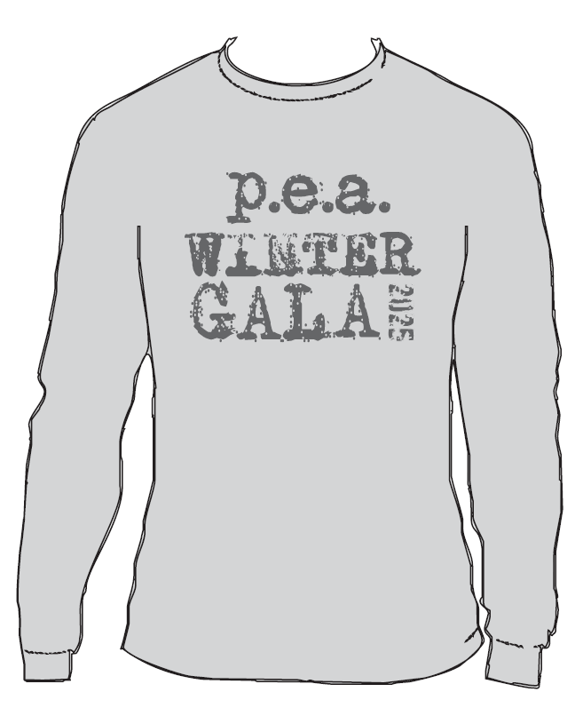
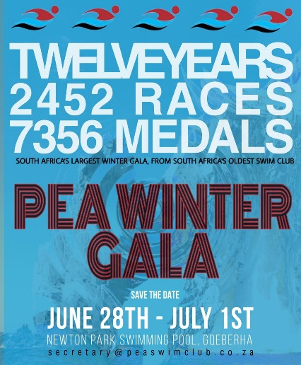
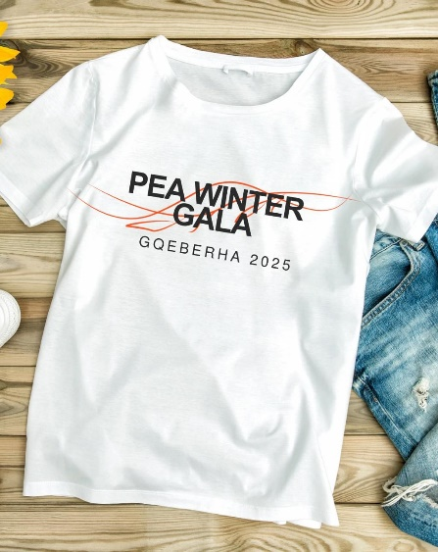

GREY LONG SLEEVE T-SHIRT |  |  |  | WHITE T-SHIRT
SIZE | QTY | PRICE | TOTAL | SIZE | QTY | PRICE | TOTAL
7-8 |  | R200 | R0 | 7-8 |  | R185 | R0
9-10 |  | R200 | R0 | 9-10 |  | R185 | R0
11-12 |  | R200 | R0 | 11-12 |  | R185 | R0
13-14 |  | R200 | R0 | 13-14 |  | R185 | R0
SMALL |  | R260 | R0 | SMALL |  | R225 | R0
MEDIUM |  | R260 | R0 | MEDIUM |  | R225 | R0
LARGE |  | R260 | R0 | LARGE |  | R225 | R0
XL |  | R260 | R0 | XL |  | R225 | R0
2XL |  | R260 | R0 | 2XL |  | R225 | R0
3XL |  | R260 | R0 | 3XL |  | R225 | R0
 | 0 |  | R0 |  | 0 |  | R0

 |  |  |  | TOTAL DUE |  |  | R0

Please email form to : secretary@peaswimclub.co.za with pop

Sheet2
SSA JUNIOR NATIONALS T-SHIRT

CLUB NAME:

ORDER CUT OFF: 2 April 2025

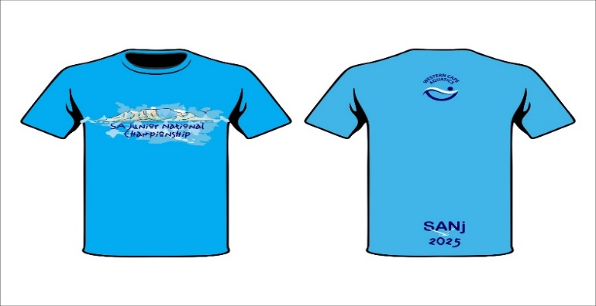
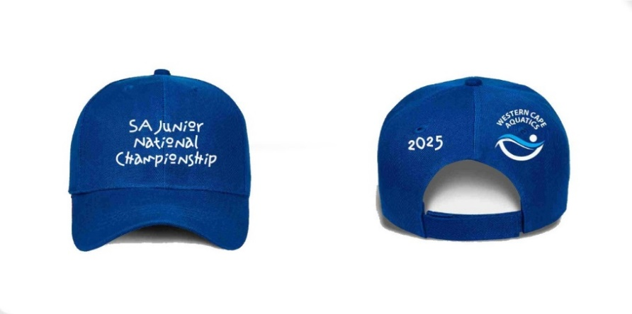

LIGHT BLUE SANJ SHIRT |  |  |  | ROYAL BLUE SANJ PEAK CAP
SIZE | QTY | PRICE | TOTAL |  | QTY | PRICE | TOTAL
9-10 |  | R285 | R0 |  |  | R150 | R0
11-12 |  | R285 | R0
13-14 |  | R285 | R0
SMALL |  | R285 | R0
MEDIUM |  | R285 | R0
LARGE |  | R285 | R0
XL |  | R285 | R0 | TOTAL DUE |  | R0
2XL |  | R285 | R0
3XL |  | R285 | R0
 | 0 |  | R0

