SNOWFLAKE USER HIERARCHY
Manage Account
Manage Users / Manage Grants
USER_ROLE_NAME | RESPONSIBILITIES | ACTIONS | PII_ACCESS | PROCESS_FLOW | ################ | LIST USERS
ACCOUNTADMIN / ORGADMIN | Manage Snowflake billing, stop SQL statements | Viewing objects in account
SECURITYADMIN | Managing and Revoking Grants | Create, monitor, manage users
Manage Users / Manage Roles
USERADMIN | Role dedicated to user and role management only | Create User and Create Role
Create Objects / Database Objects
SYSADMIN | Role dedicated to warehouse and database management | Create warehouses and databases, tables, schemas

CUSTOM ROLES
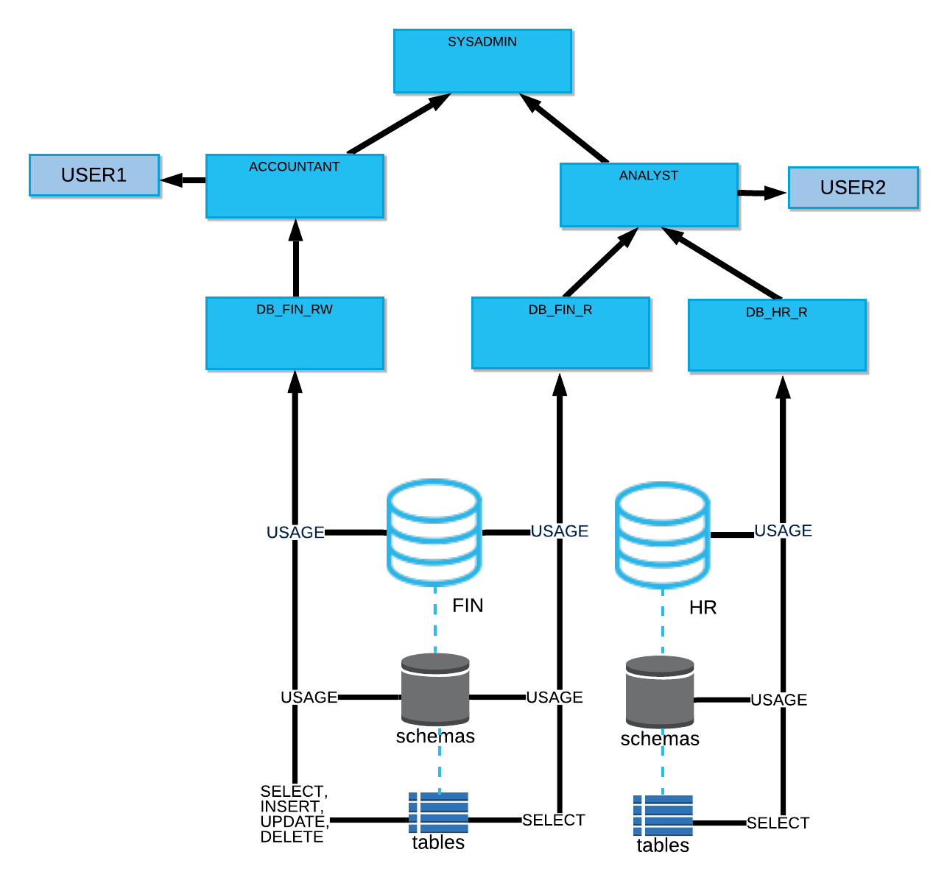
Ingest Data
Loaded?
Errors
DQ Done?
Identity issues & Remediate
USER_ROLE_NAME | RESPONSIBILITIES | ACTIONS | PII_ACCESS | PROCESS_FLOW | LIST_USERS | NAMING_CONVENTION_EXAMPLES
Data Engineer | Structured, Semi, & Unstructured Data | Batch, RealTime, Ingest |  |  |  | DATA_ENGINEER, DATA_ENG
Data Governor | View / Remediate Data Quality Issues | Monitor Sensitive Data |  |  |  | DATA_GOVERNOR, DATA_GOV
Use/Consume Data
Data User / Data Owner | View Data per Role | Share Data |  |  |  | DATA_USER, DATA_OWNER, DATA_USER_ANALYST (or similar and other examples per type of environment, ideally do not create too many - avoid Role Swamp)
Analyze Access
Analyze Roles
SecurityAdmin | Vulnerabilities | View Access Abuse |  |  |  | SECURITYADMIN, IT_ADMIN (Note: This is same default role in Snowflake Hierarchy, however a similar one can be created and renamed as IT_ADMIN for example)

