IR_Distance_Component_Data_4_18
Left IR Distance (X) | Left IR Distance (Y) | Left IR Reading | Right IR Distance (X) |  | Right IR Distance (Y) | Right IR Reading | sum
0 | 50 | 46 | -9.2 | 0 | 50 | 14 | 60
0 | 40 | 65 | -9.2 | 0 | 40 | 15 | 80
0 | 30 | 88 | -9.2 | 0 | 30 | 17 | 105
0 | 25 | 99 | -9.2 | 0 | 25 | 14 | 113
0 | 20 | 121 | -9.2 | 0 | 20 | 15 | 136
0 | 15 | 141 | -9.2 | 0 | 15 | 16 | 157
0 | 10 | 179 | -9.2 | 0 | 10 | 19 | 198
0 | 5 | 206 | -9.2 | 0 | 5 | 23 | 229
-9.2 | 40 | 16 | -18.5 | -9.3 | 40 | 41 | 57
-9.2 | 30 | 16 | -18.5 | -9.3 | 30 | 56 | 72
-9.2 | 25 | 20 | -18.5 | -9.3 | 25 | 75 | 95
-9.2 | 20 | 20 | -18.5 | -9.3 | 20 | 89 | 109
-9.2 | 15 | 24 | -18.5 | -9.3 | 15 | 106 | 130
-9.2 | 10 | 29 | -18.5 | -9.3 | 10 | 139 | 168
-9.2 | 5 | 37 | -18.5 | -9.3 | 5 | 235 | 272
-20 | 0 | 0 | -29.2 | -20 | 0 | 0 | 0
-25 | 0 | 0 | -34.2 | -25 | 0 | 0 | 0
-30 | 0 | 0 | -39.2 | -30 | 0 | 0 | 0
-35 | 0 | 0 | -44.2 | -35 | 0 | 0 | 0
-40 | 0 | 0 | -49.2 | -40 | 0 | 0 | 0
10 | 0 | 2 | 0.8 | 10 | 0 | 0 | 2
15 | 0 | 0 | 5.8 | 15 | 0 | 0 | 0
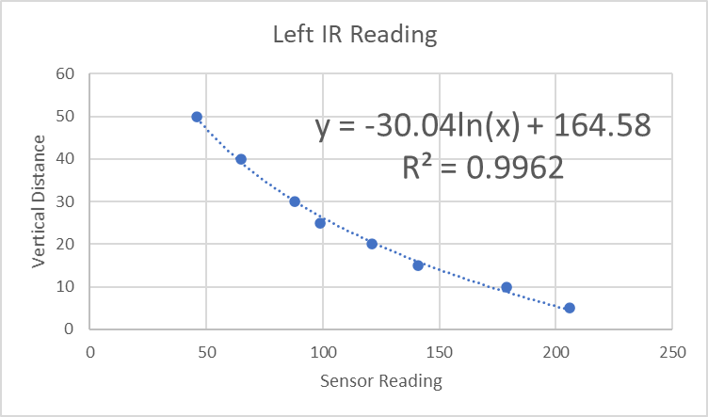
20 | 0 | 1 | 10.8 | 20 | 0 | 0 | 1
25 | 0 | 0 | 15.8 | 25 | 0 | 0 | 0
30 | 0 | 0 | 20.8 | 30 | 0 | 0 | 0
35 | 0 | 0 | 25.8 | 35 | 0 | 0 | 0
-5 | 20 | 71 | -14.2 | -5 | 20 | 48 | 119
-10 | 20 | 18 | -19.2 | -10 | 20 | 86 | 104
-15 | 20 | 8 | -24.2 | -15 | 20 | 27 | 35
-25 | 20 | 2 | -34.2 | -25 | 20 | 7 | 9
5 | 40 | 29 | -4.2 | 5 | 40 | 3 | 32
10 | 40 | 10 | 0.8 | 10 | 40 | 2 | 12
15 | 40 | 2 | 5.8 | 15 | 40 | 1 | 3
20 | 40 | 0 | 10.8 | 20 | 40 | 0 | 0
25 | 40 | 1 | 15.8 | 25 | 40 | 0 | 1
-5 | 40 | 47 | -14.2 | -5 | 40 | 32 | 79
-10 | 40 | 23 | -19.2 | -10 | 40 | 40 | 63
-15 | 40 | 8 | -24.2 | -15 | 40 | 21 | 29
-20 | 40 | 2 | -29.2 | -20 | 40 | 6 | 8
-25 | 40 | 1 | -34.2 | -25 | 40 | 3 | 4

