Graph f(x) for a
x | f(x)
-6.2831853072 | -3.9790393203E-16
-6.2706063576 | 0.012566039221
-6.2580274081 | 0.025130090144
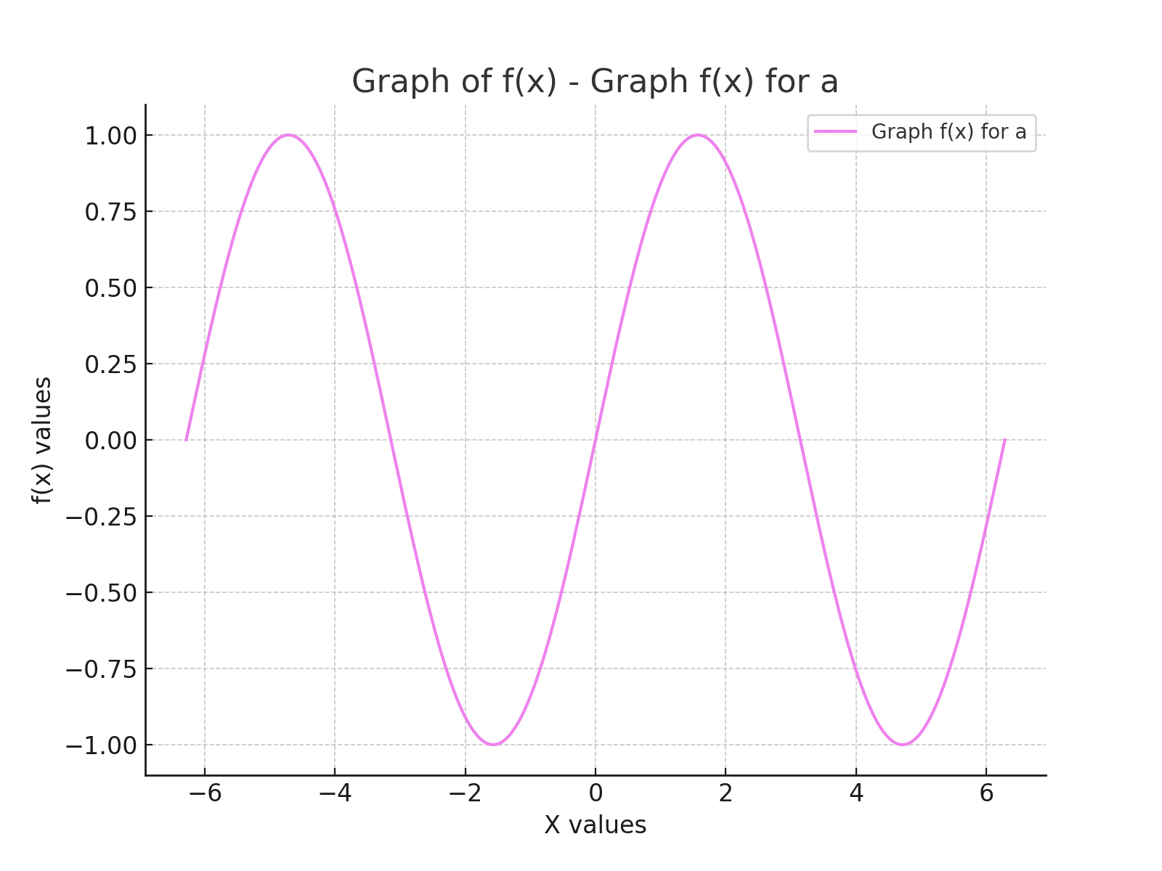
-6.2454484585 | 0.037690164786
-6.2328695089 | 0.050244275793
-6.2202905594 | 0.062790436754
-6.2077116098 | 0.075326662518
-6.1951326602 | 0.087850969503
-6.1825537107 | 0.10036137601
-6.1699747611 | 0.11285590256
-6.1573958115 | 0.12533257215
-6.144816862 | 0.13778941063
-6.1322379124 | 0.15022444699
-6.1196589628 | 0.16263571365
-6.1070800133 | 0.17502124681
-6.0945010637 | 0.18737908672
-6.0819221142 | 0.19970727804
-6.0693431646 | 0.2120038701
-6.056764215 | 0.22426691723
-6.0441852655 | 0.23649447908
-6.0316063159 | 0.24868462091
-6.0190273663 | 0.2608354139
-6.0064484168 | 0.27294493545
-5.9938694672 | 0.28501126951
-5.9812905176 | 0.29703250683
-5.9687115681 | 0.30900674533
-5.9561326185 | 0.32093209034
-5.943553669 | 0.33280665495
-5.9309747194 | 0.34462856026
-5.9183957698 | 0.35639593573
-5.9058168203 | 0.36810691942
-5.8932378707 | 0.37975965833
-5.8806589211 | 0.39135230867
-5.8680799716 | 0.40288303616
-5.855501022 | 0.41435001632
-5.8429220724 | 0.42575143476
-5.8303431229 | 0.43708548745
-5.8177641733 | 0.44835038102
-5.8051852238 | 0.45954433306
-5.7926062742 | 0.47066557237
-5.7800273246 | 0.48171233927
-5.7674483751 | 0.49268288584
-5.7548694255 | 0.50357547624
-5.7422904759 | 0.51438838695
-5.7297115264 | 0.52511990708
-5.7171325768 | 0.53576833859
-5.7045536272 | 0.54633199662
-5.6919746777 | 0.55680920969
-5.6793957281 | 0.56719832001
-5.6668167785 | 0.57749768374
-5.654237829 | 0.58770567124
-5.6416588794 | 0.5978206673
-5.6290799299 | 0.60784107147
-5.6165009803 | 0.61776529823
-5.6039220307 | 0.6275917773
-5.5913430812 | 0.63731895384
-5.5787641316 | 0.64694528876
-5.566185182 | 0.65646925888
-5.5536062325 | 0.66588935727
-5.5410272829 | 0.67520409339
-5.5284483333 | 0.68441199339
-5.5158693838 | 0.69351160033
-5.5032904342 | 0.7025014744
-5.4907114847 | 0.71138019315
-5.4781325351 | 0.72014635171
-5.4655535855 | 0.72879856303
-5.452974636 | 0.7373354581
-5.4403956864 | 0.74575568614
-5.4278167368 | 0.75405791483
-5.4152377873 | 0.76224083054
-5.4026588377 | 0.77030313849
-5.3900798881 | 0.778243563
-5.3775009386 | 0.78606084768
-5.364921989 | 0.79375375561
-5.3523430394 | 0.80132106956
-5.3397640899 | 0.80876159218
-5.3271851403 | 0.81607414616
-5.3146061908 | 0.82325757445
-5.3020272412 | 0.83031074043
-5.2894482916 | 0.83723252811
-5.2768693421 | 0.84402184225
-5.2642903925 | 0.8506776086
-5.2517114429 | 0.85719877402
-5.2391324934 | 0.8635843067
-5.2265535438 | 0.86983319626
-5.2139745942 | 0.87594445396
-5.2013956447 | 0.88191711281
-5.1888166951 | 0.88775022779
-5.1762377456 | 0.89344287592
-5.163658796 | 0.89899415647
-5.1510798464 | 0.90440319108
-5.1385008969 | 0.90966912389
-5.1259219473 | 0.91479112167
-5.1133429977 | 0.91976837399
-5.1007640482 | 0.9246000933
-5.0881850986 | 0.9292855151
-5.075606149 | 0.93382389801
-5.0630271995 | 0.93821452394
-5.0504482499 | 0.94245669817
-5.0378693004 | 0.94654974947
-5.0252903508 | 0.95049303021
-5.0127114012 | 0.95428591644
-5.0001324517 | 0.95792780803
-4.9875535021 | 0.96141812873
-4.9749745525 | 0.96475632627
-4.962395603 | 0.96794187245
-4.9498166534 | 0.97097426324
-4.9372377038 | 0.97385301883
-4.9246587543 | 0.97657768371
-4.9120798047 | 0.97914782677
-4.8995008551 | 0.98156304134
-4.8869219056 | 0.98382294526
-4.874342956 | 0.98592718096
-4.8617640065 | 0.98787541548
-4.8491850569 | 0.98966734057
-4.8366061073 | 0.99130267269
-4.8240271578 | 0.99278115308
-4.8114482082 | 0.9941025478
-4.7988692586 | 0.99526664779
-4.7862903091 | 0.99627326883
-4.7737113595 | 0.99712225167
-4.7611324099 | 0.99781346195
-4.7485534604 | 0.99834679033
-4.7359745108 | 0.9987221524
-4.7233955613 | 0.99893948877
-4.7108166117 | 0.99899876506
-4.6982376621 | 0.99889997189
-4.6856587126 | 0.99864312489
-4.673079763 | 0.9982282647
-4.6605008134 | 0.99765545697
-4.6479218639 | 0.99692479231
-4.6353429143 | 0.99603638636
-4.6227639647 | 0.99499037967
-4.6101850152 | 0.99378693776
-4.5976060656 | 0.99242625105
-4.585027116 | 0.99090853482
-4.5724481665 | 0.98923402924
-4.5598692169 | 0.98740299924
-4.5472902674 | 0.98541573456
-4.5347113178 | 0.98327254963
-4.5221323682 | 0.98097378356
-4.5095534187 | 0.97851980008
-4.4969744691 | 0.97591098749
-4.4843955195 | 0.97314775856
-4.47181657 | 0.97023055052
-4.4592376204 | 0.96715982495
-4.4466586708 | 0.96393606773
-4.4340797213 | 0.96055978894
-4.4215007717 | 0.9570315228
-4.4089218222 | 0.9533518276
-4.3963428726 | 0.94952128554
-4.383763923 | 0.94554050275
-4.3711849735 | 0.94141010907
-4.3586060239 | 0.93713075807
-4.3460270743 | 0.93270312685
-4.3334481248 | 0.92812791598
-4.3208691752 | 0.9234058494
-4.3082902256 | 0.91853767426
-4.2957112761 | 0.91352416085
-4.2831323265 | 0.90836610244
-4.270553377 | 0.90306431518
-4.2579744274 | 0.89761963796
-4.2453954778 | 0.89203293229
-4.2328165283 | 0.88630508213
-4.2202375787 | 0.8804369938
-4.2076586291 | 0.87442959578
-4.1950796796 | 0.86828383861
-4.18250073 | 0.86200069473
-4.1699217804 | 0.8555811583
-4.1573428309 | 0.84902624507
-4.1447638813 | 0.84233699221
-4.1321849317 | 0.83551445816
-4.1196059822 | 0.82855972241
-4.1070270326 | 0.82147388542
-4.0944480831 | 0.81425806834
-4.0818691335 | 0.80691341294
-4.0692901839 | 0.79944108133
-4.0567112344 | 0.79184225585
-4.0441322848 | 0.78411813884
-4.0315533352 | 0.77626995248
-4.0189743857 | 0.76829893857
-4.0063954361 | 0.76020635834
-3.9938164865 | 0.75199349226
-3.981237537 | 0.74366163984
-3.9686585874 | 0.73521211942
-3.9560796379 | 0.72664626793
-3.9435006883 | 0.71796544074
-3.9309217387 | 0.7091710114
-3.9183427892 | 0.70026437143
-3.9057638396 | 0.69124693011
-3.89318489 | 0.68212011425
-3.8806059405 | 0.67288536796
-3.8680269909 | 0.66354415244
-3.8554480413 | 0.65409794574
-3.8428690918 | 0.6445482425
-3.8302901422 | 0.63489655376
-3.8177111927 | 0.62514440667
-3.8051322431 | 0.61529334431
-3.7925532935 | 0.60534492539
-3.779974344 | 0.59530072401
-3.7673953944 | 0.58516232946
-3.7548164448 | 0.57493134592
-3.7422374953 | 0.5646093922
-3.7296585457 | 0.55419810153
-3.7170795961 | 0.54369912127
-3.7045006466 | 0.53311411264
-3.691921697 | 0.5224447505
-3.6793427474 | 0.51169272303
-3.6667637979 | 0.5008597315
-3.6541848483 | 0.48994748999
-3.6416058988 | 0.47895772513
-3.6290269492 | 0.4678921758
-3.6164479996 | 0.45675259288
-3.6038690501 | 0.44554073896
-3.5912901005 | 0.43425838807
-3.5787111509 | 0.4229073254
-3.5661322014 | 0.411489347
-3.5535532518 | 0.4000062595
-3.5409743022 | 0.38845987986
-3.5283953527 | 0.37685203504
-3.5158164031 | 0.36518456171
-3.5032374536 | 0.35345930601
-3.490658504 | 0.34167812318
-3.4780795544 | 0.32984287735
-3.4655006049 | 0.31795544118
-3.4529216553 | 0.30601769559
-3.4403427057 | 0.29403152946
-3.4277637562 | 0.28199883935
-3.4151848066 | 0.26992152916
-3.402605857 | 0.25780150986
-3.3900269075 | 0.24564069917
-3.3774479579 | 0.23344102127
-3.3648690083 | 0.22120440649
-3.3522900588 | 0.208932791
-3.3397111092 | 0.19662811653
-3.3271321597 | 0.18429233
-3.3145532101 | 0.17192738328
-3.3019742605 | 0.15953523286
-3.289395311 | 0.14711783952
-3.2768163614 | 0.13467716803
-3.2642374118 | 0.12221518685
-3.2516584623 | 0.10973386783
-3.2390795127 | 0.09723518585
-3.2265005631 | 0.084721118551
-3.2139216136 | 0.072193646009
-3.201342664 | 0.059654750418
-3.1887637145 | 0.047106415783
-3.1761847649 | 0.034550627599
-3.1636058153 | 0.021989372542
-3.1510268658 | 0.0094246381537
-3.1384479162 | -0.0031415874755
-3.1258689666 | -0.015707316018
-3.1132900171 | -0.028270559225
-3.1007110675 | -0.040829329241
-3.0881321179 | -0.053381638919
-3.0755531684 | -0.065925502133
-3.0629742188 | -0.078458934094
-3.0503952693 | -0.090979951664
-3.0378163197 | -0.10348657367
-3.0252373701 | -0.11597682121
-3.0126584206 | -0.12844871799
-3.000079471 | -0.14090029059
-2.9875005214 | -0.15332956884
-2.9749215719 | -0.16573458608
-2.9623426223 | -0.17811337949
-2.9497636727 | -0.19046399039
-2.9371847232 | -0.20278446457
-2.9246057736 | -0.2150728526
-2.912026824 | -0.22732721011
-2.8994478745 | -0.23954559811
-2.8868689249 | -0.25172608332
-2.8742899754 | -0.26386673845
-2.8617110258 | -0.27596564249
-2.8491320762 | -0.28802088108
-2.8365531267 | -0.30003054673
-2.8239741771 | -0.31199273919
-2.8113952275 | -0.32390556569
-2.798816278 | -0.3357671413
-2.7862373284 | -0.34757558918
-2.7736583788 | -0.35932904091
-2.7610794293 | -0.37102563677
-2.7485004797 | -0.38266352603
-2.7359215302 | -0.39424086725
-2.7233425806 | -0.40575582856
-2.710763631 | -0.41720658799
-2.6981846815 | -0.42859133371
-2.6856057319 | -0.43990826432
-2.6730267823 | -0.45115558918
-2.6604478328 | -0.46233152864
-2.6478688832 | -0.47343431437
-2.6352899336 | -0.48446218958
-2.6227109841 | -0.49541340937
-2.6101320345 | -0.50628624093
-2.597553085 | -0.5170789639
-2.5849741354 | -0.52778987056
-2.5723951858 | -0.53841726614
-2.5598162363 | -0.54895946909
-2.5472372867 | -0.55941481135
-2.5346583371 | -0.56978163859
-2.5220793876 | -0.58005831048
-2.509500438 | -0.59024320097
-2.4969214884 | -0.60033469853
-2.4843425389 | -0.6103312064
-2.4717635893 | -0.62023114285
-2.4591846397 | -0.63003294144
-2.4466056902 | -0.63973505125
-2.4340267406 | -0.64933593713
-2.4214477911 | -0.65883407996
-2.4088688415 | -0.66822797687
-2.3962898919 | -0.67751614148
-2.3837109424 | -0.68669710414
-2.3711319928 | -0.69576941217
-2.3585530432 | -0.70473163008
-2.3459740937 | -0.71358233979
-2.3333951441 | -0.72232014088
-2.3208161945 | -0.73094365078
-2.308237245 | -0.73945150501
-2.2956582954 | -0.74784235739
-2.2830793459 | -0.75611488025
-2.2705003963 | -0.76426776466
-2.2579214467 | -0.7722997206
-2.2453424972 | -0.78020947718
-2.2327635476 | -0.78799578287
-2.220184598 | -0.79565740565
-2.2076056485 | -0.80319313324
-2.1950266989 | -0.81060177328
-2.1824477493 | -0.81788215351
-2.1698687998 | -0.82503312198
-2.1572898502 | -0.83205354721
-2.1447109006 | -0.83894231836
-2.1321319511 | -0.84569834544
-2.1195530015 | -0.85232055946
-2.106974052 | -0.8588079126
-2.0943951024 | -0.86515937838
-2.0818161528 | -0.87137395182
-2.0692372033 | -0.8774506496
-2.0566582537 | -0.88338851023
-2.0440793041 | -0.88918659415
-2.0315003546 | -0.89484398396
-2.018921405 | -0.9003597845
-2.0063424554 | -0.90573312301
-1.9937635059 | -0.91096314929
-1.9811845563 | -0.91604903579
-1.9686056068 | -0.9209899778
-1.9560266572 | -0.9257851935
-1.9434477076 | -0.93043392417
-1.9308687581 | -0.93493543425
-1.9182898085 | -0.93928901147
-1.9057108589 | -0.94349396698
-1.8931319094 | -0.94754963543
-1.8805529598 | -0.9514553751
-1.8679740102 | -0.955210568
-1.8553950607 | -0.95881461996
-1.8428161111 | -0.9622669607
-1.8302371616 | -0.96556704398
-1.817658212 | -0.96871434763
-1.8050792624 | -0.97170837365
-1.7925003129 | -0.97454864831
-1.7799213633 | -0.9772347222
-1.7673424137 | -0.9797661703
-1.7547634642 | -0.98214259208
-1.7421845146 | -0.98436361151
-1.729605565 | -0.98642887716
-1.7170266155 | -0.98833806226
-1.7044476659 | -0.99009086472
-1.6918687163 | -0.9916870072
-1.6792897668 | -0.99312623713
-1.6667108172 | -0.9944083268
-1.6541318677 | -0.99553307335
-1.6415529181 | -0.9965002988
-1.6289739685 | -0.99730985011
-1.616395019 | -0.9979615992
-1.6038160694 | -0.99845544293
-1.5912371198 | -0.99879130317
-1.5786581703 | -0.99896912677
-1.5660792207 | -0.9989888856
-1.5535002711 | -0.99885057653
-1.5409213216 | -0.99855422145
-1.528342372 | -0.99809986724
-1.5157634225 | -0.9974875858
-1.5031844729 | -0.99671747401
-1.4906055233 | -0.99578965372
-1.4780265738 | -0.99470427174
-1.4654476242 | -0.9934614998
-1.4528686746 | -0.99206153455
-1.4402897251 | -0.9905045975
-1.4277107755 | -0.98879093501
-1.4151318259 | -0.98692081821
-1.4025528764 | -0.98489454302
-1.3899739268 | -0.98271243005
-1.3773949772 | -0.98037482457
-1.3648160277 | -0.97788209646
-1.3522370781 | -0.97523464012
-1.3396581286 | -0.97243287448
-1.327079179 | -0.96947724283
-1.3145002294 | -0.96636821285
-1.3019212799 | -0.96310627647
-1.2893423303 | -0.95969194982
-1.2767633807 | -0.95612577314
-1.2641844312 | -0.95240831071
-1.2516054816 | -0.94854015071
-1.239026532 | -0.94452190522
-1.2264475825 | -0.94035421002
-1.2138686329 | -0.93603772457
-1.2012896834 | -0.93157313184
-1.1887107338 | -0.92696113827
-1.1761317842 | -0.9222024736
-1.1635528347 | -0.91729789077
-1.1509738851 | -0.91224816585
-1.1383949355 | -0.90705409782
-1.125815986 | -0.90171650854
-1.1132370364 | -0.89623624257
-1.1006580868 | -0.89061416703
-1.0880791373 | -0.88485117149
-1.0755001877 | -0.87894816782
-1.0629212382 | -0.87290609004
-1.0503422886 | -0.86672589418
-1.037763339 | -0.86040855811
-1.0251843895 | -0.85395508142
-1.0126054399 | -0.84736648521
-1.0000264903 | -0.840643812
-0.98744754077 | -0.8337881255
-0.9748685912 | -0.82680051046
-0.96228964164 | -0.81968207253
-0.94971069208 | -0.81243393804
-0.93713174251 | -0.80505725384
-0.92455279295 | -0.79755318714
-0.91197384338 | -0.78992292528
-0.89939489382 | -0.78216767558
-0.88681594426 | -0.77428866515
-0.87423699469 | -0.76628714066
-0.86165804513 | -0.75816436818
-0.84907909556 | -0.74992163295
-0.836500146 | -0.7415602392
-0.82392119644 | -0.73308150995
-0.81134224687 | -0.72448678676
-0.79876329731 | -0.71577742956
-0.78618434775 | -0.70695481641
-0.77360539818 | -0.69802034329
-0.76102644862 | -0.68897542389
-0.74844749905 | -0.67982148936
-0.73586854949 | -0.67055998812
-0.72328959993 | -0.66119238559
-0.71071065036 | -0.65172016399
-0.6981317008 | -0.64214482208
-0.68555275123 | -0.63246787495
-0.67297380167 | -0.62269085377
-0.66039485211 | -0.61281530553
-0.64781590254 | -0.60284279282
-0.63523695298 | -0.59277489358
-0.62265800341 | -0.58261320081
-0.61007905385 | -0.57235932239
-0.59750010429 | -0.56201488076
-0.58492115472 | -0.55158151271
-0.57234220516 | -0.54106086908
-0.55976325559 | -0.53045461453
-0.54718430603 | -0.51976442727
-0.53460535647 | -0.50899199878
-0.5220264069 | -0.49813903357
-0.50944745734 | -0.48720724887
-0.49686850777 | -0.4761983744
-0.48428955821 | -0.46511415206
-0.47171060865 | -0.4539563357
-0.45913165908 | -0.44272669078
-0.44655270952 | -0.43142699416
-0.43397375996 | -0.42005903376
-0.42139481039 | -0.4086246083
-0.40881586083 | -0.39712552703
-0.39623691126 | -0.38556360944
-0.3836579617 | -0.37394068492
-0.37107901214 | -0.36225859257
-0.35850006257 | -0.3505191808
-0.34592111301 | -0.33872430712
-0.33334216344 | -0.32687583782
-0.32076321388 | -0.31497564764
-0.30818426432 | -0.30302561953
-0.29560531475 | -0.29102764431
-0.28302636519 | -0.27898362041
-0.27044741562 | -0.26689545352
-0.25786846606 | -0.25476505632
-0.2452895165 | -0.24259434819
-0.23271056693 | -0.23038525487
-0.22013161737 | -0.21813970818
-0.2075526678 | -0.2058596457
-0.19497371824 | -0.19354701049
-0.18239476868 | -0.18120375074
-0.16981581911 | -0.1688318195
-0.15723686955 | -0.15643317436
-0.14465791999 | -0.14400977714
-0.13207897042 | -0.13156359355
-0.11950002086 | -0.11909659293
-0.10692107129 | -0.10661074791
-0.094342121729 | -0.094108034091
-0.081763172166 | -0.081590429761
-0.069184222602 | -0.06905991555
-0.056605273038 | -0.056518474135
-0.044026323474 | -0.04396808992
-0.03144737391 | -0.031410748728
-0.018868424346 | -0.01884843748
-0.006289474782 | -0.0062831438828
0.006289474782 | 0.0062831438828
0.018868424346 | 0.01884843748
0.03144737391 | 0.031410748728
0.044026323474 | 0.04396808992
0.056605273038 | 0.056518474135
0.069184222602 | 0.06905991555
0.081763172166 | 0.081590429761
0.094342121729 | 0.094108034091
0.10692107129 | 0.10661074791
0.11950002086 | 0.11909659293
0.13207897042 | 0.13156359355
0.14465791999 | 0.14400977714
0.15723686955 | 0.15643317436
0.16981581911 | 0.1688318195
0.18239476868 | 0.18120375074
0.19497371824 | 0.19354701049
0.2075526678 | 0.2058596457
0.22013161737 | 0.21813970818
0.23271056693 | 0.23038525487
0.2452895165 | 0.24259434819
0.25786846606 | 0.25476505632
0.27044741562 | 0.26689545352
0.28302636519 | 0.27898362041
0.29560531475 | 0.29102764431
0.30818426432 | 0.30302561953
0.32076321388 | 0.31497564764
0.33334216344 | 0.32687583782
0.34592111301 | 0.33872430712
0.35850006257 | 0.3505191808
0.37107901214 | 0.36225859257
0.3836579617 | 0.37394068492
0.39623691126 | 0.38556360944
0.40881586083 | 0.39712552703
0.42139481039 | 0.4086246083
0.43397375996 | 0.42005903376
0.44655270952 | 0.43142699416
0.45913165908 | 0.44272669078
0.47171060865 | 0.4539563357
0.48428955821 | 0.46511415206
0.49686850777 | 0.4761983744
0.50944745734 | 0.48720724887
0.5220264069 | 0.49813903357
0.53460535647 | 0.50899199878
0.54718430603 | 0.51976442727
0.55976325559 | 0.53045461453
0.57234220516 | 0.54106086908
0.58492115472 | 0.55158151271
0.59750010429 | 0.56201488076
0.61007905385 | 0.57235932239
0.62265800341 | 0.58261320081
0.63523695298 | 0.59277489358
0.64781590254 | 0.60284279282
0.66039485211 | 0.61281530553
0.67297380167 | 0.62269085377
0.68555275123 | 0.63246787495
0.6981317008 | 0.64214482208
0.71071065036 | 0.65172016399
0.72328959993 | 0.66119238559
0.73586854949 | 0.67055998812
0.74844749905 | 0.67982148936
0.76102644862 | 0.68897542389
0.77360539818 | 0.69802034329
0.78618434775 | 0.70695481641
0.79876329731 | 0.71577742956
0.81134224687 | 0.72448678676
0.82392119644 | 0.73308150995
0.836500146 | 0.7415602392
0.84907909556 | 0.74992163295
0.86165804513 | 0.75816436818
0.87423699469 | 0.76628714066
0.88681594426 | 0.77428866515
0.89939489382 | 0.78216767558
0.91197384338 | 0.78992292528
0.92455279295 | 0.79755318714
0.93713174251 | 0.80505725384
0.94971069208 | 0.81243393804
0.96228964164 | 0.81968207253
0.9748685912 | 0.82680051046
0.98744754077 | 0.8337881255
1.0000264903 | 0.840643812
1.0126054399 | 0.84736648521
1.0251843895 | 0.85395508142
1.037763339 | 0.86040855811
1.0503422886 | 0.86672589418
1.0629212382 | 0.87290609004
1.0755001877 | 0.87894816782
1.0880791373 | 0.88485117149
1.1006580868 | 0.89061416703
1.1132370364 | 0.89623624257
1.125815986 | 0.90171650854
1.1383949355 | 0.90705409782
1.1509738851 | 0.91224816585
1.1635528347 | 0.91729789077
1.1761317842 | 0.9222024736
1.1887107338 | 0.92696113827
1.2012896834 | 0.93157313184
1.2138686329 | 0.93603772457
1.2264475825 | 0.94035421002
1.239026532 | 0.94452190522
1.2516054816 | 0.94854015071
1.2641844312 | 0.95240831071
1.2767633807 | 0.95612577314
1.2893423303 | 0.95969194982
1.3019212799 | 0.96310627647
1.3145002294 | 0.96636821285
1.327079179 | 0.96947724283
1.3396581286 | 0.97243287448
1.3522370781 | 0.97523464012
1.3648160277 | 0.97788209646
1.3773949772 | 0.98037482457
1.3899739268 | 0.98271243005
1.4025528764 | 0.98489454302
1.4151318259 | 0.98692081821
1.4277107755 | 0.98879093501
1.4402897251 | 0.9905045975
1.4528686746 | 0.99206153455
1.4654476242 | 0.9934614998
1.4780265738 | 0.99470427174
1.4906055233 | 0.99578965372
1.5031844729 | 0.99671747401
1.5157634225 | 0.9974875858
1.528342372 | 0.99809986724
1.5409213216 | 0.99855422145
1.5535002711 | 0.99885057653
1.5660792207 | 0.9989888856
1.5786581703 | 0.99896912677
1.5912371198 | 0.99879130317
1.6038160694 | 0.99845544293
1.616395019 | 0.9979615992
1.6289739685 | 0.99730985011
1.6415529181 | 0.9965002988
1.6541318677 | 0.99553307335
1.6667108172 | 0.9944083268
1.6792897668 | 0.99312623713
1.6918687163 | 0.9916870072
1.7044476659 | 0.99009086472
1.7170266155 | 0.98833806226
1.729605565 | 0.98642887716
1.7421845146 | 0.98436361151
1.7547634642 | 0.98214259208
1.7673424137 | 0.9797661703
1.7799213633 | 0.9772347222
1.7925003129 | 0.97454864831
1.8050792624 | 0.97170837365
1.817658212 | 0.96871434763
1.8302371616 | 0.96556704398
1.8428161111 | 0.9622669607
1.8553950607 | 0.95881461996
1.8679740102 | 0.955210568
1.8805529598 | 0.9514553751
1.8931319094 | 0.94754963543
1.9057108589 | 0.94349396698
1.9182898085 | 0.93928901147
1.9308687581 | 0.93493543425
1.9434477076 | 0.93043392417
1.9560266572 | 0.9257851935
1.9686056068 | 0.9209899778
1.9811845563 | 0.91604903579
1.9937635059 | 0.91096314929
2.0063424554 | 0.90573312301
2.018921405 | 0.9003597845
2.0315003546 | 0.89484398396
2.0440793041 | 0.88918659415
2.0566582537 | 0.88338851023
2.0692372033 | 0.8774506496
2.0818161528 | 0.87137395182
2.0943951024 | 0.86515937838
2.106974052 | 0.8588079126
2.1195530015 | 0.85232055946
2.1321319511 | 0.84569834544
2.1447109006 | 0.83894231836
2.1572898502 | 0.83205354721
2.1698687998 | 0.82503312198
2.1824477493 | 0.81788215351
2.1950266989 | 0.81060177328
2.2076056485 | 0.80319313324
2.220184598 | 0.79565740565
2.2327635476 | 0.78799578287
2.2453424972 | 0.78020947718
2.2579214467 | 0.7722997206
2.2705003963 | 0.76426776466
2.2830793459 | 0.75611488025
2.2956582954 | 0.74784235739
2.308237245 | 0.73945150501
2.3208161945 | 0.73094365078
2.3333951441 | 0.72232014088
2.3459740937 | 0.71358233979
2.3585530432 | 0.70473163008
2.3711319928 | 0.69576941217
2.3837109424 | 0.68669710414
2.3962898919 | 0.67751614148
2.4088688415 | 0.66822797687
2.4214477911 | 0.65883407996
2.4340267406 | 0.64933593713
2.4466056902 | 0.63973505125
2.4591846397 | 0.63003294144
2.4717635893 | 0.62023114285
2.4843425389 | 0.6103312064
2.4969214884 | 0.60033469853
2.509500438 | 0.59024320097
2.5220793876 | 0.58005831048
2.5346583371 | 0.56978163859
2.5472372867 | 0.55941481135
2.5598162363 | 0.54895946909
2.5723951858 | 0.53841726614
2.5849741354 | 0.52778987056
2.597553085 | 0.5170789639
2.6101320345 | 0.50628624093
2.6227109841 | 0.49541340937
2.6352899336 | 0.48446218958
2.6478688832 | 0.47343431437
2.6604478328 | 0.46233152864
2.6730267823 | 0.45115558918
2.6856057319 | 0.43990826432
2.6981846815 | 0.42859133371
2.710763631 | 0.41720658799
2.7233425806 | 0.40575582856
2.7359215302 | 0.39424086725
2.7485004797 | 0.38266352603
2.7610794293 | 0.37102563677
2.7736583788 | 0.35932904091
2.7862373284 | 0.34757558918
2.798816278 | 0.3357671413
2.8113952275 | 0.32390556569
2.8239741771 | 0.31199273919
2.8365531267 | 0.30003054673
2.8491320762 | 0.28802088108
2.8617110258 | 0.27596564249
2.8742899754 | 0.26386673845
2.8868689249 | 0.25172608332
2.8994478745 | 0.23954559811
2.912026824 | 0.22732721011
2.9246057736 | 0.2150728526
2.9371847232 | 0.20278446457
2.9497636727 | 0.19046399039
2.9623426223 | 0.17811337949
2.9749215719 | 0.16573458608
2.9875005214 | 0.15332956884
3.000079471 | 0.14090029059
3.0126584206 | 0.12844871799
3.0252373701 | 0.11597682121
3.0378163197 | 0.10348657367
3.0503952693 | 0.090979951664
3.0629742188 | 0.078458934094
3.0755531684 | 0.065925502133
3.0881321179 | 0.053381638919
3.1007110675 | 0.040829329241
3.1132900171 | 0.028270559225
3.1258689666 | 0.015707316018
3.1384479162 | 0.0031415874755
3.1510268658 | -0.0094246381537
3.1636058153 | -0.021989372542
3.1761847649 | -0.034550627599
3.1887637145 | -0.047106415783
3.201342664 | -0.059654750418
3.2139216136 | -0.072193646009
3.2265005631 | -0.084721118551
3.2390795127 | -0.09723518585
3.2516584623 | -0.10973386783
3.2642374118 | -0.12221518685
3.2768163614 | -0.13467716803
3.289395311 | -0.14711783952
3.3019742605 | -0.15953523286
3.3145532101 | -0.17192738328
3.3271321597 | -0.18429233
3.3397111092 | -0.19662811653
3.3522900588 | -0.208932791
3.3648690083 | -0.22120440649
3.3774479579 | -0.23344102127
3.3900269075 | -0.24564069917
3.402605857 | -0.25780150986
3.4151848066 | -0.26992152916
3.4277637562 | -0.28199883935
3.4403427057 | -0.29403152946
3.4529216553 | -0.30601769559
3.4655006049 | -0.31795544118
3.4780795544 | -0.32984287735
3.490658504 | -0.34167812318
3.5032374536 | -0.35345930601
3.5158164031 | -0.36518456171
3.5283953527 | -0.37685203504
3.5409743022 | -0.38845987986
3.5535532518 | -0.4000062595
3.5661322014 | -0.411489347
3.5787111509 | -0.4229073254
3.5912901005 | -0.43425838807
3.6038690501 | -0.44554073896
3.6164479996 | -0.45675259288
3.6290269492 | -0.4678921758
3.6416058988 | -0.47895772513
3.6541848483 | -0.48994748999
3.6667637979 | -0.5008597315
3.6793427474 | -0.51169272303
3.691921697 | -0.5224447505
3.7045006466 | -0.53311411264
3.7170795961 | -0.54369912127
3.7296585457 | -0.55419810153
3.7422374953 | -0.5646093922
3.7548164448 | -0.57493134592
3.7673953944 | -0.58516232946
3.779974344 | -0.59530072401
3.7925532935 | -0.60534492539
3.8051322431 | -0.61529334431
3.8177111927 | -0.62514440667
3.8302901422 | -0.63489655376
3.8428690918 | -0.6445482425
3.8554480413 | -0.65409794574
3.8680269909 | -0.66354415244
3.8806059405 | -0.67288536796
3.89318489 | -0.68212011425
3.9057638396 | -0.69124693011
3.9183427892 | -0.70026437143
3.9309217387 | -0.7091710114
3.9435006883 | -0.71796544074
3.9560796379 | -0.72664626793
3.9686585874 | -0.73521211942
3.981237537 | -0.74366163984
3.9938164865 | -0.75199349226
4.0063954361 | -0.76020635834
4.0189743857 | -0.76829893857
4.0315533352 | -0.77626995248
4.0441322848 | -0.78411813884
4.0567112344 | -0.79184225585
4.0692901839 | -0.79944108133
4.0818691335 | -0.80691341294
4.0944480831 | -0.81425806834
4.1070270326 | -0.82147388542
4.1196059822 | -0.82855972241
4.1321849317 | -0.83551445816
4.1447638813 | -0.84233699221
4.1573428309 | -0.84902624507
4.1699217804 | -0.8555811583
4.18250073 | -0.86200069473
4.1950796796 | -0.86828383861
4.2076586291 | -0.87442959578
4.2202375787 | -0.8804369938
4.2328165283 | -0.88630508213
4.2453954778 | -0.89203293229
4.2579744274 | -0.89761963796
4.270553377 | -0.90306431518
4.2831323265 | -0.90836610244
4.2957112761 | -0.91352416085
4.3082902256 | -0.91853767426
4.3208691752 | -0.9234058494
4.3334481248 | -0.92812791598
4.3460270743 | -0.93270312685
4.3586060239 | -0.93713075807
4.3711849735 | -0.94141010907
4.383763923 | -0.94554050275
4.3963428726 | -0.94952128554
4.4089218222 | -0.9533518276
4.4215007717 | -0.9570315228
4.4340797213 | -0.96055978894
4.4466586708 | -0.96393606773
4.4592376204 | -0.96715982495
4.47181657 | -0.97023055052
4.4843955195 | -0.97314775856
4.4969744691 | -0.97591098749
4.5095534187 | -0.97851980008
4.5221323682 | -0.98097378356
4.5347113178 | -0.98327254963
4.5472902674 | -0.98541573456
4.5598692169 | -0.98740299924
4.5724481665 | -0.98923402924
4.585027116 | -0.99090853482
4.5976060656 | -0.99242625105
4.6101850152 | -0.99378693776
4.6227639647 | -0.99499037967
4.6353429143 | -0.99603638636
4.6479218639 | -0.99692479231
4.6605008134 | -0.99765545697
4.673079763 | -0.9982282647
4.6856587126 | -0.99864312489
4.6982376621 | -0.99889997189
4.7108166117 | -0.99899876506
4.7233955613 | -0.99893948877
4.7359745108 | -0.9987221524
4.7485534604 | -0.99834679033
4.7611324099 | -0.99781346195
4.7737113595 | -0.99712225167
4.7862903091 | -0.99627326883
4.7988692586 | -0.99526664779
4.8114482082 | -0.9941025478
4.8240271578 | -0.99278115308
4.8366061073 | -0.99130267269
4.8491850569 | -0.98966734057
4.8617640065 | -0.98787541548
4.874342956 | -0.98592718096
4.8869219056 | -0.98382294526
4.8995008551 | -0.98156304134
4.9120798047 | -0.97914782677
4.9246587543 | -0.97657768371
4.9372377038 | -0.97385301883
4.9498166534 | -0.97097426324
4.962395603 | -0.96794187245
4.9749745525 | -0.96475632627
4.9875535021 | -0.96141812873
5.0001324517 | -0.95792780803
5.0127114012 | -0.95428591644
5.0252903508 | -0.95049303021
5.0378693004 | -0.94654974947
5.0504482499 | -0.94245669817
5.0630271995 | -0.93821452394
5.075606149 | -0.93382389801
5.0881850986 | -0.9292855151
5.1007640482 | -0.9246000933
5.1133429977 | -0.91976837399
5.1259219473 | -0.91479112167
5.1385008969 | -0.90966912389
5.1510798464 | -0.90440319108
5.163658796 | -0.89899415647
5.1762377456 | -0.89344287592
5.1888166951 | -0.88775022779
5.2013956447 | -0.88191711281
5.2139745942 | -0.87594445396
5.2265535438 | -0.86983319626
5.2391324934 | -0.8635843067
5.2517114429 | -0.85719877402
5.2642903925 | -0.8506776086
5.2768693421 | -0.84402184225
5.2894482916 | -0.83723252811
5.3020272412 | -0.83031074043
5.3146061908 | -0.82325757445
5.3271851403 | -0.81607414616
5.3397640899 | -0.80876159218
5.3523430394 | -0.80132106956
5.364921989 | -0.79375375561
5.3775009386 | -0.78606084768
5.3900798881 | -0.778243563
5.4026588377 | -0.77030313849
5.4152377873 | -0.76224083054
5.4278167368 | -0.75405791483
5.4403956864 | -0.74575568614
5.452974636 | -0.7373354581
5.4655535855 | -0.72879856303
5.4781325351 | -0.72014635171
5.4907114847 | -0.71138019315
5.5032904342 | -0.7025014744
5.5158693838 | -0.69351160033
5.5284483333 | -0.68441199339
5.5410272829 | -0.67520409339
5.5536062325 | -0.66588935727
5.566185182 | -0.65646925888
5.5787641316 | -0.64694528876
5.5913430812 | -0.63731895384
5.6039220307 | -0.6275917773
5.6165009803 | -0.61776529823
5.6290799299 | -0.60784107147
5.6416588794 | -0.5978206673
5.654237829 | -0.58770567124
5.6668167785 | -0.57749768374
5.6793957281 | -0.56719832001
5.6919746777 | -0.55680920969
5.7045536272 | -0.54633199662
5.7171325768 | -0.53576833859
5.7297115264 | -0.52511990708
5.7422904759 | -0.51438838695
5.7548694255 | -0.50357547624
5.7674483751 | -0.49268288584
5.7800273246 | -0.48171233927
5.7926062742 | -0.47066557237
5.8051852238 | -0.45954433306
5.8177641733 | -0.44835038102
5.8303431229 | -0.43708548745
5.8429220724 | -0.42575143476
5.855501022 | -0.41435001632
5.8680799716 | -0.40288303616
5.8806589211 | -0.39135230867
5.8932378707 | -0.37975965833
5.9058168203 | -0.36810691942
5.9183957698 | -0.35639593573
5.9309747194 | -0.34462856026
5.943553669 | -0.33280665495
5.9561326185 | -0.32093209034
5.9687115681 | -0.30900674533
5.9812905176 | -0.29703250683
5.9938694672 | -0.28501126951
6.0064484168 | -0.27294493545
6.0190273663 | -0.2608354139
6.0316063159 | -0.24868462091
6.0441852655 | -0.23649447908
6.056764215 | -0.22426691723
6.0693431646 | -0.2120038701
6.0819221142 | -0.19970727804
6.0945010637 | -0.18737908672
6.1070800133 | -0.17502124681
6.1196589628 | -0.16263571365
6.1322379124 | -0.15022444699
6.144816862 | -0.13778941063
6.1573958115 | -0.12533257215
6.1699747611 | -0.11285590256
6.1825537107 | -0.10036137601
6.1951326602 | -0.087850969503
6.2077116098 | -0.075326662518
6.2202905594 | -0.062790436754
6.2328695089 | -0.050244275793
6.2454484585 | -0.037690164786
6.2580274081 | -0.025130090144
6.2706063576 | -0.012566039221
6.2831853072 | 3.9790393203E-16

Graph f(x) for b
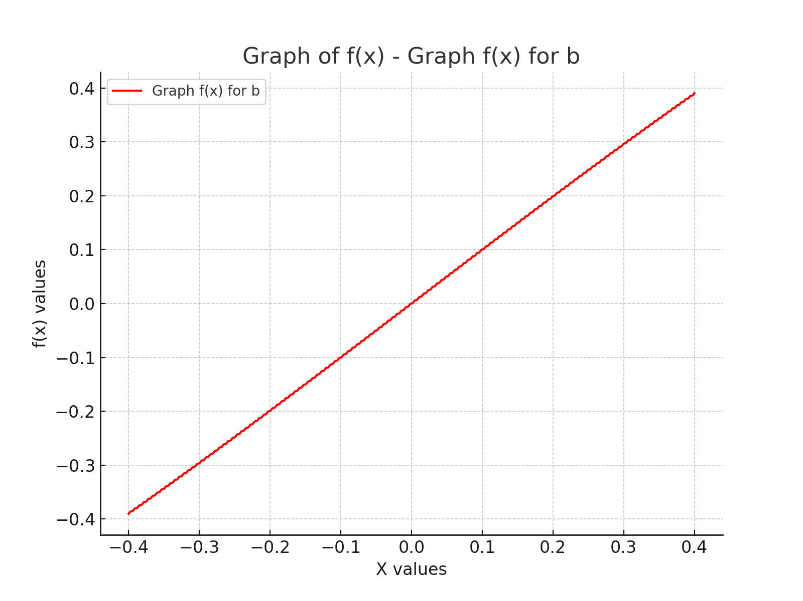
x | f(x)
-0.4 | -0.39026926167
-0.3991991992 | -0.38889586588
-0.3983983984 | -0.38739141495
-0.3975975976 | -0.38622173319
-0.3967967968 | -0.38564904245
-0.395995996 | -0.38557260079
-0.3951951952 | -0.38558992723
-0.39439439439 | -0.38524140423
-0.39359359359 | -0.38428960405
-0.39279279279 | -0.38286358244
-0.39199199199 | -0.38138044709
-0.39119119119 | -0.38029186657
-0.39039039039 | -0.37980957544
-0.38958958959 | -0.37977669578
-0.38878878879 | -0.37976307785
-0.38798798799 | -0.37932671786
-0.38718718719 | -0.37828237983
-0.38638638639 | -0.37681417042
-0.38558558559 | -0.37536365104
-0.38478478478 | -0.37436148534
-0.38398398398 | -0.37396570977
-0.38318318318 | -0.37396568938
-0.38238238238 | -0.3739101286
-0.38158158158 | -0.37338134002
-0.38078078078 | -0.37224908837
-0.37997997998 | -0.37074973945
-0.37917917918 | -0.3693426124
-0.37837837838 | -0.3684308353
-0.37757757758 | -0.36811634997
-0.37677677678 | -0.36813795859
-0.37597597598 | -0.36803006329
-0.37517517518 | -0.36740562698
-0.37437437437 | -0.36619139002
-0.37357357357 | -0.36467239301
-0.37277277277 | -0.36331874767
-0.37197197197 | -0.36249993334
-0.37117117117 | -0.36226025139
-0.37037037037 | -0.36229190196
-0.36956956957 | -0.36212204533
-0.36876876877 | -0.36140016387
-0.36796796797 | -0.36011108451
-0.36716716717 | -0.35858420024
-0.36636636637 | -0.35729328646
-0.36556556557 | -0.35656857091
-0.36476476476 | -0.35639604271
-0.36396396396 | -0.35642596755
-0.36316316316 | -0.3561854341
-0.36236236236 | -0.35536575953
-0.36156156156 | -0.35401008744
-0.36076076076 | -0.35248716823
-0.35995995996 | -0.35126725652
-0.35915915916 | -0.35063632083
-0.35835835836 | -0.35052225049
-0.35755755756 | -0.3505386802
-0.35675675676 | -0.35021979838
-0.35595595596 | -0.34930343795
-0.35515515516 | -0.34789040491
-0.35435435435 | -0.34638321529
-0.35355355355 | -0.34524147189
-0.35275275275 | -0.34470254751
-0.35195195195 | -0.3446373252
-0.35115115115 | -0.34462866761
-0.35035035035 | -0.34422492661
-0.34954954955 | -0.3432144264
-0.34874874875 | -0.34175410681
-0.34794794795 | -0.3402741456
-0.34714714715 | -0.33921652426
-0.34634634635 | -0.33876642028
-0.34554554555 | -0.33873966842
-0.34474474474 | -0.33869468485
-0.34394394394 | -0.33820083377
-0.34314314314 | -0.33710014062
-0.34234234234 | -0.33560329915
-0.34154154154 | -0.33416162556
-0.34074074074 | -0.33319277772
-0.33993993994 | -0.33282692975
-0.33913913914 | -0.33282766084
-0.33833833834 | -0.33273563696
-0.33753753754 | -0.33214776496
-0.33673673674 | -0.33096216704
-0.33593593594 | -0.32944009588
-0.33513513514 | -0.32804716227
-0.33433433433 | -0.32717036699
-0.33353353353 | -0.32688290682
-0.33273273273 | -0.32689969053
-0.33193193193 | -0.32675059935
-0.33113113113 | -0.32606619535
-0.33033033033 | -0.32480224245
-0.32952952953 | -0.32326659054
-0.32872872873 | -0.32193208438
-0.32792792793 | -0.3211491991
-0.32712712713 | -0.32093304417
-0.32632632633 | -0.32095418113
-0.32552552553 | -0.32073883549
-0.32472472472 | -0.31995682678
-0.32392392392 | -0.31862223144
-0.32312312312 | -0.31708482829
-0.32232232232 | -0.31581752574
-0.32152152152 | -0.31512895857
-0.32072072072 | -0.31497591983
-0.31991991992 | -0.31498961953
-0.31911911912 | -0.31469981188
-0.31831831832 | -0.31382058083
-0.31751751752 | -0.31242410188
-0.31671671672 | -0.31089677866
-0.31591591592 | -0.30970441193
-0.31511511512 | -0.30910911594
-0.31431431431 | -0.30901002251
-0.31351351351 | -0.30900458256
-0.31271271271 | -0.3086332099
-0.31191191191 | -0.30765858864
-0.31111111111 | -0.30620989883
-0.31031031031 | -0.30470430943
-0.30950950951 | -0.30359345002
-0.30870870871 | -0.30308893957
-0.30790790791 | -0.30303377829
-0.30710710711 | -0.30299776232
-0.30630630631 | -0.30253893441
-0.30550550551 | -0.30147217749
-0.3047047047 | -0.29998171731
-0.3039039039 | -0.29850916208
-0.3031031031 | -0.2974851216
-0.3023023023 | -0.29706751053
-0.3015015015 | -0.29704557823
-0.3007007007 | -0.29696798984
-0.2998998999 | -0.29641711895
-0.2990990991 | -0.29526285452
-0.2982982983 | -0.29374167432
-0.2974974975 | -0.29231292917
-0.2966966967 | -0.29137967927
-0.2958958959 | -0.29104374029
-0.2950950951 | -0.29104380663
-0.29429429429 | -0.29091425657
-0.29349349349 | -0.29026812755
-0.29269269269 | -0.28903228759
-0.29189189189 | -0.28749188049
-0.29109109109 | -0.28611703401
-0.29029029029 | -0.2852771466
-0.28948948949 | -0.28501639102
-0.28868868869 | -0.28502686924
-0.28788788789 | -0.28483573345
-0.28708708709 | -0.28409255296
-0.28628628629 | -0.28278228383
-0.28548548549 | -0.28123441194
-0.28468468468 | -0.27992271282
-0.28388388388 | -0.27917732158
-0.28308308308 | -0.27898409822
-0.28228228228 | -0.27899322129
-0.28148148148 | -0.27873178731
-0.28068068068 | -0.27789121147
-0.27987987988 | -0.27651476604
-0.27907907908 | -0.27497128252
-0.27827827828 | -0.27373099983
-0.27747747748 | -0.27307978348
-0.27667667668 | -0.27294539512
-0.27587587588 | -0.2729413947
-0.27507507508 | -0.27260199428
-0.27427427427 | -0.27166513439
-0.27347347347 | -0.2702317473
-0.27267267267 | -0.26870441715
-0.27187187187 | -0.2675427154
-0.27107107107 | -0.26698390303
-0.27027027027 | -0.26689873881
-0.26946946947 | -0.26687002416
-0.26866866867 | -0.26644615001
-0.26786786787 | -0.26541555615
-0.26706706707 | -0.26393530432
-0.26626626627 | -0.26243562641
-0.26546546547 | -0.26135845738
-0.26466466466 | -0.26088885582
-0.26386386386 | -0.26084253746
-0.26306306306 | -0.26077787168
-0.26226226226 | -0.2602642766
-0.26146146146 | -0.25914389947
-0.26066066066 | -0.25762754974
-0.25985985986 | -0.25616658293
-0.25905905906 | -0.25517859591
-0.25825825826 | -0.25479363859
-0.25745745746 | -0.25477517822
-0.25665665666 | -0.25466384916
-0.25585585586 | -0.25405662614
-0.25505505506 | -0.25285175758
-0.25425425425 | -0.25131060393
-0.25345345345 | -0.24989879984
-0.25265265265 | -0.24900327159
-0.25185185185 | -0.24869708831
-0.25105105105 | -0.2486950556
-0.25025025025 | -0.24852703873
-0.24944944945 | -0.24782368065
-0.24864864865 | -0.24654087392
-0.24784784785 | -0.24498656665
-0.24704704705 | -0.24363361169
-0.24624624625 | -0.24283239723
-0.24544544545 | -0.24259790363
-0.24464464464 | -0.2426005996
-0.24384384384 | -0.24236671054
-0.24304304304 | -0.24156614865
-0.24224224224 | -0.24021311953
-0.24144144144 | -0.23865748913
-0.24064064064 | -0.23737215804
-0.23983983984 | -0.23666566302
-0.23903903904 | -0.23649466849
-0.23823823824 | -0.23649030338
-0.23743743744 | -0.23618233765
-0.23663663664 | -0.23528495831
-0.23583583584 | -0.23387046853
-0.23503503504 | -0.23232534672
-0.23423423423 | -0.23111537001
-0.23343343343 | -0.23050254505
-0.23263263263 | -0.23038587743
-0.23183183183 | -0.23036274996
-0.23103103103 | -0.22997360788
-0.23023023023 | -0.22898124713
-0.22942942943 | -0.22751497206
-0.22862862863 | -0.22599201287
-0.22782782783 | -0.2248639601
-0.22702702703 | -0.22434231712
-0.22622622623 | -0.22426996227
-0.22542542543 | -0.2242166376
-0.22462462462 | -0.22374043244
-0.22382382382 | -0.22265634866
-0.22302302302 | -0.22114873102
-0.22222222222 | -0.21965923454
-0.22142142142 | -0.21861841513
-0.22062062062 | -0.21818406565
-0.21981981982 | -0.21814531977
-0.21901901902 | -0.21805080337
-0.21821821822 | -0.21748295106
-0.21741741742 | -0.21631177607
-0.21661661662 | -0.21477386809
-0.21581581582 | -0.21332860959
-0.21501501502 | -0.21237899285
-0.21421421421 | -0.21202670738
-0.21341341341 | -0.21201033984
-0.21261261261 | -0.21186424466
-0.21181181181 | -0.21120153386
-0.21101101101 | -0.20994920311
-0.21021021021 | -0.20839249938
-0.20940940941 | -0.20700156643
-0.20860860861 | -0.20614572181
-0.20780780781 | -0.20586900966
-0.20700700701 | -0.20586343378
-0.20620620621 | -0.2056561383
-0.20540540541 | -0.20489677951
-0.2046046046 | -0.20357044261
-0.2038038038 | -0.2020067063
-0.203003003 | -0.20067934625
-0.2022022022 | -0.19991840488
-0.2014014014 | -0.19970961307
-0.2006006006 | -0.19970306228
-0.1997997998 | -0.19942585687
-0.198998999 | -0.1985695101
-0.1981981982 | -0.19717742288
-0.1973973974 | -0.19561850782
-0.1965965966 | -0.19436298806
-0.1957957958 | -0.19369662608
-0.19499499499 | -0.19354705587
-0.19419419419 | -0.19352776266
-0.19339339339 | -0.19317298216
-0.19259259259 | -0.19222076255
-0.19179179179 | -0.19077216232
-0.19099099099 | -0.18922983374
-0.19019019019 | -0.18805331685
-0.18938938939 | -0.1874797608
-0.18858858859 | -0.1873798001
-0.18778778779 | -0.18733617495
-0.18698698699 | -0.18689731537
-0.18618618619 | -0.18585177677
-0.18538538539 | -0.18435674278
-0.18458458458 | -0.18284249938
-0.18378378378 | -0.18175093496
-0.18298298298 | -0.18126698918
-0.18218218218 | -0.18120625878
-0.18138138138 | -0.18112706638
-0.18058058058 | -0.18059888402
-0.17977977978 | -0.17946398078
-0.17897897898 | -0.17793328181
-0.17817817818 | -0.17645818189
-0.17737737738 | -0.17545621686
-0.17657657658 | -0.17505731241
-0.17577577578 | -0.17502482388
-0.17497497497 | -0.174899354
-0.17417417417 | -0.17427794549
-0.17337337337 | -0.17305897292
-0.17257257257 | -0.17150390451
-0.17177177177 | -0.17007839876
-0.17097097097 | -0.16916930737
-0.17017017017 | -0.16884957184
-0.16936936937 | -0.16883389463
-0.16856856857 | -0.16865212503
-0.16776776777 | -0.16793498694
-0.16696696697 | -0.16663850157
-0.16616616617 | -0.16507071521
-0.16536536537 | -0.16370448873
-0.16456456456 | -0.16289012338
-0.16376376376 | -0.16264247039
-0.16296296296 | -0.16263190568
-0.16216216216 | -0.16238465456
-0.16136136136 | -0.16157072194
-0.16056056056 | -0.16020444253
-0.15975975976 | -0.15863576944
-0.15895895896 | -0.15733759536
-0.15815815816 | -0.15661835903
-0.15735735736 | -0.15643459621
-0.15655655656 | -0.15641735478
-0.15575575576 | -0.15609642051
-0.15495495495 | -0.15518608346
-0.15415415415 | -0.15375877449
-0.15335335335 | -0.15220104673
-0.15255255255 | -0.15097865365
-0.15175175175 | -0.15035349426
-0.15095095095 | -0.15022444795
-0.15015015015 | -0.15018882946
-0.14934934935 | -0.14978711546
-0.14854854855 | -0.14878221373
-0.14774774775 | -0.14730355294
-0.14694694695 | -0.14576842446
-0.14614614615 | -0.14462837976
-0.14534534535 | -0.14409480662
-0.14454454454 | -0.1440104615
-0.14374374374 | -0.14394503239
-0.14294294294 | -0.14345665522
-0.14214214214 | -0.14236045081
-0.14134134134 | -0.14084088294
-0.14054054054 | -0.13933965337
-0.13973973974 | -0.13828726411
-0.13893893894 | -0.13784138618
-0.13813813814 | -0.1377910376
-0.13733733734 | -0.13768480499
-0.13653653654 | -0.13710518405
-0.13573573574 | -0.13592231223
-0.13493493493 | -0.13437289116
-0.13413413413 | -0.13291633492
-0.13333333333 | -0.13195556783
-0.13253253253 | -0.13159215322
-0.13173173173 | -0.13156457004
-0.13093093093 | -0.1314071489
-0.13013013013 | -0.13073307641
-0.12932932933 | -0.1294694759
-0.12852852853 | -0.1279016975
-0.12772772773 | -0.12649990091
-0.12692692693 | -0.12563332277
-0.12612612613 | -0.12534587857
-0.12532532533 | -0.12532947398
-0.12452452452 | -0.12511124509
-0.12372372372 | -0.1243409352
-0.12292292292 | -0.12300375865
-0.12212212212 | -0.12142938693
-0.12132132132 | -0.12009159578
-0.12052052052 | -0.11932033495
-0.11971971972 | -0.11910120618
-0.11891891892 | -0.11908421385
-0.11811811812 | -0.11879647021
-0.11731731732 | -0.11792958659
-0.11651651652 | -0.11652709257
-0.11571571572 | -0.11495798179
-0.11491491491 | -0.11369246161
-0.11411411411 | -0.11301619144
-0.11331331331 | -0.11285667761
-0.11251251251 | -0.11282733066
-0.11171171171 | -0.11246240998
-0.11091091091 | -0.11150007141
-0.11011011011 | -0.11004149968
-0.10930930931 | -0.1084894151
-0.10850850851 | -0.10730332629
-0.10770770771 | -0.10672027056
-0.10690690691 | -0.10661075813
-0.10610610611 | -0.10655746804
-0.10530530531 | -0.10610886942
-0.1045045045 | -0.10505363331
-0.1037037037 | -0.10354906521
-0.1029029029 | -0.10202550515
-0.1021021021 | -0.10092479494
-0.1013013013 | -0.10043175527
-0.1005005005 | -0.10036186391
-0.0996996997 | -0.10027339674
-0.098898898899 | -0.099735879766
-0.098098098098 | -0.098591703879
-0.097297297297 | -0.097051909932
-0.096496496496 | -0.095567931923
-0.095695695696 | -0.094557244634
-0.094894894895 | -0.094149649518
-0.094094094094 | -0.094108389994
-0.093293293293 | -0.093974037247
-0.092492492492 | -0.093343701943
-0.091691691692 | -0.092115884868
-0.090890890891 | -0.090552161965
-0.09009009009 | -0.089118215537
-0.089289289289 | -0.088200822683
-0.088488488488 | -0.087872797266
-0.087687687688 | -0.087848738617
-0.086886886887 | -0.087658480095
-0.086086086086 | -0.086932826564
-0.085285285285 | -0.085627927864
-0.084484484484 | -0.084051928433
-0.083683683684 | -0.082677697175
-0.082882882883 | -0.081855448331
-0.082082082082 | -0.081599904014
-0.081281281281 | -0.08158134736
-0.08048048048 | -0.081326003627
-0.07967967968 | -0.080503970452
-0.078878878879 | -0.079129711684
-0.078078078078 | -0.077553267494
-0.077277277277 | -0.076247522694
-0.076476476476 | -0.075520817946
-0.075675675676 | -0.075329560371
-0.074874874875 | -0.07530471682
-0.074074074074 | -0.074976088894
-0.073273273273 | -0.074058069725
-0.072472472472 | -0.072623217848
-0.071671671672 | -0.071058161081
-0.070870870871 | -0.069828629216
-0.07007007007 | -0.069196413589
-0.069269269269 | -0.069060267393
-0.068468468468 | -0.069017437307
-0.067667667668 | -0.068608431483
-0.066866866867 | -0.067596269566
-0.066066066066 | -0.066110504491
-0.065265265265 | -0.064568488813
-0.064464464464 | -0.063421734874
-0.063663663664 | -0.062881514829
-0.062862862863 | -0.062790463278
-0.062062062062 | -0.062718214185
-0.061261261261 | -0.062222950102
-0.06046046046 | -0.061119910824
-0.05965965966 | -0.059593679119
-0.058858858859 | -0.058086003456
-0.058058058058 | -0.057027331895
-0.057257257257 | -0.056575213634
-0.056456456456 | -0.056518551015
-0.055655655656 | -0.056405891468
-0.054854854855 | -0.055819791778
-0.054054054054 | -0.054630513643
-0.053253253253 | -0.053074870618
-0.052452452452 | -0.051612308314
-0.051651651652 | -0.050645683097
-0.050850850851 | -0.050276432107
-0.05005005005 | -0.050242926569
-0.049249249249 | -0.050079473319
-0.048448448448 | -0.049399333593
-0.047647647648 | -0.048129758382
-0.046846846847 | -0.046556200939
-0.046046046046 | -0.045148836879
-0.045245245245 | -0.044276821879
-0.044444444444 | -0.043983942803
-0.043643643644 | -0.043962007174
-0.042842842843 | -0.043738143123
-0.042042042042 | -0.04296218094
-0.041241241241 | -0.041619464104
-0.04044044044 | -0.040039756888
-0.03963963964 | -0.038696835071
-0.038838838839 | -0.037920555675
-0.038038038038 | -0.037696391312
-0.037237237237 | -0.037674259306
-0.036436436436 | -0.037381279836
-0.035635635636 | -0.036509162312
-0.034834834835 | -0.035101564958
-0.034034034034 | -0.033527562458
-0.033233233233 | -0.032257346307
-0.032432432432 | -0.031576472858
-0.031631631632 | -0.031412320767
-0.030830830831 | -0.03137822591
-0.03003003003 | -0.03100847138
-0.029229229229 | -0.030041320706
-0.028428428428 | -0.028578084827
-0.027627627628 | -0.027021552102
-0.026826826827 | -0.02583119966
-0.026026026026 | -0.025243952944
-0.025225225225 | -0.025130197912
-0.024424424424 | -0.025072552465
-0.023623623624 | -0.024619524861
-0.022822822823 | -0.02355990179
-0.022022022022 | -0.022051110606
-0.021221221221 | -0.020523545379
-0.02042042042 | -0.019419001255
-0.01961961962 | -0.018922179982
-0.018818818819 | -0.018848440327
-0.018018018018 | -0.018756011504
-0.017217217217 | -0.018214473471
-0.016416416416 | -0.017066338978
-0.015615615616 | -0.015522764535
-0.014814814815 | -0.014035223331
-0.014014014014 | -0.013021129053
-0.013213213213 | -0.012610158899
-0.012412412412 | -0.012565444396
-0.011611611612 | -0.012427525197
-0.010810810811 | -0.01179357996
-0.01001001001 | -0.010562235673
-0.0092092092092 | -0.0089951759877
-0.0084084084084 | -0.0075581069698
-0.0076076076076 | -0.0066377310947
-0.0068068068068 | -0.0063067345646
-0.006006006006 | -0.0062796136027
-0.0052052052052 | -0.0060861856732
-0.0044044044044 | -0.0053573366222
-0.0036036036036 | -0.0040493449291
-0.0028028028028 | -0.0024704531587
-0.002002002002 | -0.0010935381863
-0.0012012012012 | -0.00026872723432
-0.0004004004004 | -1.0613285428E-05
0.0004004004004 | 1.0613285428E-05
0.0012012012012 | 0.00026872723432
0.002002002002 | 0.0010935381863
0.0028028028028 | 0.0024704531587
0.0036036036036 | 0.0040493449291
0.0044044044044 | 0.0053573366222
0.0052052052052 | 0.0060861856732
0.006006006006 | 0.0062796136027
0.0068068068068 | 0.0063067345646
0.0076076076076 | 0.0066377310947
0.0084084084084 | 0.0075581069698
0.0092092092092 | 0.0089951759877
0.01001001001 | 0.010562235673
0.010810810811 | 0.01179357996
0.011611611612 | 0.012427525197
0.012412412412 | 0.012565444396
0.013213213213 | 0.012610158899
0.014014014014 | 0.013021129053
0.014814814815 | 0.014035223331
0.015615615616 | 0.015522764535
0.016416416416 | 0.017066338978
0.017217217217 | 0.018214473471
0.018018018018 | 0.018756011504
0.018818818819 | 0.018848440327
0.01961961962 | 0.018922179982
0.02042042042 | 0.019419001255
0.021221221221 | 0.020523545379
0.022022022022 | 0.022051110606
0.022822822823 | 0.02355990179
0.023623623624 | 0.024619524861
0.024424424424 | 0.025072552465
0.025225225225 | 0.025130197912
0.026026026026 | 0.025243952944
0.026826826827 | 0.02583119966
0.027627627628 | 0.027021552102
0.028428428428 | 0.028578084827
0.029229229229 | 0.030041320706
0.03003003003 | 0.03100847138
0.030830830831 | 0.03137822591
0.031631631632 | 0.031412320767
0.032432432432 | 0.031576472858
0.033233233233 | 0.032257346307
0.034034034034 | 0.033527562458
0.034834834835 | 0.035101564958
0.035635635636 | 0.036509162312
0.036436436436 | 0.037381279836
0.037237237237 | 0.037674259306
0.038038038038 | 0.037696391312
0.038838838839 | 0.037920555675
0.03963963964 | 0.038696835071
0.04044044044 | 0.040039756888
0.041241241241 | 0.041619464104
0.042042042042 | 0.04296218094
0.042842842843 | 0.043738143123
0.043643643644 | 0.043962007174
0.044444444444 | 0.043983942803
0.045245245245 | 0.044276821879
0.046046046046 | 0.045148836879
0.046846846847 | 0.046556200939
0.047647647648 | 0.048129758382
0.048448448448 | 0.049399333593
0.049249249249 | 0.050079473319
0.05005005005 | 0.050242926569
0.050850850851 | 0.050276432107
0.051651651652 | 0.050645683097
0.052452452452 | 0.051612308314
0.053253253253 | 0.053074870618
0.054054054054 | 0.054630513643
0.054854854855 | 0.055819791778
0.055655655656 | 0.056405891468
0.056456456456 | 0.056518551015
0.057257257257 | 0.056575213634
0.058058058058 | 0.057027331895
0.058858858859 | 0.058086003456
0.05965965966 | 0.059593679119
0.06046046046 | 0.061119910824
0.061261261261 | 0.062222950102
0.062062062062 | 0.062718214185
0.062862862863 | 0.062790463278
0.063663663664 | 0.062881514829
0.064464464464 | 0.063421734874
0.065265265265 | 0.064568488813
0.066066066066 | 0.066110504491
0.066866866867 | 0.067596269566
0.067667667668 | 0.068608431483
0.068468468468 | 0.069017437307
0.069269269269 | 0.069060267393
0.07007007007 | 0.069196413589
0.070870870871 | 0.069828629216
0.071671671672 | 0.071058161081
0.072472472472 | 0.072623217848
0.073273273273 | 0.074058069725
0.074074074074 | 0.074976088894
0.074874874875 | 0.07530471682
0.075675675676 | 0.075329560371
0.076476476476 | 0.075520817946
0.077277277277 | 0.076247522694
0.078078078078 | 0.077553267494
0.078878878879 | 0.079129711684
0.07967967968 | 0.080503970452
0.08048048048 | 0.081326003627
0.081281281281 | 0.08158134736
0.082082082082 | 0.081599904014
0.082882882883 | 0.081855448331
0.083683683684 | 0.082677697175
0.084484484484 | 0.084051928433
0.085285285285 | 0.085627927864
0.086086086086 | 0.086932826564
0.086886886887 | 0.087658480095
0.087687687688 | 0.087848738617
0.088488488488 | 0.087872797266
0.089289289289 | 0.088200822683
0.09009009009 | 0.089118215537
0.090890890891 | 0.090552161965
0.091691691692 | 0.092115884868
0.092492492492 | 0.093343701943
0.093293293293 | 0.093974037247
0.094094094094 | 0.094108389994
0.094894894895 | 0.094149649518
0.095695695696 | 0.094557244634
0.096496496496 | 0.095567931923
0.097297297297 | 0.097051909932
0.098098098098 | 0.098591703879
0.098898898899 | 0.099735879766
0.0996996997 | 0.10027339674
0.1005005005 | 0.10036186391
0.1013013013 | 0.10043175527
0.1021021021 | 0.10092479494
0.1029029029 | 0.10202550515
0.1037037037 | 0.10354906521
0.1045045045 | 0.10505363331
0.10530530531 | 0.10610886942
0.10610610611 | 0.10655746804
0.10690690691 | 0.10661075813
0.10770770771 | 0.10672027056
0.10850850851 | 0.10730332629
0.10930930931 | 0.1084894151
0.11011011011 | 0.11004149968
0.11091091091 | 0.11150007141
0.11171171171 | 0.11246240998
0.11251251251 | 0.11282733066
0.11331331331 | 0.11285667761
0.11411411411 | 0.11301619144
0.11491491491 | 0.11369246161
0.11571571572 | 0.11495798179
0.11651651652 | 0.11652709257
0.11731731732 | 0.11792958659
0.11811811812 | 0.11879647021
0.11891891892 | 0.11908421385
0.11971971972 | 0.11910120618
0.12052052052 | 0.11932033495
0.12132132132 | 0.12009159578
0.12212212212 | 0.12142938693
0.12292292292 | 0.12300375865
0.12372372372 | 0.1243409352
0.12452452452 | 0.12511124509
0.12532532533 | 0.12532947398
0.12612612613 | 0.12534587857
0.12692692693 | 0.12563332277
0.12772772773 | 0.12649990091
0.12852852853 | 0.1279016975
0.12932932933 | 0.1294694759
0.13013013013 | 0.13073307641
0.13093093093 | 0.1314071489
0.13173173173 | 0.13156457004
0.13253253253 | 0.13159215322
0.13333333333 | 0.13195556783
0.13413413413 | 0.13291633492
0.13493493493 | 0.13437289116
0.13573573574 | 0.13592231223
0.13653653654 | 0.13710518405
0.13733733734 | 0.13768480499
0.13813813814 | 0.1377910376
0.13893893894 | 0.13784138618
0.13973973974 | 0.13828726411
0.14054054054 | 0.13933965337
0.14134134134 | 0.14084088294
0.14214214214 | 0.14236045081
0.14294294294 | 0.14345665522
0.14374374374 | 0.14394503239
0.14454454454 | 0.1440104615
0.14534534535 | 0.14409480662
0.14614614615 | 0.14462837976
0.14694694695 | 0.14576842446
0.14774774775 | 0.14730355294
0.14854854855 | 0.14878221373
0.14934934935 | 0.14978711546
0.15015015015 | 0.15018882946
0.15095095095 | 0.15022444795
0.15175175175 | 0.15035349426
0.15255255255 | 0.15097865365
0.15335335335 | 0.15220104673
0.15415415415 | 0.15375877449
0.15495495495 | 0.15518608346
0.15575575576 | 0.15609642051
0.15655655656 | 0.15641735478
0.15735735736 | 0.15643459621
0.15815815816 | 0.15661835903
0.15895895896 | 0.15733759536
0.15975975976 | 0.15863576944
0.16056056056 | 0.16020444253
0.16136136136 | 0.16157072194
0.16216216216 | 0.16238465456
0.16296296296 | 0.16263190568
0.16376376376 | 0.16264247039
0.16456456456 | 0.16289012338
0.16536536537 | 0.16370448873
0.16616616617 | 0.16507071521
0.16696696697 | 0.16663850157
0.16776776777 | 0.16793498694
0.16856856857 | 0.16865212503
0.16936936937 | 0.16883389463
0.17017017017 | 0.16884957184
0.17097097097 | 0.16916930737
0.17177177177 | 0.17007839876
0.17257257257 | 0.17150390451
0.17337337337 | 0.17305897292
0.17417417417 | 0.17427794549
0.17497497497 | 0.174899354
0.17577577578 | 0.17502482388
0.17657657658 | 0.17505731241
0.17737737738 | 0.17545621686
0.17817817818 | 0.17645818189
0.17897897898 | 0.17793328181
0.17977977978 | 0.17946398078
0.18058058058 | 0.18059888402
0.18138138138 | 0.18112706638
0.18218218218 | 0.18120625878
0.18298298298 | 0.18126698918
0.18378378378 | 0.18175093496
0.18458458458 | 0.18284249938
0.18538538539 | 0.18435674278
0.18618618619 | 0.18585177677
0.18698698699 | 0.18689731537
0.18778778779 | 0.18733617495
0.18858858859 | 0.1873798001
0.18938938939 | 0.1874797608
0.19019019019 | 0.18805331685
0.19099099099 | 0.18922983374
0.19179179179 | 0.19077216232
0.19259259259 | 0.19222076255
0.19339339339 | 0.19317298216
0.19419419419 | 0.19352776266
0.19499499499 | 0.19354705587
0.1957957958 | 0.19369662608
0.1965965966 | 0.19436298806
0.1973973974 | 0.19561850782
0.1981981982 | 0.19717742288
0.198998999 | 0.1985695101
0.1997997998 | 0.19942585687
0.2006006006 | 0.19970306228
0.2014014014 | 0.19970961307
0.2022022022 | 0.19991840488
0.203003003 | 0.20067934625
0.2038038038 | 0.2020067063
0.2046046046 | 0.20357044261
0.20540540541 | 0.20489677951
0.20620620621 | 0.2056561383
0.20700700701 | 0.20586343378
0.20780780781 | 0.20586900966
0.20860860861 | 0.20614572181
0.20940940941 | 0.20700156643
0.21021021021 | 0.20839249938
0.21101101101 | 0.20994920311
0.21181181181 | 0.21120153386
0.21261261261 | 0.21186424466
0.21341341341 | 0.21201033984
0.21421421421 | 0.21202670738
0.21501501502 | 0.21237899285
0.21581581582 | 0.21332860959
0.21661661662 | 0.21477386809
0.21741741742 | 0.21631177607
0.21821821822 | 0.21748295106
0.21901901902 | 0.21805080337
0.21981981982 | 0.21814531977
0.22062062062 | 0.21818406565
0.22142142142 | 0.21861841513
0.22222222222 | 0.21965923454
0.22302302302 | 0.22114873102
0.22382382382 | 0.22265634866
0.22462462462 | 0.22374043244
0.22542542543 | 0.2242166376
0.22622622623 | 0.22426996227
0.22702702703 | 0.22434231712
0.22782782783 | 0.2248639601
0.22862862863 | 0.22599201287
0.22942942943 | 0.22751497206
0.23023023023 | 0.22898124713
0.23103103103 | 0.22997360788
0.23183183183 | 0.23036274996
0.23263263263 | 0.23038587743
0.23343343343 | 0.23050254505
0.23423423423 | 0.23111537001
0.23503503504 | 0.23232534672
0.23583583584 | 0.23387046853
0.23663663664 | 0.23528495831
0.23743743744 | 0.23618233765
0.23823823824 | 0.23649030338
0.23903903904 | 0.23649466849
0.23983983984 | 0.23666566302
0.24064064064 | 0.23737215804
0.24144144144 | 0.23865748913
0.24224224224 | 0.24021311953
0.24304304304 | 0.24156614865
0.24384384384 | 0.24236671054
0.24464464464 | 0.2426005996
0.24544544545 | 0.24259790363
0.24624624625 | 0.24283239723
0.24704704705 | 0.24363361169
0.24784784785 | 0.24498656665
0.24864864865 | 0.24654087392
0.24944944945 | 0.24782368065
0.25025025025 | 0.24852703873
0.25105105105 | 0.2486950556
0.25185185185 | 0.24869708831
0.25265265265 | 0.24900327159
0.25345345345 | 0.24989879984
0.25425425425 | 0.25131060393
0.25505505506 | 0.25285175758
0.25585585586 | 0.25405662614
0.25665665666 | 0.25466384916
0.25745745746 | 0.25477517822
0.25825825826 | 0.25479363859
0.25905905906 | 0.25517859591
0.25985985986 | 0.25616658293
0.26066066066 | 0.25762754974
0.26146146146 | 0.25914389947
0.26226226226 | 0.2602642766
0.26306306306 | 0.26077787168
0.26386386386 | 0.26084253746
0.26466466466 | 0.26088885582
0.26546546547 | 0.26135845738
0.26626626627 | 0.26243562641
0.26706706707 | 0.26393530432
0.26786786787 | 0.26541555615
0.26866866867 | 0.26644615001
0.26946946947 | 0.26687002416
0.27027027027 | 0.26689873881
0.27107107107 | 0.26698390303
0.27187187187 | 0.2675427154
0.27267267267 | 0.26870441715
0.27347347347 | 0.2702317473
0.27427427427 | 0.27166513439
0.27507507508 | 0.27260199428
0.27587587588 | 0.2729413947
0.27667667668 | 0.27294539512
0.27747747748 | 0.27307978348
0.27827827828 | 0.27373099983
0.27907907908 | 0.27497128252
0.27987987988 | 0.27651476604
0.28068068068 | 0.27789121147
0.28148148148 | 0.27873178731
0.28228228228 | 0.27899322129
0.28308308308 | 0.27898409822
0.28388388388 | 0.27917732158
0.28468468468 | 0.27992271282
0.28548548549 | 0.28123441194
0.28628628629 | 0.28278228383
0.28708708709 | 0.28409255296
0.28788788789 | 0.28483573345
0.28868868869 | 0.28502686924
0.28948948949 | 0.28501639102
0.29029029029 | 0.2852771466
0.29109109109 | 0.28611703401
0.29189189189 | 0.28749188049
0.29269269269 | 0.28903228759
0.29349349349 | 0.29026812755
0.29429429429 | 0.29091425657
0.2950950951 | 0.29104380663
0.2958958959 | 0.29104374029
0.2966966967 | 0.29137967927
0.2974974975 | 0.29231292917
0.2982982983 | 0.29374167432
0.2990990991 | 0.29526285452
0.2998998999 | 0.29641711895
0.3007007007 | 0.29696798984
0.3015015015 | 0.29704557823
0.3023023023 | 0.29706751053
0.3031031031 | 0.2974851216
0.3039039039 | 0.29850916208
0.3047047047 | 0.29998171731
0.30550550551 | 0.30147217749
0.30630630631 | 0.30253893441
0.30710710711 | 0.30299776232
0.30790790791 | 0.30303377829
0.30870870871 | 0.30308893957
0.30950950951 | 0.30359345002
0.31031031031 | 0.30470430943
0.31111111111 | 0.30620989883
0.31191191191 | 0.30765858864
0.31271271271 | 0.3086332099
0.31351351351 | 0.30900458256
0.31431431431 | 0.30901002251
0.31511511512 | 0.30910911594
0.31591591592 | 0.30970441193
0.31671671672 | 0.31089677866
0.31751751752 | 0.31242410188
0.31831831832 | 0.31382058083
0.31911911912 | 0.31469981188
0.31991991992 | 0.31498961953
0.32072072072 | 0.31497591983
0.32152152152 | 0.31512895857
0.32232232232 | 0.31581752574
0.32312312312 | 0.31708482829
...

Graph f(x) for c
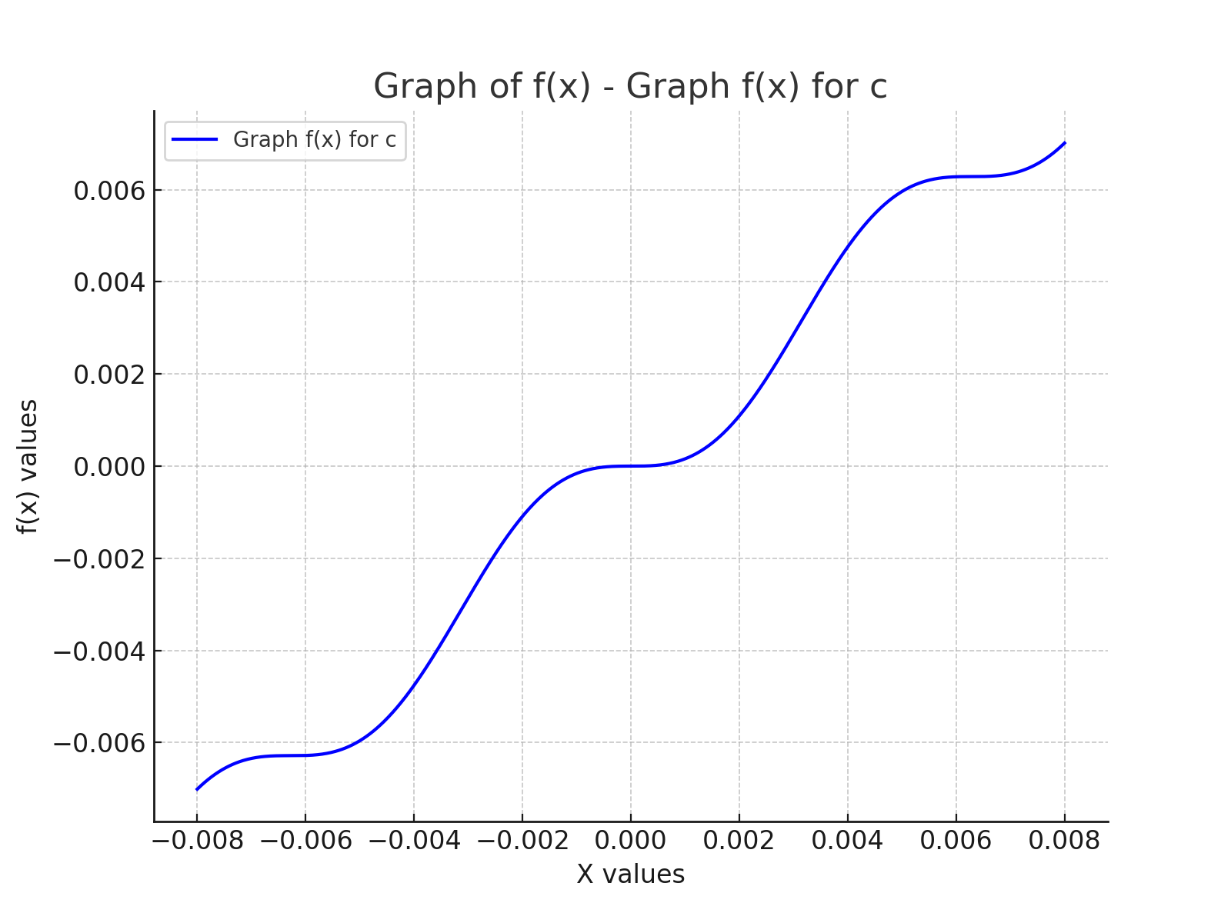
x | f(x)
-0.008 | -0.0070105564203
-0.007983983984 | -0.0069923375733
-0.007967967968 | -0.0069743730671
-0.007951951952 | -0.0069566634015
-0.0079359359359 | -0.0069392090111
-0.0079199199199 | -0.0069220102651
-0.0079039039039 | -0.0069050674669
-0.0078878878879 | -0.0068883808543
-0.0078718718719 | -0.0068719505996
-0.0078558558559 | -0.0068557768091
-0.0078398398398 | -0.0068398595235
-0.0078238238238 | -0.0068241987174
-0.0078078078078 | -0.0068087943
-0.0077917917918 | -0.0067936461145
-0.0077757757758 | -0.0067787539384
-0.0077597597598 | -0.0067641174836
-0.0077437437437 | -0.0067497363963
-0.0077277277277 | -0.0067356102573
-0.0077117117117 | -0.006721738582
-0.0076956956957 | -0.0067081208204
-0.0076796796797 | -0.0066947563575
-0.0076636636637 | -0.0066816445132
-0.0076476476476 | -0.0066687845428
-0.0076316316316 | -0.0066561756369
-0.0076156156156 | -0.0066438169215
-0.0075995995996 | -0.0066317074588
-0.0075835835836 | -0.0066198462467
-0.0075675675676 | -0.0066082322197
-0.0075515515516 | -0.0065968642488
-0.0075355355355 | -0.0065857411417
-0.0075195195195 | -0.0065748616436
-0.0075035035035 | -0.006564224437
-0.0074874874875 | -0.0065538281424
-0.0074714714715 | -0.0065436713183
-0.0074554554555 | -0.006533752462
...

Graph f(x) (-1, 0)
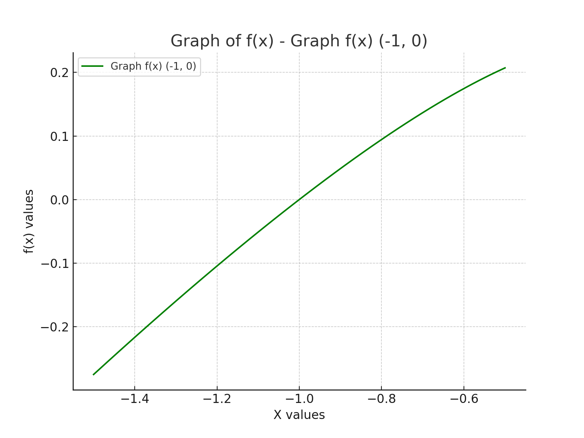
x | f(x)
-1.5 | -0.27525512861
-1.498998999 | -0.27466285276
-1.497997998 | -0.27407071339
-1.496996997 | -0.27347871066
-1.495995996 | -0.2728868447
-1.494994995 | -0.27229511563
-1.493993994 | -0.27170352361
-1.492992993 | -0.27111206876
-1.491991992 | -0.27052075124
-1.490990991 | -0.26992957116
-1.48998999 | -0.26933852868
-1.488988989 | -0.26874762393
-1.487987988 | -0.26815685706
-1.486986987 | -0.26756622819
-1.485985986 | -0.26697573747
-1.484984985 | -0.26638538504
-1.483983984 | -0.26579517104
-1.482982983 | -0.26520509561
-1.481981982 | -0.26461515888
-1.480980981 | -0.26402536101
-1.47997998 | -0.26343570213
-1.478978979 | -0.26284618237
-1.477977978 | -0.26225680189
-1.476976977 | -0.26166756083
-1.475975976 | -0.26107845932
-1.474974975 | -0.26048949751
-1.473973974 | -0.25990067554
-1.472972973 | -0.25931199355
-1.471971972 | -0.25872345169
-1.470970971 | -0.25813505009
-1.46996997 | -0.25754678891
-1.468968969 | -0.25695866828
-1.467967968 | -0.25637068835
-1.466966967 | -0.25578284927
-1.465965966 | -0.25519515117
-1.464964965 | -0.2546075942
...

Graph f(x) (0,0)
 | f(x)
-0.5 | 0.20710678119
-0.498998999 | 0.20739961298
-0.497997998 | 0.20769173411
-0.496996997 | 0.20798314244
-0.495995996 | 0.20827383581
-0.49499499499 | 0.20856381207
-0.49399399399 | 0.20885306902
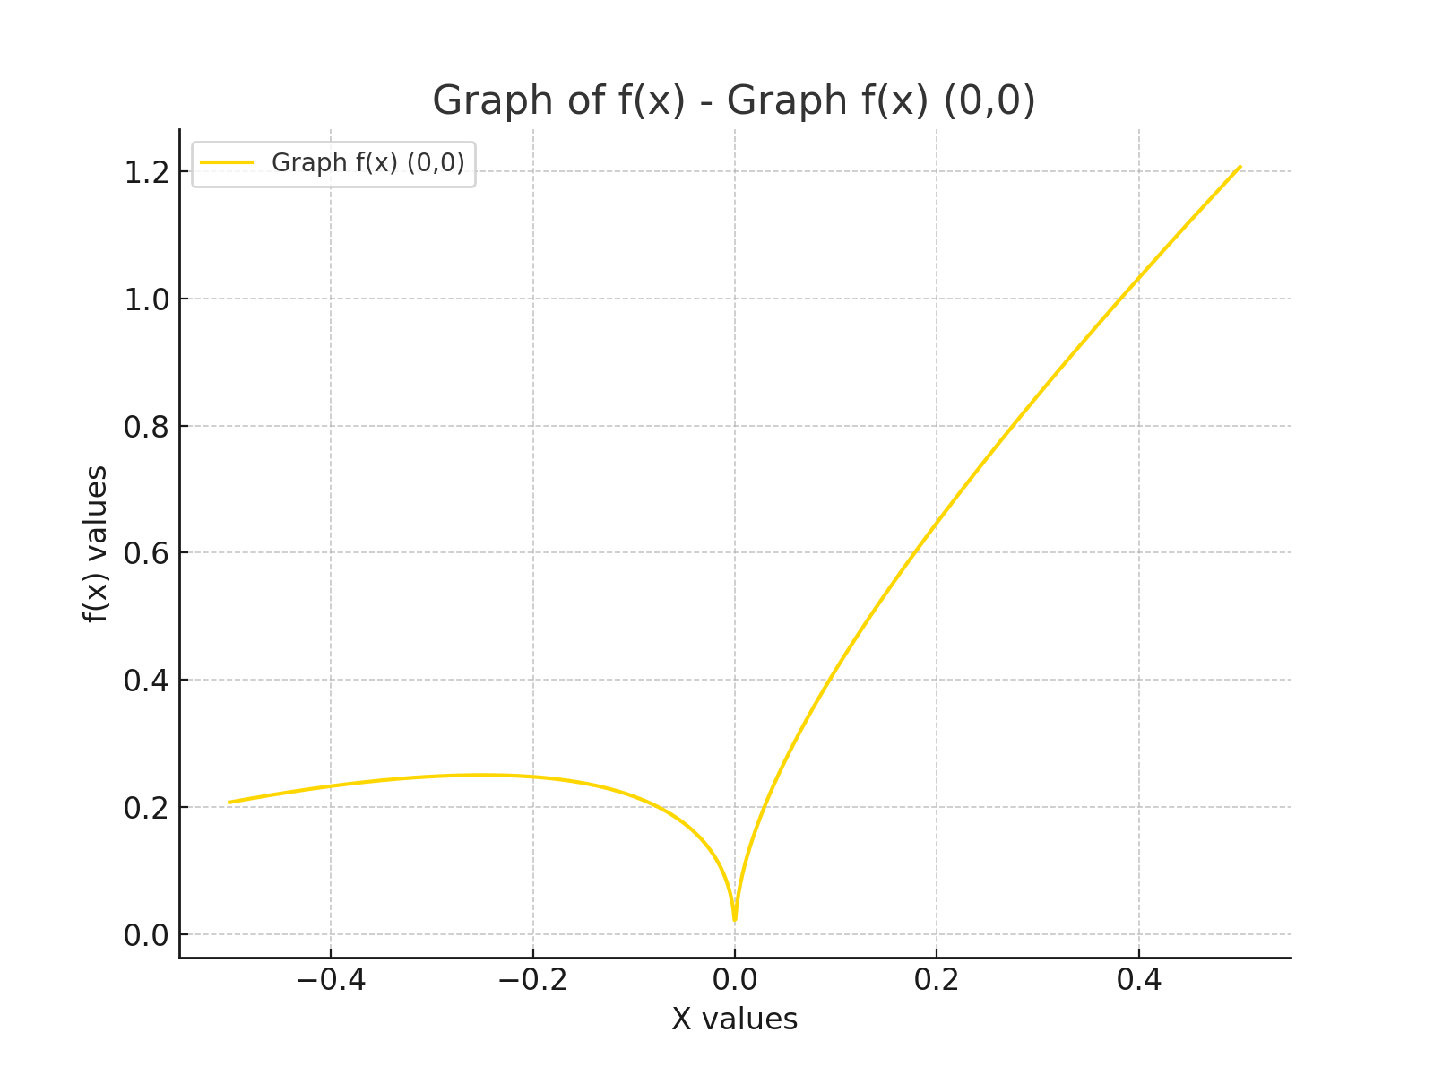
-0.49299299299 | 0.2091416045
-0.49199199199 | 0.20942941629
-0.49099099099 | 0.20971650218
-0.48998998999 | 0.21000285997
-0.48898898899 | 0.2102884874
-0.48798798799 | 0.21057338225
-0.48698698699 | 0.21085754225
-0.48598598599 | 0.21114096514
-0.48498498498 | 0.21142364864
-0.48398398398 | 0.21170559046
-0.48298298298 | 0.21198678829
-0.48198198198 | 0.21226723983
-0.48098098098 | 0.21254694274
-0.47997997998 | 0.21282589469
-0.47897897898 | 0.21310409333
-0.47797797798 | 0.2133815363
-0.47697697698 | 0.21365822121
-0.47597597598 | 0.21393414569
-0.47497497497 | 0.21420930733
-0.47397397397 | 0.21448370372
-0.47297297297 | 0.21475733243
-0.47197197197 | 0.21503019103
-0.47097097097 | 0.21530227707
-0.46996996997 | 0.21557358807
-0.46896896897 | 0.21584412157
-0.46796796797 | 0.21611387507
-0.46696696697 | 0.21638284606
-0.46596596597 | 0.21665103204
-0.46496496496 | 0.21691843047
-0.46396396396 | 0.2171850388
-0.46296296296 | 0.21745085448
-0.46196196196 | 0.21771587493
-0.46096096096 | 0.21798009757
-0.45995995996 | 0.2182435198
...

