Problem 1
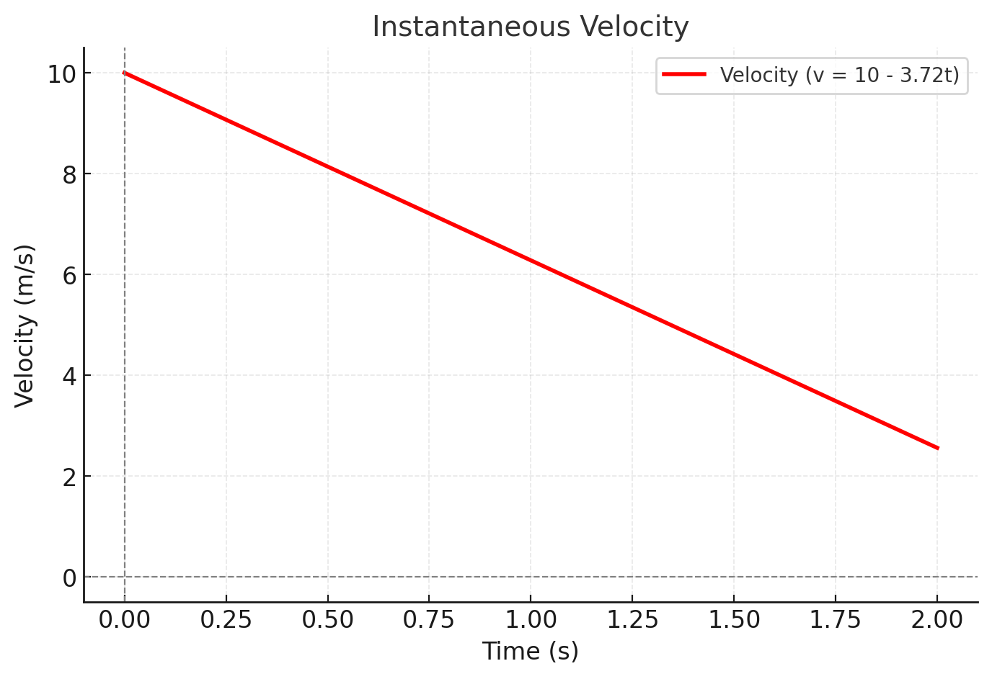
A
t | y(t) | Avg
1 | 8.14 | 4.42
2 | 12.56
1 | 8.14 | 5.35
1.5 | 10.815
1 | 8.14 | 6.094
1.1 | 8.7494
1 | 8.14 | 6.2614
1.01 | 8.202614
1 | 8.14 | 6.27814
1.001 | 8.14627814
B
t | v
1 | 6.28

Problem 2
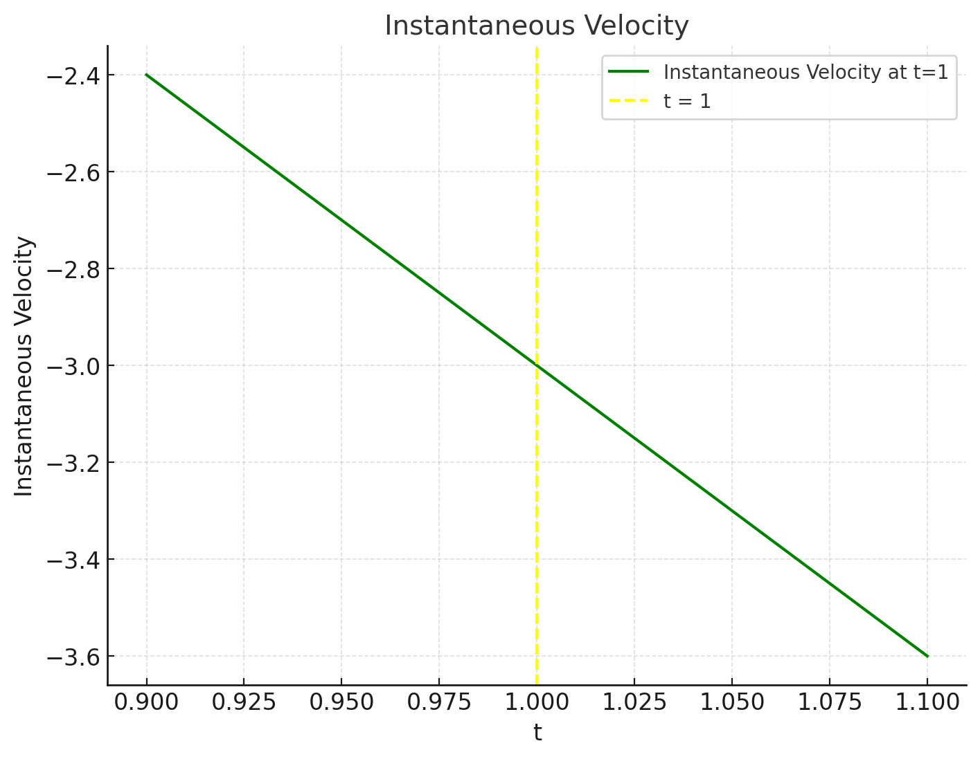
A
t | s(t) | Avg
1 | -3 | 6
2 | 3
1 | -3 | -4.7120353764
1.1 | -3.4712035376
1 | -3 | -6.1341199253
1.01 | -3.0613411993
1 | -3 | -6.2683705773
1.001 | -3.0062683706
B
t | s(t)
1 | -6.2831853072

Problem 3
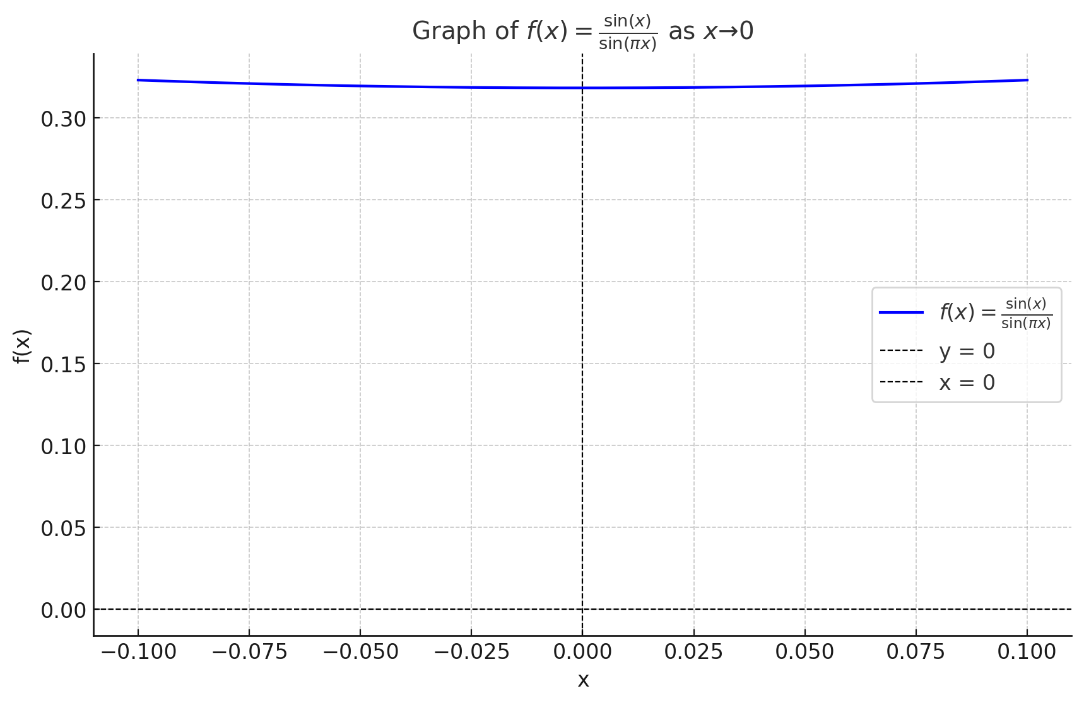
x | f(x)
0.1 | 0.3230677227
0.01 | 0.31835694608
0.001 | 0.31831035673
0.0001 | 0.31830989089
0.00001 | 0.31830988623

Problem 4
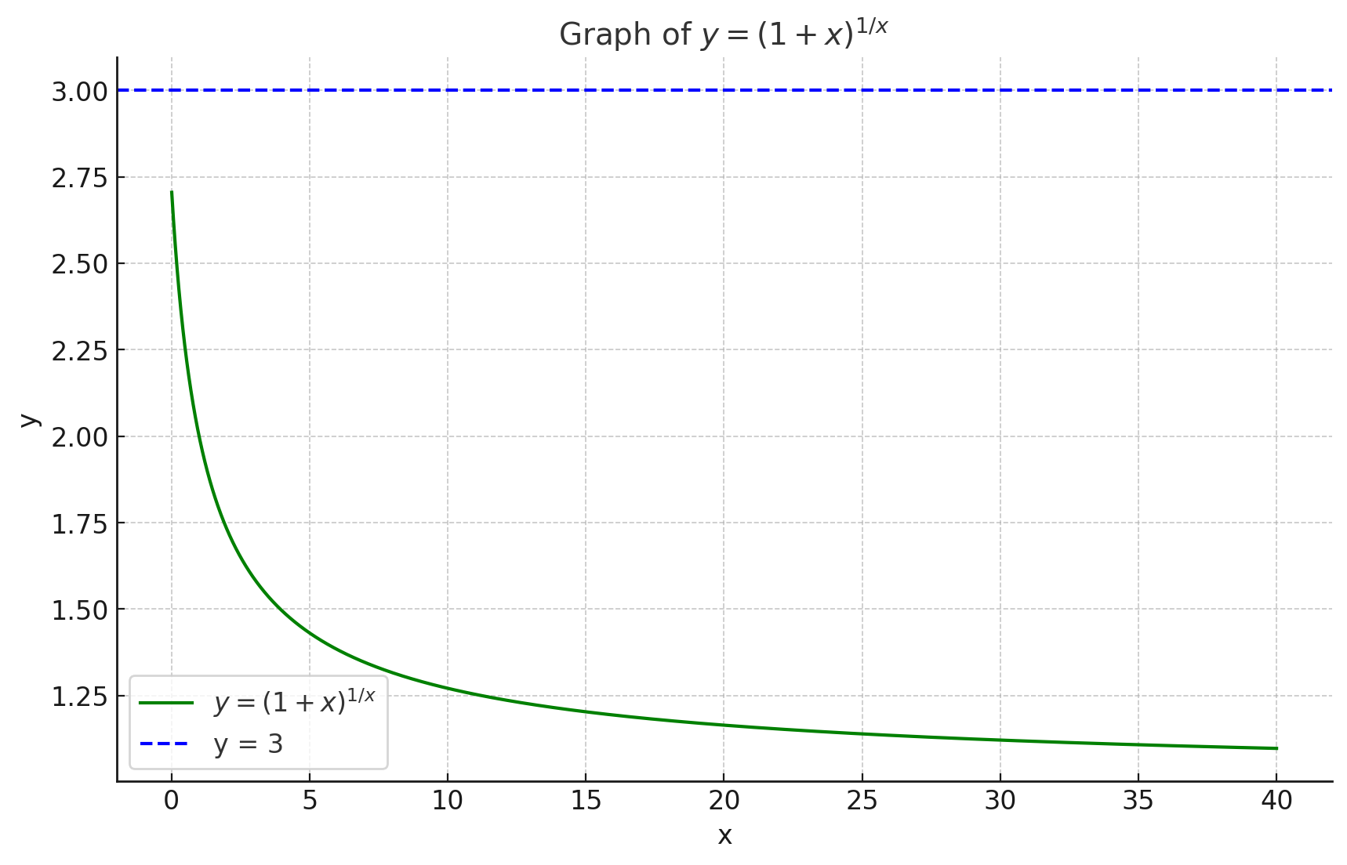
x | (1+x)^1/x
0 | 0
0.1 | 2.5937424601
0.01 | 2.7048138294
0.001 | 2.7169239322
0.0001 | 2.7181459268

Problem 5
f(x)
Focus on x = 4
x | f(x)
0 | 2.3862943611
0.5 | 2.9014842392
1 | 3.8168941171
1.5 | 5.3979798022
2 | 8.0822032795
2.5 | 12.587959069
3 | 20.085536923
3.5 | 32.422304778
4 | #NUM!
4.5 | 89.32398412
5 | 148.4131591

Problem 6
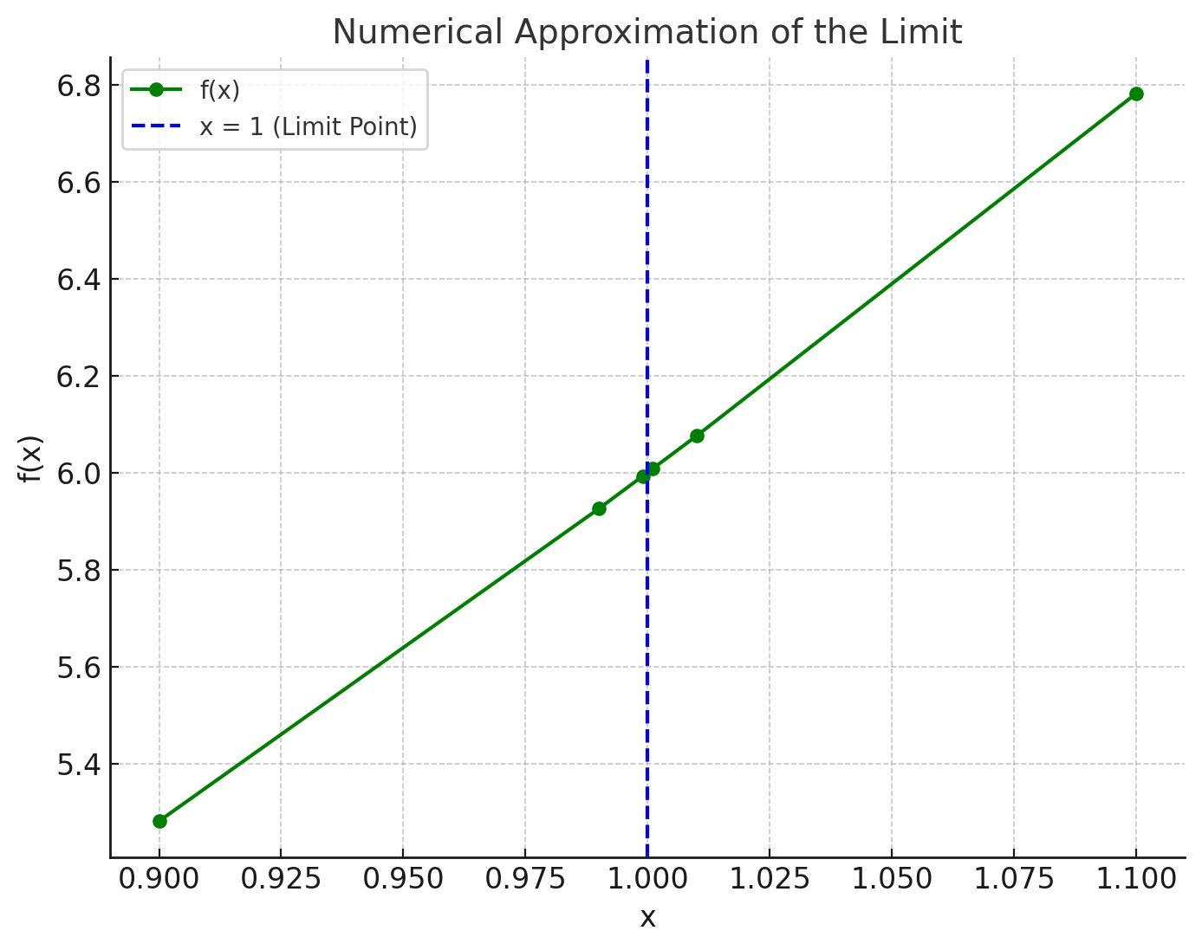
x | Numerator (x^3 - 1) | Denominator (sqrt(x) - 1) | Function Value (f(x))
0.9 | -0.271 | -0.051316701949 | 5.2809317377
0.99 | -0.029701 | -0.0050125628934 | 5.925312187
0.999 | -0.002997001 | -0.00050012506254 | 5.9925031247
1.001 | 0.003003001 | 0.00049987506246 | 6.0075031253
1.01 | 0.030301 | 0.0049875621121 | 6.075312812
1.1 | 0.331 | 0.04880884817 | 6.7815572874

