Continuity Testing
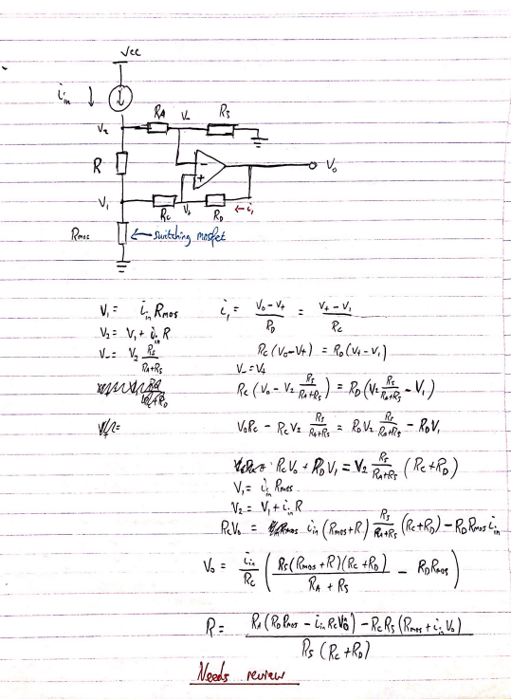
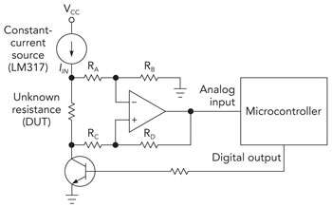
Parts required | Part number | Specs
Constant current source | LM334Z/NOPB | 1uA-10mA output, High side config
Op amp | LM324

