2a2a2a
FOSS4G Tool Returns |  |  |  | QGIS
elevation | 2d_area | volume |  | Analyzed file: Z:\GISpublic\GerryG\Python3\MultiVolumesFOSS4G\mt_swampy_forest.tif (band 1)
35 | 305139.31123 | 12792965.623
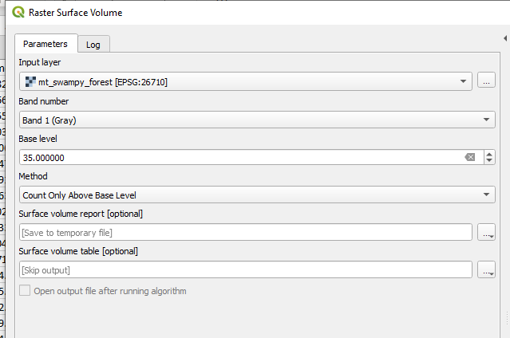
36 | 299417.94914 | 12592717.95 |  | Volume: 2113089.730241477
37 | 284160.98358 | 12043467.19
38 | 266043.33698 | 11373114.266 |  | Pixel count: 314
39 | 245065.00933 | 10575937.815
40 | 223133.12133 | 9720594.1832 |  | Area: 299417.9491407146 m²
41 | 196433.4316 | 8652606.594
42 | 158291.0177 | 7088767.6239
43 | 94402.474411 | 4405448.8058
44 | 75331.267459 | 3585386.9069
45 | 58167.181202 | 2830167.1116
46 | 53399.379465 | 2615616.0334
47 | 42910.215641 | 2133114.4975
48 | 36235.293208 | 1819393.1432
49 | 26699.689732 | 1361684.1763
50 | 19071.206952 | 987888.52009
51 | 11442.724171 | 606464.38106
52 | 8582.0431282 | 460569.64788
53 | 6674.9224331 | 361399.37173
54 | 5721.3620855 | 310860.67331
55 | 1907.1206952 | 104891.63823

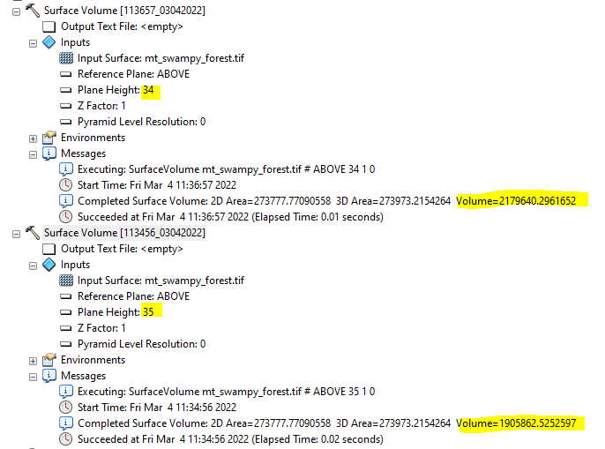
ArcGIS 10 MultiVolumes tools
elevation | 2d_area | 3d_area | volume
35 | 273777.77091 | 273964.98311 | 1898207.5547
36 | 267923.96988 | 268108.18309 | 1626681.2457
37 | 253964.90591 | 254141.37205 | 1365511.6616
38 | 236853.79522 | 237020.88987 | 1120327.4573
39 | 216140.34545 | 216298.06834 | 895406.41027
40 | 194526.31091 | 194672.41298 | 689847.9359
41 | 167058.47534 | 167189.33439 | 510691.60511
42 | 126982.45295 | 127094.69497 | 367663.73346
43 | 76729.822635 | 76828.783293 | 280246.97152
44 | 59483.624238 | 59570.542089 | 213633.71783
45 | 48022.61088 | 48095.13912 | 160442.03626
46 | 40886.548681 | 40945.609375 | 117121.04969
47 | 32550.135635 | 32599.197073 | 80304.143533
48 | 24037.036434 | 24077.326794 | 52065.95061
49 | 16054.424548 | 16086.144397 | 31662.559309
50 | 10123.239945 | 10146.88047 | 18789.978591
51 | 6090.6214629 | 6107.7742356 | 11794.88094
52 | 4592.9823409 | 4603.70903 | 6642.8848235
53 | 3269.122725 | 3274.4637693 | 2935.9063591
54 | 2026.3157386 | 2027.4397348 | 525.34111742
55 | 0 | 0 | 0

