Sheet1
Test System Information
1. Transmission and Distribution Grids
# Transmission and distribution networks are obtained from LUMA Energy, the local power utility (https://lumapr.com/?lang=en)
# Distribution networks consist of 956 distribution feeders across the Puerto Rico island.
# Demand profile of all distriubtion feeders are also obtained from LUMA Energy
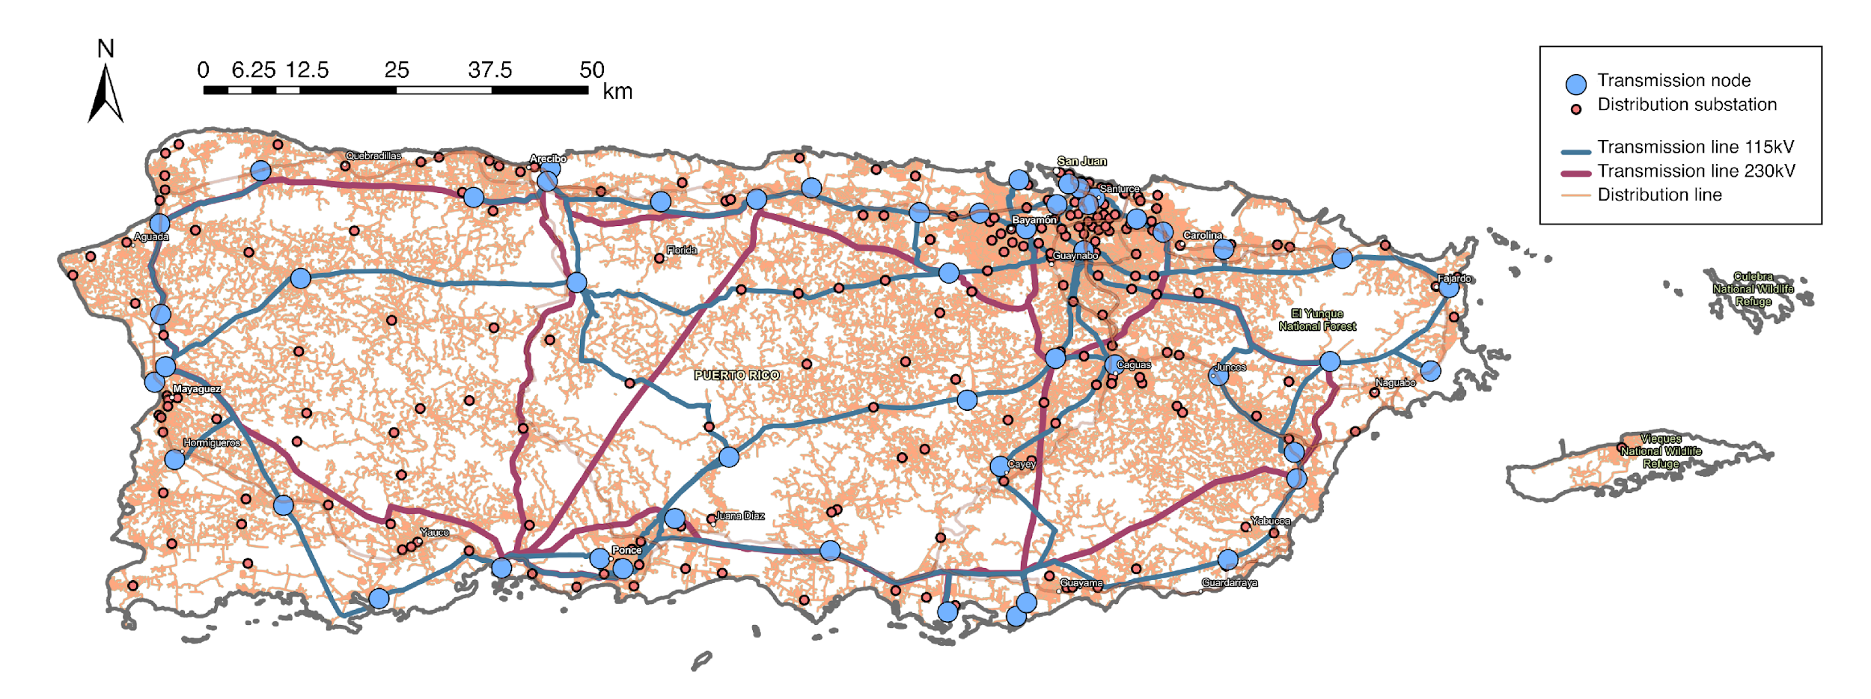

#Example of high-reoslution GIS infomration of distribution feeders

# A substation (Luquillo 8kV) with its three distribution feeders
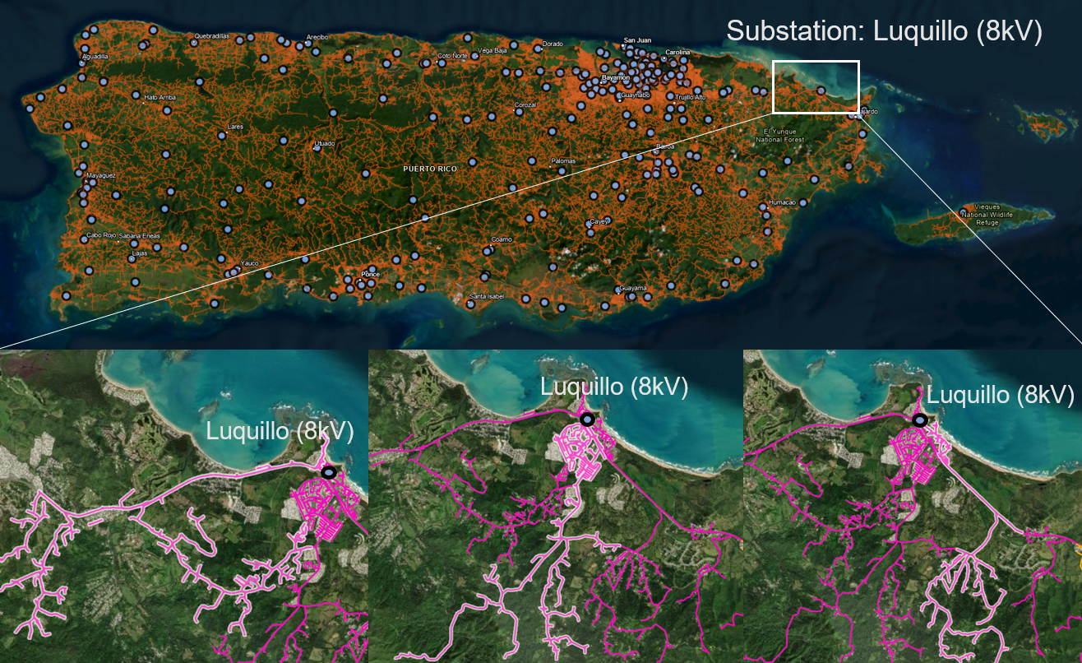

2. Generation
Type | Name | Latitude | Longitude | Cost
Steam Turbine (ST) | Costa Sur Unit 5 | 18.001899719 | -66.754096985 | 12.39
Steam Turbine (ST) | Costa Sur Unit 6 | 18.001899719 | -66.754096985 | 17.66
Combined Cycle | EcoElectrica | 18.001899719 | -66.754096985 | 6.05
Hydro | Yauco Hydro | 18.001899719 | -66.754096985 | 0
Solar | Coto Laurel | 18.000999451 | -66.611999512 | 0
Hydro | Grazas | 18.012800217 | -66.639099121 | 0
Wind | Pattern | 18.021999359 | -66.369598389 | 0
Steam Turbine (ST) | Aguirre ST Unit 2 | 17.950300217 | -66.232498169 | 15.98
Combined Cycle | Aguirre CC Unit 1 | 17.950300217 | -66.232498169 | 15.98
Combined Cycle | Aguirre CC Unit 2 | 17.950300217 | -66.232498169 | 15.98
Solar | Horizon | 17.950300217 | -66.232498169 | 0
Coal/Thermal | AES Coal Plant Unit 1 | 17.945400238 | -66.152000427 | 4.4
Solar | AES llumina | 17.945400238 | -66.152000427 | 0.3
Gas Turbine (GT） | Jobos | 17.961200714 | -66.139900208 | 0.3
Gas Turbine (GT） | Yabucoa | 18.1060009 | -65.823997498 | 0.3
Hydro | Toro Negro | 18.131500244 | -66.488197327 | 0
Gas Turbine (GT） | Mayaguez | 18.219299316 | -67.159896851 | 0.3
Solar | Oriana | 18.466499329 | -67.035697937 | 0
Gas Turbine (GT） | Cambalache Unt 2 | 18.469100952 | -66.696998596 | 0.3
Hydro | Dos Bocas | 18.335800171 | -66.666099548 | 0
Gas Turbine (GT） | Duguao | 18.232299805 | -65.667297363 | 0.3
Landfill Gas | Fajardo | 18.32970047 | -65.646003723 | 0.3
Solar | San Fermin | 18.374700546 | -65.909599304 | 0
Steam Turbine (ST) | San Juan Unit 7 | 18.426799774 | -66.104499817 | 16.59
Steam Turbine (ST) | San Juan Unit 9 | 18.426799774 | -66.104499817 | 16.47
Combined Cycle | San Juan CT 5 | 18.426799774 | -66.104499817 | 27.86
Steam Turbine (ST) | Palo Seco Unit 3 | 18.455799103 | -66.148902893 | 17.79
Steam Turbine (ST) | Palo Seco Unit 4 | 18.455799103 | -66.148902893 | 16.89
Landfill Gas | Toa Baja | 18.41690405 | -66.1950157 | 0.3

# More detailed information on generators requires access to Form EIA-860 from the U.S. Energy Information Administration.
# Generation cost is obtained from Puerto Rico Electric Power Authority (PREPA) at https://aeepr.com/

