Sheet1
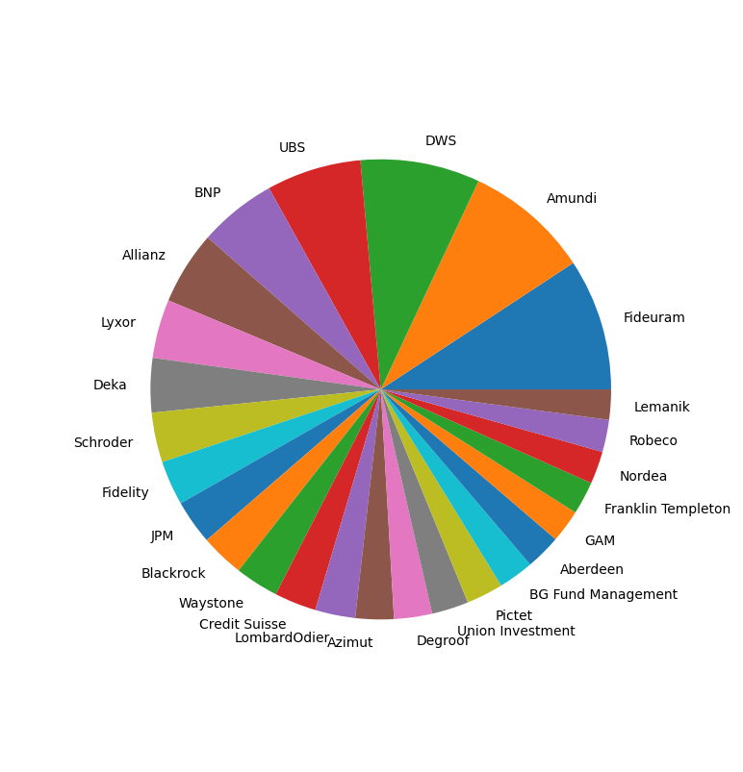
 | 0 | > 100 funds
Fideuram | 437
Amundi | 414
DWS | 396
UBS | 314
BNP | 258
Allianz | 243
Lyxor | 195
Deka | 180
Schroder | 165
Fidelity | 148
JPM | 147
Blackrock | 144
Waystone | 144
Credit Suisse | 139
LombardOdier | 133
Azimut | 127
Degroof | 126
Union Investment | 122
Pictet | 122
BG Fund Management | 117
Aberdeen | 117
GAM | 109
Franklin Templeton | 109
Nordea | 108
Robeco | 107
Lemanik | 100
NN | 98
HSBC | 96
AXA | 94
Invesco | 93 | >50 < 100 Funds
Candriam | 90
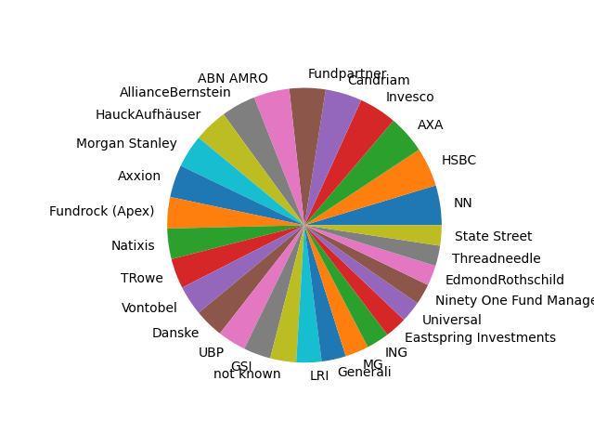
Fundpartner | 89
ABN AMRO | 88
AllianceBernstein | 85
HauckAufhäuser | 83
Morgan Stanley | 81
Axxion | 80
Fundrock (Apex) | 77
Natixis | 75
TRowe | 74
Vontobel | 73
Danske | 72
UBP | 70
GSI | 67
not known | 64
LRI | 62
Generali | 60
MG | 58
ING | 56
Eastspring Investments | 54
Universal | 52
Ninety One Fund Managers | 51
EdmondRothschild | 50
Threadneedle | 50
State Street | 50
SEB | 49
Swisscanto | 47
Andbank | 46 | >20 < 50
KBC | 45
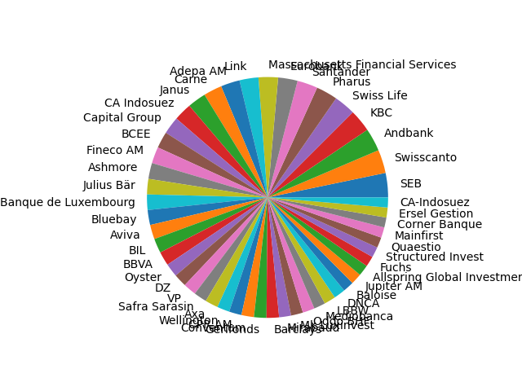
Swiss Life | 43
Pharus | 43
Santander | 41
Eurobank | 39
Massachusetts Financial Services | 39
Link | 38
Adepa AM | 38
Carne | 37
Janus | 37
CA Indosuez | 36
Capital Group | 35
BCEE | 33
Fineco AM | 33
Ashmore | 32
Julius Bär | 31
Banque de Luxembourg | 31
Bluebay | 30
Aviva | 29
BIL | 29
BBVA | 28
Oyster | 27
DZ | 26
VP | 26
Safra Sarasin | 26
Axa | 26
Wellington | 25
CPR AM | 25
Conventum | 25
Gerifonds | 25
Barclays | 25
Mirabaud | 24
Mk Luxinvest | 24
Oddo BHF | 24
Mediobanca | 23
LBBW | 23
DNCA | 23
Baloise | 22
Jupiter AM | 22
Allspring Global Investments | 22
Fuchs | 21
Structured Invest | 21
Quaestio | 21
Mainfirst | 21
Corner Banque | 20
Ersel Gestion | 20
CA-Indosuez | 20
DJE | 19
Goldman | 19
L&G | 19
Carmignac | 19
Mirae Asset Global | 18
Macquarie | 18
RBC | 18
Credit suisse | 18
Feri Trust | 18
DNB | 18
PO Söderberg | 18
Euromobiliare | 17
Credit Andorra | 17
Alma Capital | 17
Tobam SAS | 17
Kredietrust | 17
Groupama AM | 17
Ossiam | 17
Berenberg | 16
Davy Global | 16
Bankinter | 16
Assenagon | 16
Banca Finnat Euramerica | 16
EFG | 16
Merril Lynch International | 15
NotzStrucki | 15
RothschildCo | 15
Banque Cantonale Vaudoise | 15
Societe Generale | 15
Sparinvest | 15
BPER Banca | 14
Bantleon Bank | 14
FIS Privatbank | 14
Quaero | 14
Fisch Fund Services | 13
AQR | 13
East Capital | 13
Flossbach | 13
Safra | 13
Kempen Capital Management | 12
Foyer | 12
TCW Investment Management | 12
Mirante Fund Management | 12
Asesores y Gestores | 12
Mapfre AM | 12
Matthews | 12
Decalia | 12
Sauren | 12
Allfunds Bank | 12
AIA | 12
Banco BPM | 12
C WorldWide Fund Management | 11
Banca March | 11
UNIGLOBAL | 11
MFS Investment Management | 11
Fondaco | 11
VAM Global | 11
Argenta Banque d’Espagne | 11
FWU | 11
Pure Capital | 10
Global Evolution Manco | 10
Nikko | 10
Econopolis Wealth Management | 10
RAM Active Investments | 10
CACEIS | 10
A&G Banca Privada | 10
Sycomore AM | 10
OFI AM | 10
Sauren Finanzdienstleistungen | 10
Auris Gestion | 9
Fulcrum AM | 9
Flossbach | 9
La Francaise | 9
Artemis IM | 9
Kroll | 9
Bank of Singapore | 9
La Francaise AM | 9
Ethenea | 9
Havilland | 8
Oaktree | 8
Caceis | 8
Treetop | 8
NS Partners Europe | 8
EDM Holding | 8
IMPact SIM | 8
Lombard Odier | 8
Finexis | 8
VAM Globa | 8
BPI | 8
Banca del Ceresio | 8
Banco Sabadell | 8
Crestbridge | 8
ARCA Fondi | 8
Banca del Sempione | 8
Luxcellence | 8
Mk Luxinvest (VP) | 7
Bellatrix AM | 7
PMG Fonds Management | 7
BBH | 7
Mandatum Life Insurance | 7
Dynasty AM | 7
La Financiere de l'Echiquier | 7
WWK Lebensversicherungen | 7
LFIS Capital | 7
Fondo Pensione Unicredit | 7
Nordlux Vermögensmanagement | 7
SG 29 Hausmann | 7
Aditum IM | 7
Triodos Bank | 7
European Capital Partners | 7
Eleva Capital | 7
Bayerninvest | 7
Axiom | 7
Alpha Investor | 7
Carnegie | 7
Banca Zarattini | 7
GS&P | 7
BlueOrchard AM | 6
Arabesque | 6
Caixa | 6
CBP | 6
Selectra | 6
Tikehau | 6
Helium | 6
Orbis | 6
Meag | 6
Abante | 6
Bordier & Cie (Degroof) | 6
Mandarine Gestion | 6
Banor Capital | 6
Chahine Capital | 6
AFFM | 6
Quadriga AM | 6
ISBP | 6
Clartan Associes | 6
Nevastar | 6
Piraeus Bank | 6
Société d'Adm. Gestion Atlantas Saga | 6
Asesores | 6
Swedbank | 6
Alpina Fund Management | 6
Compagnie Bancaire Helvetique | 6
Ökoworld | 5
Rothschild | 5
Woodman AM | 5
Alpha UCITS | 5
Zeus AM | 5
Neuberger | 5
Falcon Private Bank | 5
Delen Private Bank | 5
Silex IM | 5
Value Tree | 5
East Capital AM | 5
Lumyna Investments | 5
Argenta | 5
Veritas Investment Associates | 5
BCI AM | 5
Lux Gest AM | 5
Moventum | 5
Eyb & Wallwitz | 5
Ping An of China | 5
Cohen & Steers | 5
Lupus Alpha | 5
CIC | 5
MW Gestion | 5
AlterDomus | 5
Mahrberg Wealth | 4
Boussard Gavaudan | 4
ShelteR IM | 4
Walser Privatbank | 4
HukCoburg | 4
Itau | 4
Sumus Capital | 4
Prima Fonds Service | 4
Squad | 4
Plutos | 4
Raiffeisen | 4
GT France | 4
Sedec Finance | 4
Nikki | 4
WBS Hünicke | 4
Cape Capital | 4
Loys | 4
Cobas AM | 4
BZ Bank | 4
National Bank of Greece | 4
Zadig AM | 4
DZ | 4
DoubleLine Capital | 4
Trea AM | 4
PMG Fonds | 4
Seven Capital | 4
Larrainvial AM | 4
Credit Mutuel | 4
8a+ | 4
Funds For Good | 4
Ethias Assurance | 4
Walser | 4
von der Heydt | 4
Moneda | 4
MB | 4
Bestinver | 4
FS First Solution | 4
Banca Passdore | 4
Wiesbadener Volksbank | 4
Jupiter | 4
Crux AM | 4
Bankhaus Lampe | 4
Tareno | 4
Riskelia | 4
NASPA | 4
Harvest | 4
Landolt & Cie | 4
Postbank | 3
Conren Land | 3
Alpha Bank | 3
Riverfield Partners | 3
Caixabank | 3
BDL Capital Management | 3
MC Square | 3
Nissay AM | 3
Scor Investment Partners | 3
AMP Capital | 3
MUFG | 3
DMS | 3
Graubündner Kantonalbank | 3
Guy Lussac Gestion | 3
Belfius | 3
Asia Growth Capital | 3
Jyske Bank | 3
Midas Wealth | 3
IVO Capital Partners | 3
Lake Geneva Investment Partners | 3
Ashburton | 3
Sanne LIS | 3
C-Quadrat | 3
ICBC | 3
Naropa Capital | 3
Salus Alpha Capital | 3
Cadelux | 3
Probus | 3
Keppler AM | 3
Exane | 3
Robert Beer Management GmbH | 3
Banco BANIF | 3
Not known | 3
BCP | 3
Twenty First Capital | 3
EllwangerGeiger | 3
Private Vermögensverwaltung AG | 3
Bankhaus Neelmeyer | 3
SK Vermögensverwaltung | 3
Quintet | 3
Polunin Capital Partners | 3
Vector AM | 3
Spinoza Capital | 3
DKB | 3
Auretas Family Trust | 3
PG | 3
RAM | 3
Bergos | 3
Krieger AG | 3
UnionInvestment | 3
Exane | 3
Asteria IM | 3
Lonvia | 3
IP Concept | 3
Polar Capital | 3
Heeman Vermögensverwaltung | 3
China Post Global | 3
IFP Investment Management | 3
Fiduka | 3
Piard Angst | 3
Tweedy Browne | 3
Banca di San Marino | 3
Gabelli Funds | 3
Gesprofit | 3
Vistra | 3
Vereinigte VR Bank | 3
Baumann & Cie | 3
Akragas | 3
Quintessence | 3
Weiler Eberhardt | 3
Fimarge | 2
Saudi Economic and Development | 2
Absalon | 2
SEA AM | 2
Waterloo AM | 2
Liga Bank | 2
Pro-fit Management | 2
Gestion Financiere Privee | 2
Tortoise Capital | 2
Da Vinci Capital | 2
Infusive AM | 2
Broca | 2
Varenne Capital Partners | 2
Capital Advisory Partners | 2
HAC Vermögensmanagement | 2
Hellerich | 2
ISEC Services AB | 2
Abalone AM | 2
Beka AM | 2
BCC | 2
Nobis AM | 2
Noramco | 2
Creutz | 2
Lafitte Capital Management | 2
Rezco | 2
Mediolanum | 2
HBM Partners | 2
PEH | 2
Samarang AM | 2
Binckbank | 2
Fullgoal AM | 2
Genossenschaftsbank Unterallgäu | 2
Acatis Investment | 2
Franzen Gerber Westphalen Asset Mgt (DE) | 2
Tyrus | 2
Twenty First | 2
Allied Investment Partners | 2
Boerse.de DZ | 2
Gyra | 2
Holborn Assets | 2
Quasar Int Gestora | 2
FCS AM | 2
Revel AM | 2
Bovay & Partenaires | 2
Sumitomo Mitsui | 2
Baker Steel | 2
Fair Advisory | 2
Mercier Vanderlinden | 2
Singular AM | 2
Cartesio | 2
EFA | 2
Victory AM | 2
Reitelshöfer Vermögensmanagement | 2
Banque Bonhote | 2
Loys AG | 2
WWK | 2
Reimann Investors | 2
Uzes | 2
M. Elsasser | 2
VM Vermögensmanagement | 2
Volksbank Lübbecker Land | 2
Aries Investment | 2
Arab Bank | 2
Ibercaja Gestion | 2
Meriden IM | 2
Rasmala | 2
DSM Capital Partners | 2
GFA Vermögensverwaltung | 2
SevenHills | 2
Fundsmith | 2
Adelio Partners | 1
Tiberius AM | 1
Trusteam Finance | 1
Irish Life IM | 1
Sura Investment | 1
DF Deutsche Finance | 1
Syquant Capital | 1
Top Vermögem | 1
Limmat Capital | 1
Rigsave | 1
Mobius Capital Partners | 1
Blackpoint AM | 1
Seahawk Investments | 1
pfp advisory | 1
Colin & Cie | 1
Albatros Activos | 1
C&D Investments | 1
Greenside AM | 1
HQ Trust | 1
Foresight Group | 1
Ehrke Lübberstedt | 1
Intermonte | 1
Piquemal Houghton | 1
Metagestion | 1
APS AM | 1
GAAM | 1
Lior | 1
Plenisfer Investments | 1
2X Ideas | 1
LaRoute GmbH | 1
Ravel Associates | 1
Solvecon Invest | 1
APO AM | 1
Dela | 1
CIAM | 1
Bluebox AM | 1
BlueBalance Capital | 1
AS Trigon AM | 1
Olea Gestion | 1
AtonRa Partners | 1
Sasfin AM | 1
Praude AM | 1
Orn & Cie | 1
MET Finanz | 1
Flowerfield Vermögensverwaltung | 1
Bayerische Vermögen | 1
Vermögensportfolio ULM | 1
Credito Emiliano | 1
Focam | 1
PBO | 1
Acatis | 1
Swissinvest | 1
Bellatrix | 1
Wallrich AM | 1
M4 invest GmbH | 1
Grossbötzl, Schmitz & Partner | 1
Limestone Platform | 1
von der Heydt Invest | 1
Bankhaus Bauer | 1
Aubrey Capital Management | 1
FV Capital Management | 1
BZ Berater Zentrum | 1
Nielsen Capital Management | 1
Promont AM | 1
Deutsche Apotheker & Ärztebank | 1
pim asset services | 1
Coremont | 1
Geneve Invest | 1
Greiff Capital Management | 1
APO Asset Management | 1
Arcus Investment | 1
LRI Invest | 1
Unknown | 1
Hansainvest | 1
Uniasia | 1
Evangelische Bank | 1
Universa | 1
Univerdal | 1
VTB | 1
Alger | 1
Arion Bank | 1
Portfolio G | 1
HauckAUfhäuser | 1
Dynamic Asset Management | 1
H&A | 1
Fonds Direkt | 1
D&R | 1
TS | 1
CB | 1
Ellwanger | 1
Conren | 1
Mack & Weise | 1
AndBank | 1
VVB Vermögensverwaltung | 1
Zeus | 1
NFS Netfonds | 1
Tages Capital | 1
green benefit | 1
Hotinguer Cie | 1
Omega Gestion | 1
E Fund Management | 1
Nippon Life AM | 1
China Tonghai AM | 1
Studio Gaffino | 1
Thome AM | 1
Smead Capital | 1
Focus AM | 1
Bank of China | 1
Banco Bilbao | 1
Twelve Capital | 1
Renta 4 | 1
Renta 5 | 1
Renta 6 | 1
Renta 7 | 1
Renta 8 | 1
Renta 9 | 1
Renta 10 | 1
Renta 11 | 1
Belesta | 1
China Universal AM | 1
Allegro | 1
Monocle AM | 1
Heitman | 1
GBM | 1
Meritum | 1
Columba | 1
FTIS | 1
LGT | 1
Fürst Fugger Privatbank | 1
Cigogne | 1
BPM | 1
Centris Capital | 1
Forteza Finanz | 1
NS Partners | 1
Taunus Trust | 1
Alpha Trust | 1
Korea IVT | 1
Degussa | 1
MPPM | 1
Ansa Capital | 1
Rhein AM | 1
Portikus Investment | 1
Alatus Capital | 1
BBBank | 1
MBI | 1

