Sheet1
model | A4C AP | B4C AP | DA AP | IVS AP | LA AP | LV AP | P4C AP | RA AP | RIB AP | RV AP | SP AP | mAP | Time
CenterNet | 0.8518 | 0.8479 | 0.9282 | 0.9662 | 0.9454 | 0.9643 | 0.7392 | 0.973 | 0.9101 | 0.9612 | 0.9796 | 0.9152 | 1:10:00
FasterRCNN
YoloV3 | 0.8722 | 0.8245 | 0.9302 | 0.9489 | 0.8859 | 0.9181 | 0.8033 | 0.9303 | 0.5248 | 0.8977 | 0.9334 | 0.8608
YoloV4 | 0.8339 | 0.785 | 0.9202 | 0.962 | 0.931 | 0.9601 | 0.7775 | 0.9644 | 0.8851 | 0.9436 | 0.9781 | 0.903718 | 31 Seconds
Retinanet | 0.8592 | 0.8312 | 0.8559 | 0.8636 | 0.8893 | 0.9006 | 0.7453 | 0.9381 | 0.7461 | 0.8357 | 0.9539 | 0.8563 | 0.0453

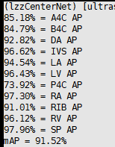
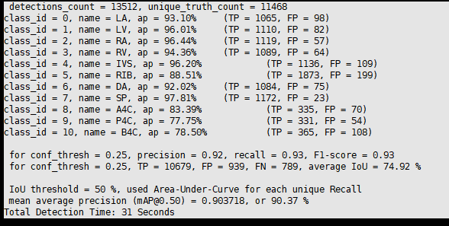
CenterNet |  |  |  |  |  |  |  | YoloV4

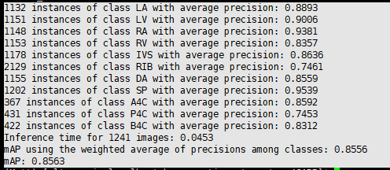
Retinanet

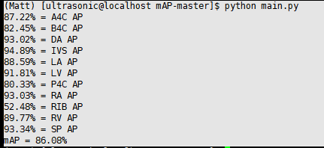
YoloV3

