Sheet1
model | A4C AP | B4C AP | DA AP | IVS AP | LA AP | LV AP | P4C AP | RA AP | RIB AP | RV AP | SP AP | mAP | Time | mAP
CenterNet | 89.20% | 92.64% | 95.26% | 97.56% | 96.01% | 97.18% | 91.23% | 97.40% | 91.28% | 96.85% | 97.29% | 94.72% | 1:05:00 | 0.94718181818
FasterRCNN | 90.10% | 92.60% | 93.60% | 97.30% | 94.60% | 96.70% | 92.70% | 97.10% | 92.60% | 95.80% | 97.70% | 94.60% | 102s | 0.94618181818
YoloV3 | 80.51% | 81.13% | 93.29% | 97.18% | 92.78% | 94.59% | 81.83% | 95.34% | 61.11% | 93.92% | 95.85% | 87.96% | Time: 91.85018227249384 | 0.87957272727
YoloV4 | 89.41% | 92.24% | 95.24% | 97.59% | 95.84% | 97.50% | 90.05% | 97.73% | 91.29% | 96.92% | 98.23% | 94.73% | 30 Seconds | 0.94730909091
Retinanet | 86.25% | 85.30% | 57.91% | 84.02% | 83.98% | 85.88% | 74.33% | 91.61% | 77.57% | 80.21% | 93.36% | 81.86% | 0.0578/per*1241 | 0.81856363636

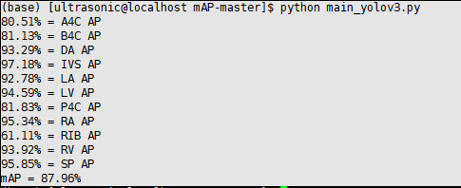
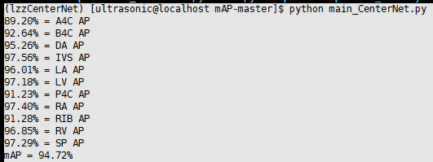
CenterNet |  |  |  |  |  |  |  |  |  | YoloV3

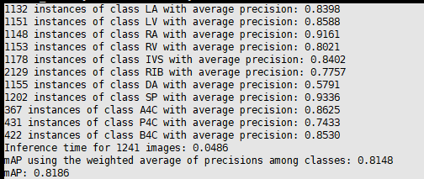
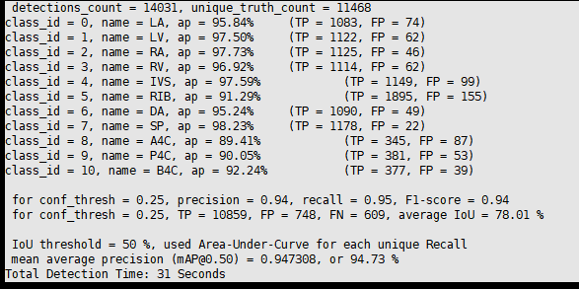
Retinanet |  |  |  |  |  |  |  |  |  | YoloV4


FasterRCNN

CenterNet

