Sheet1
model | A4C AP | B4C AP | DA AP | IVS AP | LA AP | LV AP | P4C AP | RA AP | RIB AP | RV AP | SP AP | mAP | Time | mAP
CenterNet | 86.04% | 89.29% | 92.31% | 96.38% | 92.08% | 95.48% | 88.93% | 96.17% | 89.86% | 93.52% | 96.97% | 92.46% | 1:05:00 | 0.92457272727
FasterRCNN | 86.00% | 91.40% | 92.50% | 96.30% | 91.60% | 95.10% | 91.70% | 95.90% | 91.20% | 94.40% | 96.40% | 93.00% | 102s | 0.92954545455
YoloV3 | 80.51% | 81.13% | 93.29% | 97.18% | 92.78% | 94.59% | 81.83% | 95.34% | 61.11% | 93.92% | 95.85% | 87.96% | Time: 91.85018227249384s | 0.87957272727
YoloV4 | 89.41% | 92.24% | 95.24% | 97.59% | 95.84% | 97.50% | 90.05% | 97.73% | 91.29% | 96.92% | 98.23% | 94.73% | 30 Seconds | 0.94730909091
Retinanet | 86.25% | 85.30% | 57.91% | 84.02% | 83.98% | 85.88% | 74.33% | 91.61% | 77.57% | 80.21% | 93.36% | 81.86% | 0.0578/per*1241 | 0.81856363636

CenterNet

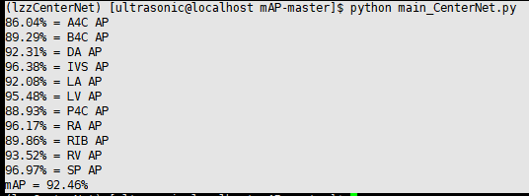

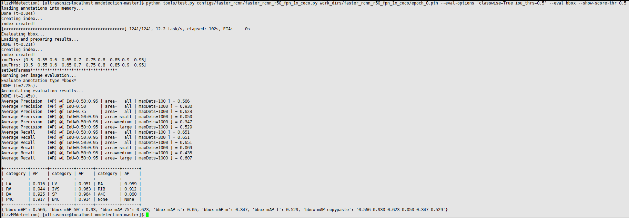
FasterRCNN

