Sheet1
model | A4C AP | B4C AP | DA AP | IVS AP | LA AP | LV AP | P4C AP | RA AP | RIB AP | RV AP | SP AP | mAP | Time
CenterNet
FasterRCNN
YoloV3
YoloV4 | 79.87% | 85.82% | 79.91% | 92.40% | 90.96% | 90.36% | 76.55% | 92.95% | 70.00% | 87.46% | 93.47% | 0.854317 | 34 Seconds
Retinanet | 0.7959 | 0.7982 | 0.6295 | 0.7936 | 0.7377 | 0.7512 | 0.7087 | 0.8023 | 0.5996 | 0.7408 | 0.8601 | 0.7471 | 0.0461

YoloV4 | 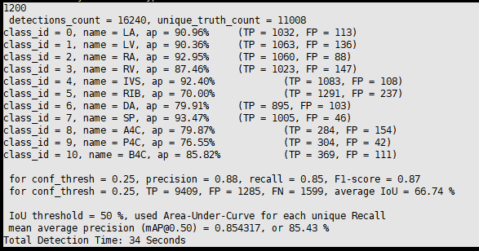

Retinanet | 