WK 02 26
Ops Daily Report Out Tijuana -

 | 03/01/2026
Safety | Only if incident. Any First Aids, Incidents, Recordables, any COVID Positives
59
Productivity
N/A

 |  |  |  |  |  | WIP (line)
Production Week |  | Produced | Target | %Plan | Comments | Goal | Actual | Yield Rate | Scrap COGP%: Goal < 2%
 | VOLVO | 0 | 0 | 0.0% |  | 500 | 0 | 100.0% | 0.00%

Production |  | Produced | Target | % | Produced Cumulative | Goal Cumulative | % |  | Cumulative Scrap COGP% : Goal < 2%

Mon | 2026-01-05 |  |  | #DIV/0! |  | 450 | 0.0% |  | 1.24%
Tue | 2026-01-06 |  |  | #DIV/0! |  | 450 | 0.0% |  | 1.46%
Wed | 2026-01-07
Thu | 2026-01-08
Fri | 2026-01-09
Total |  | 0 | 0

 |  |  |  |  |  | WIP
Production Week |  | Produced | Target | %Plan | Comments | Goal | Actual | Yield Rate | Scrap COGP%: Goal < 2%
 | CUMMINS | 0 | 0 | 0.0% |  | 200 | 0 | 100.0% | 0.00%
 |  |  | . |  | `
 |  |  |  |  |  |  |  |  | Cumulative Scrap COGP% : Goal < 2%
Production |  | Produced | Target | % | Produced Cumulative | Goal Cumulative | %

Mon | 2026-01-05 |  |  | #DIV/0! |  |  | #DIV/0!
Tue | 2026-01-06 |  |  | #DIV/0! |  |  | #DIV/0!
Wed | 2026-01-07
Thu | 2026-01-08
Fri | 2026-01-09
Total |  | 0 | 0

 |  |  |  |  |  | WIP
Production Week |  | Produced | Target | %Plan | Comments | Goal | Actual | Yield Rate | Scrap COGP%: Goal < 2%
 | CUMMINS | 0 | 0 | 0.0% |  | 200 | 0 | 100.0% | 0.00%
 |  |  | . |  | `
 |  |  |  |  |  |  |  |  | Cumulative Scrap COGP% : Goal < 2%
Production |  | Produced | Target | % | Produced Cumulative | Goal Cumulative | %

Mon | 2026-01-05 |  |  | #DIV/0! |  |  | #DIV/0!
Tue | 2026-01-06 |  |  | #DIV/0! |  |  | #DIV/0!
Wed | 2026-01-07
Thu | 2026-01-08
Fri | 2026-01-09
Total |  | 0 | 0

 |  | Scrap $ | Comments
 |  | $

 |  | $

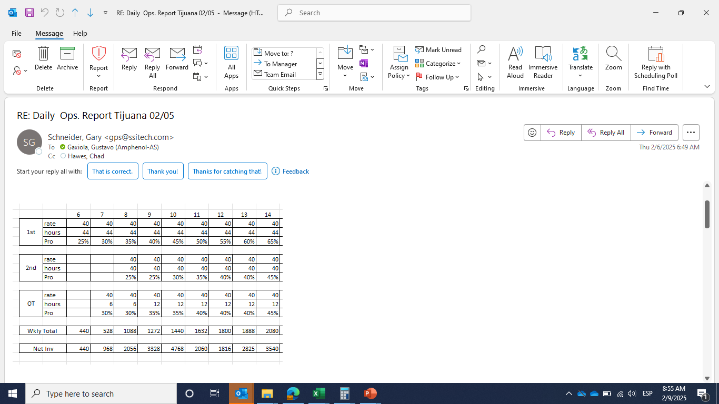

 |  | 726
 |  | 480
 |  | 192

