TestTypesAllPages
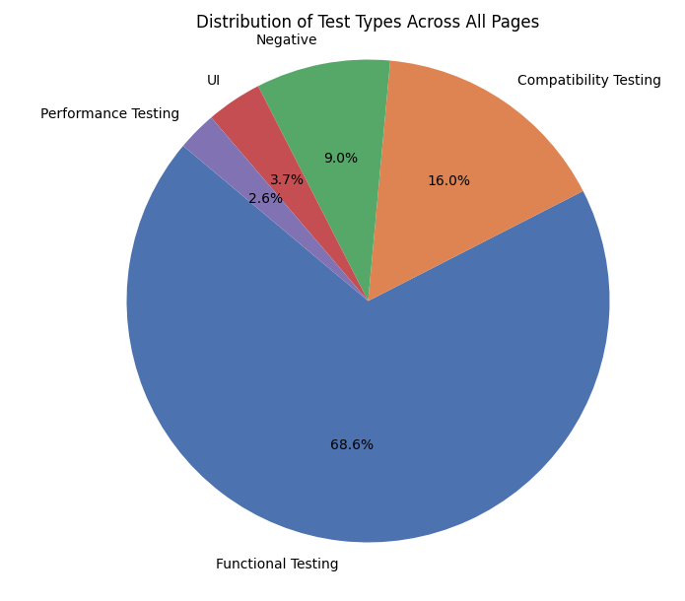
Functional Testing: | 313 cases (Pass: 290, Fail: 23)
Compatibility Testing: | 73 cases (Pass: 73, Fail: 0)
Negative: | 41 cases (Pass: 41, Fail: 0)
UI: | 17 cases (Pass: 17, Fail: 0)
Performance Testing: | 12 cases (Pass: 12, Fail: 0)

PassFailRate
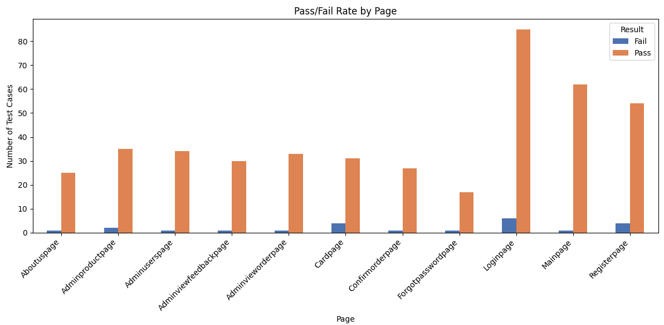
Overall Summary:
- Total Test Cases: 456
- Failed Test Cases: 23
- Failure Rate: 5.04%
- Average Test Duration: 0.96 minutes per case

Test Cases by Page:
- Loginpage: 91 cases (Pass: 85, Fail: 6)
- Mainpage: 63 cases (Pass: 62, Fail: 1)
- Registerpage: 58 cases (Pass: 54, Fail: 4)
- Adminproductpage: 37 cases (Pass: 35, Fail: 2)
- Cardpage: 35 cases (Pass: 31, Fail: 4)
- Adminuserspage: 35 cases (Pass: 34, Fail: 1)
- Adminvieworderpage: 34 cases (Pass: 33, Fail: 1)
- Adminviewfeedbackpage: 31 cases (Pass: 30, Fail: 1)
- Confirmorderpage: 28 cases (Pass: 27, Fail: 1)
- Aboutuspage: 26 cases (Pass: 25, Fail: 1)
- Forgotpasswordpage: 18 cases (Pass: 17, Fail: 1)

TotalTestDurtion
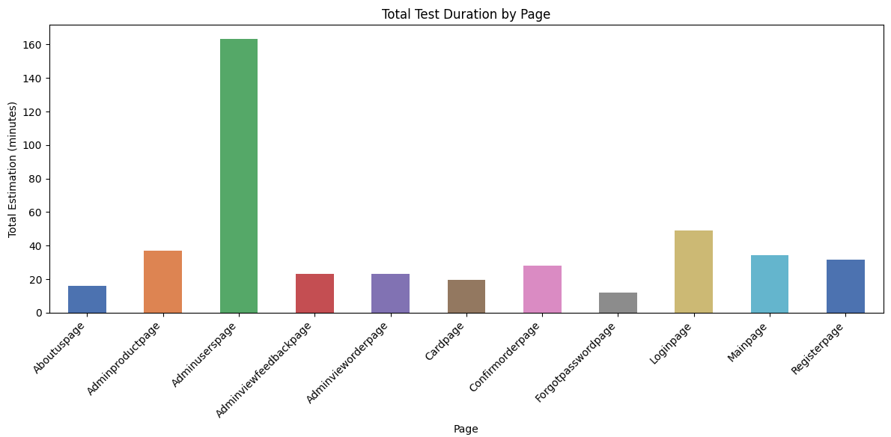
- Average Test Duration: 0.96 minutes per case

FailuresByTestType
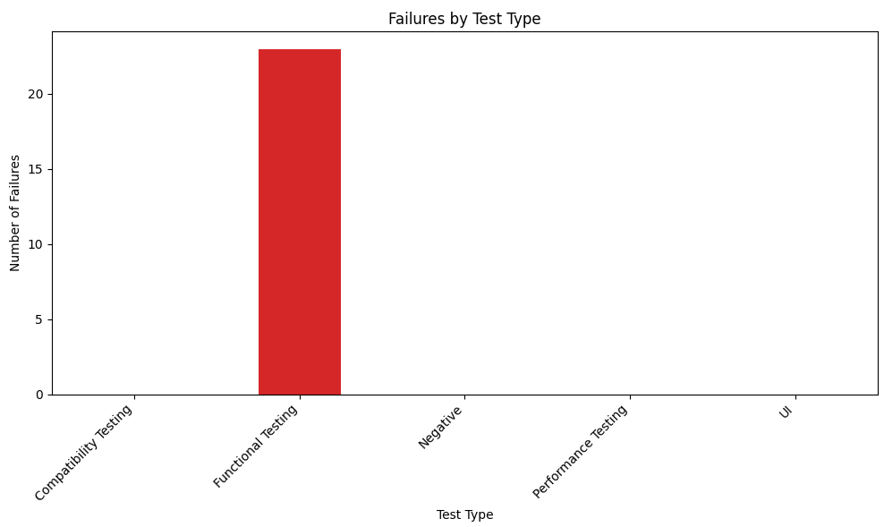
Test Cases by Test Type:
- Functional Testing: 313 cases (Pass: 290, Fail: 23)
- Compatibility Testing: 73 cases (Pass: 73, Fail: 0)
- Negative: 41 cases (Pass: 41, Fail: 0)
- UI: 17 cases (Pass: 17, Fail: 0)
- Performance Testing: 12 cases (Pass: 12, Fail: 0)

TestCases Priorities
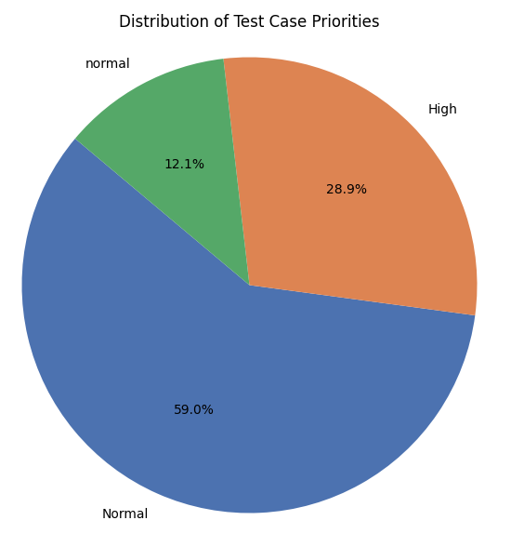
Test Cases by Priority:
- Normal: 269 cases (Pass: 247, Fail: 22)
- High: 132 cases (Pass: 132, Fail: 0)
- normal: 55 cases (Pass: 54, Fail: 1)

TestCaseCount
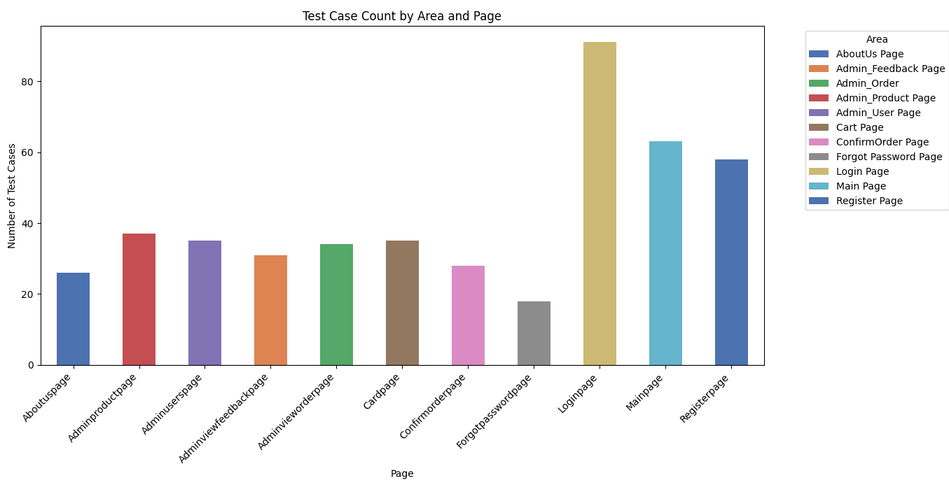

Test Cases by Area:
- Login Page: 91 cases (Pass: 85, Fail: 6)
- Main Page: 63 cases (Pass: 62, Fail: 1)
- Register Page: 58 cases (Pass: 54, Fail: 4)
- Admin_Product Page: 37 cases (Pass: 35, Fail: 2)
- Cart Page: 35 cases (Pass: 31, Fail: 4)
- Admin_User Page: 35 cases (Pass: 34, Fail: 1)
- Admin_Order: 34 cases (Pass: 33, Fail: 1)
- Admin_Feedback Page: 31 cases (Pass: 30, Fail: 1)
- ConfirmOrder Page: 28 cases (Pass: 27, Fail: 1)
- AboutUs Page: 26 cases (Pass: 25, Fail: 1)
- Forgot Password Page: 18 cases (Pass: 17, Fail: 1)

