main
 | Sneaker Types | What do they look like | Googles Images | Typical Cost | Where to buy them | Who makes them? | Sources
1 | Chuck Taylor Converse
2 | Hightop Basketball Sneakers
3 | Cross Trainers
4 | Barefoot Running and Minimalist Shoes
5 | Walking Shoes
6 | Leather Sneakers
7 | Football Cleats
8 | Golf Shoes
9 | Hiking Boots
10 | Running Shoes
11 | Climbing Shoes
12 | Basketball Shoes
13 | Pimsol Sneakers
14 | Slip-on Sneakers |  |  |  |  |  | https://www.hoodmwr.com/types-of-sneakers/
15 | Court Sneakers |  |  |  |  |  | https://www.hoodmwr.com/types-of-sneakers/
16 | Hiking Sneakers | 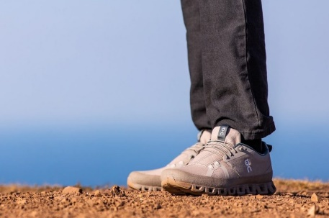 |  |  |  |  | https://www.hoodmwr.com/types-of-sneakers/
17 | Wrestling Sneakers | 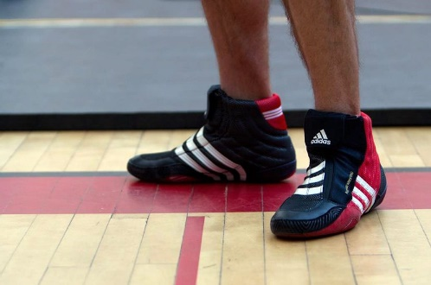 |  |  |  |  | https://www.hoodmwr.com/types-of-sneakers/
18 | Futuristic / Geek Chic Sneakers | 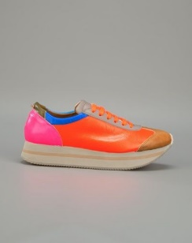 |  |  |  |  | https://www.hoodmwr.com/types-of-sneakers/
19 | Barefoot Sneakers | 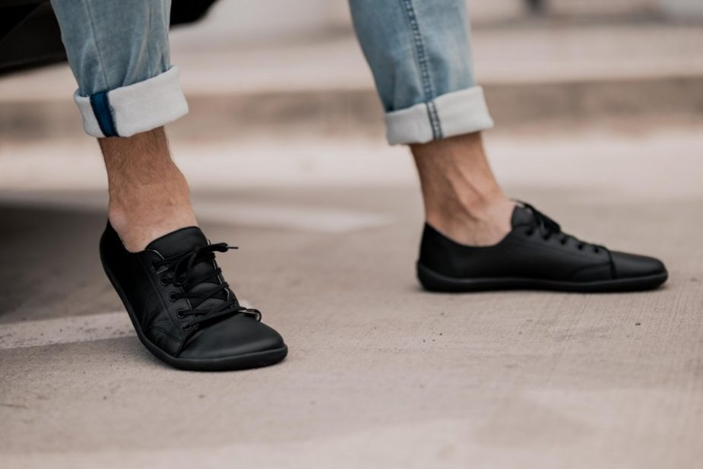 |  |  |  |  | https://www.hoodmwr.com/types-of-sneakers/
20 | Sea Sneakers | 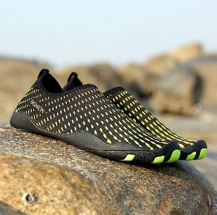 |  |  |  |  | https://www.hoodmwr.com/types-of-sneakers/
21 | Air Sneakers | 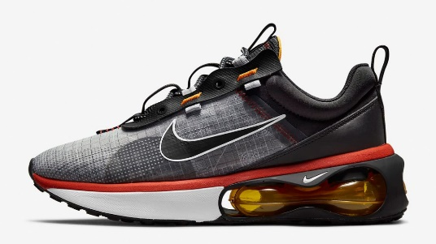

Sneaker Brands
 | adidas

