viscosity_calc
 | water viscosity at 303K | 0.3 | cP

 | POPC:POPC |  |  |  |  |  |  |  |  |  |  |  | surface viscosity=viscosity*length
Lz= | 8.066 | nm |  | analysis based last 18ns |  |  | Lz-nm | pressure-bar |  |  |  |  | unit = 10e-11*Pa*m*s |  |  |  |  |  |  | inverse-variance weighting
deform =[ 0 0 0 rz 0 0] | stretch rate(nm/ps) | strain rate (1/ns) |  | Rep1_Pxy | Rep2_Pxy | Rep3_Pxy | Rep1_h | Rep2_h | Rep3_h |  |  | strain rate (1/ns) | Visc 1 | Visc 2 | Visc 3 | avg_Visc | std |  | var | avg_w | var_w | std_w
rz (nm/ps) | 0.00016132 | 0.02 | 1/ns | -4.89 | -5.18 | -3.42 | 4.052 | 4.019 | 3.985 |  |  | 0.02 | 19.60095 | 20.76953 | 13.67043 | 18.013636667 | 3.8064390073 | -3.8064390073 | 9.6593186108
 | 0.00048396 | 0.06 |  | -12.64 | -12.28 | -14.4 | 4.051 | 4.002 | 4.052 |  |  | 0.06 | 16.871923333 | 16.386493333 | 19.23798 | 17.498798889 | 1.525606035 | -1.525606035 | 1.5516491828 | 18.332380359 | 0.39346348922 | 0.6272666811
 | 0.0008066 | 0.1 |  | -22.33 | -24.46 | -22.9 | 4.019 | 4.002 | 4.002 |  |  | 0.1 | 17.889968 | 19.607516 | 18.34922 | 18.615568 | 0.88921241889 | -0.88921241889 | 0.52713248394
 | 0.0016132 | 0.2 |  | -41.11 | -43.02 | -40.22 | 3.834 | 4.001 | 4.01849 |  |  | 0.2 | 16.452703 | 17.228016 | 16.0993007 | 16.5933399 | 0.57735050909 | -0.57735050909 | 0.2222224069

 | POPC:POPS
Lz= | 7.997 | nm |  | analysis based on last 18ns of 1st 20ns |  |  |  |  |  |  |  |  |  |  |  |  |  |  |  | inverse-variance weighting
deform =[ 0 0 0 rz 0 0] | stretch rate(nm/ps) | strain rate (1/ns) |  | Rep1_Pxy | Rep2_Pxy | Rep3_Pxy | Rep1_h | Rep2_h | Rep3_h |  |  |  | Visc 1 | Visc 2 | Visc 3 | avg_Visc | std |  | var | avg_w | var_w | std_w
rz (nm/ps) | 0.00015994 | 0.02 | 1/ns | -4.93 | -5.97 | -4.22 | 3.79824 | 3.98487 | 3.86717 |  |  |  | 19.5866422 | 23.7506811 | 16.7497751 | 20.0290328 | 3.5213567396 | -3.5213567396 | 8.266635525
 | 0.00047982 | 0.06 |  | -13.94 | -16.68 | -13.91 | 4.0185 | 3.85036 | 4.00168 |  |  |  | 18.460341667 | 22.1072608 | 18.419852067 | 19.662484844 | 2.1173348711 | -2.1173348711 | 2.988737971 | 19.831851744 | 0.73637887026 | 0.85812520663
 | 0.0007997 | 0.1 |  | -23.37 | -25.34 | -26.35 | 3.978 | 4.019 | 3.867 |  |  |  | 18.568419 | 20.145058 | 20.948195 | 19.887224 | 1.210657768 | -1.210657768 | 0.97712815414
 | 0.0015994 | 0.2 |  | -45.33 | -42.71 | -44.83 | 3.968 | 3.951 | 3.951 |  |  |  | 18.0043305 | 16.9562135 | 17.8038955 | 17.5881465 | 0.55637041139 | -0.55637041139 | 0.20636535645

 | POPC:PIP2
Lz= | 7.971 | nm |  | analysis based on last 18ns of 1st 20ns |  |  |  |  |  |  |  |  |  |  |  |  |  |  |  | inverse-variance weighting
deform =[ 0 0 0 rz 0 0] | stretch rate(nm/ps) | strain rate (1/ns) |  | Rep1_Pxy | Rep2_Pxy | Rep3_Pxy | Rep1_h | Rep2_h | Rep3_h |  |  |  | Visc 1 | Visc 2 | Visc 3 | avg_Visc | std |  | var | avg_w | var_w | std_w
rz (nm/ps) | 0.00015942 | 0.02 | 1/ns | -7.4181 | -5.30273 | -5.69332 | 3.89876 | 3.87722 | 3.89876 |  |  |  | 29.44267035 | 21.080152505 | 22.64257282 | 24.388465225 | 4.4462378922 | -4.4462378922 | 13.179354263
 | 0.00047826 | 0.06 |  | -15.0946 | -12.7574 | -14.144 | 3.89876 | 3.89876 | 3.08876 |  |  |  | 19.9310089 | 16.881320767 | 18.705127467 | 18.505819044 | 1.5345821298 | -1.5345821298 | 1.569961542 | 18.5979645 | 0.54250604217 | 0.73655009481
 | 0.0007971 | 0.1 |  | -24.7708 | -21.9517 | -23.769 | 3.94184 | 3.87722 | 3.83414 |  |  |  | 19.62392988 | 17.43196109 | 18.8839635 | 18.646618157 | 1.1150925536 | -1.1150925536 | 0.82895426872
 | 0.0015942 | 0.2 |  | -39.5039 | -43.2697 | -43.6972 | 3.89876 | 3.87722 | 3.9203 |  |  |  | 15.622112145 | 17.178576145 | 17.35080442 | 16.717164237 | 0.95224469401 | -0.95224469401 | 0.60451330485

POPC:PIP2
Lz | 9.36 | nm |  | Average pressure for 20ns
stretch rate(nm/ps) | strain rate (1/ns) |  |  | rep1_press | rep2_press | rep3_press | rep1_h | rep2_h | rep3_h |  |  | strain rate (1/ns) | Visc1 | Visc2 | Visc3 | avg_Visc | std |  | Var | inverse-variance weighting
0.0001594 | 0.02 |  |  | -7.49807 | -9.23851 | -10.0892 | 4.55035 | 4.55035 | 4.55035 | 4.4875255556 | 0.080510662299 | 0.02 | 34.9466781 | 43.0919373 | 47.0731665 | 41.7039273 | 6.1812506056 | -6.1812506056 | 25.471906033 | avg_w | var_w | std_w
0.0003744 | 0.04 |  |  | -21.5496 | -16.2948 | -19.7674 | 4.57727 | 4.4965 | 4.44265 |  |  | 0.04 | 50.2825821 | 37.983927 | 46.1081955 | 44.7915682 | 6.2541474161 | -6.2541474161 | 26.076239935
0.0004783 | 0.06 |  |  | -26.9443 | -27.6897 | -29.0406 | 4.52343 | 4.46957 | 4.2811 |  |  | 0.06 | 41.8880109 | 43.0492191 | 45.150969 | 43.362733 | 1.6539172031 | -1.6539172031 | 1.8236280765
0.0007488 | 0.08 |  |  | -34.6811 | -33.1042 | -31.5969 | 4.44265 | 4.52343 | 4.52343 |  |  | 0.08 | 40.4293665 | 38.5868169 | 36.8232759 | 38.6131531 | 1.8031895492 | -1.8031895492 | 2.1676617003 | 39.470641902 | 0.090178249833 | 0.3002969361
0.0007971 | 0.1 |  |  | -41.9027 | -42.6248 | -42.5705 | 4.4965 | 4.44265 | 4.46958 |  |  | 0.1 | 39.0750222 | 39.7492923 | 39.6992754 | 39.5078633 | 0.37568468954 | -0.37568468954 | 0.094092657306
0.0015942 | 0.2 |  |  | -65.8138 | -67.6368 | -61.5531 | 4.33495 | 4.6042 | 4.4965 |  |  | 0.2 | 30.6501069 | 31.5113484 | 28.6609458 | 30.2741337 | 1.4293279538 | -1.4293279538 | 1.4248104206
 |  |  |  |  |  |  |  |  |  |  |  |  |  |  |  |  |  |  |  |  |  |  | 0
Surface viscosity, 1e-11*Pa*m*s

$$η_{m}=(\frac{−\left\langle P_{xy}\right\rangle }{\dot{ε}})L_{z}−η_{w}(L_{z}−h)$$
=$η_{TOT}L_{z}−η_{w}(L_{z}−h)$
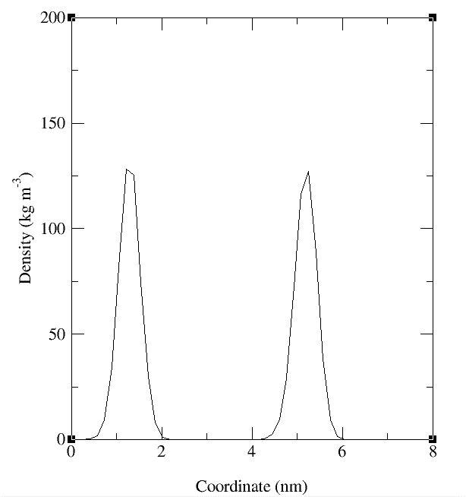
Surface viscosity, 1e-11*Pa*m*s

pip2_chol_shear_setting
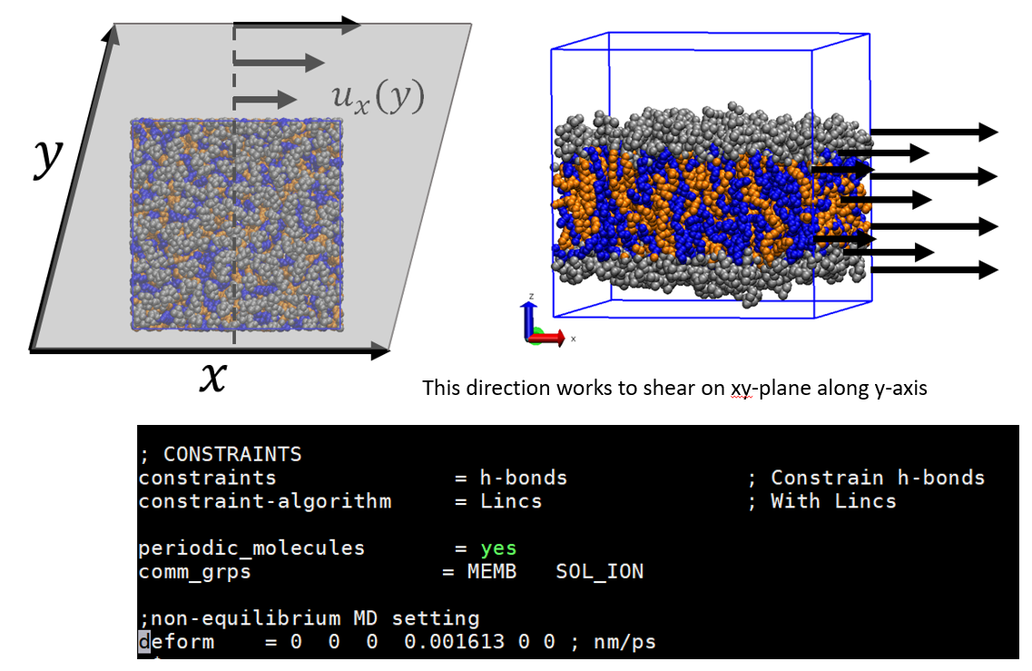
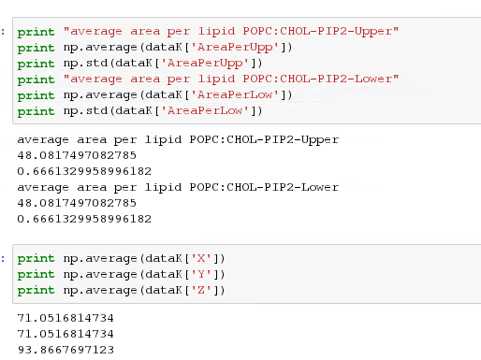
 |  |  |  | 75:30 for upper and 70:30:5
 |  | No. Lipids |  |  | POPC | CHOL | PIP2
 | Upper leaflet | 105 | POPC:CHOL=75:30 |  | 75 | 30 | 0 | 105
 | Lower leaflet | 105 | POPC:CHOL=70:30:5 |  | 70 | 30 | 5 | 105
 |  |  |  |  | water |  |  | 8363 | 39.823809524

shear boxsize | 71.5 | 4 A larger than average box sizes in x-, y-axis
 | 71.5
 | 93.9

