Graph_1
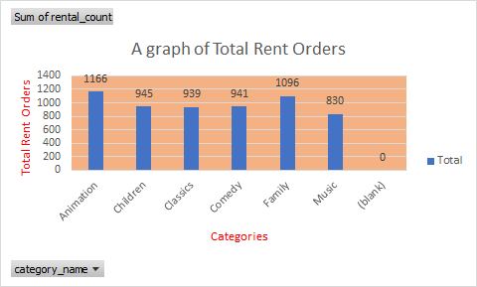

name | Sum of count
Animation | 1166
Children | 945
Classics | 939
Comedy | 941
Family | 1096
Music | 830

Graph_2
The Rental Duration
Count of name | Column Labels
Row Labels | 3 | 4 | 5 | 6 | 7 | Grand Total
Animation | 18 | 12 | 9 | 13 | 14 | 66
Children | 12 | 9 | 15 | 13 | 11 | 60
Classics | 12 | 11 | 9 | 11 | 14 | 57
Comedy | 12 | 14 | 10 | 10 | 12 | 58
Family | 11 | 12 | 14 | 18 | 14 | 69
Music | 7 | 9 | 12 | 11 | 12 | 51
Grand Total | 72 | 67 | 69 | 76 | 77 | 361

Graph_3
The quartiles, and the corresponding count of movies within each combination of film category
 | 1 | 2 | 3 | 4
Animation | 22 | 12 | 15 | 17
Children | 14 | 18 | 14 | 14
Classics | 14 | 15 | 12 | 16
Comedy | 17 | 15 | 13 | 13
Family | 15 | 17 | 20 | 17
Music | 9 | 13 | 16 | 13
Sum of count | Column Labels
Row Labels | 1 | 2 | 3 | 4 | Grand Total
Animation | 22 | 12 | 15 | 17 | 66
Children | 14 | 18 | 14 | 14 | 60
Classics | 14 | 15 | 12 | 16 | 57
Comedy | 17 | 15 | 13 | 13 | 58
Family | 15 | 17 | 20 | 17 | 69
Music | 9 | 13 | 16 | 13 | 51
Grand Total | 91 | 90 | 90 | 90 | 361

Graph_4
Row Labels | Feb-07 | Mar-07 | Apr-07 | May-07 | Grand Total
Ana Bradley | $19.96 | $71.84 | $72.88 | $2.99 | $167.67
Clara Shaw | $22.94 | $72.84 | $93.82 |  | $189.60
OUR TOP CUSTOMERS
 | 07-Feb | 07-Mar | 07-Apr | 07-May
Ana Bradley | 19.96 | 71.84 | 72.88 | 2.99
Clara Shaw | 22.94 | 72.84 | 93.82 | 0
Curtis Irby | 22.94 | 86.83 | 54.86 | 2.99
Eleanor Hunt | 22.95 | 87.82 | 100.78 | 0
Karl Seal | 41.91 | 76.87 | 89.8 | 0
Marcia Dean | 37.92 | 53.9 | 73.8 | 0.99
Marion Snyder | 44.92 | 58.88 | 85.82 | 4.99
Mike Way | 35.94 | 64.85 | 61.88 | 0
Rhonda Kennedy | 19.96 | 74.85 | 96.81 | 0
Tommy Collazo | 25.93 | 67.88 | 89.82 | 0
Curtis Irby | $22.94 | $86.83 | $54.86 | $2.99 | $167.62
Eleanor Hunt | $22.95 | $87.82 | $100.78 |  | $211.55
Karl Seal | $41.91 | $76.87 | $89.80 |  | $208.58
Marcia Dean | $37.92 | $53.90 | $73.80 | $0.99 | $166.61
Marion Snyder | $44.92 | $58.88 | $85.82 | $4.99 | $194.61
Mike Way | $35.94 | $64.85 | $61.88 |  | $162.67
Rhonda Kennedy | $19.96 | $74.85 | $96.81 |  | $191.62
Tommy Collazo | $25.93 | $67.88 | $89.82 |  | $183.63
Grand Total | $295.37 | $716.56 | $820.27 | $11.96 | $1,844.16

