数据说明
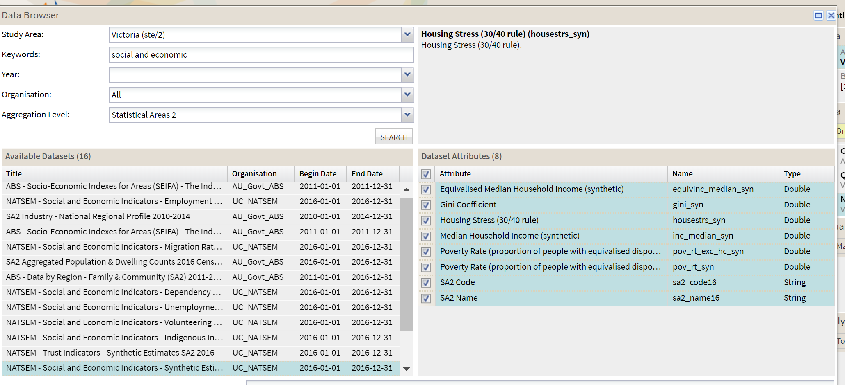
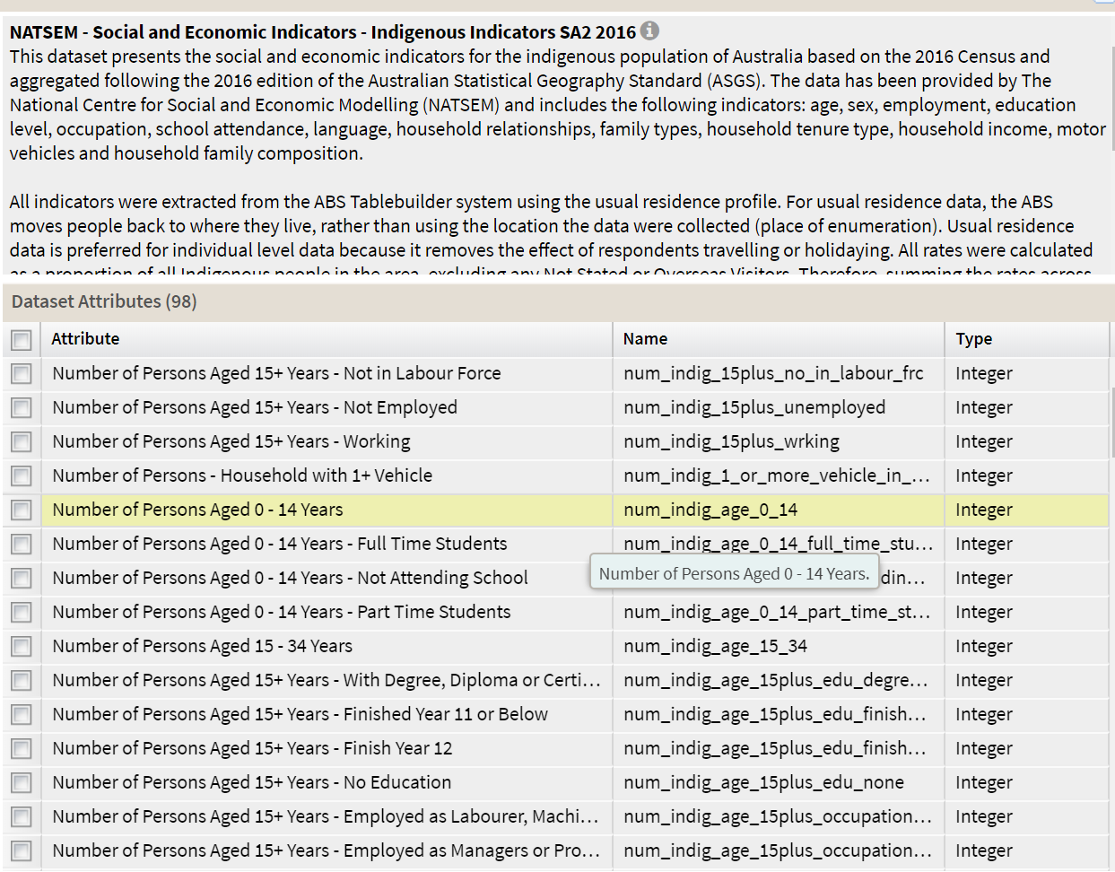
分析维度 | 需要数据 | 文件名称 | Remark
BigCities | tweets数量，sentiments | tweets from db
 | 各城市的人口分布（年龄，性别）的关系 | gender ratio ; ageGroupCities | CSV; 年龄可按：0-14，15-24， 25-49， 50-74， 75+再划分
Melbourne Suburbs | tweets数量，sentiments | tweets from db
 | 人口比例 | 2016VICAgeDist, or NATSEM_Social and Economic Indicators( including male, female) | SA2
 | 经济条件（gini coefficient, poverty rate, median house income) | NATSEM_GINI_COEFFICIENT_ETC | SA2; melbourn median house price0.91million
 | education | NATSEM_Social and Economic Indicators | SA2, with number and percentage
 | employment status |  | SA2, employed or not; employed as labour/managers etc; with both number and percentage

age group graph example
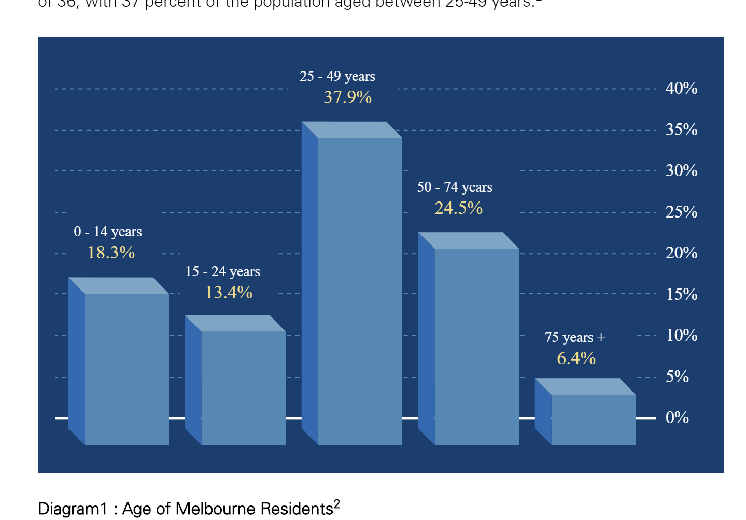

http://www.invest.vic.gov.au/resources/statistics/greater-melbourne-demographics
Melbourne is a major and relatively young city with a growing population of 4.9 million people. | Melbourne is a major and relatively young city with a growing population of 4.9 million people.

