Sample from UAE
IN User interface
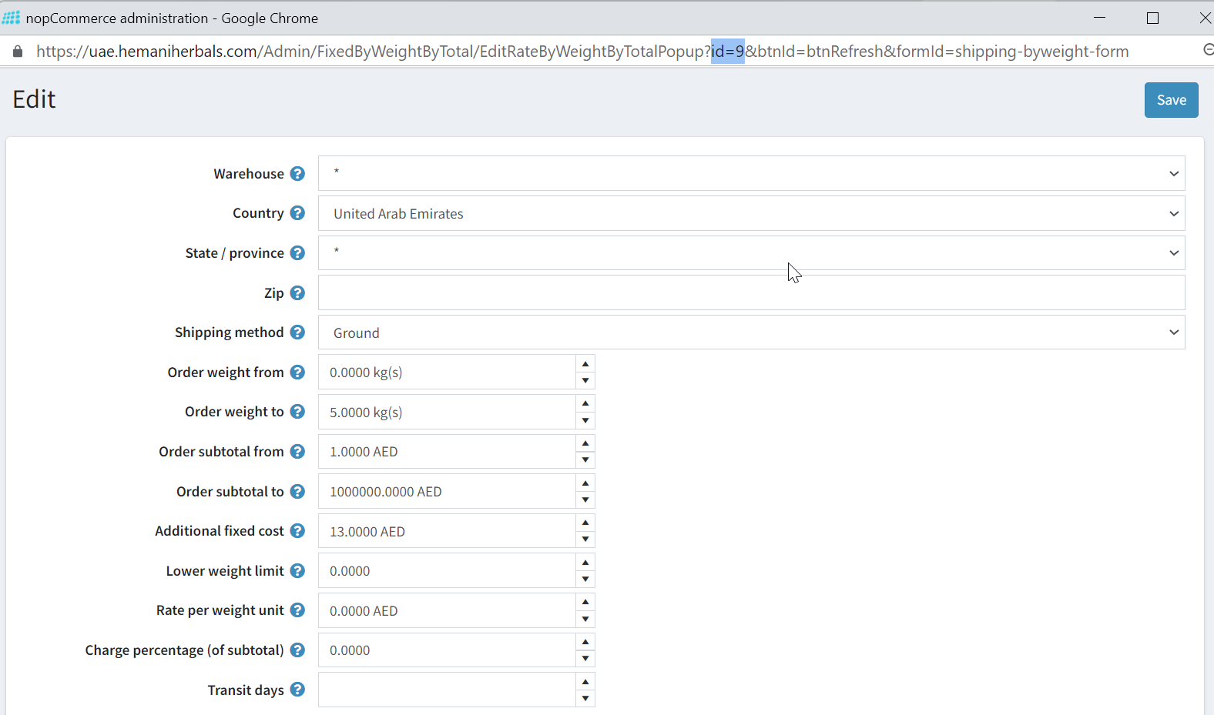

in Database | (ignore Zip Column) it is null

