Home
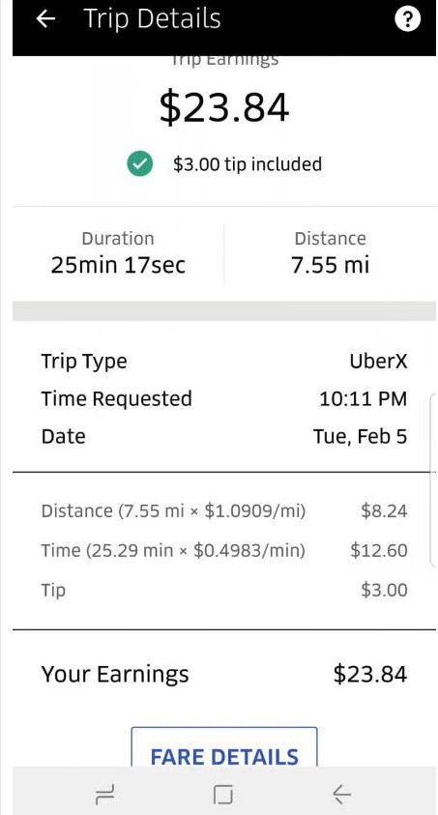

Dear Uber Driver,

Do you want to gain more money in your fixed driving hours?

This a shared database for better price prediction.

Thanks for your inputing and we'll improve the price prediction in rolling base to help you earn more based on our recommendation.

List
Ride | Pickup | Destination | Year | Month | Date | Hour
Uber X | Back Bay | Back Bay | 2018 | 01 | 1 | 0:00:00
Uber XL | Beacon Hill | Beacon Hill | 2019 | 02 | 2 | 0:15:00
Uber Black | Boston University | Boston University | 2020 | 03 | 3 | 0:30:00
Uber SUV | Fenway | Fenway | 2021 | 04 | 4 | 0:45:00
Uber Pool | Financial District | Financial District | 2022 | 05 | 5 | 1:00:00
 | Haymarket Square | Haymarket Square | 2023 | 06 | 6 | 1:15:00
 | North End | North End | 2024 | 07 | 7 | 1:30:00
 | North Station | North Station | 2025 | 08 | 8 | 1:45:00

 | Northeastern University | Northeastern University | 2026 | 09 | 9 | 2:00:00
 | South Station | South Station | 2027 | 10 | 10 | 2:15:00
 | Theatre District | Theatre District | 2028 | 11 | 11 | 2:30:00
 | West End | West End | 2029 | 12 | 12 | 2:45:00
 |  |  | 2030 |  | 13 | 3:00:00
 |  |  |  |  | 14 | 3:15:00
 |  |  |  |  | 15 | 3:30:00
 |  |  |  |  | 16 | 3:45:00
 |  |  |  |  | 17 | 4:00:00
 |  |  |  |  | 18 | 4:15:00
 |  |  |  |  | 19 | 4:30:00
 |  |  |  |  | 20 | 4:45:00
 |  |  |  |  | 21 | 5:00:00
 |  |  |  |  | 22 | 5:15:00
 |  |  |  |  | 23 | 5:30:00
 |  |  |  |  | 24 | 5:45:00
 |  |  |  |  | 25 | 6:00:00
 |  |  |  |  | 26 | 6:15:00
 |  |  |  |  | 27 | 6:30:00
 |  |  |  |  | 28 | 6:45:00
 |  |  |  |  | 29 | 7:00:00
 |  |  |  |  | 30 | 7:15:00
 |  |  |  |  | 31 | 7:30:00
 |  |  |  |  |  | 7:45:00
 |  |  |  |  |  | 8:00:00
 |  |  |  |  |  | 8:15:00
 |  |  |  |  |  | 8:30:00
 |  |  |  |  |  | 8:45:00
 |  |  |  |  |  | 9:00:00
 |  |  |  |  |  | 9:15:00
 |  |  |  |  |  | 9:30:00
 |  |  |  |  |  | 9:45:00
 |  |  |  |  |  | 10:00:00
 |  |  |  |  |  | 10:15:00
 |  |  |  |  |  | 10:30:00
 |  |  |  |  |  | 10:45:00
 |  |  |  |  |  | 11:00:00
 |  |  |  |  |  | 11:15:00
 |  |  |  |  |  | 11:30:00
 |  |  |  |  |  | 11:45:00
 |  |  |  |  |  | 12:00:00
 |  |  |  |  |  | 12:15:00
 |  |  |  |  |  | 12:30:00
 |  |  |  |  |  | 12:45:00
 |  |  |  |  |  | 13:00:00
 |  |  |  |  |  | 13:15:00
 |  |  |  |  |  | 13:30:00
 |  |  |  |  |  | 13:45:00
 |  |  |  |  |  | 14:00:00
 |  |  |  |  |  | 14:15:00
 |  |  |  |  |  | 14:30:00
 |  |  |  |  |  | 14:45:00
 |  |  |  |  |  | 15:00:00
 |  |  |  |  |  | 15:15:00
 |  |  |  |  |  | 15:30:00
 |  |  |  |  |  | 15:45:00
 |  |  |  |  |  | 16:00:00
 |  |  |  |  |  | 16:15:00
 |  |  |  |  |  | 16:30:00
 |  |  |  |  |  | 16:45:00
 |  |  |  |  |  | 17:00:00
 |  |  |  |  |  | 17:15:00
 |  |  |  |  |  | 17:30:00
 |  |  |  |  |  | 17:45:00
 |  |  |  |  |  | 18:00:00
 |  |  |  |  |  | 18:15:00
 |  |  |  |  |  | 18:30:00
 |  |  |  |  |  | 18:45:00
 |  |  |  |  |  | 19:00:00
 |  |  |  |  |  | 19:15:00
 |  |  |  |  |  | 19:30:00
 |  |  |  |  |  | 19:45:00
 |  |  |  |  |  | 20:00:00
 |  |  |  |  |  | 20:15:00
 |  |  |  |  |  | 20:30:00
 |  |  |  |  |  | 20:45:00
 |  |  |  |  |  | 21:00:00
 |  |  |  |  |  | 21:15:00
 |  |  |  |  |  | 21:30:00
 |  |  |  |  |  | 21:45:00
 |  |  |  |  |  | 22:00:00
 |  |  |  |  |  | 22:15:00
 |  |  |  |  |  | 22:30:00
 |  |  |  |  |  | 22:45:00
 |  |  |  |  |  | 23:00:00
 |  |  |  |  |  | 23:15:00
 |  |  |  |  |  | 23:30:00
 |  |  |  |  |  | 23:45:00
 |  |  |  |  |  | 1900-01-01 00:00:00
 |  |  |  |  |  | 1900-01-01 00:15:00
 |  |  |  |  |  | 1900-01-01 00:30:00
 |  |  |  |  |  | 1900-01-01 00:45:00
 |  |  |  |  |  | 1900-01-01 01:00:00
 |  |  |  |  |  | 1900-01-01 01:15:00
 |  |  |  |  |  | 1900-01-01 01:30:00
 |  |  |  |  |  | 1900-01-01 01:45:00
 |  |  |  |  |  | 1900-01-01 02:00:00
 |  |  |  |  |  | 1900-01-01 02:15:00
 |  |  |  |  |  | 1900-01-01 02:30:00
 |  |  |  |  |  | 1900-01-01 02:45:00
 |  |  |  |  |  | 1900-01-01 03:00:00
 |  |  |  |  |  | 1900-01-01 03:15:00
 |  |  |  |  |  | 1900-01-01 03:30:00
 |  |  |  |  |  | 1900-01-01 03:45:00
 |  |  |  |  |  | 1900-01-01 04:00:00
 |  |  |  |  |  | 1900-01-01 04:15:00
 |  |  |  |  |  | 1900-01-01 04:30:00
 |  |  |  |  |  | 1900-01-01 04:45:00
 |  |  |  |  |  | 1900-01-01 05:00:00
 |  |  |  |  |  | 1900-01-01 05:15:00
 |  |  |  |  |  | 1900-01-01 05:30:00
 |  |  |  |  |  | 1900-01-01 05:45:00
 |  |  |  |  |  | 1900-01-01 06:00:00
 |  |  |  |  |  | 1900-01-01 06:15:00
 |  |  |  |  |  | 1900-01-01 06:30:00
 |  |  |  |  |  | 1900-01-01 06:45:00
 |  |  |  |  |  | 1900-01-01 07:00:00
 |  |  |  |  |  | 1900-01-01 07:15:00
 |  |  |  |  |  | 1900-01-01 07:30:00
 |  |  |  |  |  | 1900-01-01 07:45:00
 |  |  |  |  |  | 1900-01-01 08:00:00
 |  |  |  |  |  | 1900-01-01 08:15:00
 |  |  |  |  |  | 1900-01-01 08:30:00
 |  |  |  |  |  | 1900-01-01 08:45:00
 |  |  |  |  |  | 1900-01-01 09:00:00
 |  |  |  |  |  | 1900-01-01 09:15:00
 |  |  |  |  |  | 1900-01-01 09:30:00
 |  |  |  |  |  | 1900-01-01 09:45:00
 |  |  |  |  |  | 1900-01-01 10:00:00
 |  |  |  |  |  | 1900-01-01 10:15:00
 |  |  |  |  |  | 1900-01-01 10:30:00
 |  |  |  |  |  | 1900-01-01 10:45:00
 |  |  |  |  |  | 1900-01-01 11:00:00
 |  |  |  |  |  | 1900-01-01 11:15:00
 |  |  |  |  |  | 1900-01-01 11:30:00
 |  |  |  |  |  | 1900-01-01 11:45:00
 |  |  |  |  |  | 1900-01-01 12:00:00
 |  |  |  |  |  | 1900-01-01 12:15:00
 |  |  |  |  |  | 1900-01-01 12:30:00
 |  |  |  |  |  | 1900-01-01 12:45:00
 |  |  |  |  |  | 1900-01-01 13:00:00
 |  |  |  |  |  | 1900-01-01 13:15:00
 |  |  |  |  |  | 1900-01-01 13:30:00
 |  |  |  |  |  | 1900-01-01 13:45:00
 |  |  |  |  |  | 1900-01-01 14:00:00
 |  |  |  |  |  | 1900-01-01 14:15:00
 |  |  |  |  |  | 1900-01-01 14:30:00
 |  |  |  |  |  | 1900-01-01 14:45:00
 |  |  |  |  |  | 1900-01-01 15:00:00
 |  |  |  |  |  | 1900-01-01 15:15:00
 |  |  |  |  |  | 1900-01-01 15:30:00
 |  |  |  |  |  | 1900-01-01 15:45:00
 |  |  |  |  |  | 1900-01-01 16:00:00
 |  |  |  |  |  | 1900-01-01 16:15:00
 |  |  |  |  |  | 1900-01-01 16:30:00
 |  |  |  |  |  | 1900-01-01 16:45:00
 |  |  |  |  |  | 1900-01-01 17:00:00
 |  |  |  |  |  | 1900-01-01 17:15:00
 |  |  |  |  |  | 1900-01-01 17:30:00
 |  |  |  |  |  | 1900-01-01 17:45:00
 |  |  |  |  |  | 1900-01-01 18:00:00
 |  |  |  |  |  | 1900-01-01 18:15:00
 |  |  |  |  |  | 1900-01-01 18:30:00
 |  |  |  |  |  | 1900-01-01 18:45:00
 |  |  |  |  |  | 1900-01-01 19:00:00
 |  |  |  |  |  | 1900-01-01 19:15:00
 |  |  |  |  |  | 1900-01-01 19:30:00
 |  |  |  |  |  | 1900-01-01 19:45:00
 |  |  |  |  |  | 1900-01-01 20:00:00
 |  |  |  |  |  | 1900-01-01 20:15:00
 |  |  |  |  |  | 1900-01-01 20:30:00
 |  |  |  |  |  | 1900-01-01 20:45:00
 |  |  |  |  |  | 1900-01-01 21:00:00
 |  |  |  |  |  | 1900-01-01 21:15:00
 |  |  |  |  |  | 1900-01-01 21:30:00
 |  |  |  |  |  | 1900-01-01 21:45:00
 |  |  |  |  |  | 1900-01-01 22:00:00
 |  |  |  |  |  | 1900-01-01 22:15:00
 |  |  |  |  |  | 1900-01-01 22:30:00
 |  |  |  |  |  | 1900-01-01 22:45:00
 |  |  |  |  |  | 1900-01-01 23:00:00
 |  |  |  |  |  | 1900-01-01 23:15:00
 |  |  |  |  |  | 1900-01-01 23:30:00
 |  |  |  |  |  | 1900-01-01 23:45:00

