Category Statistics
country | US

Parent Category Outcomes
Count of outcomes | Column Labels
Row Labels | canceled | failed | live | successful | Grand Total
theater | 26 | 349 | 12 | 525 | 912
Grand Total | 26 | 349 | 12 | 525 | 912

Outcomes based on launch date
Outcomes based on launch date
Parent Category | technology
Years | (All)

Count of outcomes | Column Labels
Row Labels | canceled | failed | successful | Grand Total
Qtr1 | 42 | 50 | 46 | 138
Qtr2 | 39 | 40 | 57 | 136
Qtr3 | 43 | 55 | 51 | 149
Qtr4 | 54 | 68 | 55 | 177
Grand Total | 178 | 213 | 209 | 600

Subcategory Statistics
country | GB
Parent Category | theater

Count of outcomes | Column Labels
Row Labels | failed | live | successful | Grand Total
plays | 70 | 6 | 238 | 314
Grand Total | 70 | 6 | 238 | 314

Descriptive Statistics
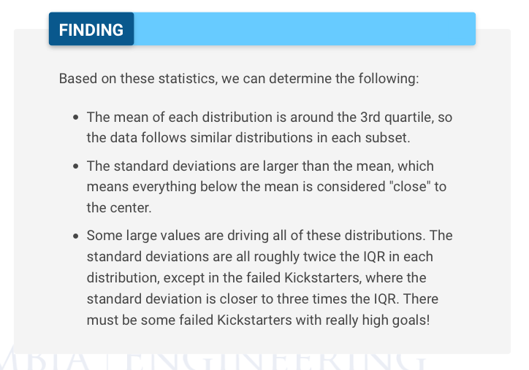
 | Successful | Failed
Mean Goal | $5,049 | $10,554
Median Goal | $3,000 | $5,000
Standard deviation of Goal | $7,749 | $21,968
Upper Quartile of Goal | $5,000 | $10,000
Lower Quartile of Goal | $1,500 | $2,000
IQR of Goal | $3,500 | $8,000

Mean Pledged | $5,602 | $559
Median Pledged | $3,168 | $103
Standard deviation of pledge | $8,335 | $1,331
Upper Quartile of Pledge | $5,699 | $501
Lower Quartile of Pledged | $1,717 | $9
IQR of Pledged | $3,982 | $492

