Landing Page
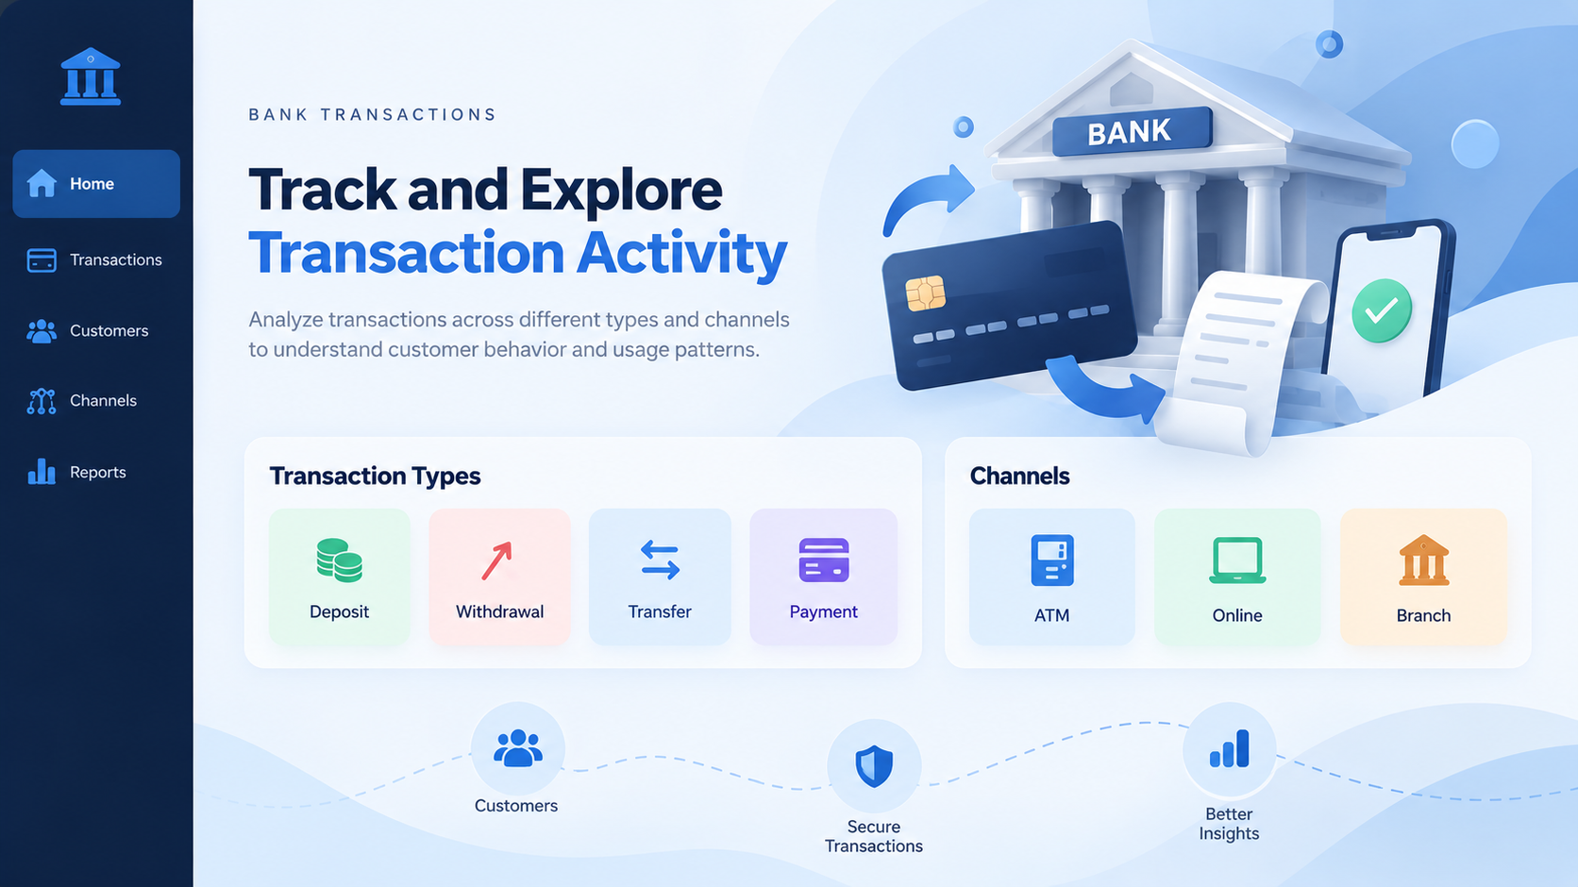

Dashboard
Transactions

Total Amount
$13,446,905
Total Account
506
Avg Amount
$20,561
Total Transactions
654
Channel

Amount By Month
 | Total
Oct | $3,622,807
Nov | $5,499,659
Dec | $4,324,439
Count Transaction By Channel
 | Total
Branch | $311
Online | $343
 | Branch | Online
Deposit | $1,589,534 | $1,604,862
Payment | $2,610,178 | $1,642,391
Transfer | $1,638,463 | $1,793,782
Withdrawal | $1,398,545 | $1,169,150

Type

Total Amount By Channel
 | Total
Branch | $7,236,720
Online | $6,210,185
Total Amount By Type
 | Total
Deposit | $3,194,396.00
Payment | $4,252,569.00
Transfer | $3,432,245.00
Withdrawal | $2,567,695.00

