Sheet1
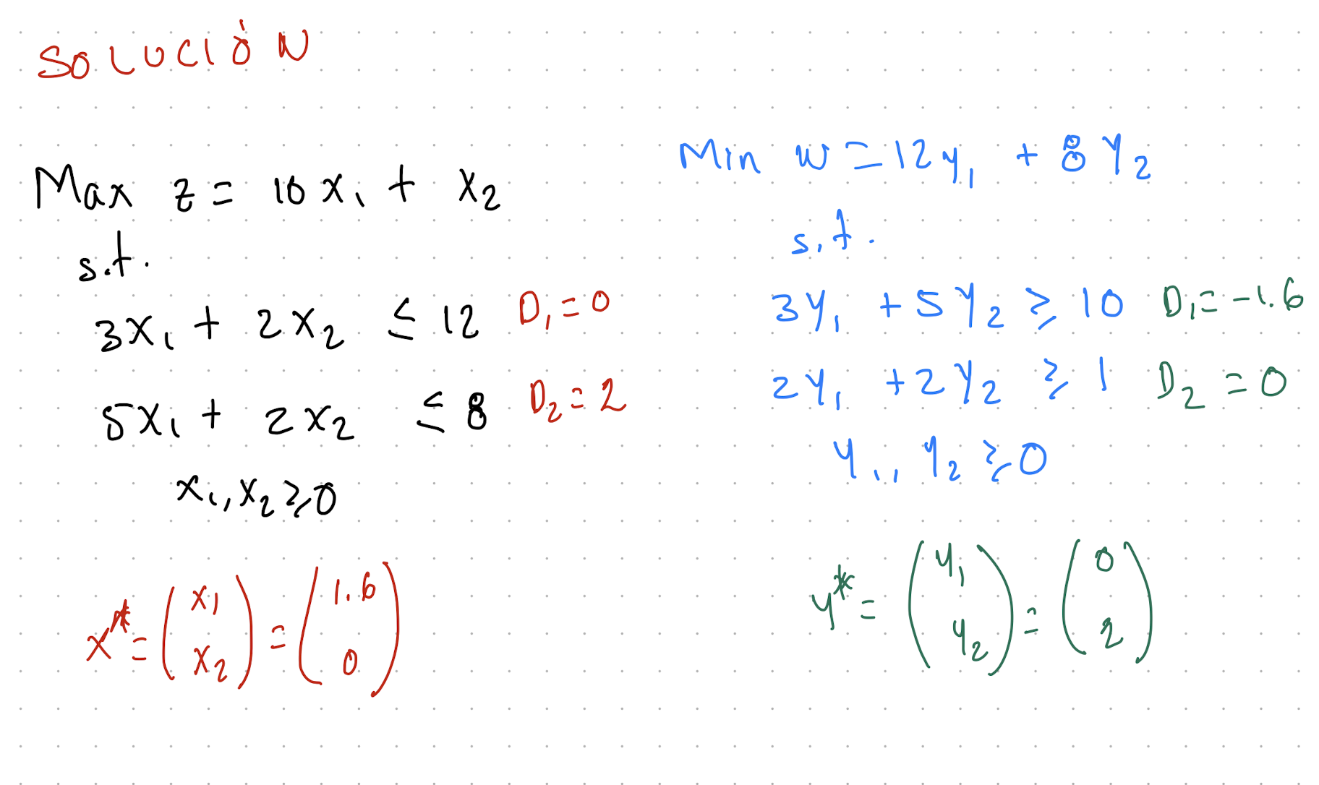
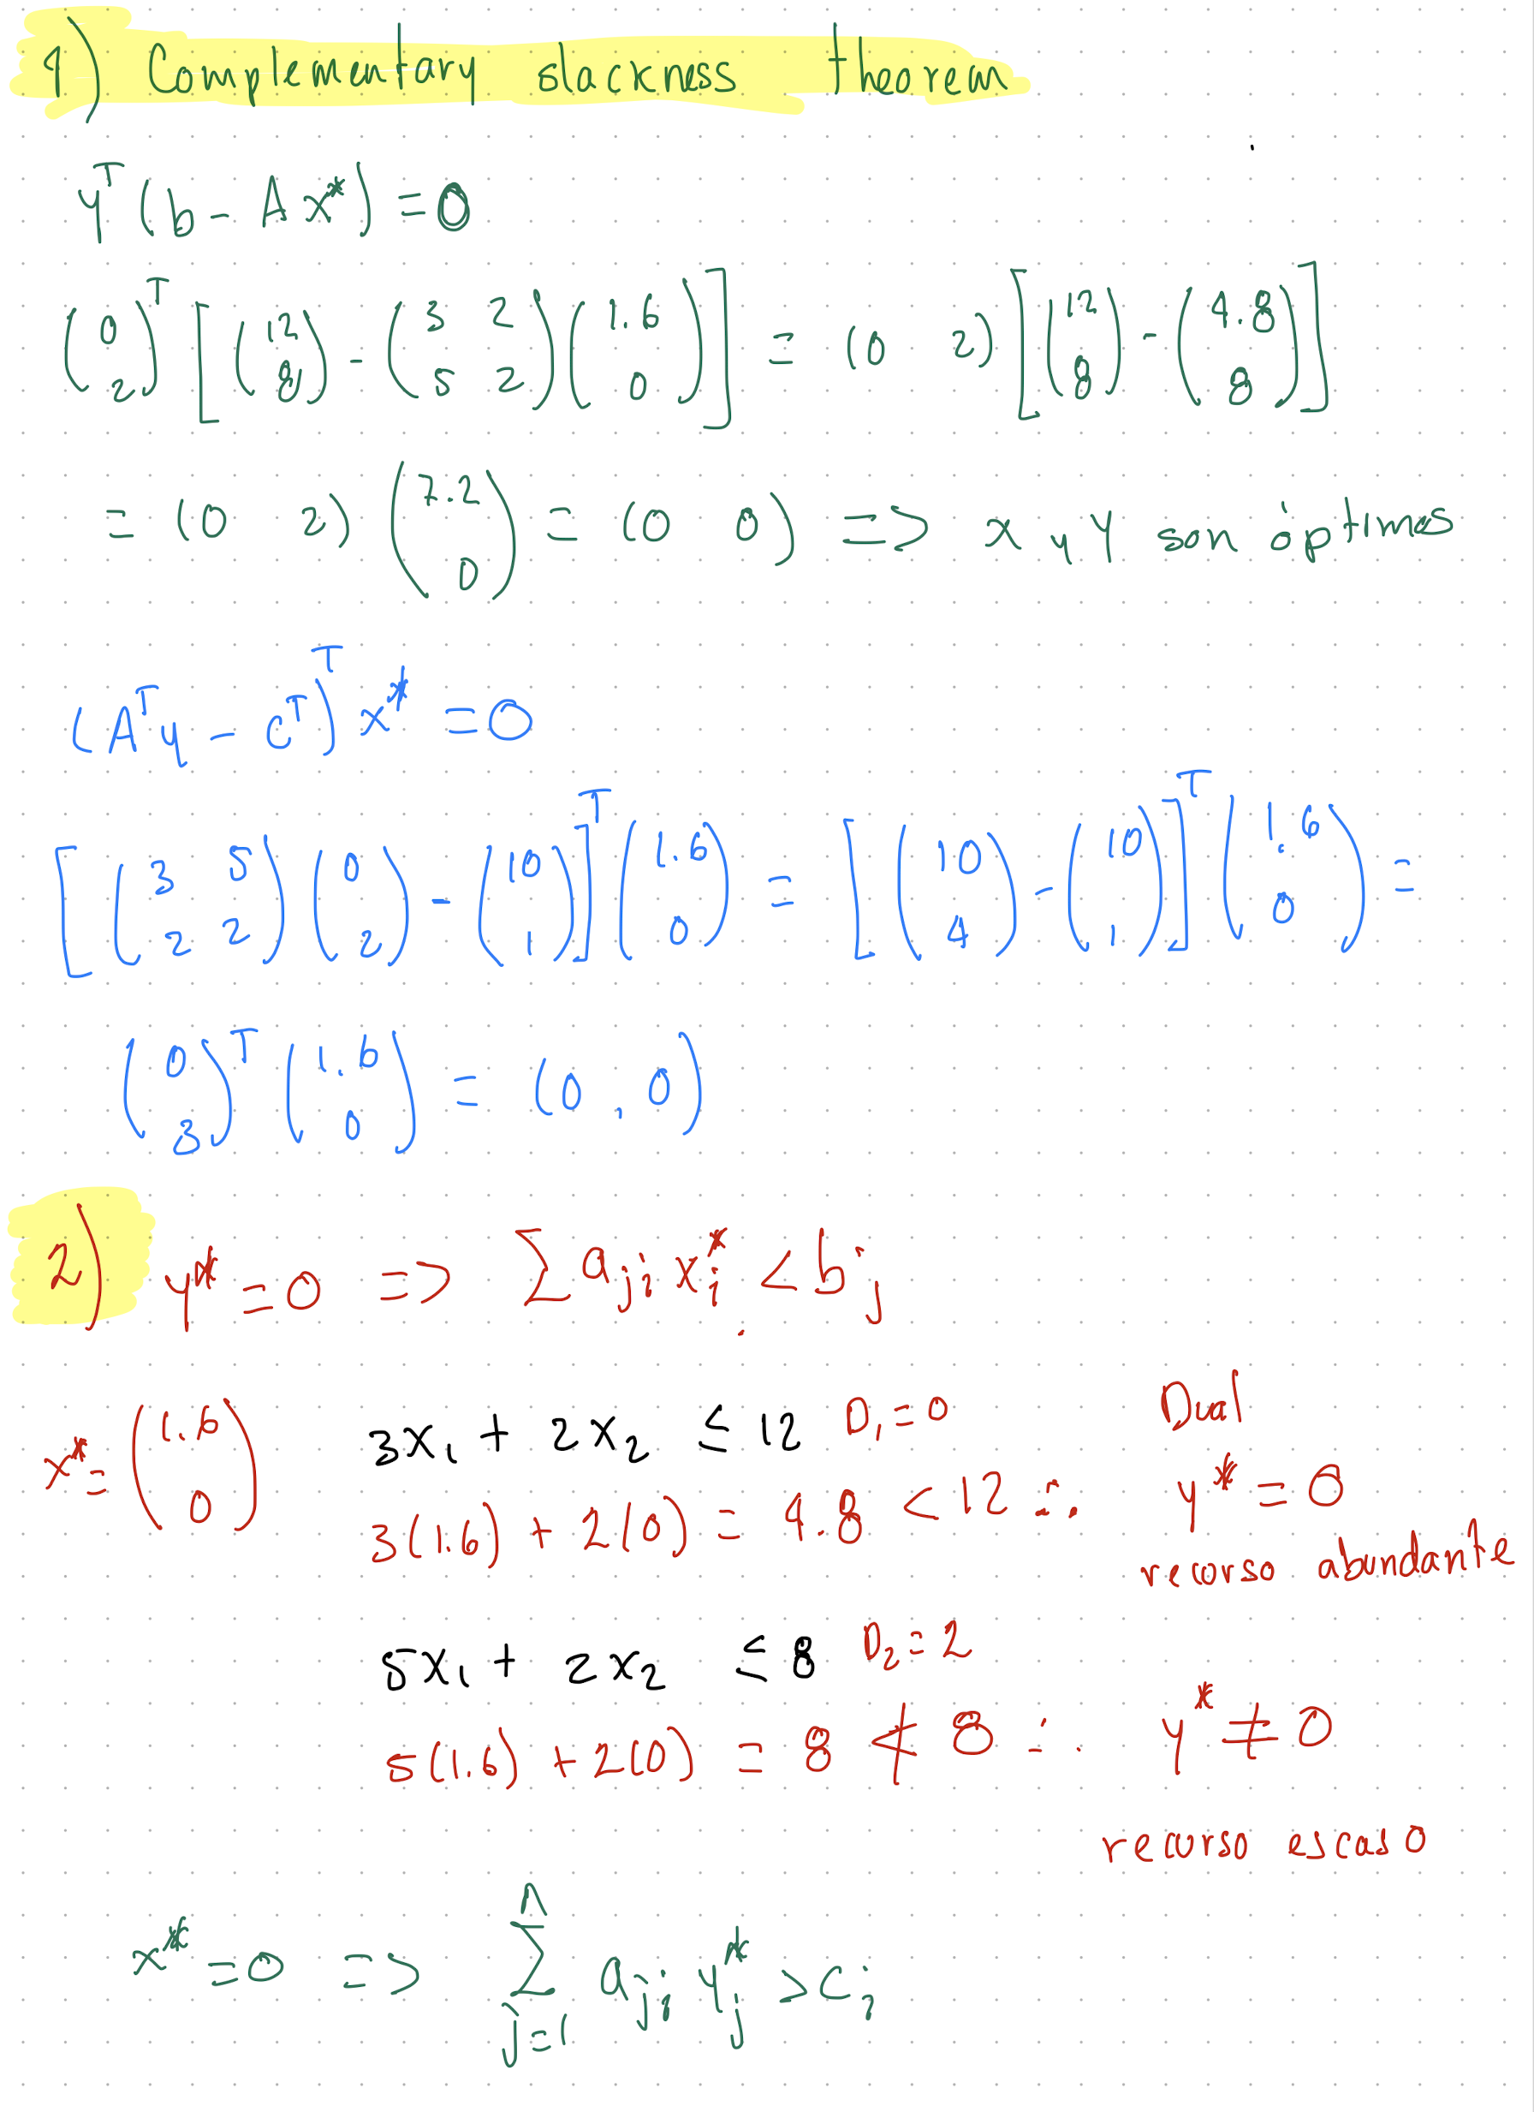
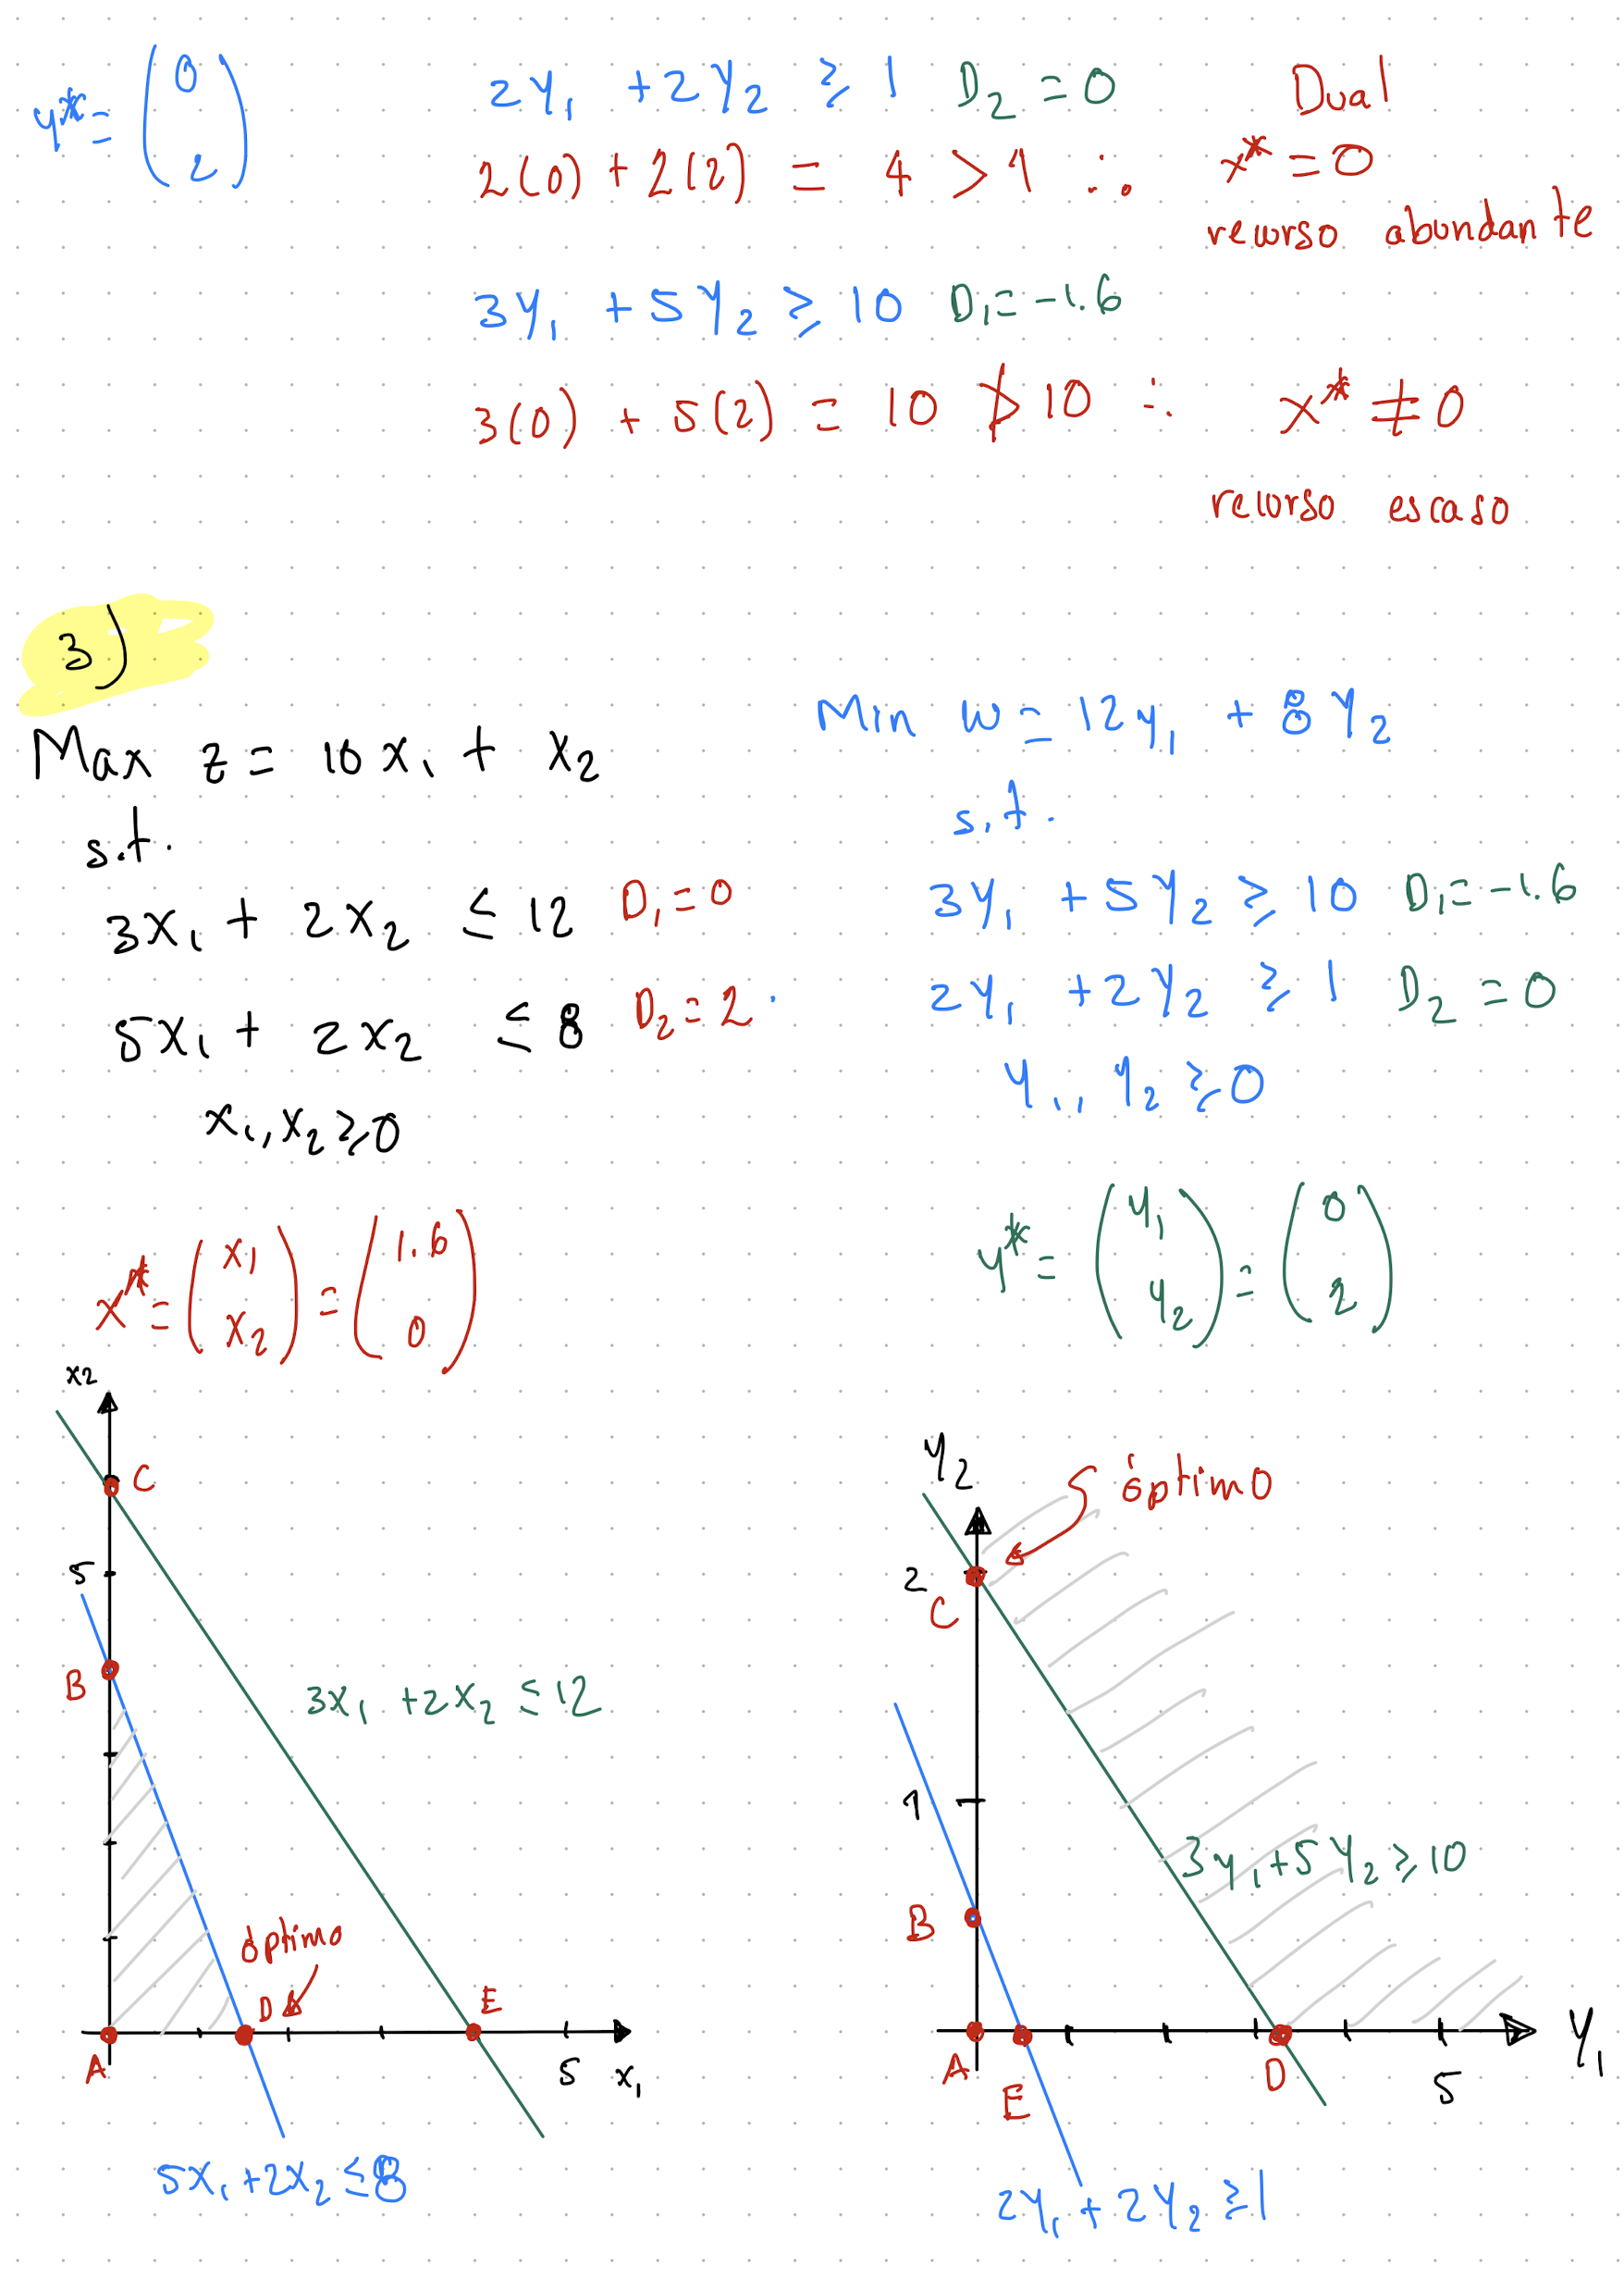
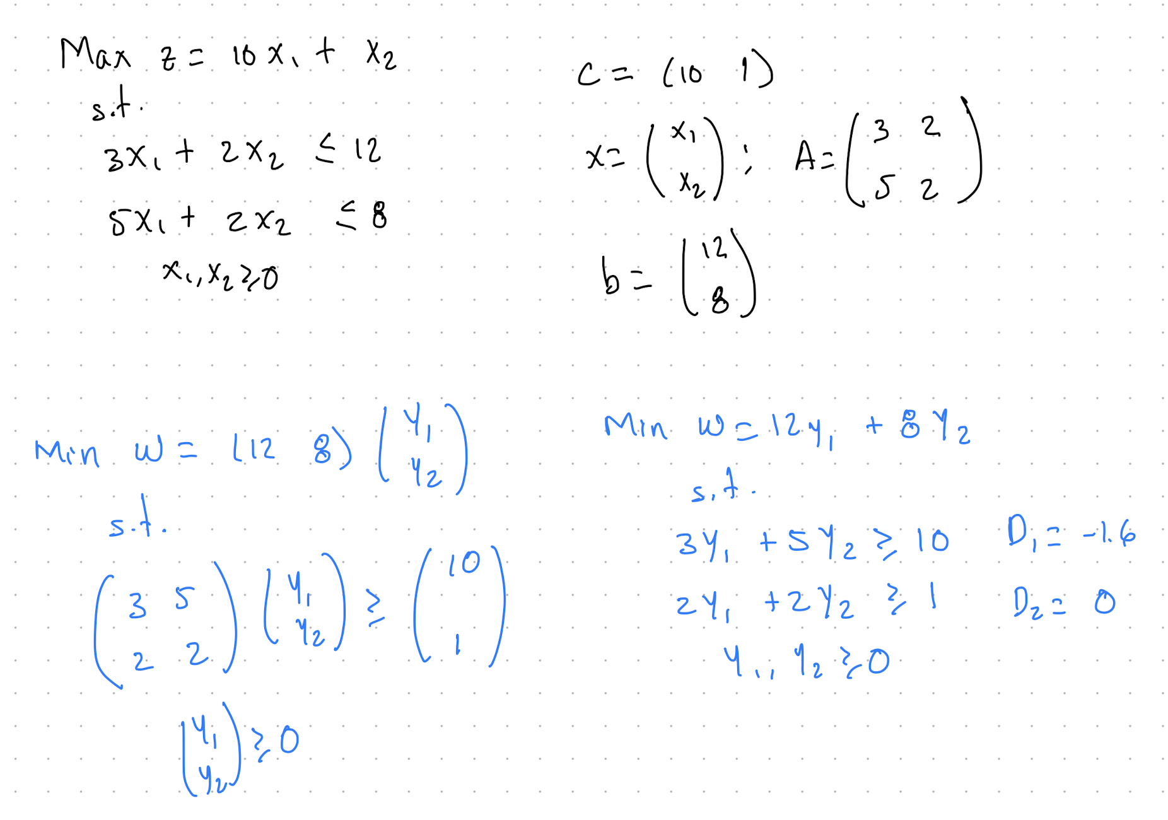

PRIMAL PROBLEM |  |  |  |  |  |  |  | DUAL PROBLEM

 | x1 | x2 | s1 | s2 |  |  |  |  | y1 | y2 | e1 | e2
c = | 10 | 1 | 0 | 0 |  |  |  | bT = | 12 | 8 | 0 | 0

 | 3 | 2 | 1 | 0 |  | 12 |  |  | -3 | -5 | 1 | 0 |  | -10
A = | 5 | 2 | 0 | 1 | b = | 8 |  | AT = | -2 | -2 | 0 | 1 | cT = | -1

 |  |  | s1 | s2 |  |  |  |  |  |  | e1 | e2
 | s1 |  | 1 | 0 |  | 1 | 0 |  | e1 |  | 1 | 0 |  | 1 | 0
xB = | s2 | B = | 0 | 1 | B- = | 0 | 1 | xB = | e2 | B = | 0 | 1 | B- = | 0 | 1

 |  | cB = | 0 | 0 |  |  |  |  |  | cB = | 0 | 0

 | x1 | x2 | s1 | s2 | sol. |  |  |  | y1 | y2 | e1 | e2 | sol.
básica | -10 | -1 | 0 | 0 | 0 |  |  | básica | -12 | -8 | 0 | 0 | 0
s1 | 3 | 2 | 1 | 0 | 12 | 4 |  | e1 | -3 | -5 | 1 | 0 | -10
s2 | 5 | 2 | 0 | 1 | 8 | 1.6 |  | e2 | -2 | -2 | 0 | 1 | -1
 |  |  |  |  |  |  |  |  | 4 | 1.6

 | x1 | x2 | s1 | s2 |  |  |  |  | y1 | y2 | e1 | e2
c = | 10 | 1 | 0 | 0 |  |  |  | c = | 12 | 8 | 0 | 0

 | 3 | 2 | 1 | 0 |  | 12 |  |  | -3 | -5 | 1 | 0 |  | -10
A = | 5 | 2 | 0 | 1 | b = | 8 |  | A = | -2 | -2 | 0 | 1 | b = | -1

 |  |  | s1 | x1 |  |  |  |  |  |  | y2 | e2
 | s1 |  | 1 | 3 |  | 1 | -0.6 |  | y2 |  | -5 | 0 |  | -0.2 | 0
xB = | x1 | B = | 0 | 5 | B- = | 0 | 0.2 | xB = | e2 | B = | -2 | 1 | B- = | -0.4 | 1

 |  | cB = | 0 | 10 |  |  |  |  |  | cB = | 8 | 0

 | x1 | x2 | s1 | s2 | sol. |  |  |  | y1 | y2 | e1 | e2 | sol.
básica | 0 | 3 | 0 | 2 | 16 |  |  | básica | -7.2 | 0 | -1.6 | 0 | 16
s1 | -4.4408920985E-16 | 0.8 | 1 | -0.6 | 7.2 |  |  | y2 | 0.6 | 1 | -0.2 | 0 | 2
x1 | 1 | 0.4 | 0 | 0.2 | 1.6 |  |  | e2 | -0.8 | 0 | -0.4 | 1 | 3

