Manual Testing Test Case
Test Scenario ID: TS_2B_08 |  | Test Case ID: TC_2B_Quant_009

Test Date: 20/3/2024 |  | Test Title: Filter Products by Available Quantity

Test Priority: High |  | Test Status: Fail | Test Data

 |  |  | N/A
Tester: Mohamed khaled |  | Reviewed By: AWT Ltd

Step No. | TestSteps | Pre-conditions | Expected Result | Actual Result | Test Status | Notes | Attachments

1 | Select the "sort By" dropdown menu to be "Quantity" | 1-Access to google chrome or any Browser 2-Navigate to https://2b.com.eg/en/computers/electronic-solutions.html | the products in the page by default sorted in Ascending direction | nothing changed in the product sorting | Fail | N/A | 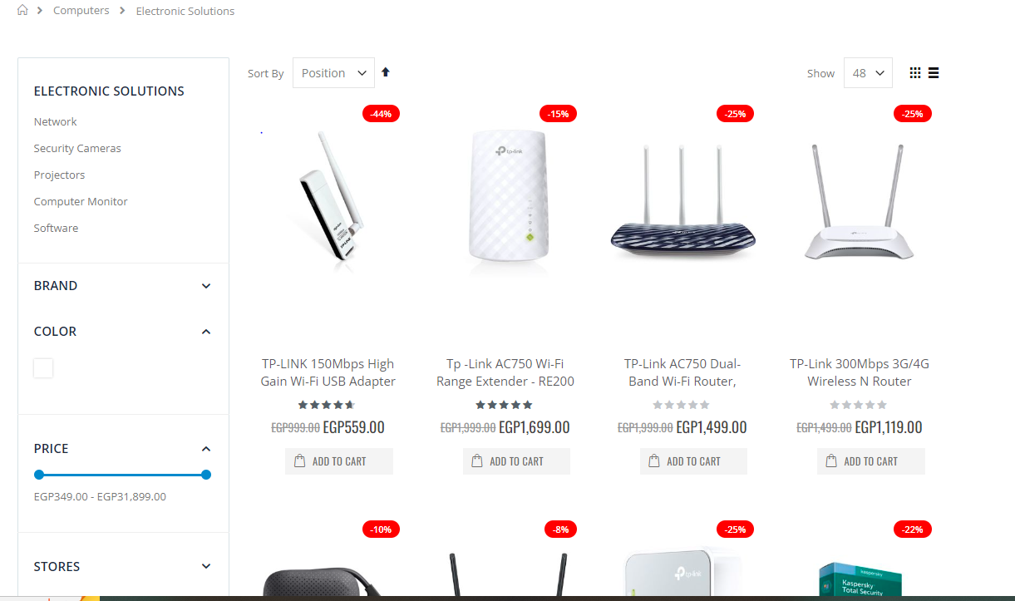 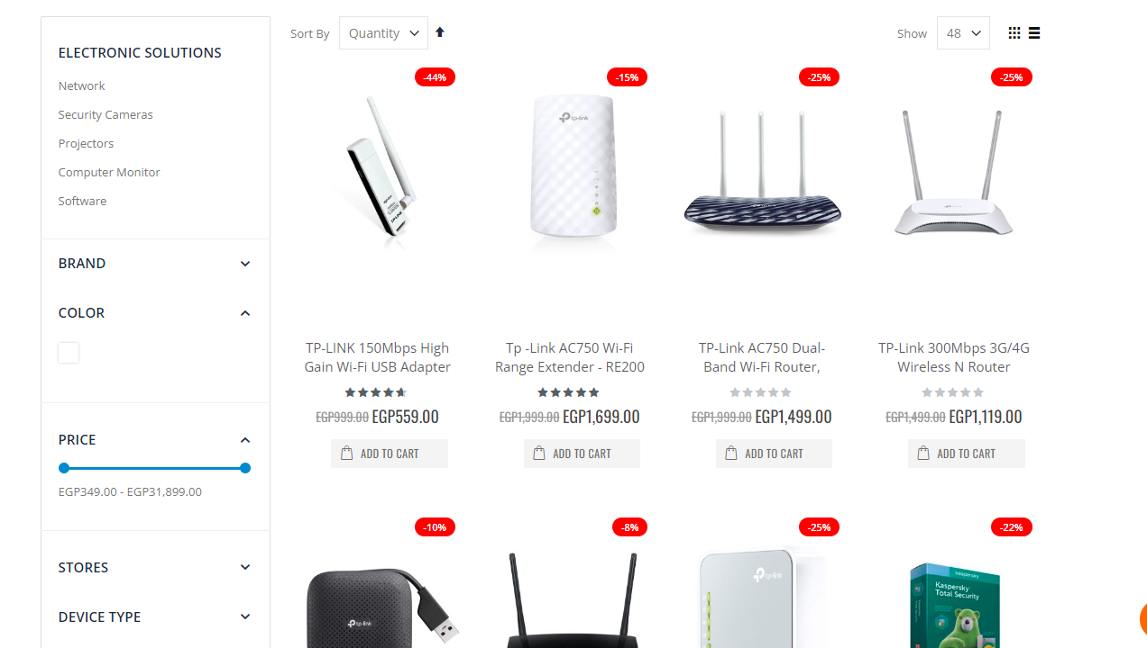 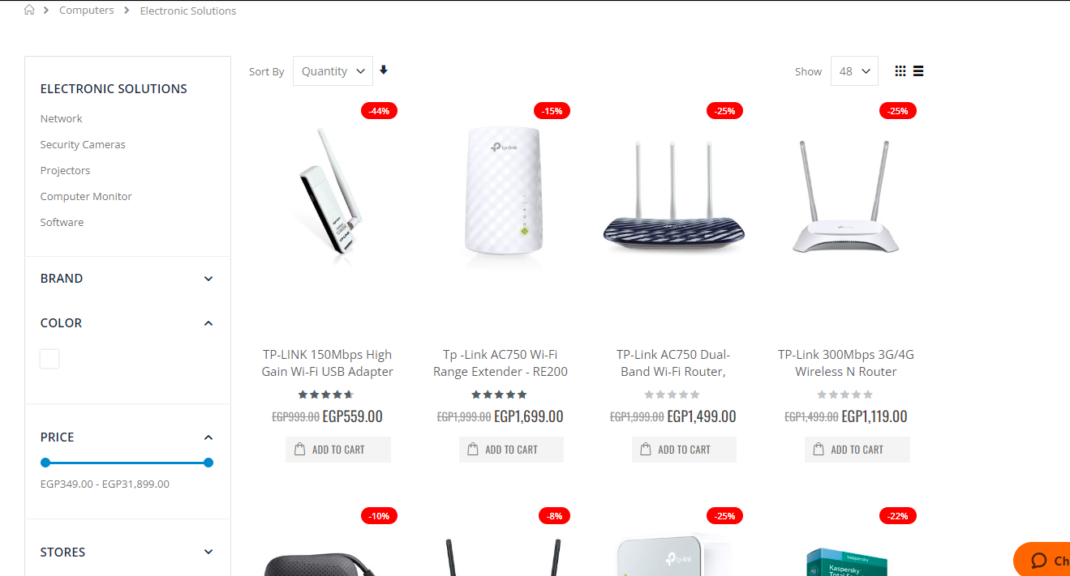
2 | select the the Arrow icon besid the sort By dropdown menu to be down "set Descending Direction" |  | the Products in the page sorted in descending direction | nothing changed in the product sorting | Fail | N/A
3 | select the the Arrow icon besid the sort By dropdown menu to be up "set Ascending Direction" |  | the Products in the page sorted in ascending direction | nothing changed in the product sorting | Fail | N/A

