Manual Testing Test Case
Test Scenario ID: TS_2B_04 |  | Test Case ID: TC_2B_Relcat_004

Test Date: 20/3/2024 |  | Test Title: Verify that every product has a related category in the sidebar

Test Priority: Medium |  | Test Status: Fail | Test Data

 |  |  | N/A
Tester: Mohamed khaled |  | Reviewed By: AWT Ltd

Step No. | TestSteps | Pre-conditions | Expected Result | Actual Result | Test Status | Notes | Attachments

1 | navigate to https://2b.com.eg/en/home-appliances/air-conditioners.html | 1-Access to google chrome or any Browser 2-Navigate to https://2b.com.eg/en/ | page with 10 Air Conditioners opened successfuly | page with 10 Air Conditioners opened successfuly | Pass | N/A | 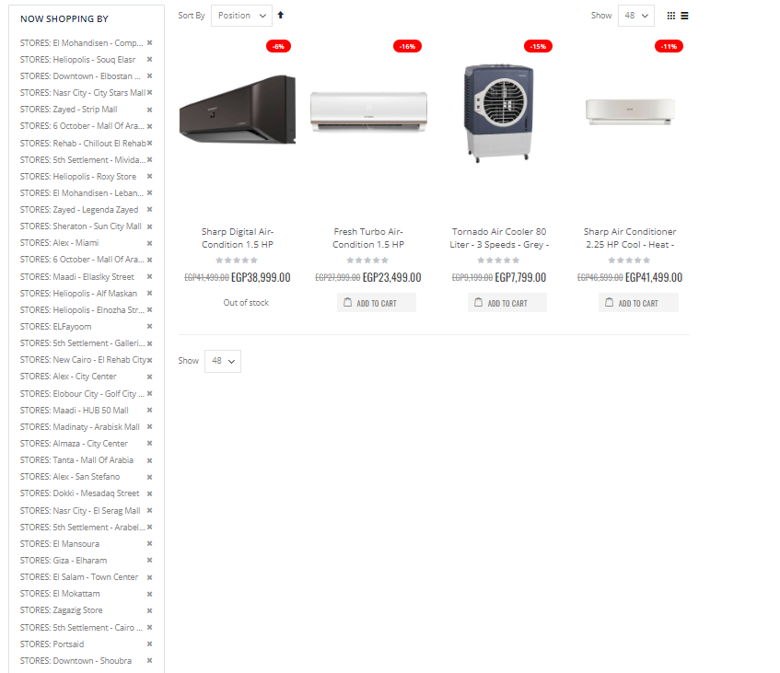 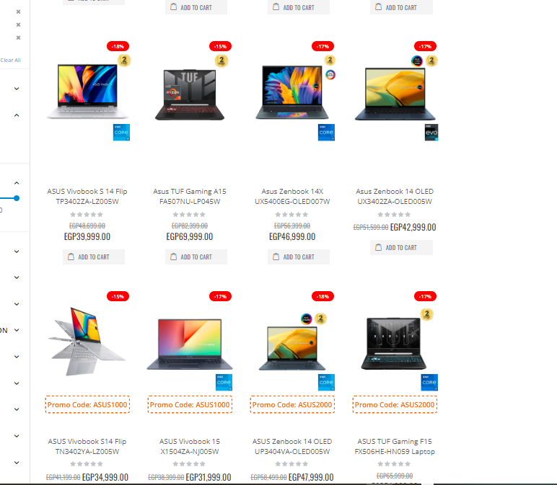 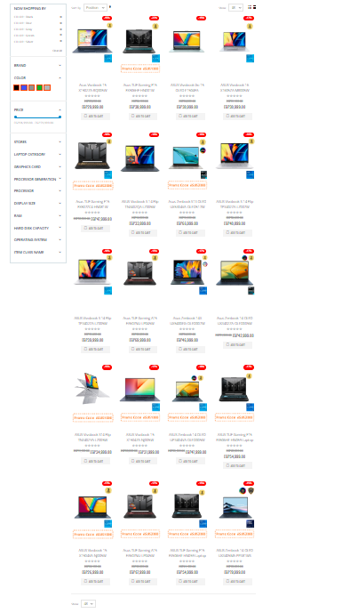 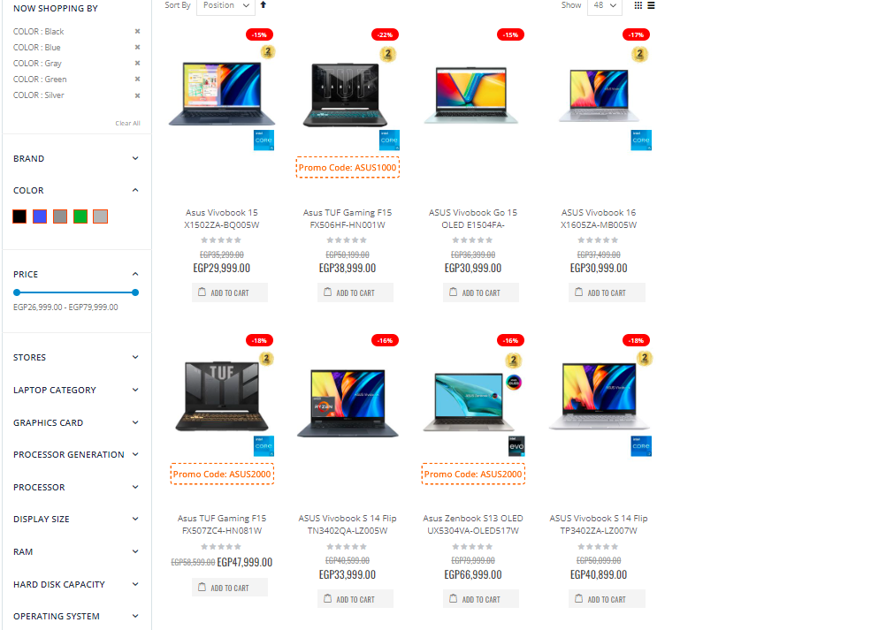 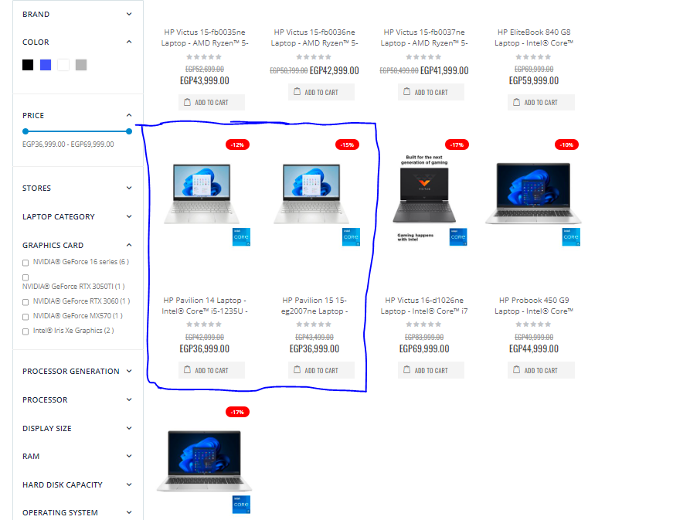 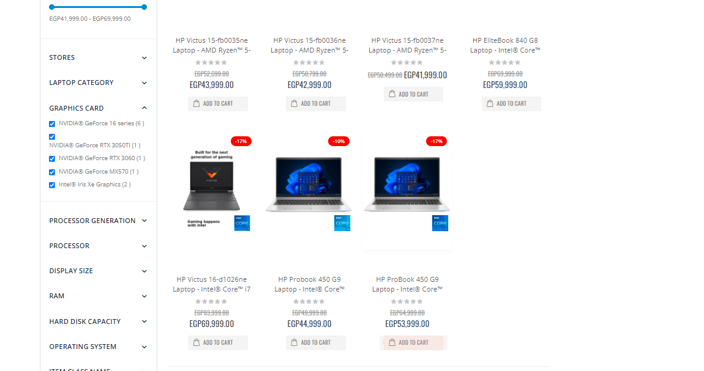 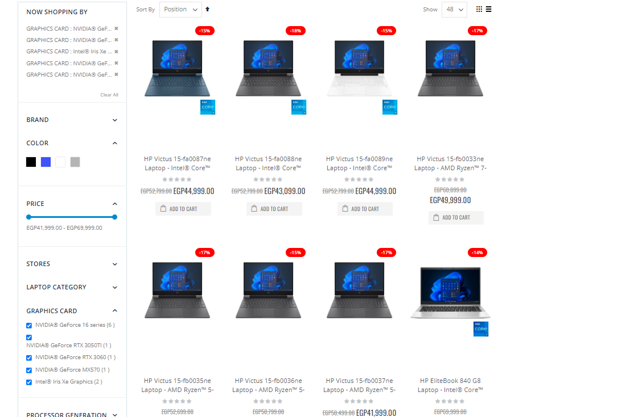 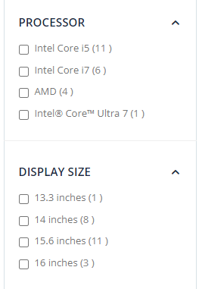
2 | from the sidebar click on the "STORES" category |  | stores check boxes appeared | stores check boxes appeared | Pass | N/A
3 | check all the check boxes in the "STORES" category |  | page with 10 Air Conditioners opened successfuly | page with 4 Air Conditioners appeared | Fail | there are 6 products doesnt` have store category
 |  |  |  |  |  | all the products related categories should be review again

