Manual Testing Test Case
Test Scenario ID: TS_2B_11 |  | Test Case ID: TC_2B_Remsrch_012

Test Date: 20/3/2024 |  | Test Title: Verify Search bar Preferences Memory

Test Priority: Low |  | Test Status: Fail | Test Data

 |  |  | Home Appliances
Tester: Mohamed khaled |  | Reviewed By: AWT Ltd

Step No. | TestSteps | Pre-conditions | Expected Result | Actual Result | Test Status | Notes | Attachments

1 | Click on search bar | 1-Access to google chrome or any Browser 2-Navigate to https://2b.com.eg/ | blinking cursor with "Trending products" appeared | blinking cursor with "Trending products" appeared | Pass | N/A | 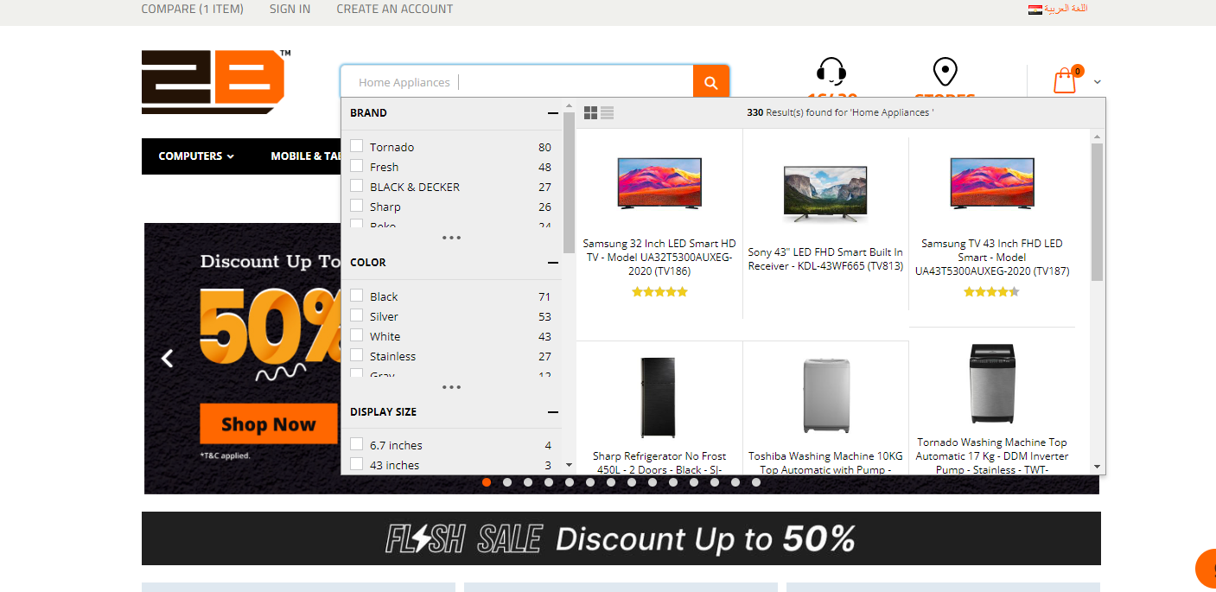 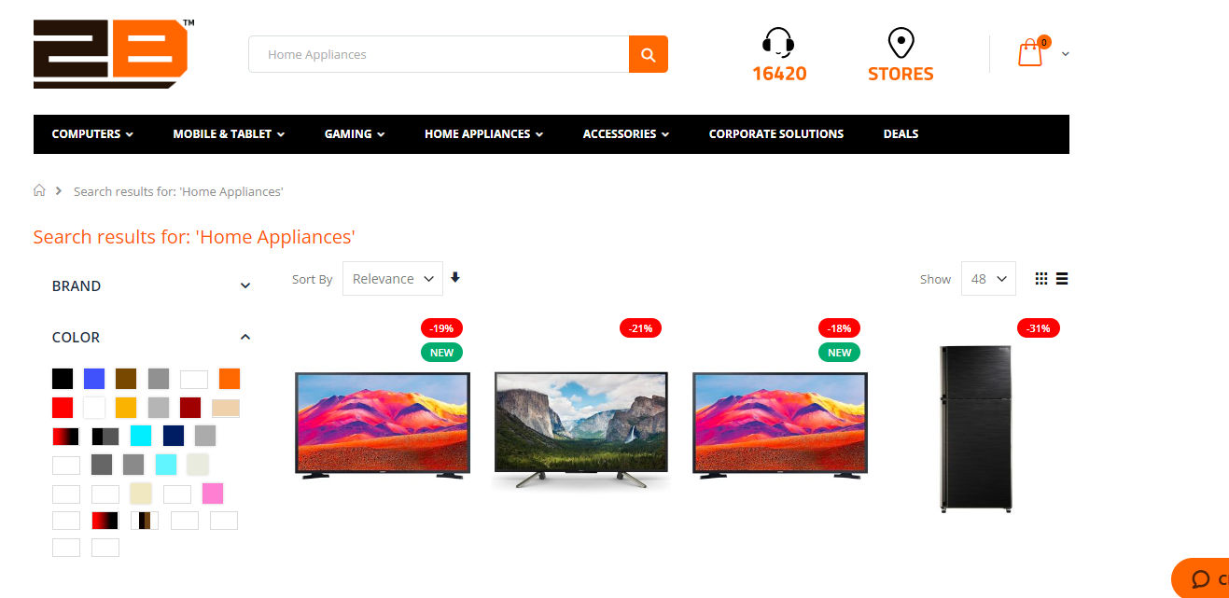 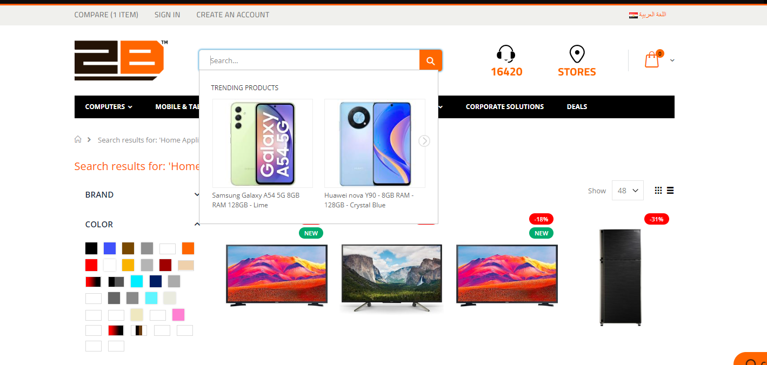
2 | input "Home Appliances" |  | Results for "Home Appliances " appeared | Results for "Home Appliances " appeared | Pass | N/A
3 | Press Enter or the search icon in the search bar |  | search results for "Home Appliances " page appeared | search results for "Home Appliances " page appeared | Pass | N/A
4 | Click on search bar and delete its` previous content |  | "Home Appliances " Keyword appeared as a search history | blinking cursor with "Trending products" appeared | Fail | For better user experience and ease of use

