Manual Testing Test Case
Test Scenario ID: TS_2B_01 |  | Test Case ID: TC_2B_SubCat_001

Test Date: 20/3/2024 |  | Test Title: every category has it` subcategories in the Homepage

Test Priority: Medium |  | Test Status: Fail | Test Data

 |  |  | N/A
Tester: Mohamed khaled |  | Reviewed By: AWT Ltd

Step No. | TestSteps | Pre-conditions | Expected Result | Actual Result | Test Status | Notes | Attachments

1 | hover the cursor over the "computers" tap in the header | 1-Access to google chrome or any Browser 2-Navigate to https://2b.com.eg/ | Show the tab list where every Category has subcategory | "DESKTOPS" and "BUILD YOUR PC" have no subcategory | Fail | may lead to user confusion and hinder the ability to filter products effectively |   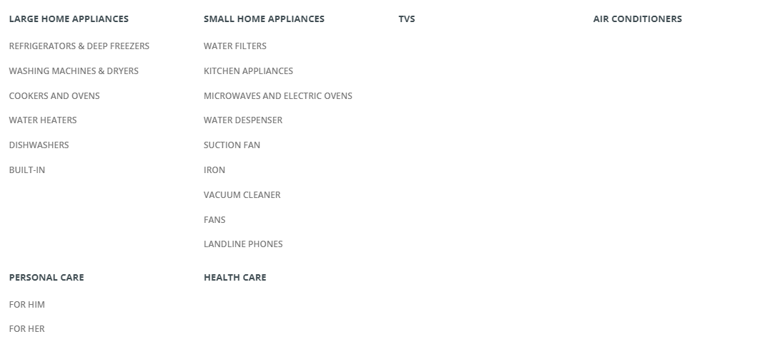 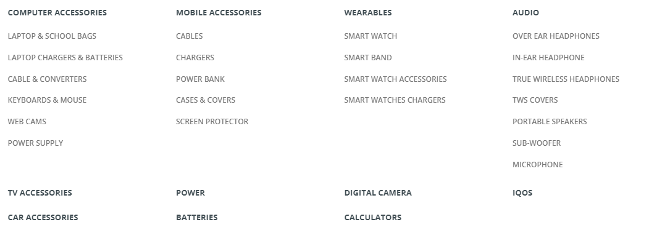
2 | hover the cursor over the "Mobile & Tablet" tap in the header |  | Show the tab list where every Category has subcategory | every Category has subcategory | Pass | N/A
3 | hover the cursor over the "Gaming" tap in the header |  | Show the tab list where every Category has subcategory | "GAMES CD" has no subcategory | Fail | may lead to user confusion and hinder the ability to filter products effectively
4 | hover the cursor over the "Home Appliances" tap in the header |  | Show the tab list where every Category has subcategory | "HEALTH CARE", "TVS" and "AIR CONDITIONERS" have no subcategory | Fail | may lead to user confusion and hinder the ability to filter products effectively
5 | hover the cursor over the "Accessories" tap in the header |  | Show the tab list where every Category has subcategory | "TV ACCESSORIES", "CAR ACCESSORIES", "POWER", "BATTERIES", "DIGITAL CAMERA", "CALCULATORS" and "IQOS" have no subcategory | Fail | may lead to user confusion and hinder the ability to filter products effectively

