Diets
Protein Rich | quinoa
 | edamame
 | lentils

Vitamin B7 (Biotin) | Legumes
 | Nuts
 | sunflower seeds
 | whole grains
 | Bananas

Vitamin A | Broccoli
 | Dark Green leafy
 | Carrots
 | Cheese

Vitamin B3 | Wheat Germ

Vitamin B5 | Leafy Green
 | Whole Grains
 | Avocado

Vitamin B9 | Leaf Greens
 | Nuts
 | Whole Grain Breads

Vitamin C | Tomatoes
 | Oranges
 | Dark Leafy Green
 | Potatoes
 | Carrots

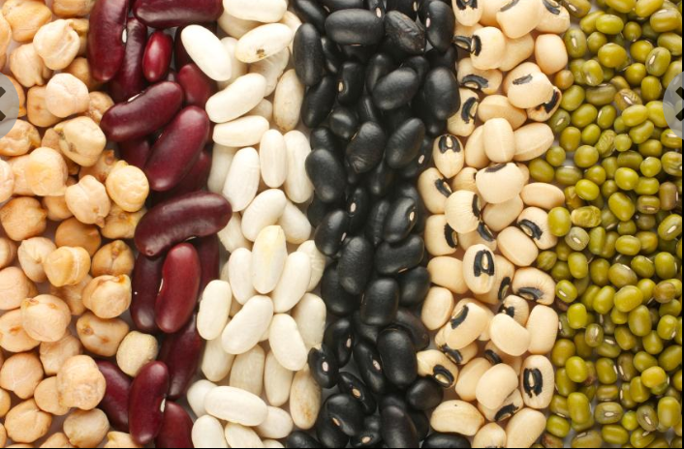
Vitamin E | Dark Leafy Green
 | Oils
 | Nuts
 | Beans

