55_Soil type
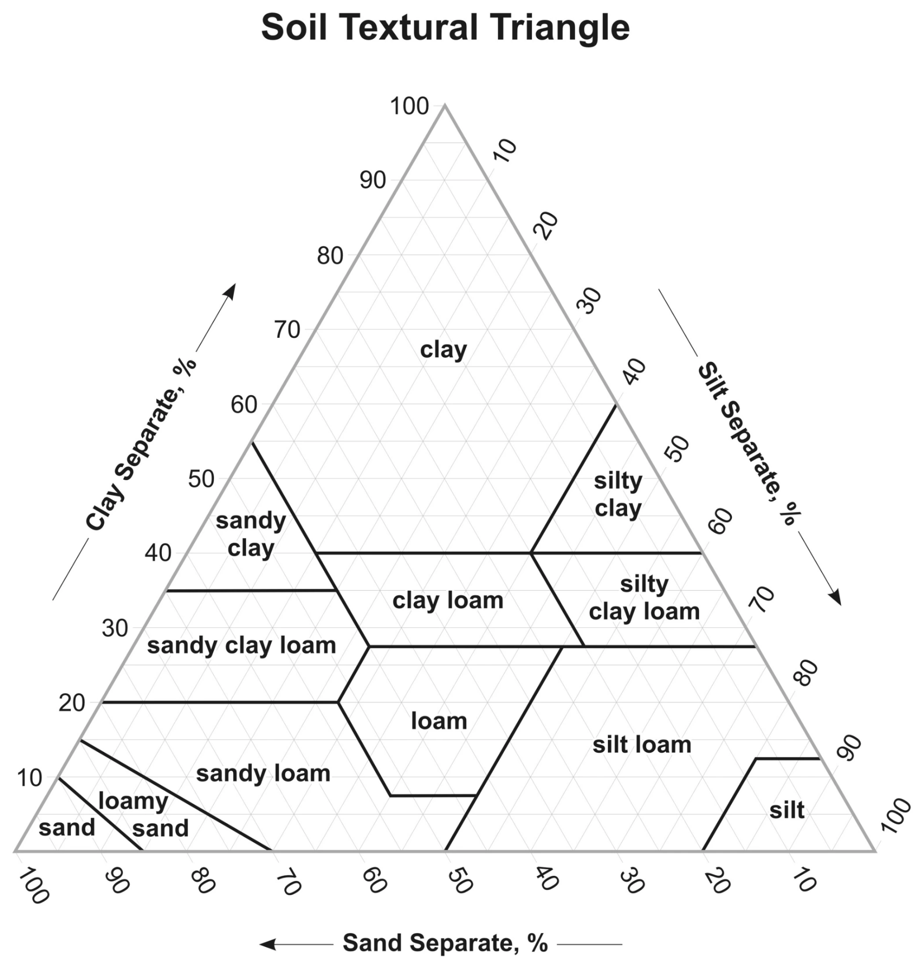
Checked by | Date | Ready for level 2 checking | Ready for Arches upload | Uploaded by | Upload date
DAS | 2025-05-19 | x
SM | 2025-05-20 |  | x
Notes: https://esdac.jrc.ec.europa.eu/content/soil-map-soil-atlas-africa |  |  | Please upload both hierarchies - this should be the same in Arches 7.5 anyway
Soil types |  | Translation in fr. | Description en. | Description fr.
Hierarchy 1 | Hierarchy 2 | Description
Soil nature
 | Acrisols | Acrisols are acidic soils dominated by kaolinte and display a clay accumulation horizon in the subsoil. They are quite common in Africa and are mainly found in the wetter parts of the tropics and subtropics. They are normally associated with acidic bedrock and are deficient in nutrients, thus requiring substantial applications of fertiliser to produce satisfactory crop yields.
 | Alisols | Alisols have a higher clay content in the subsoil than in the topsoil as a result of clay migration. Alisols have a low base saturation at certain depths and high-activity clays (e.g. vermiculite, illite and montmorillonite) are present in the clay-rich horizon. The acidity is caused by the weathering of minerals which release a large amount of aluminium - often at levels that are toxic to most crops. They occur predominantly in humid tropical, humid subtropical and warm temperate regions.
 | Andosols | Andosols develop from materials ejected from volcanoes (e.g. ash, pumice, cinder) which weather to produce specific clay minerals. In more humid climates, many Andosols develop a thick, dark topsoil as a result of the fixing of organic substances by aluminium that is released from the weathering of the clay minerals. Andosols are found along the Rift Valley in Eastern Africa, around Mount Cameroon,and in Madagascar. They have a high potential for agricultural production, but many suffer from strong phosphorus fixation due to high levels of active iron and aluminium
 | Arenosols | Arensols develop as a result of the in situ weathering of quartz-rich parent material or in recently deposited sands (e.g. dunes in deserts and beaches). They are among the most extensive soil types in the world and are the dominant soil in Africa. The Kalahari Sands is the largest body of sand on Earth. Soil formation is often limited by a low weathering rate. If vegetation has not developed, they can be prone to wind erosion. Once vegetated, the accumulation of organic matter, clay bands or the formation of humus-aluminium complexes can occur. | https://esdac.jrc.ec.europa.eu/content/soil-map-soil-atlas-africa
 | Calcisols | Calcisols occur in many parts of Africa, especially where the climate is dry enough to allow the accumulation of calcium carbonate in the soil. They form through the leaching of carbonates from the upper part of the soil which precipitate when the subsoil becomes oversaturated, from carbonate rich water moving through the soil or by the evaporation of water which leaves behind dissolved carbonates. Precipitated calcium carbonate can fill the pores in the soil, thereby acting as a cementing agent, and can form a solid hard pan (calcrete) that is impenetrable to plant roots
 | Cambisols | These are young soils. Generally lacking distinct horizons, Cambisols exhibit only slight evidence of soil-forming processes usually through variations in colour, the formation of structure or presence of clay minerals. They are extensive throughout Africa and can have varied characteristics depending on the nature of the parent material, climate and terrain.
 | Chernozems | Chernozems have a very dark-brown or blackish surface horizon with a significant accumulation of organic matter and a neutral pH. Secondary calcium carbonate deposits occur within 50 cm of the lower limit of the humus-rich horizon. They show high biological activity and are typically found in the long-grassland areas in humid-temperate climates (e.g. prairies). Chernozems are among the most productive soil types in the world
 | Cryosols | Cryosols develop in cold regions where permanently frozen subsoil (permafrost) is found. In this type of soil, water occurs primarily in the form of ice and cryogenic processes such as freeze-thawing cycles, cryoturbation (warping), frost heave, cryogenic sorting, cracking and ice segregation are the dominant soil-forming processes. Cryosols often exhibit distorted horizons and/or patterned ground.
 | Durisols | Durisols are associated with old surfaces in arid and semi-arid environments in western South Africa, southern Namibia and along the coast of Morocco. They display hardened (secondary) accumulations of silica (SiO2 ) in the soil. Durisols develop over long periods during which the soil reaction is so alkaline (pH > 8) that silicon becomes mobile. The dissolved silicon precipitates as an amorphous opal, nodules (durinodes) and eventually, hard layers known as duripans develop (in South Africa these are known as dorbanks). Eventually, such hard pans may turn into silcrete.
 | Ferralsols | Ferralsols are widespread in Central, Eastern and Southern Africa. Mostly associated with high rainfall areas and very old (Tertiary) land surfaces, they are strongly leached soils that have lost nearly all of their weatherable minerals over time. As a result, they are dominated by stable products such as aluminium oxides, iron oxides and kaolinite which give Ferralsols their strong red and yellow colours. Levels of calcium and magnesium are very low. The binding of particles by iron oxides gives an apparent sandy or silty feeling (pseudosand).
 | Fluvisols | Fluvisols occur in all periodically flooded areas such as flood plains, river fans, valleys, tidal marshes and mangroves throughout Africa. Fluvisols show a layering of sediments with pedogenic horizons as a result of deposition by water. Their characteristics and fertility depend on the nature and sequence of the sediments and length of periods of soil formation after or between flood events. High water velocities or turbulent action gives rise to gravelly or sandy soils. Low velocities or standing water give rise to fine-textured soils, often mixed with significant amounts of organic debris.
 | Gleysols | Gleysols occur in low-lying areas or depressions where the groundwater comes close to the surface and the soil is saturated with water for long periods of time. Gleysols display characteristic reddish, brownish or yellowish colours in the upper part of the soil where oxygen is present, in combination with greyish/bluish colours deeper in the soil where oxygen is absent (reduced). Often Gleysols are found with wetland vegetation (e.g. grass, reeds, sedges). Because of their wetness, Gleysols show little soil development apart from accumulation of organic matter in the surface layer and rust mottling
 | Gypsisols | Gypsisols are soils with substantial (secondary) accumulation of gypsum (CaSO4 .2H2 O). They are found in the driest parts of the arid climate zone, and in Africa the are predominantly found in the northern Sahara. Many Gypsisols occur in depressions and reflect former lake beds that have dried up through evaporation. The processes for gypsum precipitation are similar to Calcisols (see previous page). Gypsum that forms a solid hard pan is referred to as gypcrete. Natural vegetation is sparse and dominated by xerophytic shrubs or ephemeral grasses
 | Histosols | Histosols, also known as peat, contain a high amount of organic matter, usually more than 20%, and have a high water content. Their bulk density is very low and when drained, they suffer from irreversible shrinkage and surface subsidence. Histosols are rather rare in Africa, occurring mostly in wetlands, isolated pockets in low-lying areas or depressions and in coastal regions where organic debris accumulates. Their distribution is limited by the rapid decomposition of organic material in tropical regions due to the permanently high temperatures.
 | Kastanozems | Kastanozems have a deep, dark coloured surface layer with a significant accumulation of organic matter and high base saturation and an accumulation of (secondary) calcium carbonate in the subsoil. Kastanozems are mostly found in the Mediterranean part of Africa and as localised occurrences in southern Africa. They develop in the drier parts of the savannah regions where there is still sufficient biomass production to form the organic-rich surface layer and dry enough to facilitate the precipitation of carbonates or gypsum
 | Leptosols | Leptosols are shallow soils over hard rock, very gravelly material or highly calcareous deposits. Because of limited pedogenic development, Leptosols have a weak soil structure. Leptosols occur all over Africa, especially in mountainous and desert regions where hard rock is exposed or comes close to the surface and the physical disintegration of rocks due to freeze/thaw or heating/cooling cycles are the main soil-forming processes. In WRB, bare rocks exposes at the surface (possibly displaying only microscopic soil formation) are referred to as Nudilithic Leptosols
 | Lixisols | Lixisols are slightly acid soils that show a distinct increase in clay content with depth. The clay is predominantly kaolinite with limited capacity to hold nutrients. Occurring mainly in the dry savannah region with low biomass production, Lixisols do not hold much organic matter and lack a well developed soil structure. High-intensity rainfall will destroy any soil structure present making Lixisols prone to erosion. If the soil is not protected, a crust may develop which prevents rain entering the soil. Overland flow will then erode the topsoil which is the most fertile part. Wind erosion may be an issue as loose soil particles at the surface can easily be blown away
 | Luvisols | Luvisols have a distinct increase in clay content with depth as a result of clay movement from the upper part of the soil to the lower part. The clay is usually a mixture of kaolinite, illite and montmorillonite, giving the soil a high nutrient-holding capacity. In general, Luvisols have a well-developed soil structure, which contributes to a good water-holding capacity. Luvisols in Africa are mainly found in the Mediterranean region and in the southern and eastern parts of Africa on relatively young surfaces
 | Nitisols | Nitisols develop mainly from basic iron-rich rocks such as basalt. Their main characteristics are a dark red colour and a well-developed structure that is nutty in appearance with shiny surfaces. The active iron content (i.e. amorphous iron oxides and hydroxides) is high, which enforces strong bonding of soil particles and the formation of the nut-shaped aggregates. The shiny surfaces are a mixture of clay and iron coatings. Most Nitisols are dominated by kaolinite clay. While common in eastern Africa, they also occur in many other parts of Africa
 | Phaeozems | Phaeozems are characterised by their, thick, dark-coloured, surface layer which is rich in organic matter and well-supplied with nutrients. Their development requires a reasonable amount of precipitation and a lush vegetation, preferably grasses. This characteristic distinguishes them from Chernozems, which they border where conditions are wetter, and Kastanozems where conditions are drier. Outside Africa, they are typical prairie soils. Most Phaeozems in Africa occur in the highlands, but their distribution is quite limited
 | Planosols | The most important characteristic of Planosols is the very slow permeability of the subsoil which causes water entering the soil to stagnate above this layer. The transition to the slowly permeable layer is very sharp - clay content at least doubles or significantly increases. As a result of the frequent waterlogging in the topsoil, iron and manganese are dissolved and precipitated as reddish-brown or black concretions on both sides of the abrupt boundary. The removal of iron in the topsoil causes the structure to collapse. Therefore, most Planosols have a structureless topsoil.
 | Plinthosols | Plinthosols display an accumulation of iron (and manganese) in the subsoil as large mottles or concretions. This iron-rich layer develops mostly under the influence of fluctuating groundwater. While buried, the layer (called plinthite) is soft and can be cut by a knife. However, once exposed to air and sunlight, it hardens irreversibly and is often known as ironstone). When brought to the surface by erosion, the hard ironstone layer forms a cap that protects the area from further erosion. Non-protected areas continue to erode and what originally were the lower parts became the highest parts in the landscape. This phenomenon is known as landscape inversion.
 | Podzols | Podzols have a distinctive ash-grey horizon which has been bleached by the loss of organic matter and iron oxides. This sits on top of a dark accumulation horizon of redeposited humus and/or reddish iron compounds. Typically occurring in temperate zones, Podzols are not well developed in Africa; most of them barely exhibit the ash-grey layer and the amount of accumulated organic matter in the subsoil is not very high. Podzols have been recorded in the Kalahari Sands (Angola), Congo, Zambia, South Africa and Zimbabwe and some coastal sand deposits in western Africa.
 | Regosols | Regosols are weakly developed mineral soils in unconsolidated medium and fine-textured material - more coarse-textured soils are Arenosols (in the case of sand) or Leptosols (in the case of gravel). Regosols show only slight signs of soil development - some accumulation of organic matter producing a somewhat darker topsoil is often the only evidence of soil formation. Limiting factors for soil development range from low temperatures, prolonged dryness, characteristics of the parent material or erosion. Regosols are extensive in eroding lands such as mountains or deserts where soil formation is generally absent.
 | Solonchaks | Solonchaks are strongly saline with high concentrations of soluble salts. They are mostly associated with arid regions and with areas where saline groundwater comes close to the surface or where evapo-transpiration rates are considerably higher than precipitation, at least during a large part of the year. Salts dissolved in soil moisture remain behind after the evaporation of the water and accumulate on or just below the surface. Their characteristics and limitations to plant growth depend on the amount, depth and composition of the salts.
 | Solonetz | Solonetz are strongly alkaline soils. They display with a dense, clay-rich subsoil containing a high amount of exchangeable sodium and a distinctive columnar structure. Sodium has the ability to disperse clay particles and organic matter in the topsoil, which are subsequently washed deeper into the soil. Large pores are filled with clay and structural elements capped with organic coatings. Solonetz are normally associated with flat lands in climates with hot, dry summers or with former coastal deposits that contain a high proportion of salt.
 | Stagnosols | Stagnosols are soils with a perched water table, often caused by the presence of an impermeable barrier deep in the soil. Perched water tables lead to temporary water logging and the mobilisation of iron and/or manganese. This process gives rise to a characteristic colour pattern; aggregate surfaces are bleached and depleted of iron whereas the centres are enriched showing brown to orange colours. A common name in many national classification systems is pseudogley. They have been recorded in Côte d'Ivoire, Central African Republic and Chad.
 | Umbrisols | Umbrisols have a deep, dark-coloured surface layer that is rich in organic matter but has a low nutrient content. They are mainly associated with acid parent materials and areas with high rainfall. In Africa they mainly occur in mountains and highland regions and on sandy soils in the tropics in areas with high rainfall. Umbrisols are the counterpart of nutrient-rich soils with a dark surface horizon (i.e. Chernozems, Kastanozems and Phaeozems).
 | Vertisols | Vertisols are clayey soils that exhibit wide cracks which open and close periodically upon drying and wetting. This is caused by the presence of the clay mineral, montmorillonite, which takes up water when it becomes wet (and expands) and releases the water again upon drying out (shrinks). This process brings material from the surface into the subsoil giving rise to a ‘mixed or churned’ soil (see page 27). Vertisols are widespread in Africa; especially in the Maghreb, Sudan and Ethiopia.
 | Anthrosols | Anthrosols are formed through human activities such as the addition of organic material, household wastes, lime, charcoal, earth-sods or mineral matter. The added material is usually deeply tilled into the original soil. In most cases, a buried soil can still be found at some depth from the surface. Anthrosols include ‘Paddy Soil’ where the long-term cultivation of rice causes unique soil characteristics as a result of the repeated lack of oxygen. The morphological and chemical characteristics of these soils vary and depend on the specific human activity.
 | Technosols | Technosols contain large quantities of man-made artefacts (e.g. household garbage or industrial waste), or contain material that has been brought to the surface (e.g. mine dumps or oil spills) or are soils that have been sealed by an artificial surface (e.g. roads, hard standing areas). They often contain toxic material. Most Technosols occur in and around urban areas and mining areas

Soil texture | Clay
 | Clay loam
 | Loam
 | Loamy sand
 | Sand
 | Sandy clay
 | Sandy caly loam
 | Sandy loam
 | Silty clay
 | Silty clay loam

